Sheet1
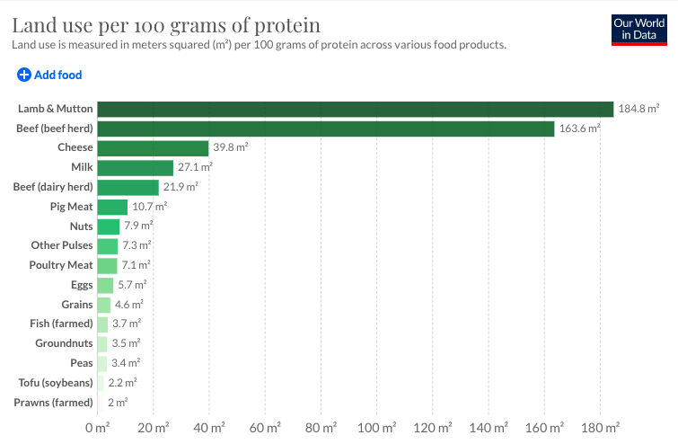

Regression Equations based on data analysis
Country | CO2 Intercept | CO2 Coefficient | CO2 Equation | 10.00%
Canada | 0.29759444661 | 1.0808881253 | 0.297594446612592 + 1.08088812527917 * x | 10.81% |  | China:
China | 0.67148542407 | 1.6852386461 | 0.67148542406767 + 1.68523864610593 * x | 16.85% |  | For 10% increase in meat consumption, there is a 16.85% increase in CO2 emission
Germany | 0.027980329133 | 0.1129390053 | 0.0279803291334483 + 0.112939005296766 * x | 1.13% |  | For 10% increase in meat consumption, there is a 17.54% increase in land use
India | 0.35503176261 | 1.0853038656 | 0.355031762613939 + 1.08530386562022 * x | 10.85% |  | For 10% increase in meat consumption, there is a 17.61% increase in water use
Indonesia | 0.54787282329 | 1.4402226074 | 0.547872823292607 + 1.44022260739003 * x | 14.40%
Iran | 0.65144591777 | 1.6184471024 | 0.651445917769345 + 1.61844710238472 * x | 16.18%
Japan | 0.48257408458 | 1.3436670458 | 0.482574084577841 + 1.34366704582078 * x | 13.44% |  | India:
South Korea | 0.79973992594 | 1.9346819271 | 0.79973992593829 + 1.93468192713794 * x | 19.35% |  | For 10% increase in meat consumption, there is a 10.85% increase in CO2 emission
United States | 0.45194437701 | 1.2352703453 | 0.451944377008425 + 1.23527034534625 * x | 12.35% |  | For 10% increase in meat consumption, there is a 8.54% increase in land use
Mexico | 0.60491835998 | 1.5249731158 | 0.604918359984849 + 1.5249731158369 * x | 15.25% |  | For 10% increase in meat consumption, there is a 10.73% increase in water use

Country | Land Intercept | Land Coefficient | Land Equation | 10.00%
Canada | 0.20352744254 | 0.73922883411 | 0.203527442536747 + 0.739228834107893 * x | 7.39% |  | US:
China | 0.69893742792 | 1.7541354176 | 0.698937427916124 + 1.75413541756258 * x | 17.54% |  | For 10% increase in meat consumption, there is a 12.35% increase in CO2 emission
Germany | 0.032842670428 | 0.13256522151 | 0.0328426704276793 + 0.132565221506186 * x | 1.33% |  | For 10% increase in meat consumption, there is a 11.03% increase in land use
India | 0.2795256441 | 0.8544876657 | 0.279525644101947 + 0.854487665695731 * x | 8.54% |  | For 10% increase in meat consumption, there is a 13.32% increase in water use
Indonesia | 0.55687580582 | 1.4638892293 | 0.556875805818343 + 1.4638892293071 * x | 14.64%
Iran | 0.49892999876 | 1.2395377556 | 0.49892999876088 + 1.23953775557047 * x | 12.40%
Japan | 0.48828552106 | 1.3595698247 | 0.488285521057614 + 1.35956982474618 * x | 13.60%
South Korea | 0.79913191457 | 1.9332110632 | 0.799131914568878 + 1.93321106321113 * x | 19.33% |  | Reasons:
United States | 0.40360045957 | 1.1031350415 | 0.403600459571791 + 1.10313504147847 * x | 11.03% | 1 | Consumption of meat differs by meat type in each country
Mexico | 0.61167209285 | 1.5419989853 | 0.611672092850813 + 1.54199898533175 * x | 15.42% | 2 | Land and water use/CO2 emission is different for each meat type - hence the differences in each country's impact

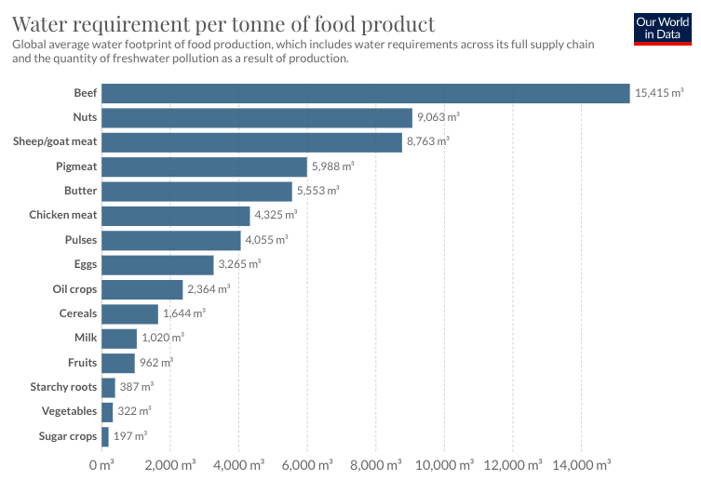
Country | Water Intercept | Water Coefficient | Water Equation | 10.00%
Canada | 0.28496200514 | 1.0350060326 | 0.284962005142139 + 1.03500603260534 * x | 10.35%
China | 0.70150242277 | 1.7605728298 | 0.701502422773064 + 1.76057282976104 * x | 17.61%
Germany | 0.18590988672 | 0.75040138308 | 0.185909886717616 + 0.750401383078151 * x | 7.50%
India | 0.35111302217 | 1.0733245877 | 0.351113022171927 + 1.07332458771346 * x | 10.73%
Indonesia | 0.56258555378 | 1.4788987493 | 0.562585553784792 + 1.47889874931643 * x | 14.79%
Iran | 0.650525364 | 1.6161600859 | 0.650525363997568 + 1.61616008585137 * x | 16.16%
Japan | 0.50418193973 | 1.4038314099 | 0.504181939732504 + 1.40383140986364 * x | 14.04%
South Korea | 0.80467544431 | 1.9466216314 | 0.80467544431103 + 1.94662163139316 * x | 19.47%
United States | 0.48724804274 | 1.3317635724 | 0.487248042744643 + 1.33176357235492 * x | 13.32%
Mexico | 0.63006787034 | 1.5883739476 | 0.630067870341163 + 1.58837394759675 * x | 15.88%

 | Assumption: Meat consumption, in each country will be met out of production in the country itself and there are no imports(due to non-availability of data)

Meat_type
Entity | Beef | Poultry | Pig | Mutton | Other | Total | %age
China | 7929302492.2 | 18302762742 | 53473056054 | 4618321344 | 1776277440 | 86099.720072 | 17.015085684 | China consumes 17 times more meat than India, even though population is more or less the same.
India | 1017394513.9 | 2971862922.2 | 334669248 | 589017876.48 | 147254469.12 | 5060.1990298
United States | 12054151503 | 18100732355 | 9759051459.8 | 165793345.92 | 263318843.52 | 40343.047507 | 7.9726206953 | US consumes 8 times more meat than India

