Sheet1
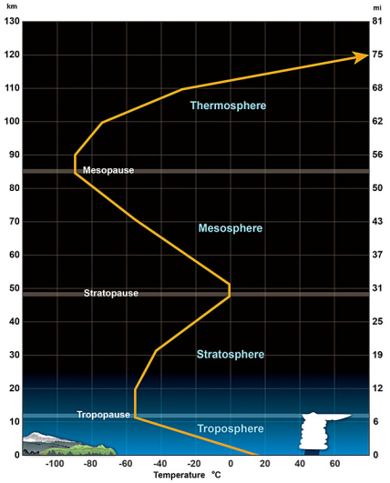
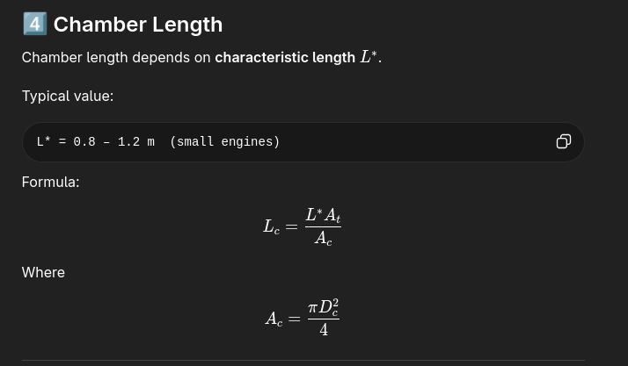
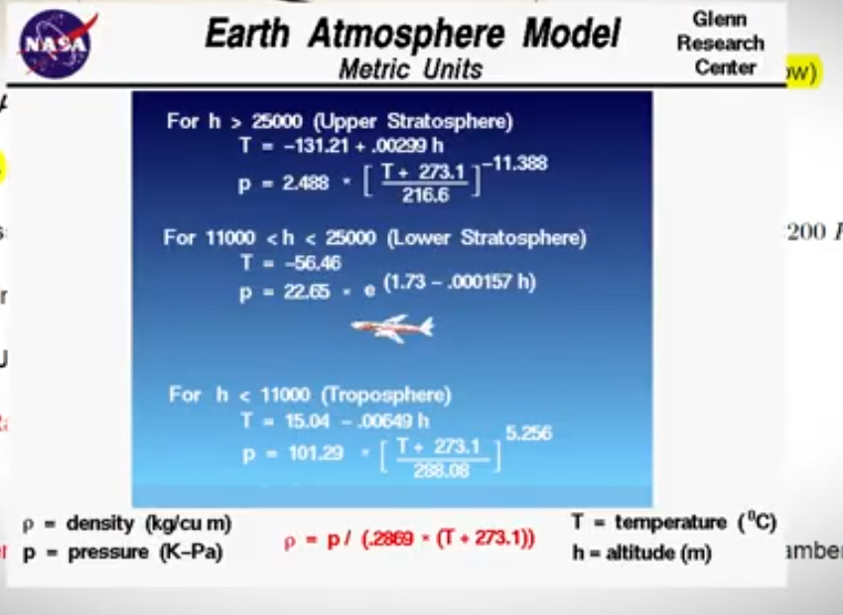
 | Parameters

 | Required F | 600 | N | Pa
 | Pc | 1.8 | mpa | Ae
 | Tc | 3000 | K |  | Divegent angle | 15 | (12 - 18) | chamber len | 0.7 | (0.8 - 1.2)m
 | γ | 1.3 |  |  |  | 0.2617993878 |  | length in M | 0.077777777778
 | R | 300 | j/kgh |  | Convergent angle | 30 | (30 - 45)
 | Pe | 0.1 | mpa |  |  | 0.5235987756
 | ε | 5.23 |  |  | RESULT
 | Formulas
 |  |  |  |  | Parameter | Value
 | Thruat equa
 | Force |  |  |  | chamber diameter | 46.172037471 | mm
 | Exit velocity
 | Ve | 1948.5165208 | m/s |  | chamber length | 77.777777778 | mm
 | Mass flow
 | M` | 0.30792656547 | kg/s |  | convergent length | 26.657438263 | mm
 | Throat
 | At | 186.06374536 | M^2 |  | throat diameter | 15.390679157 | mm
 | Diameter | 15.390679157 | mm
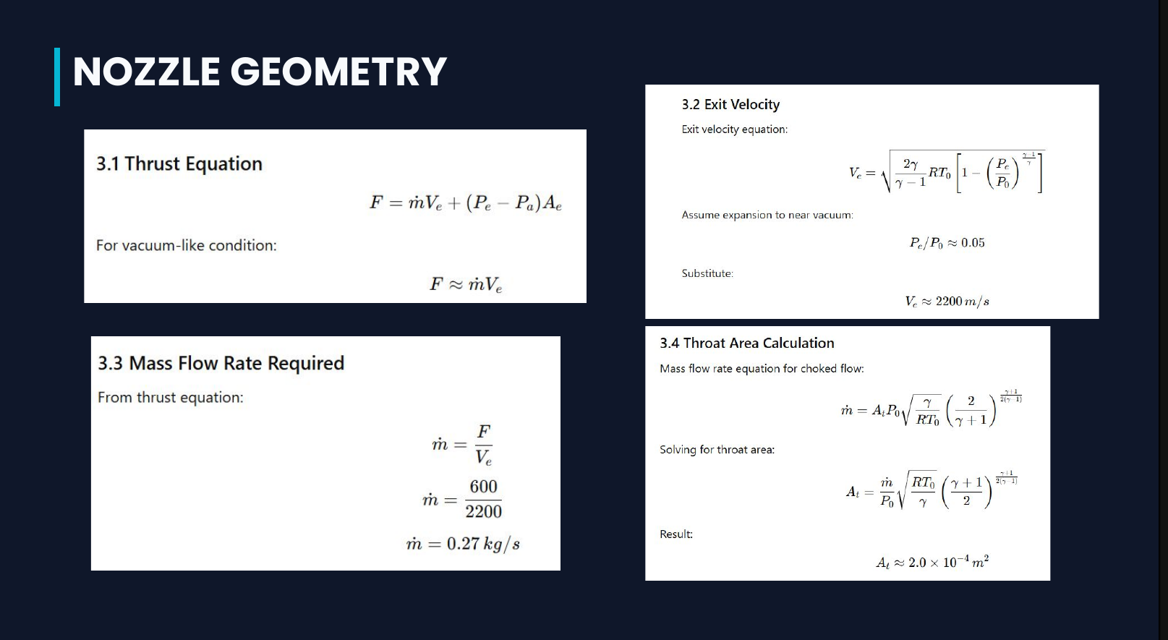
 | Exit |  |  |  | divergent length | 36.959548666 | mm
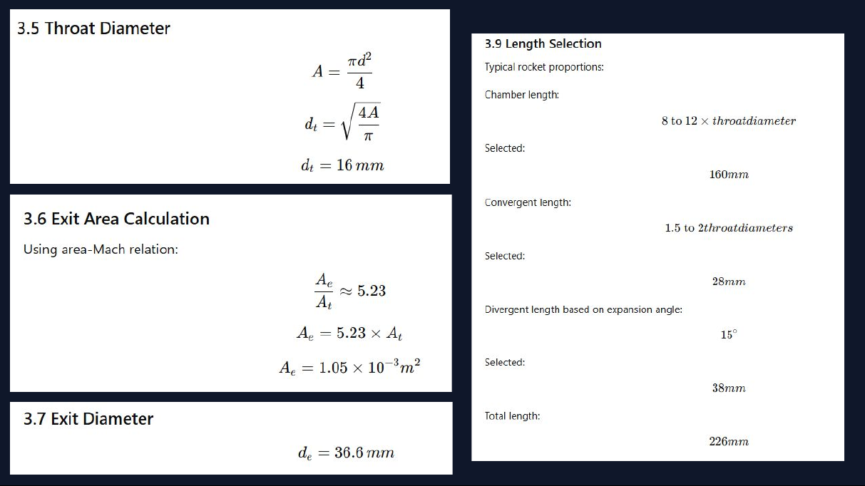
 | Ae | 973.11338824 | m^2
 | Diameter | 35.197241592 | mm |  | Exit diameter | 35.197241592 | mm
 | chamber
 | Ac | 1674.5737083 | m^2 |  | Total length | 141.39476471 | mm

Parameter

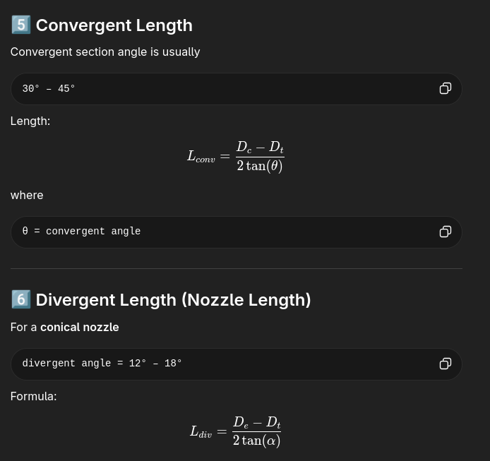
Throat radius

