Cluster Evaluations
Index/Evaluation | how to determine clusters | explanation | Model | n_clusters = 2 | n_clusters = 3 | n_clusters = 4 | n_clusters = 5 | n_clusters = 6 | n_clusters = 7 | Best # of clusters
Elbow Curve | Elbow Curve graph | where elbow bends towards straight | Full |  |  |  |  |  |  | 3? 4? 6?
 |  |  | Training |  |  |  |  |  |  | 4? 6?
Hierarchical clustering | Dendrogram | Choosing highest level that captures all groups and counting the number of branches at that point | Full |  |  |  |  |  |  | 4 or 5
 |  |  | Training |  |  |  |  |  |  | 4, 5 or 6 | 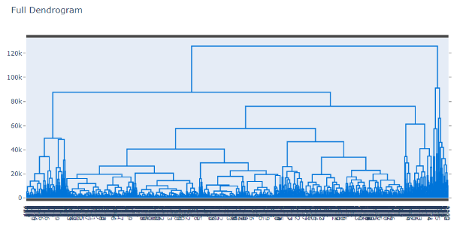 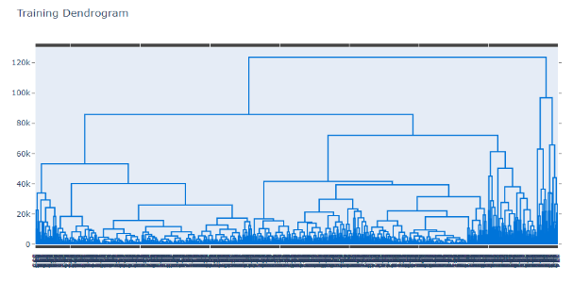
Calinski-Harabasz Index (aka Variance Ratio Criterion) | Index | The index is the ratio of the sum of between-clusters dispersion and of within-cluster dispersion for all clusters (where dispersion is defined as the sum of distances squared): The score is higher when clusters are dense and well separated, which relates to a standard concept of a cluster. (using judgement as highest score would be all features as individual cluster) | Full | 723.60347696 | 995.73077261 | 1007.9233606 | 1006.4700544 | 1020.8396939 | 1012.7349349 | 4 or 6
n_clusters = 3
n_clusters = 4
n_clusters = 5
 |  |  | Training | 557.37708452 | 727.54615785 | 723.44286767 | 739.34655068 | 762.77482423 | 746.15592905 | 3, 5 or 6
n_clusters = 3
n_clusters = 4
n_clusters = 5
Silhouette Score | Silhouette plot | Silhouette coefficients near +1 indicate that the sample is far away from the neighboring clusters. A value of 0 indicates that the sample is on or very close to the decision boundary between two neighboring clusters and negative values indicate that those samples might have been assigned to the wrong cluster. | Full (average) | 0.51937917506 | 0.42789870369 | 0.42241942212 | 0.43050648635 | 0.41595425505 | 0.39542919149 | 4 | 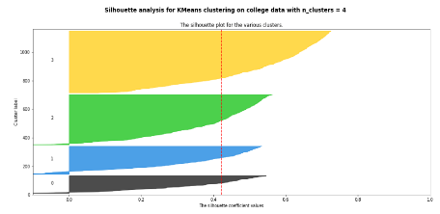 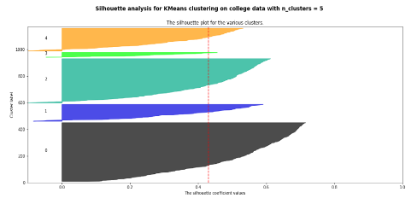 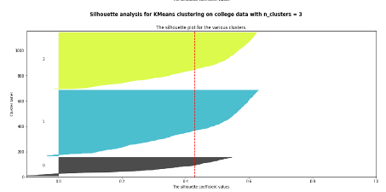
 |  |  | Training (average) | 0.52529969409 | 0.42099998493 | 0.41367741223 | 0.4248319411 | 0.41602189476 | 0.38981402492 | 4 (but 5 and 6 look better) |   
Davis-Bouldin Index | Davies-Bouldin score | (DBI) is calculated as the average similarity of each cluster with a cluster most similar to it. The lower the average similarity is, the better the clusters are separated and the better is the result of the clustering performed. | Full |  | 0.80603155644 | 0.77439827534 |  | 0.81548429719 |  | 4
 |  |  | Training |  | 0.81762923528 | 0.78969735067 |  | 0.80324902031 |  | 4 (but 6 is closer in this test) | 