Auto Billing
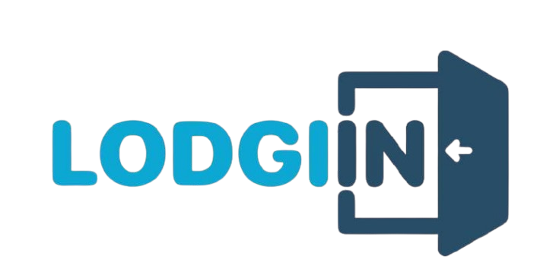
Financial Statement
Property Name
Property Code | 1001
Financial Statement Start | 1-Apr-2025
Financial Statement Finish | 31/04/2025
Term | 1 Month
Due Date | 7-May-2025
Gross Revenue | -
Profit Sharing Direct | -
Profit Sharing OTA | -
Profit Sharing Lodgiin | -
Penalty | -
Pay at Hotel | -
Net Revenue Owner | -
Amount Paid to Lodgiin | -

Booking Source | Property Code | Booking Code | Guest Name | Payment Method | Booking Date | Check In Date | Check Out Date | Rooms | Nights | Room Nights | Price | Total Amount | OTA Commision | Lodgiin Commision | Direct | Owner | Penalty
...

