Pivot vs PowerPivot

Power Pivot Data Model PivotTable (PPDMPT) Advantages: | Standard PivotTable (SPT) Advantages:
Number formatting attached to formulas | Fast & Easy when you have < about 50,000 rows of data
Consistent name attached to formula | Grouping feature is fast and easy for dates, times and numbers
Avoid 2 step calculation process (Helper Column then Aggregation) with one step Measures like with SUMX. | Show Values As has many calculations that are easier than the parallel DAX Solution
Some complex calculations can be easier | Don't have to spend time building Data Model with DAX and Date Table
Iterating over a table to pre-aggregate numbers before an aggregate calculation | Some Reports such as Frequency Distributions for Text Data are super fast & easy with SPT
Relationships can replace VLOOKUP & XLOOKUP
You can have multiple tables in PivotTable Field task pane
You can have BIG DATA data sets
You can share & send Data Model to Power BI
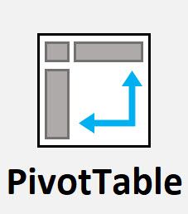
DAX Measures can be re-used.

Region Year Sales
