INS
~TFM_INS
Attribute | PSet_PN | LimType | AllRegions |  | cold start or hot start
\I: Attribute | Process Name | UP - up, LO - down | %/h |  | % change of installed capacity per hour
\I: Ramping down - decreasing capacity between two timeslices |  |  |  |  | https://iea-etsap.org/forum/archive/index.php?thread-96.html
ACT_UPS | PP_N_GAS_N4 | LO | 25% |  | https://www.researchgate.net/figure/Typical-Generator-Ramp-Rates-and-Start-up-Shut-down-Costs_tbl1_317142861
ACT_UPS | PP_N_GAS_N22 | LO | 25%
ACT_UPS | PP_OIL_N4 | LO | 15%
ACT_UPS | PP_OIL_N22 | LO | 15%
ACT_UPS | PP_DIESEL_N4 | LO | 20%
ACT_UPS | PP_DIESEL_N22 | LO | 20%
ACT_UPS | PP_W_INC_N19 | LO | 10%
\I: Ramping up - increasing capacity between two timeslices
ACT_UPS | PP_N_GAS_N4 | UP | 30%
ACT_UPS | PP_N_GAS_N22 | UP | 30%
ACT_UPS | PP_OIL_N4 | UP | 15%
ACT_UPS | PP_OIL_N22 | UP | 15%
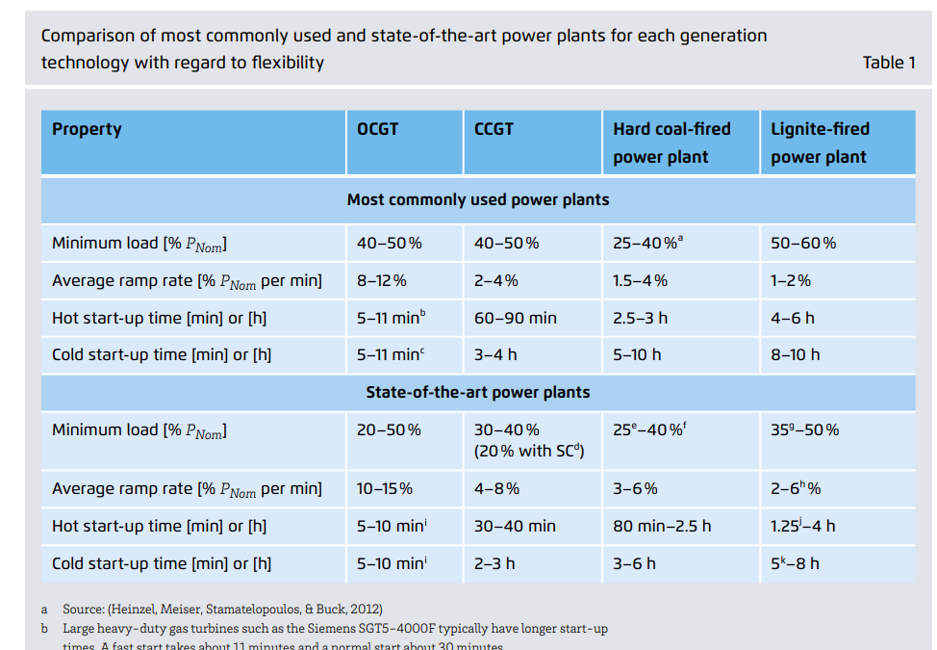
ACT_UPS | PP_DIESEL_N4 | UP | 20%
ACT_UPS | PP_DIESEL_N22 | UP | 20%
ACT_UPS | PP_W_INC_N19 | UP | 10%

Plant Type | Ramp-Up Rate | Ramp-Down Rate | Notes | Reference
Natural Gas | ~25%/h | 30–40%/h | Ramp-down usually faster — you can idle or shut down quickly. | https://www.sciencedirect.com/science/article/pii/S277267112100022X
Fuel Oil | ~20%/h | 25%/h | Steam boilers cool faster than they heat up. | https://www.agora-energiewende.de/fileadmin/Projekte/2017/Flexibility_in_thermal_plants/115_flexibility-report-WEB.pdf
Diesel | ~30–40%/h | 40–50%/h | Diesels can stop quickly; very responsive in both directions.
Waste-to-Energy | ~10%/h | 10%/h or slower | Rigid ramping both ways due to incineration controls.

Plant | Capacity (MW) | Ramp-Up Rate (%/h) | Ramp-Up Time (h) | Ramp-Down Rate (%/h) | Ramp-Down Time (h) | MW Change per Hour
PP_N_GAS_N4 | 0.32 | 30% | 3.33 | 25% | 4.00 | 0.096
PP_N_GAS_N22 | 0.009 | 30% | 3.33 | 25% | 4.00 | 0.0027
PP_OIL_N4 | 116.9 | 15% | 6.67 | 15% | 6.67 | 17.535
PP_OIL_N22 | 35.98 | 15% | 6.67 | 15% | 6.67 | 5.397
PP_DIESEL_N4 | 0.001 | 20% | 5.00 | 20% | 5.00 | 0.0002
PP_DIESEL_N22 | 0.0004 | 20% | 5.00 | 20% | 5.00 | 0.00008
PP_W_INC_N19 | 2.00 | 10% | 10.00 | 10% | 10.00 | 0.2

