FI_Comm
Define Commodities

~FI_Comm
Csets | Region | CommName | CommDesc | Unit | LimType | CTSLvl | PeakTS | Ctype
\I: Commodity Set |  | Commodity Name | Commodity Description | Unit | Sense of Balance Equation | TimeSlice Level | Peak Monitoring | Electricity Indicator (for CHPs)
NRG |  | N_GAS | Natural Gas | GWh |  | SEASON
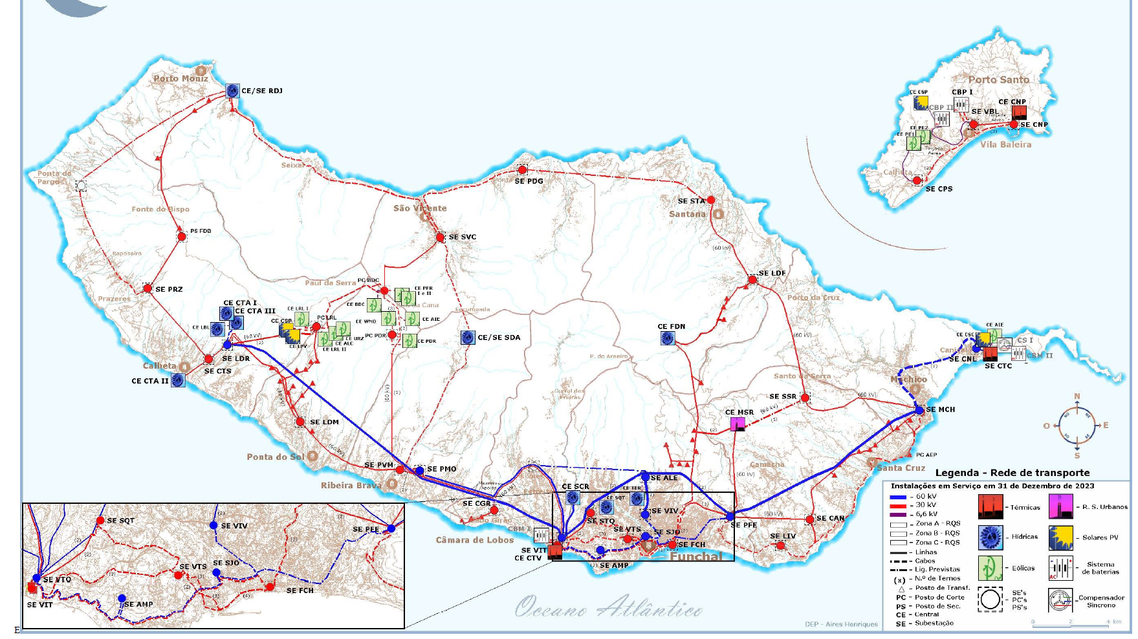
NRG |  | OIL | Oil | GWh |  | SEASON
NRG |  | DIESEL | Diesel | GWh |  | SEASON
NRG |  | W_INC | Waste to be incenerated | GWh |  | SEASON
NRG |  | SUN | Sun | GWh |  | SEASON
NRG |  | WND | Wind | GWh |  | SEASON
NRG |  | WIND_OFF | Wind offshore | GWh |  | SEASON
NRG |  | HYD | Water for Hydro | GWh |  | SEASON
ENV |  | CO2 | CO2 emissions | t |  | ANNUAL
NRG |  | ELC_N1 | Funchal Substation - 30/6.6 | GWh |  | DAYNITE
NRG |  | ELC_N2 | Amparo Substaion - 60/6.6 | GWh |  | DAYNITE
NRG |  | ELC_N3 | Vitoria Substation - 30/6.6 | GWh |  | DAYNITE
NRG |  | ELC_N4 | Vitoria Substation - 60/30 | GWh |  | DAYNITE
NRG |  | ELC_N5 | Santa Quiteria Substation - 30/6.6 | GWh |  | DAYNITE
NRG |  | ELC_N6 | Virtudes Substation - 30/6.6 | GWh |  | DAYNITE
NRG |  | ELC_N7 | Alegria Substation - 60/6.6 | GWh |  | DAYNITE
NRG |  | ELC_N8 | Viveiros Substation - 60/6.6 | GWh |  | DAYNITE
NRG |  | ELC_N9 | Ponte Vermelha Substation- 30/6.6 | GWh |  | DAYNITE
NRG |  | ELC_N10 | Lombo do Meio Substation - 60/30 | GWh |  | DAYNITE
NRG |  | ELC_N11 | Calheta Substation - 30/6.6 | GWh |  | DAYNITE
NRG |  | ELC_N12 | Lombo do Doutor Substation - 60/30 | GWh |  | DAYNITE
NRG |  | ELC_N13 | Ribeira da Janela Substation - 30/6.6 | GWh |  | DAYNITE
NRG |  | ELC_N14 | Lombo do Faial Substation - 30/6.6 | GWh |  | DAYNITE
NRG |  | ELC_N15 | Santana Substation - 30/6.6 | GWh |  | DAYNITE
NRG |  | ELC_N16 | Machico Substation - 60/30 | GWh |  | DAYNITE
NRG |  | ELC_N17 | Canico Substation - 30/6.6 | GWh |  | DAYNITE
NRG |  | ELC_N18 | Livramento Substation - 30/6.6 | GWh |  | DAYNITE
NRG |  | ELC_N19 | Palheiro Ferreiro Substation - 60/30 | GWh |  | DAYNITE
NRG |  | ELC_N20 | S. Vicent Substation - 30/6.6 | GWh |  | DAYNITE
NRG |  | ELC_N21 | Prazeras Substation - 30/6.6 | GWh |  | DAYNITE
NRG |  | ELC_N22 | Canical Substation - 60/6.6 | GWh |  | DAYNITE
NRG |  | ELC_N23 | Carbo Grao Substation - 30/6.6 | GWh |  | DAYNITE
NRG |  | ELC_N24 | Santo da Serra Substation - 30/6.6 | GWh |  | DAYNITE
NRG |  | ELC_N25 | Ponta Delgada Substation - 30/6.6 | GWh |  | DAYNITE |  |  |  |  | Emitor Knot
NRG |  | ELC_N26 | Sao Joao Substation - 30/6.6 | GWh |  | DAYNITE |  |  | Nodes | Substation
NRG |  | ELC_N27 | Pedra Mole Substation - 60/30 | GWh |  | DAYNITE |  |  | N1 | Funchal | FCH
NRG |  | ELC_N28 | Serra de Agua | GWh |  | DAYNITE
DEM | REG_C | ELC_DEM_N1 | Demand Funchal | GWh |  | DAYNITE
DEM | REG_C | ELC_DEM_N2 | Demand Amparo | GWh |  | DAYNITE |  |  | N2 | Amparo | AMP
DEM | REG_B | ELC_DEM_N3 | Demand Vitoria 6.6 | GWh |  | DAYNITE
DEM | REG_B | ELC_DEM_N4 | Demand Vitoria 60 | GWh |  | DAYNITE |  |  | N3 | Vitoria 6,6 kV | VIT
DEM | REG_C | ELC_DEM_N5 | Demand Santa Quiteria | GWh |  | DAYNITE
DEM | REG_C | ELC_DEM_N6 | Demand Virtudes | GWh |  | DAYNITE |  |  | N4 | Vitoria 60 kV | VTO
DEM | REG_C | ELC_DEM_N7 | Demand Alegria | GWh |  | DAYNITE
DEM | REG_C | ELC_DEM_N8 | Demand Viveiros | GWh |  | DAYNITE
DEM | REG_G | ELC_DEM_N9 | Demand Ponte Vermelha | GWh |  | DAYNITE |  |  | N5 | Santa Quiteria | STQ
DEM | REG_E | ELC_DEM_N10 | Demand Lombo do Meio | GWh |  | DAYNITE |  |  | N6 | Virtudes | VTS
DEM | REG_A | ELC_DEM_N11 | Demand Calheta | GWh |  | DAYNITE
DEM | REG_A | ELC_DEM_N12 | Demand Lombo do Doutor | GWh |  | DAYNITE |  |  | N7 | Alegria | ALE
DEM | REG_F | ELC_DEM_N13 | Demand Riberia da Janela | GWh |  | DAYNITE |  |  | N8 | Viveiros | VIV
DEM | REG_I | ELC_DEM_N14 | Demand Lombo do Faial | GWh |  | DAYNITE
DEM | REG_I | ELC_DEM_N15 | Demand Santana | GWh |  | DAYNITE |  |  | N9 | Ponte Vermelha | PVM
DEM | REG_D | ELC_DEM_N16 | Demand Machico | GWh |  | DAYNITE |  |  | N10 | Lombo do Meio | LDM
DEM | REG_H | ELC_DEM_N17 | Demand Canico | GWh |  | DAYNITE |  |  | N11 | Calheta 30kV | CTS
DEM | REG_H | ELC_DEM_N18 | Demand Livramento | GWh |  | DAYNITE |  |  | N12 | Lombo do Doutor | LDR
DEM | REG_C | ELC_DEM_N19 | Demand Palheiro Ferreiro | GWh |  | DAYNITE
DEM | REG_J | ELC_DEM_N20 | Demand S. Vicente | GWh |  | DAYNITE |  |  | N13 | Ribeira da Janela | RDJ
DEM | REG_A | ELC_DEM_N21 | Demand Prazeres | GWh |  | DAYNITE |  |  | N14 | Lombo do Faial | LDF
DEM | REG_D | ELC_DEM_N22 | Demand Canical | GWh |  | DAYNITE |  |  | N15 | Santana | STA
DEM | REG_B | ELC_DEM_N23 | Demand Cabo Grao | GWh |  | DAYNITE |  |  | N16 | Machiço | MCH
DEM | REG_H | ELC_DEM_N24 | Demand Santo da Serra | GWh |  | DAYNITE
DEM | REG_J | ELC_DEM_N25 | Demand Ponta Delgada | GWh |  | DAYNITE
DEM | REG_C | ELC_DEM_N26 | Demand Sao Joao | GWh |  | DAYNITE |  |  | N17 | Caniço | CAN
DEM | REG_G | ELC_DEM_N27 | Demand Pedra Mole | GWh |  | DAYNITE
DEM | REG_G | ELC_DEM_N28 | Demand Serra de Agua | GWh |  | DAYNITE |  |  | N18 | Livramento | LIV

 |  |  |  |  |  |  |  |  | N19 | Palheiro Ferreiro | PFE

 |  |  |  |  |  |  |  |  | N20 | S. Vicente | SVC
 |  |  |  |  |  |  |  |  | N21 | Prazeres | PRZ
 |  |  |  |  |  |  |  |  | N22 | Caniçal | CNL
 |  |  |  |  |  |  |  |  | N23 | Cabo Grão | CGR
 |  |  |  |  |  |  |  |  | N24 | Santo da Serra | SSR
 |  |  |  |  |  |  |  |  | N25 | Ponta Delgada | PDJ
 |  |  |  |  |  |  |  |  | N26 | São Joao | SJO

 |  |  |  |  |  |  |  |  | N27 | Pedra Mole | PMO

 |  |  |  |  |  |  |  |  | N28 | Serra de Agua | SDA

Supply
Supply

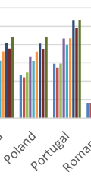
 |  | ~FI_T
TechName | * TechDesc | Comm-OUT | Region | ACT_BND | COST | FLO_DELIV
\I: Technology Name | Technology Description | Commodity Output | Region to which attribue value is assigned | Annual activity bound (upper by default) | Extraction cost
\I: Units |  |  |  | GWh/a | kEUR/GWh | kEUR/GWh | It is possible to provide negative costs. Without a bound on the commodity production this can lead to unstable or even infeasible model | 8 |  |  |  | COST + DELIV
IMP_N_GAS | Supply Natural Gas | N_GAS |  |  |  |  |  | 140.16 | GWh |  |  | EUR/GWh | EUR/MWh | EUR/kWh
 |  |  | REG_B | 5.6064 | 44.9 |  |  |  |  | 1.9 | 43 | 44.9 | 0.0449 | 0.0000449
 |  |  | REG_D | 0.1576 | 44.9 |  |  | 5606.4 | MWh | 1.9 | 43
\I: |  |  |  |  |  |  |  | 5.6064 | GWh
IMP_OIL | Supply Fuel Oil | OIL |  |  |  |  | Ref for Cost
 |  |  | REG_B | 2048.088 | 59.78 |  | https://heatroadmap.eu/wp-content/uploads/2020/01/HRE4_D6.1-Future-fuel-price-review.pdf
 |  |  | REG_D | 630.3696 | 59.78 |  | https://energy.ec.europa.eu/system/files/2020-06/pt_final_necp_main_en_0.pdf |  |  | 2.76 | 57.02
\I: |  |  |  |  |  |  |  |  |  | 2.76 | 57.02
IMP_DIESEL | Supply of Diesel | DIESEL
 |  |  | REG_B | 0.01752 | 2.76 |  | Not sure about that
 |  |  | REG_D | 0.007008 | 2.76
\I:
IMP_W_INC | Supply Waste | W_INC
 |  |  | REG_C | 140.16 | 0.81 |  | Did you check this?
\I:
MIN_SUN | Supply Solar | SUN |  |  | 0.000001
MIN_WND | Supply Wind | WND |  |  | 0.000001
MIN_HYD | Supply Water | HYD |  |  | 0.000001

