INS
~TFM_INS
Attribute | PSet_PN | LimType | AllRegions |  | cold start or hot start
\I: Attribute | Process Name | UP - up, LO - down | %/h |  | % change of installed capacity per hour
\I: Ramping down - decreasing capacity between two timeslices |  |  |  |  | https://iea-etsap.org/forum/archive/index.php?thread-96.html
ACT_DNS | PP_N_GAS | LO | 30%
ACT_DNS | PP_OIL | LO | 25%
ACT_DNS | PP_DIESEL | LO | 40%
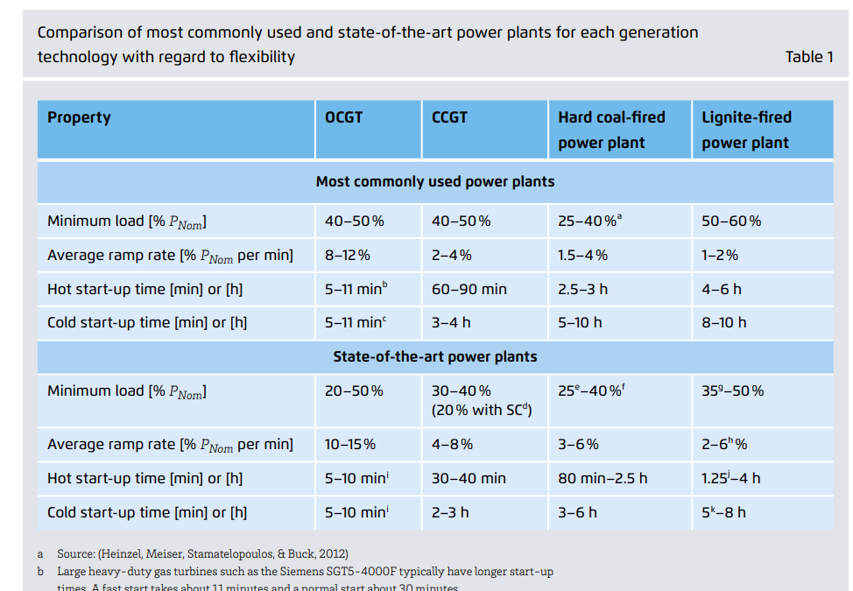
ACT_DNS | PP_W_INC | LO | 10%
\I: Ramping up - increasing capacity between two timeslices
ACT_UPS | PP_N_GAS | UP | 25%
ACT_UPS | PP_OIL | UP | 20%
ACT_UPS | PP_DIESEL | UP | 30%
ACT_UPS | PP_W_INC | UP | 10%

Plant Type | Ramp-Up Rate | Ramp-Down Rate | Notes | Reference
Natural Gas | ~25%/h | 30–40%/h | Ramp-down usually faster — you can idle or shut down quickly. | https://www.sciencedirect.com/science/article/pii/S277267112100022X
Fuel Oil | ~20%/h | 25%/h | Steam boilers cool faster than they heat up. | https://www.agora-energiewende.de/fileadmin/Projekte/2017/Flexibility_in_thermal_plants/115_flexibility-report-WEB.pdf
Diesel | ~30–40%/h | 40–50%/h | Diesels can stop quickly; very responsive in both directions.
Waste-to-Energy | ~10%/h | 10%/h or slower | Rigid ramping both ways due to incineration controls.

