Sheet1
input | weight | sum | weidght hidenlayer | out_xorgate | w_beh_xor | sum | weight final | out
1 | 1 | 2 | 0.5 | 1
 | 1 |  |  |  | 1
 |  |  |  |  |  | 4 | 1.5 | 6
 | -1 |  |  |  | 1
1 | -1 | -2 | -1.5 | 3

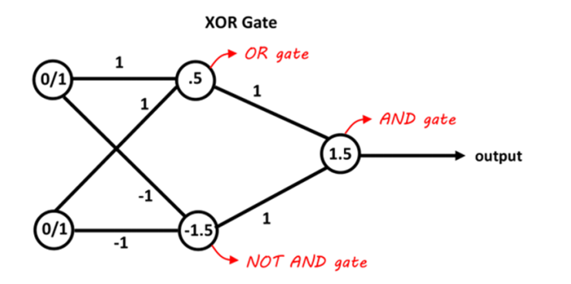

 |  |  |  |  |  |  |  | 0
 |  |  |  |  |  |  |  | 3
 |  |  |  |  |  |  |  | 3
 |  |  |  |  |  |  |  | 6

