Summary
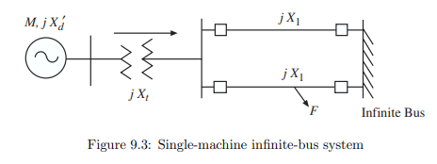
uid | field | comment | comment2 | comment3 | comment4
 | Credit | This case is created by Xiaoge Huang based on the book "Power System Dynamics and Stability" by Sauer, Pai and Chow
 | Edits | Ths case is modified by Hantao Cui to use a base of 100 MVA to produce the same per-unit result as in the book
 | How | Essentially, the power base of all devices are converted to 100 MVA.
 | link | https://courses.physics.illinois.edu/ece576/sp2018/Sauer%20and%20Pai%20book%20-%20Jan%202007.pdf

