Sheet1
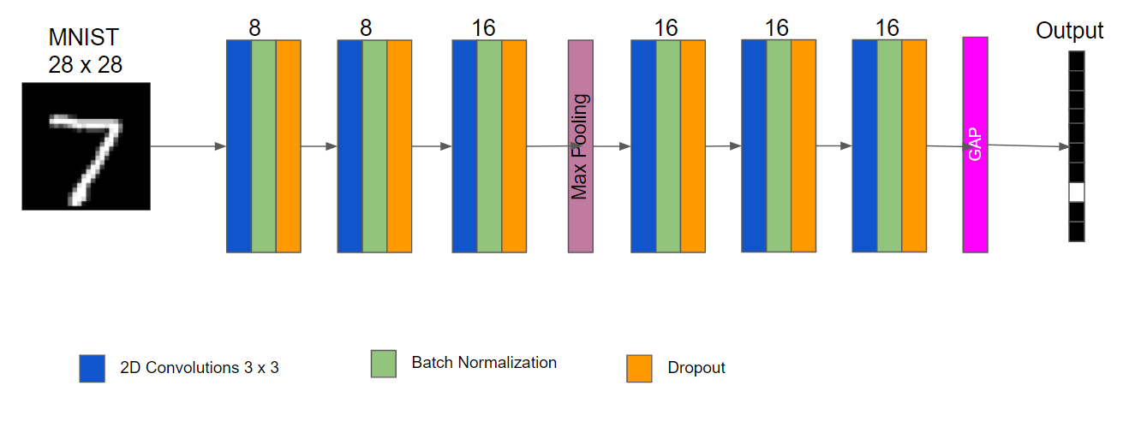
 |  |  |  |  | if same output size as input set padding = 1(pytorch), border_mode = 'same'(keras)
 | Dataset |  | MNIST |  | N-in | N-out | k | s
 | Input Image Dimension |  | 28 |  | 28 | 28 | 3 | 1
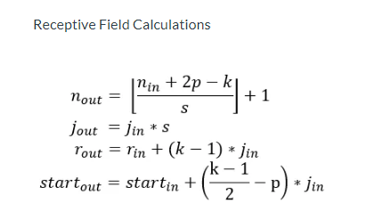

Architecture | K – kernal | P – padding | S – Stride | N-in | N-out | R-in | R-out | J-in
Conv2D | 3 | 0 | 1 | 28 | 26 | 1 | 3 | 1
Conv2D | 3 | 0 | 1 | 26 | 24 | 3 | 5 | 1
Conv2D | 3 | 0 | 1 | 24 | 22 | 5 | 7 | 1
MaxP2D | 2 | 0 | 2 | 22 | 11 | 7 | 8 | 1
Conv2D | 3 | 0 | 1 | 11 | 9 | 8 | 12 | 2
Conv2D | 3 | 0 | 1 | 9 | 7 | 12 | 16 | 2
Conv2D | 3 | 0 | 1 | 7 | 5 | 16 | 20 | 2

