raw
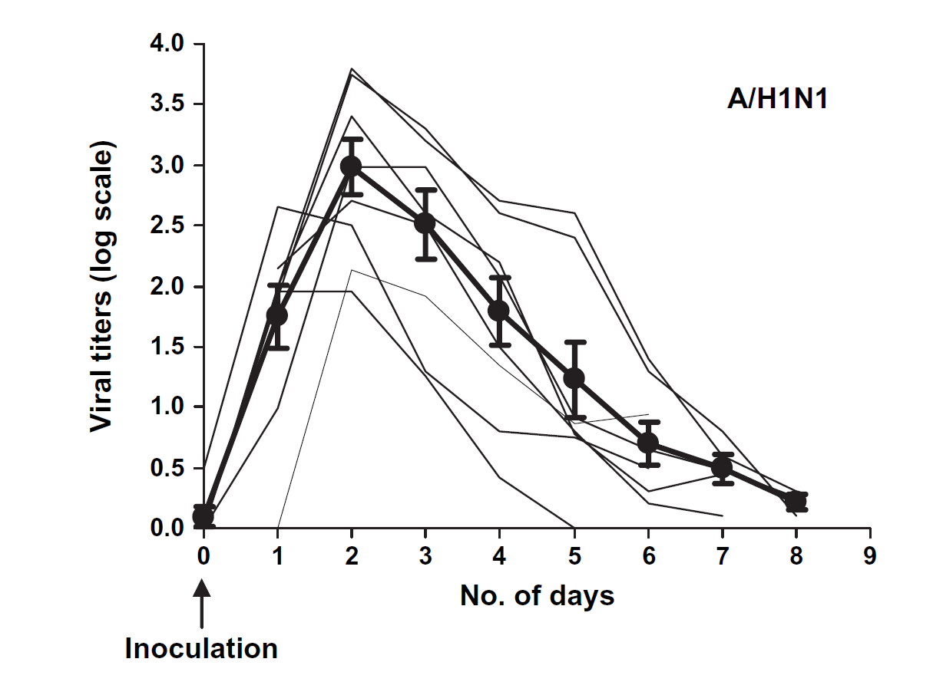
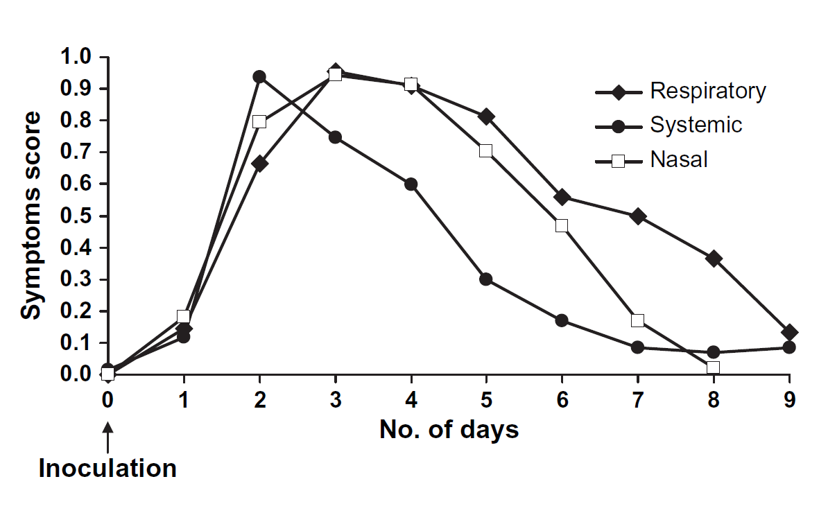

peak shedding occurs in day 2 | peak systemic occurs on day 2

