Portfolio
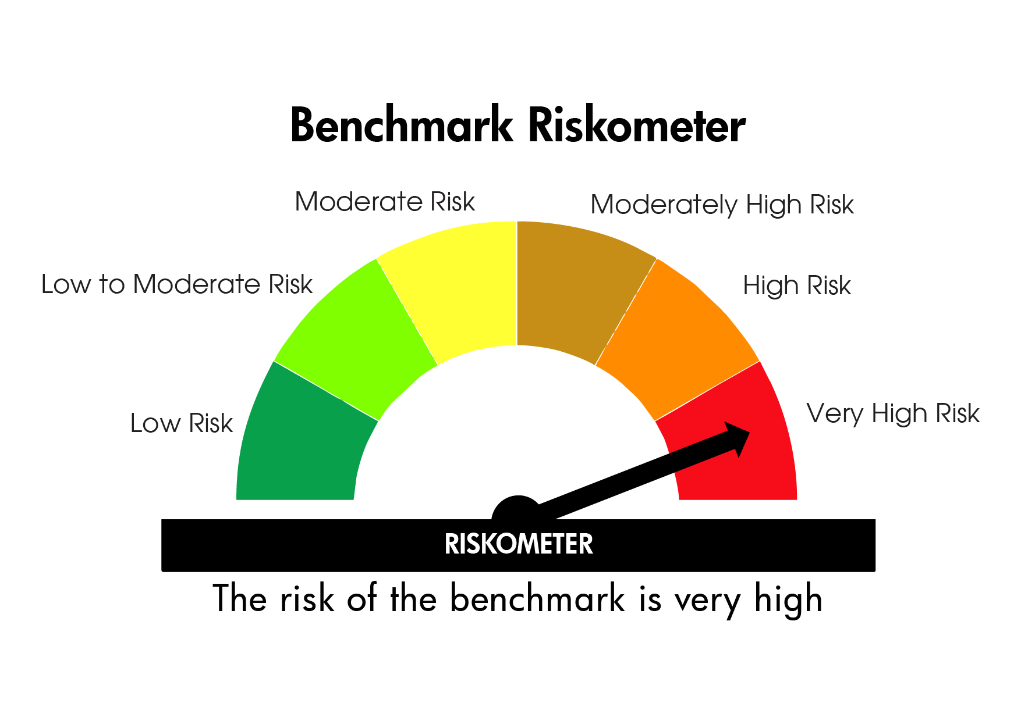
UTI MUTUAL FUND
UTI Nifty 50 Index Fund
PROVISIONAL AND UNAUDITED PORTFOLIO DISCLOSURE AS OF 31/12/2024 (Market value in Lacs)

NAME OF THE INSTRUMENT | RATING/INDUSTRY | QUANTITY | MARKET-VALUE | % TO NAV |  | ISIN | Yield to call (AT1 and ATII Bonds) | Yield
EQUITY AND EQUITY RELATED
(a) Listed/awaiting listing on Stock Exchanges
EQ - HDFC BANK LIMITED | Banks | 14335907 | 254154.13 | 12.7 |  | INE040A01034
EQ - ICICI BANK LTD | Banks | 13302227 | 170487.99 | 8.52 |  | INE090A01021
EQ - RELIANCE INDUSTRIES LTD. | Petroleum Products | 12797935 | 155552.5 | 7.77 |  | INE002A01018
EQ - INFOSYS LTD. | IT - Software | 6790860 | 127668.17 | 6.38 |  | INE009A01021
EQ - ITC LTD. | Diversified FMCG | 17527805 | 84773.23 | 4.24 |  | INE154A01025
EQ - BHARTI AIRTEL LTD. | Telecom - Services | 5056235 | 80280.37 | 4.01 |  | INE397D01024
EQ - LARSEN & TOUBRO LTD. | Construction | 2219350 | 80066.38 | 4 |  | INE018A01030
EQ - TATA CONSULTANCY SERVICES LTD. | IT - Software | 1926645 | 78892.26 | 3.94 |  | INE467B01029
EQ - STATE BANK OF INDIA | Banks | 7255035 | 57673.9 | 2.88 |  | INE062A01020
EQ - AXIS BANK LTD. | Banks | 5376402 | 57242.55 | 2.86 |  | INE238A01034
EQ - MAHINDRA & MAHINDRA LTD. | Automobiles | 1669076 | 50190.78 | 2.51 |  | INE101A01026
EQ - KOTAK MAHINDRA BANK LTD. | Banks | 2768283 | 49442.92 | 2.47 |  | INE237A01028
EQ - HINDUSTAN UNILEVER LTD | Diversified FMCG | 1673621 | 38942.65 | 1.95 |  | INE030A01027
EQ - SUN PHARMACEUTICALS INDUSTRIES | Pharmaceuticals & Biotechnology | 2034990 | 38387.03 | 1.92 |  | INE044A01036
EQ - HCL TECHNOLOGIES LTD. | IT - Software | 1995682 | 38265.21 | 1.91 |  | INE860A01027
EQ - BAJAJ FINANCE LTD. | Finance | 527670 | 36002.92 | 1.8 |  | INE296A01024
EQ - TRENT LIMITED | Retailing | 418623 | 29819.98 | 1.49 |  | INE849A01020
EQ - NTPC LTD. | Power | 8926719 | 29757.22 | 1.49 |  | INE733E01010
EQ - TATA MOTORS LTD. | Automobiles | 3951779 | 29249.09 | 1.46 |  | INE155A01022
EQ - MARUTI SUZUKI INDIA LTD. | Automobiles | 248082 | 26937.74 | 1.35 |  | INE585B01010
EQ - POWER GRID CORPORATION OF INDI | Power | 8539808 | 26362.39 | 1.32 |  | INE752E01010
EQ - TITAN COMPANY LTD. | Consumer Durables | 779984 | 25374.05 | 1.27 |  | INE280A01028
EQ - ULTRATECH CEMENT LTD. | Cement & Cement Products | 215007 | 24567.45 | 1.23 |  | INE481G01011
EQ - TATA STEEL LTD. | Ferrous Metals | 15621374 | 21565.31 | 1.08 |  | INE081A01020
EQ - TECH MAHINDRA LTD. | IT - Software | 1196736 | 20418.71 | 1.02 |  | INE669C01036
EQ - BHARAT ELECTRONICS LTD. | Aerospace & Defense | 6742343 | 19765.18 | 0.99 |  | INE263A01024
EQ - ASIAN PAINTS (INDIA) LTD. | Consumer Durables | 852641 | 19451.73 | 0.97 |  | INE021A01026
EQ - BAJAJ AUTO LTD. | Automobiles | 209206 | 18407.2 | 0.92 |  | INE917I01010
EQ - OIL & NATURAL GAS CORPORATION | Oil | 7312397 | 17494.91 | 0.87 |  | INE213A01029
EQ - GRASIM INDUSTRIES LTD. | Cement & Cement Products | 700517 | 17111.53 | 0.86 |  | INE047A01021
EQ - ADANI PORTS AND SPECIAL ECONO | Transport Infrastructure | 1389534 | 17106.55 | 0.85 |  | INE742F01042
EQ - HINDALCO INDUSTRIES LTD. | Non - Ferrous Metals | 2740499 | 16510.14 | 0.83 |  | INE038A01020
EQ - COAL INDIA LTD. | Consumable Fuels | 4275945 | 16426.04 | 0.82 |  | INE522F01014
EQ - JSW STEEL LTD. | Ferrous Metals | 1809163 | 16309.6 | 0.82 |  | INE019A01038
EQ - BAJAJ FINSERV LTD. | Finance | 1031040 | 16167.74 | 0.81 |  | INE918I01026
EQ - WIPRO LIMITED | IT - Software | 5338267 | 16113.56 | 0.81 |  | INE075A01022
EQ - DR REDDYS LABORATORIES LTD. | Pharmaceuticals & Biotechnology | 1149805 | 15965.04 | 0.8 |  | INE089A01031
EQ - CIPLA LTD. | Pharmaceuticals & Biotechnology | 1036286 | 15844.81 | 0.79 |  | INE059A01026
EQ - SHRIRAM FINANCE LTD | Finance | 526970 | 15224.95 | 0.76 |  | INE721A01013
EQ - NESTLE INDIA LTD. | Food Products | 675171 | 14651.55 | 0.73 |  | INE239A01024
EQ - APOLLO HOSPITALS ENTERPRISE LT | Healthcare Services | 190856 | 13925.52 | 0.7 |  | INE437A01024
EQ - EICHER MOTORS LTD | Automobiles | 259397 | 12507.86 | 0.63 |  | INE066A01021
EQ - HDFC LIFE INSURANCE COMPANY LI | Insurance | 2015040 | 12433.8 | 0.62 |  | INE795G01014
EQ - INDUSIND BANK | Banks | 1245193 | 11955.72 | 0.6 |  | INE095A01012
EQ - ADANI ENTERPRISES LTD. | Metals & Minerals Trading | 469366 | 11868.62 | 0.59 |  | INE423A01024
EQ - SBI LIFE INSURANCE COMPANY LTD | Insurance | 843642 | 11730 | 0.59 |  | INE123W01016
EQ - TATA CONSUMER PRODUCTS LTD | Agricultural Food & other Products | 1226265 | 11216.65 | 0.56 |  | INE192A01025
EQ - BHARAT PETROLEUM CORPN LTD. | Petroleum Products | 3648794 | 10670.9 | 0.53 |  | INE029A01011
EQ - BRITANNIA INDUSTRIES LTD. | Food Products | 222175 | 10581.64 | 0.53 |  | INE216A01030
EQ - HERO MOTOCORP LTD. | Automobiles | 244384 | 10167.84 | 0.51 |  | INE158A01026
TOTAL:(a) Listed/awaiting listing on Stock Exchanges |  |  | 2001684.01
TOTAL: EQUITY AND EQUITY RELATED |  |  | 2001684.01
SHORT TERM DEPOSITS -
CLEARING CORPORATION OF INDIA LTD. STD - MARGIN |  | 0 | 20 | * | ** |  |  | 0
TOTAL: |  |  | 20
TOTAL: SHORT TERM DEPOSITS - |  |  | 20

Others

NET CURRENT ASSETS |  |  | -675.56 | *
TOTAL : |  |  | -675.56
TOTAL : Others |  |  | -675.56
TOTAL : UTI Nifty 50 Index Fund |  |  | 2001028.45

* Percentage to NAV less than 0.01
$ Exposure to below Investment Grade/Default
** Non traded securities

(a)Details of Default beyond Maturity Date (Fig. in Lakhs) :NIL

a1) Exposure to Credit Default Swap/Repo in Corporate Bond (Fig in lakhs):NIL

(b)Total value of nontraded Equity shares: 0 lacs i.e.0% to NAV

(c)NAV at beginning of half year: 2043209.1 lacs NAV at end:2001028.45 lacs
Gross Distributable Amount / Dividend% : For details refer to Dividend Table
Bonus Ratio:

(e)Total investments in foreign securities/Overseas ETFs/ADRs/GDRs: NIL

(f)Average Portfolio turnover (%):6.56

Scheme Riskometer
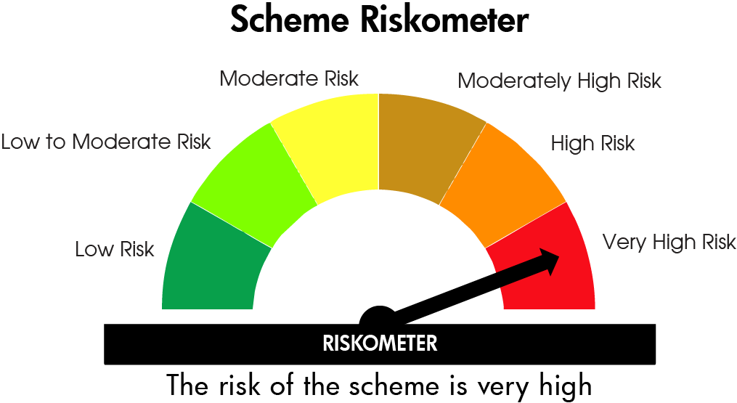

Nifty 50 TRI

