Navigation
SmartPLS report
Please cite the use of SmartPLS: Ringle, C. M., Wende, S., and Becker, J.-M. 2024. "SmartPLS 4." Bönningstedt: SmartPLS, https://www.smartpls.com.
 | complete
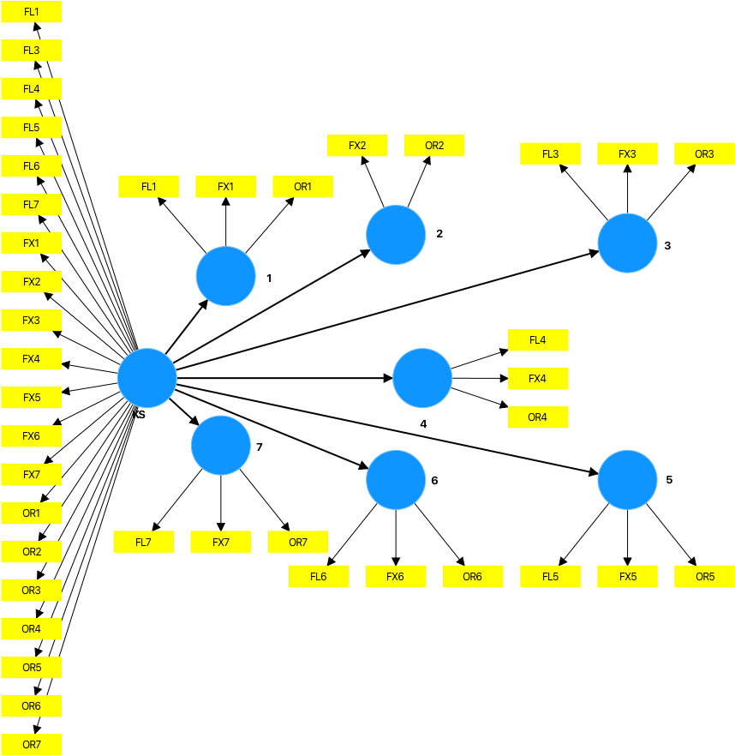
Final results
Construct cross-validated redundancy
Construct cross-validated communality
Indicator cross-validated redundancy
Indicator cross-validated communality

Algorithm
Setting
Execution log

Model and data
Inner model
Outer model
Indicator data (original)
Indicator data (standardized)

