3A
HERITAGE INSTITUTE OF TECHNOLOGY
DEPARTMENT OF COMPUTER SCIENCE AND ENGINEERING
B.Tech 3rd Year 6th Semester SecA |  |  |  |  |  |  |  |  | Session 2019-2020
Day |  | 9:00-9:55 | 9:55-10:50 | 10:50-11:45 | 11:45 - 12:25 | 12:25:13:20 | 13:20-14:15 | 14:15-15:10 | 15:10-16:05 | 16:05-17:00 | 17:00-17:55
Mon | Gr-1 | LAB/CSEN3213/B07/AC(GD+SA) |  |  | B | L/HMTS3221/ CB514/KGT | L/CSEN3281/ICT312/SJS L/CSEN3282/CB419/LMD |  | SEMINER/CSEN3297/CB613/RRC+LMD
 | Gr-2 | LAB/CSEN3212/B10/ACA(AS)

Tue | Gr-1 | LAB/CSEN3211/B09/AK(KK+SHS) |  |  | R | T1/ELEC3001/ CB417/SKK | L/ELEC3001/ CB417/SKK | L/CSEN3201/ ICT305/AK | L/CSEN3201/ ICT305/AK | Interative Session with Lateral Entry Students/BB/ CB417
 | Gr-2 | LAB/CSEN3213/B11/AC(SA+GD) |  |  |  | T2/ELEC3001/ ICT307/ED

Wed | Gr-1 | L/ELEC3001/ CB417/ED | L/CSEN3202/ CB417/ACA | L/CSEN3281/ ICT312/SM L/CSEN3282/ CB419/LMD | E | LAB/CSEN3286/B03/SJS(DS+KK) |  |  | L/HMTS3201/ ICT311/NF1 | L/HMTS3201/ ICT311/NF1 | Remedial /ICT311
 | Gr-2 |  |  |  |  | LAB/CSEN3287/B11/LMD(AR+DLC)

Thu | Gr-1 | LAB/CSEN3212/B10/ACA(SDM) |  |  | A | L/CSEN3202/ ICT312/ACA | L/CSEN3201/ ICT312/AK | LAB/CSEN3287/B01/LMD(ABS+DLC)
 | Gr-2 | LAB/CSEN3211/B09/AK(ABS+KK)

Fri | Gr-1 | LAB/CSEN3287/B01/LMD(ABS+DLC) |  |  | K | L/CSEN3202/ ICT311/ACA | T1/CSEN3202/ ICT311/ACA | L/ELEC3001/ ICT311/NC | T1/CSEN3201/ ICT311/AK |  | Mentoring
 | Gr-2 | LAB/CSEN3286/B10/SJS(DS+KK) |  |  |  |  |  |  | T2/CSEN3202/ ICT307/ACA | T2/CSEN3201/ CB613/AK
To be Effective from 14th January, 2020
A minimum of 75% attendance is mandatory for being eligible to sit for the Semester Examination. Students should target 100% attendance.

________________________ |  |  |  | _________________________________ |  |  |  |  | _________________________________
 | MEMBER |  |  |  | HOD |  |  |  |  | PRINCIPAL

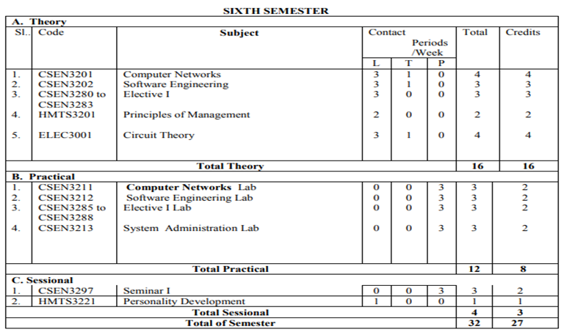

 | Details of The Faculty Members |  |  |  |  |  | Details of The Technical Assistants
 | Initials | Name |  |  | Department |  | Initials | Name |  | Department
 | NF | NEW FACULTY |  |  | HUMANITIES |  | KK | Mr. KUNTAL KESH |  | CSE
 | KGT | DR. KASTURI GUHA THACURTA |  |  |  |  | AR | Mr. ANKUR ROY
 |  |  |  |  |  |  | PD | Mr. PALASH DUTTA
 | SM | PROF.(DR.) SUBHASHIS MAJUMDER |  |  | CSE |  | SHS | Mrs. SANCHAYITA SARKAR
 | ACA | PROF. AMITABHA ACHARYA |  |  |  |  | DLC | Ms. DEBLINA CHODHURY
 | AK | PROF. ANINDITA KUNDU |  |  |  |  | SA | Mr. SURAJIT ACHARYA
 | SJS | PROF. SUJAY SAHA |  |  |  |  | DS | Mr. DEBASISH SARKAR
 | AC | PROF. ARINDAM CHATTERJEE |  |  |  |  | ABS | Mr. ABHIJIT SINHA
 | RRC | PROF. RESHMA ROYCHOUDHURI |  |  |  |  | SC | Mr. SUDIPTA CHAKRABARTY
 | LMD | PROF. LOPAMUDRA DEY |  |  |  |  | SM | Mr. SAJAL MITRA
 |  |  |  |  |  |  | GD | Mr. GOUTAM DAS
 | ED | PROF. EMILY DATTA |  |  | EE
 | NC | PROF. NABANITA CHATTERJEE
 | SKK | PROF. SANJIB KUMAR KUNDU

