Flow Chart_Format
Power On |  |  |  |  |  |  | Power Save ON |  |  |  |  | Power Save OFF |  |  |  |  | Power Off
Category | Seq# | R/W | ADDR | DATA | DATA |  | Category | Seq# | R/W | ADDR | DATA | Category | Seq# | R/W | ADDR | DATA | Category | Seq# | R/W | ADDR | DATA
initializeing | Power on 1.8v |  |  |  |  |  | Power save on (display off) | 1 | W | 0x00 | 0x0E |  | Power on 10v |  |  |  | Power save on (display off) | 1 | W | 0x00 | 0x0E
 | Wait >1msec |  |  |  |  |  |  | Wait >2～3XVD≒50msec |  |  |  | Power save off (display on) | 1 | W | 0x00 | 0x0F |  | Wait 2～3XVD≒50msec
 | MCLK, Timings and singnals input |  |  |  |  |  |  | Power off 10v |  |  |  |  |  |  |  |  |  | Power off 10v |  |  |  | ※arbitrary
 | Power on 10v |  |  |  |  | ※arbitrary |  |  |  |  |  |  |  |  |  |  |  | Power off 1.8v
 | Wait >2～3XVD≒50msec
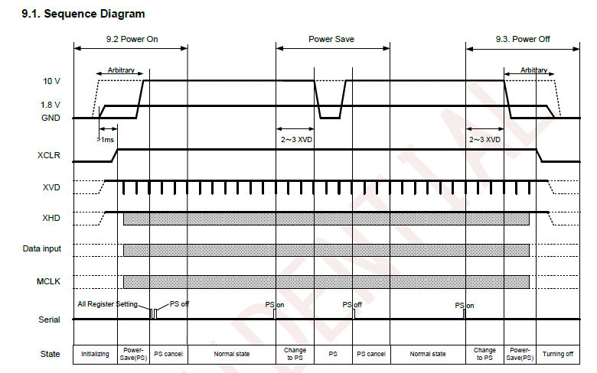
(Register set) | 1 | W | +0x000 | 0E | 0x0E
 | 2 | W | +0x001 | 00 | 0x00
 | 3 | W | +0x002 | 00 | 0x00
 | 4 | W | +0x003 | 00 | 0x00
 | 5 | W | +0x004 | 3F | 0x3F
 | 6 | W | +0x005 | C0 | 0xC0
 | 7 | W | +0x006 | 00 | 0x00
 | 8 | W | +0x007 | 40 | 0x40
 | 9 | W | +0x008 | 80 | 0x80
 | 10 | W | +0x009 | 00 | 0x00
 | 11 | W | +0x00A | 10 | 0x10
 | 12 | W | +0x00B | 00 | 0x00
 | 13 | W | +0x00C | 00 | 0x00
 | 14 | W | +0x00D | 00 | 0x00
 | 15 | W | +0x00E | 00 | 0x00
 | 16 | W | +0x00F | 56 | 0x56
 | 17 | W | +0x010 | 00 | 0x00
 | 18 | W | +0x011 | 00 | 0x00
 | 19 | W | +0x012 | 00 | 0x00
 | 20 | W | +0x013 | 00 | 0x00
 | 21 | W | +0x014 | 00 | 0x00
 | 22 | W | +0x015 | 00 | 0x00
 | 23 | W | +0x016 | 00 | 0x00
 | 24 | W | +0x017 | 00 | 0x00
 | 25 | W | +0x018 | 00 | 0x00
 | 26 | W | +0x019 | 00 | 0x00
 | 27 | W | +0x01A | 00 | 0x00
 | 28 | W | +0x01B | 00 | 0x00
 | 29 | W | +0x01C | 00 | 0x00
 | 30 | W | +0x01D | 00 | 0x00
 | 31 | W | +0x01E | 00 | 0x00
 | 32 | W | +0x01F | 00 | 0x00
 | 33 | W | +0x020 | 01 | 0x01
 | 34 | W | +0x021 | 00 | 0x00
 | 35 | W | +0x022 | 40 | 0x40
 | 36 | W | +0x023 | 40 | 0x40
 | 37 | W | +0x024 | 40 | 0x40
 | 38 | W | +0x025 | 80 | 0x80
 | 39 | W | +0x026 | 40 | 0x40
 | 40 | W | +0x027 | 40 | 0x40
 | 41 | W | +0x028 | 40 | 0x40
 | 42 | W | +0x029 | 0B | 0x0B
 | 43 | W | +0x02A | BE | 0xBE
 | 44 | W | +0x02B | 3C | 0x3C
 | 45 | W | +0x02C | 02 | 0x02
 | 46 | W | +0x02D | 7A | 0x7A
 | 47 | W | +0x02E | 02 | 0x02
 | 48 | W | +0x02F | FA | 0xFA
 | 49 | W | +0x030 | 26 | 0x26
 | 50 | W | +0x031 | 01 | 0x01
 | 51 | W | +0x032 | B6 | 0xB6
 | 52 | W | +0x033 | 00 | 0x00
 | 53 | W | +0x034 | 03 | 0x03
 | 54 | W | +0x035 | 5A | 0x5A
 | 55 | W | +0x036 | 00 | 0x00
 | 56 | W | +0x037 | 76 | 0x76
 | 57 | W | +0x038 | 02 | 0x02
 | 58 | W | +0x039 | FE | 0xFE
 | 59 | W | +0x03A | 02 | 0x02
 | 60 | W | +0x03B | 0D | 0x0D
 | 61 | W | +0x03C | 00 | 0x00
 | 62 | W | +0x03D | 1B | 0x1B
 | 63 | W | +0x03E | 00 | 0x00
 | 64 | W | +0x03F | 1C | 0x1C
 | 65 | W | +0x040 | 01 | 0x01
 | 66 | W | +0x041 | F3 | 0xF3
 | 67 | W | +0x042 | 01 | 0x01
 | 68 | W | +0x043 | F4 | 0xF4
 | 69 | W | +0x044 | 80 | 0x80
 | 70 | W | +0x045 | 00 | 0x00
 | 71 | W | +0x046 | 00 | 0x00
 | 72 | W | +0x047 | 41 | 0x41
 | 73 | W | +0x048 | 08 | 0x08
 | 74 | W | +0x049 | 02 | 0x02
 | 75 | W | +0x04A | FC | 0xFC
 | 76 | W | +0x04B | 08 | 0x08
 | 77 | W | +0x04C | 16 | 0x16
 | 78 | W | +0x04D | 08 | 0x08
 | 79 | W | +0x04E | 00 | 0x00
 | 80 | W | +0x04F | 4E | 0x4E
 | 81 | W | +0x050 | 02 | 0x02
 | 82 | W | +0x051 | C2 | 0xC2
 | 83 | W | +0x052 | 01 | 0x01
 | 84 | W | +0x053 | 2D | 0x2D
 | 85 | W | +0x054 | 01 | 0x01
 | 86 | W | +0x055 | 2B | 0x2B
 | 87 | W | +0x056 | 00 | 0x00
 | 88 | W | +0x057 | 2B | 0x2B
 | 89 | W | +0x058 | 23 | 0x23
 | 90 | W | +0x059 | 02 | 0x02
 | 91 | W | +0x05A | 25 | 0x25
 | 92 | W | +0x05B | 02 | 0x02
 | 93 | W | +0x05C | 25 | 0x25
 | 94 | W | +0x05D | 02 | 0x02
 | 95 | W | +0x05E | 1D | 0x1D
 | 96 | W | +0x05F | 00 | 0x00
 | 97 | W | +0x060 | 23 | 0x23
 | 98 | W | +0x061 | 02 | 0x02
 | 99 | W | +0x062 | 1D | 0x1D
 | 100 | W | +0x063 | 00 | 0x00
 | 101 | W | +0x064 | 1A | 0x1A
 | 102 | W | +0x065 | 03 | 0x03
 | 103 | W | +0x066 | 0A | 0x0A
 | 104 | W | +0x067 | F0 | 0xF0
 | 105 | W | +0x068 | 00 | 0x00
 | 106 | W | +0x069 | F0 | 0xF0
 | 107 | W | +0x06A | 00 | 0x00
 | 108 | W | +0x06B | 00 | 0x00
 | 109 | W | +0x06C | 00 | 0x00
 | 110 | W | +0x06D | F0 | 0xF0
 | 111 | W | +0x06E | 00 | 0x00
 | 112 | W | +0x06F | 60 | 0x60
 | 113 | W | +0x070 | 00 | 0x00
 | 114 | W | +0x071 | 00 | 0x00
 | 115 | W | +0x072 | 00 | 0x00
 | 116 | W | +0x073 | 00 | 0x00
 | 117 | W | +0x074 | 00 | 0x00
 | 118 | W | +0x075 | 00 | 0x00
 | 119 | W | +0x076 | 00 | 0x00
 | 120 | W | +0x077 | 00 | 0x00
 | 121 | W | +0x078 | 00 | 0x00
 | 122 | W | +0x079 | 68 | 0x68
 | 123 | W | +0x07A | 00 | 0x00
 | 124 | W | +0x07B | 00 | 0x00
 | 125 | W | +0x07C | 00 | 0x00
 | 126 | W | +0x07D | 00 | 0x00
 | 127 | W | +0x07E | 00 | 0x00
 | 128 | W | +0x07F | 00 | 0x00
Power Save off (display on) | 129 | W | 0x00 | 0F | 0x0F

