Data Questions
Authors with greater number of Followers
AuthorName | TierLevelName | Minimum_Followers | Current_Followers
Clark.Gregg | Diamond | 30 and above | 39
Nikolaj.Costa | Diamond | 30 and above | 31
Kit.Harington | Platinum | 22 to 29 | 28
Chris.Evans | Platinum | 22 to 29 | 27 | Daily Trend: Articles Published vs Viewed |  |  |  | Most Viewed Articles by Category |  | Total Number of Articles by Category |  | Top 5 Viewers |  | Premium Level Contributors (10 or more Articles)
Mark.Ruffalo | Platinum | 22 to 29 | 22 | Days_of_Week | Day_of_Week | Articles_Published | Articles_Viewed | CategoryName | Articles_Viewed | CategoryName | Articles | UserName | Nbr_Of_Articles | AuthorName | Nbr_Of_Articles
Emilia.Clarke | Gold | 15 to 21 | 21 | 1 | Sunday | 19 | 284 | Business Intelligence | 720 | Datascience | 45 | Amitesh.Kumar | 34 | Chris.Evans | 14 | YTD Quarterly Trend: Articles Published
Jeremy.Renner | Gold | 15 to 21 | 21 | 2 | Monday | 0 | 134 | Datascience | 606 | Database Management | 38 | Deepthi.Kumar | 34 | Nathalie.Emmanuel | 13 | Year_Published | Quarter_Published | Nbr_Of_Articles
Maisie.Williams | Gold | 15 to 21 | 19 | 3 | Tuesday | 9 | 342 | Database Management | 312 | Business Intelligence | 31 | Anjali.Baranwal | 26 | Alfie.Allen | 10 | 2019 | Q1 | 63 | YTD Trend: Articles Published
Jerome.Flynn | Gold | 15 to 21 | 18 | 4 | Wednesday | 40 | 254 | Data Analysis | 283 | Information Security | 17 | Anshuman.Mishra | 24 | Conleth.Hill | 10 | 2019 | Q2 | 39 | Year_Published | Nbr_Of_Articles
Rory.Meccan | Gold | 15 to 21 | 16 | 5 | Thursday | 34 | 519 | Information Security | 101 | Data Analysis | 16 | Scarlett.Johnson | 19 | Liam.Cunningham | 10 | 2019 | Q3 | 16 | 2019 | 136
Nathalie.Emmanuel | Silver | 6 to 14 | 14 | 6 | Friday | 22 | 221 |  |  |  |  |  |  | Clark.Gregg | 10 | 2019 | Q4 | 18 | 2020 | 11
Lena.Headley | Silver | 6 to 14 | 13 | 7 | Saturday | 23 | 268 |  |  |  |  |  |  | Iain.Glen | 10 | 2020 | Q1 | 11
Sophie.Turner | Silver | 6 to 14 | 11
Gwen.Christie | Silver | 6 to 14 | 10
Daily Trend: Articles Published vs Viewed
Premium Level Contributors (10 or more Articles)
YTD Quarterly Trend: Articles Published
Iain.Glen | Silver | 6 to 14 | 10
Most Viewed Articles by Category
Total Number of Articles by Category
Keyurkumar.Bhat | Silver | 6 to 14 | 8 |  |  |  |  |  |  |  |  |  |  |  |  |  |  |  | YTD Monthly Trend: Articles Published
Tom.Hill | Silver | 6 to 14 | 7 |  |  |  |  |  |  |  |  |  |  |  |  |  |  |  | Year_Published | Month_Published | MonthName_Published | Nbr_Of_Articles
Aidan.Gillan | Silver | 6 to 14 | 7 |  |  |  |  |  |  |  |  |  |  |  |  |  |  |  | 2019 | 1 | January | 15
Brett.Dalton | Silver | 6 to 14 | 6 |  |  |  |  |  |  |  |  |  |  |  |  |  |  |  | 2019 | 2 | February | 15
Conleth.Hill | Silver | 6 to 14 | 6 |  |  |  |  |  |  |  |  |  |  |  |  |  |  |  | 2019 | 3 | March | 33
Isaac.Hemstad | Silver | 6 to 14 | 6 |  |  |  |  |  |  |  |  |  |  |  |  |  |  |  | 2019 | 5 | May | 5
John.Bradley | Silver | 6 to 14 | 6 |  |  |  |  |  |  |  |  |  |  |  |  |  |  |  | 2019 | 6 | June | 34
Peter.Dinklage | Bronze | 0 to 5 | 5 |  |  |  |  |  |  |  |  |  |  |  |  |  |  |  | 2019 | 7 | July | 6
Girish.Dengi | Bronze | 0 to 5 | 4 |  |  |  |  |  |  |  |  |  |  |  |  |  |  |  | 2019 | 9 | September | 10
 |  |  |  |  |  |  |  |  |  |  |  |  |  |  |  |  |  |  | 2019 | 10 | October | 14
Authors with greater number of Followers
 |  |  |  |  |  |  |  |  |  |  |  |  |  |  |  |  |  |  | 2019 | 11 | November | 4
 |  |  |  |  |  |  |  |  |  |  |  |  |  |  |  |  |  |  | 2020 | 1 | January | 10
 |  |  |  |  |  |  |  |  |  |  |  |  |  |  |  |  |  |  | 2020 | 3 | March | 1

 |  |  |  |  |  |  |  |  |  |  |  |  |  |  |  |  | QTD Name

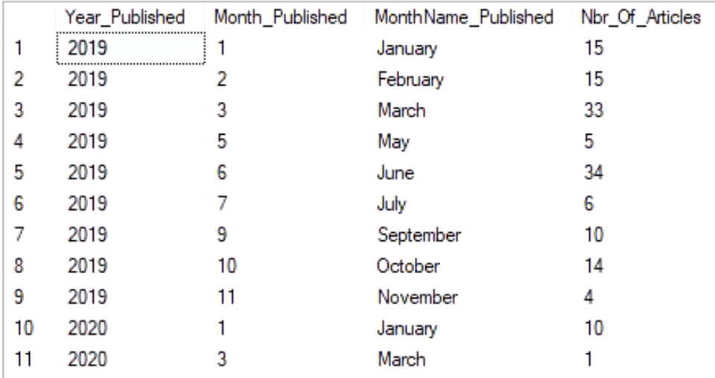

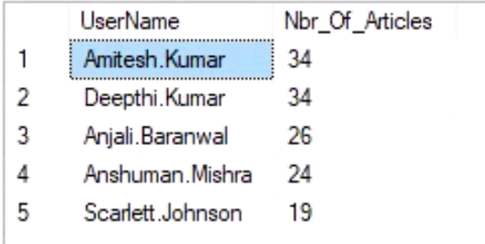

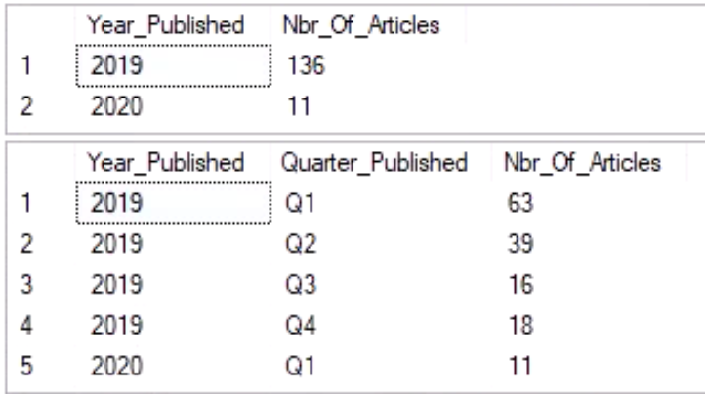
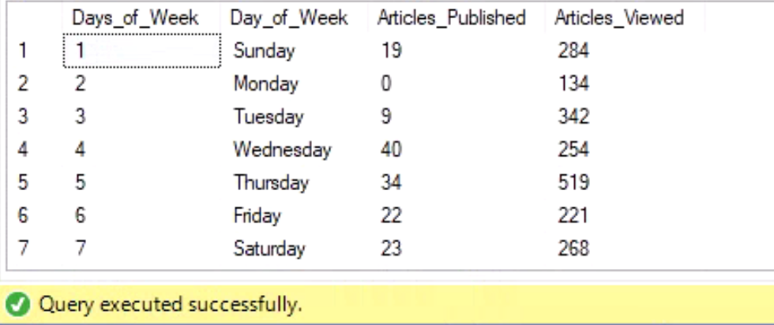
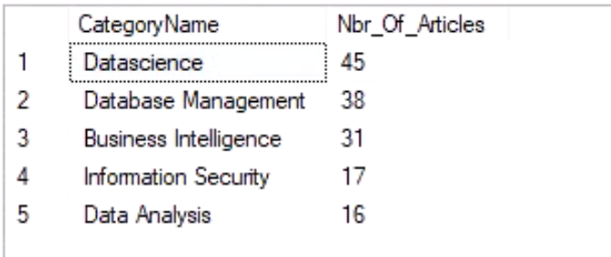
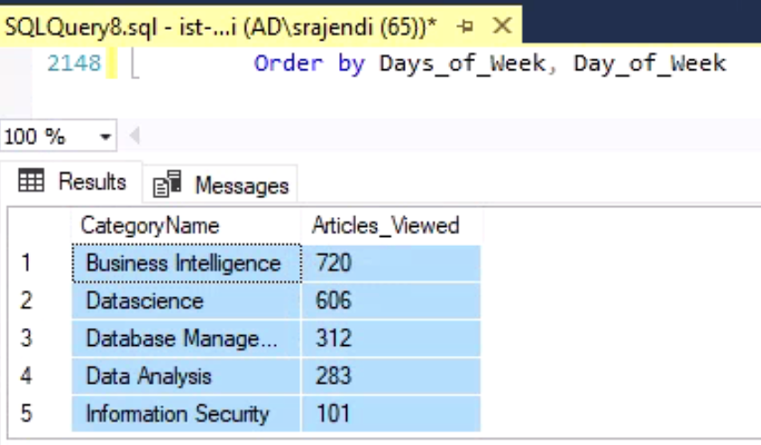

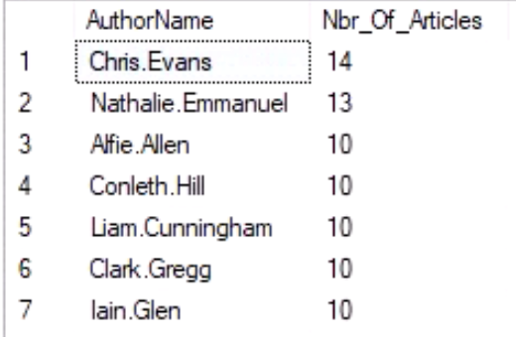

 |  |  |  | Authors

 |  |  |  | Number of Followers
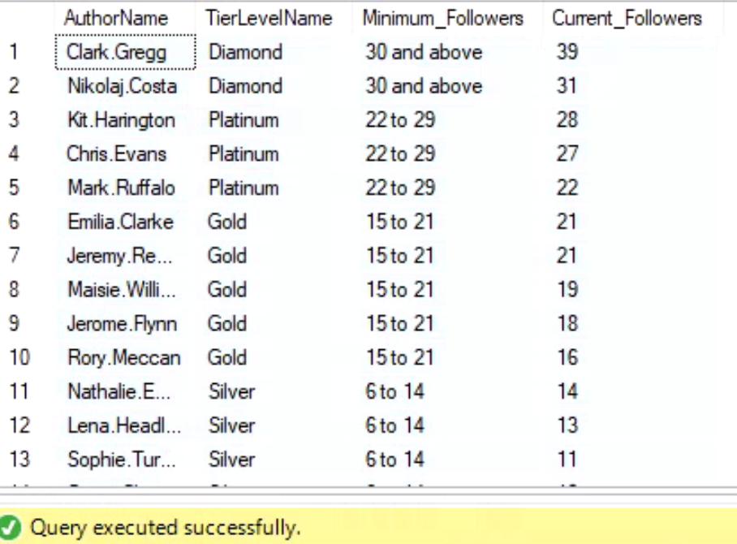

 |  |  |  | Number of Articles

 |  |  |  | Week Day

 |  |  |  | Category Name

