Sheet1
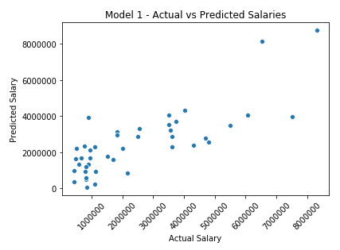
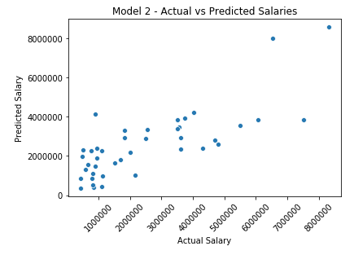
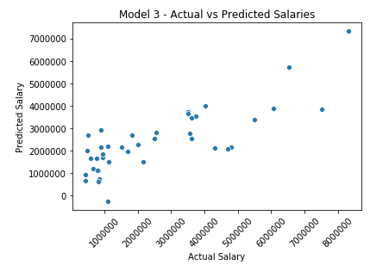
Actual Salary | 2,401,206.00

 | R-Squared | RMSE | MAE | Predicted Salary
Model 1 | 0.6269 | 1,261,402.70 | 968,217.23 | 3,432,186.18
Model 2 | 0.61 | 1,289,709.97 | 961,189.44 | 3,375,482.75
Model 3 | 0.622 | 1,269,693.70 | 941,636.87 | 3,337,402.98

