Sheet1
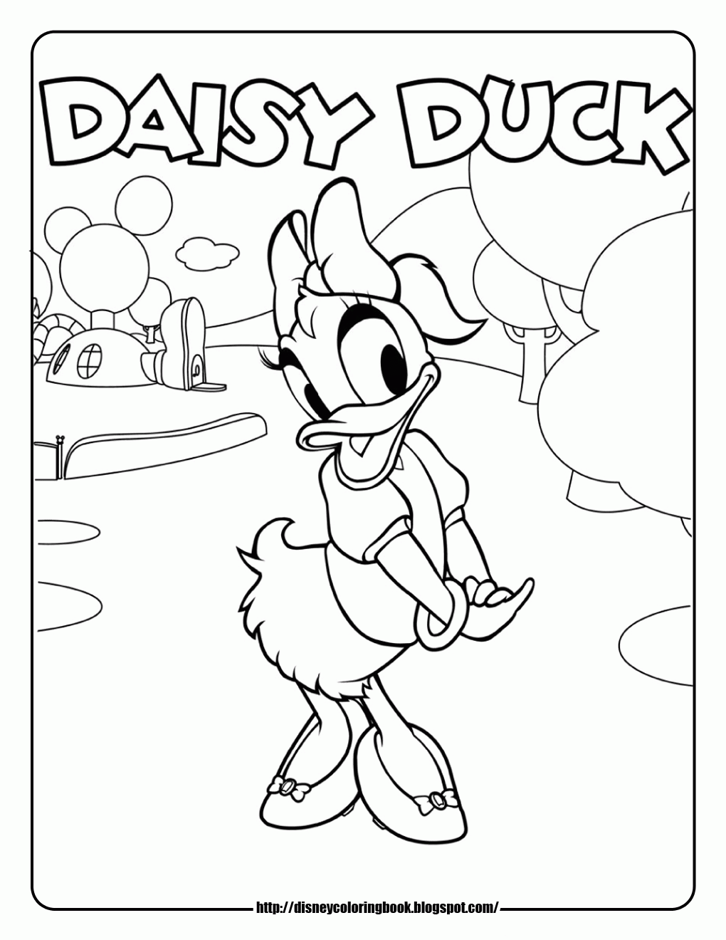
2411 |  | 1490
876 |  | 541
2 |  | 2
438 |  | 745
1056018 |  | 403045
 | 1459063

