Sheet1
BookType |  |  | Book |  |  |  | VoucherInfo
Type_ID | NAME | DESC | Book_ID | NAME | DESC | TYPE_ID | INFO_ID | VOUCHER_ID | BOOK_ID | DEBIT | CREDIT
1 | Cash |  | 1 | Apparel |  | 3 | 1 | 1 | 2 |  | 50000
2 | INCOME |  | 2 | Salary |  | 2 | 2 | 1 | 1 | 1500
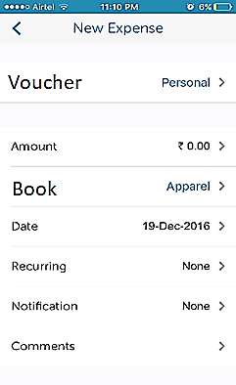
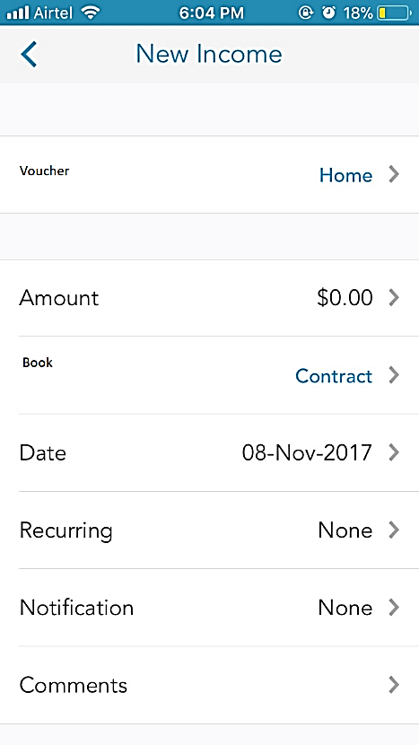
3 | EXPENSE |  | 3 | Udhayan |  | 2
4 | ASSET |  | 4 | Thiyagu |  | 3

VoucherType |  |  | VOUCHER
TYPE_ID | NAME | DESC | ID | DATE | TYPE_ID
1 | Cash |  | 1 | 2017-11-08 | 1
2 | Account 1
3 | Account 2

