Sheet4
master local | deploy client | 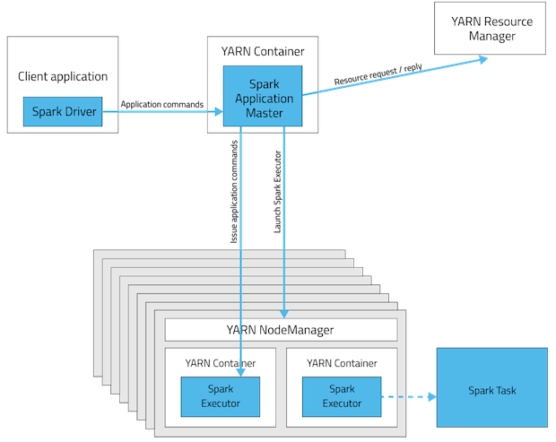 1) app mstr and resource(edge node deploy) 2) application is dependent on the Local machine since the Driver resides in here. 3) good for debugging or testing since we can throw the outputs on the driver terminal which is a Local machine.
master yarn | deploy client | 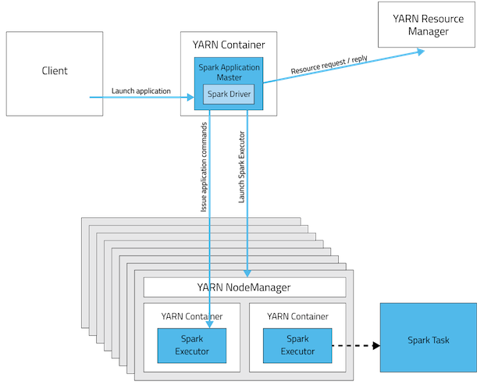 1) since deployed to client it used app driver mem 2) the driver runs in the client process, and the application master is only used for requesting resources from YARN 3) the driver is launched directly within the spark-submit process which acts as a client to the cluster. 4) In client mode, you can call sc.collect() to gather all the data back from all executors, and then write/save the returned data to a local Linux file on local disk 5) The executors are allocated dynamically by your resource manager (yarn or mesos) on any nodes that have the resources that you requested | 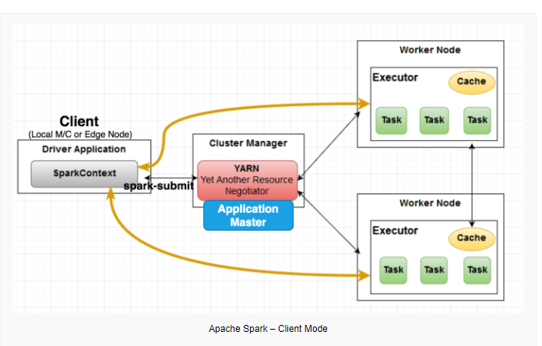
master yarn | deploy cluster | 1) the driver program will run on the node where application master is running spark application master will get started in any of the worker machines(Executors) 2) which is managed by YARN on the cluster and the client can go away after initiating the application

 |  |  | Client Mode: 1) In Client Mode a Driver component of spark job will run on the machine from which a job is submitted. For example, your local machine 2) In a client mode, the Spark master plays the role of Cluster manager. Spark master negotiates the resources with slave (aka worker) nodes and tracks their status & monitor the progress. It also makes the resources available to spark driver

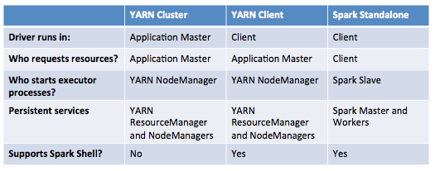 |  |  | Cluster Mode: 1) The job will be submitted from a local machine or an edge node, but the Driver will be running in the cluster. spark-shell should be used for interactive queries as it needs to be run in yarn-client mode so that the machine you’re running on acts as the driver. For spark-submit, you submit jobs to the cluster then the task runs in the cluster

 |  |  | Driver Program or Driver: is responsible for managing the job flow and scheduling tasks that will run on the executors A Spark Driver is a process where the main method runs. The Spark driver is the process which the clients used to submit the spark program. First it converts the user program into smaller execution units called tasks and after that it schedules the tasks on the executors

spark-submit
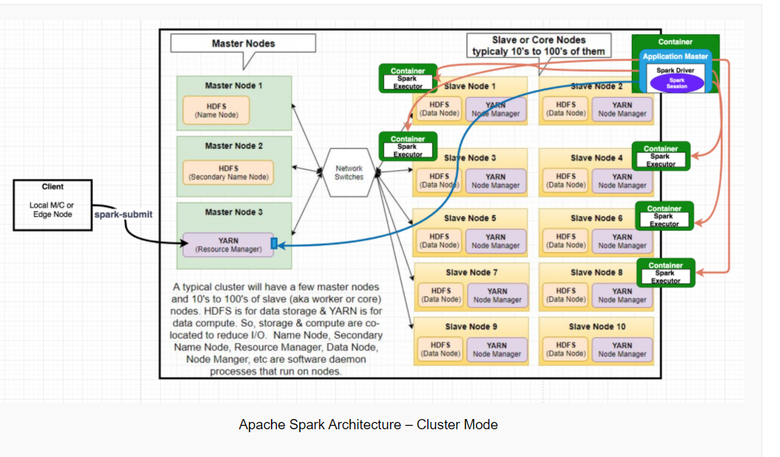
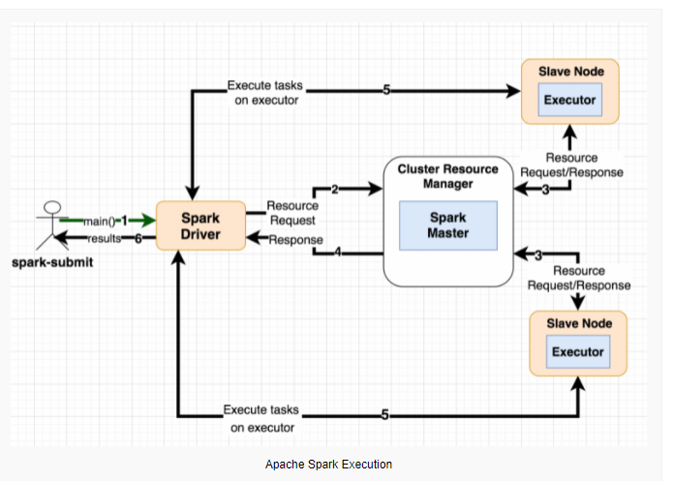
1) when spark submit fires, it will choose node to launch the driver. 2) the driver program will run on the node where application master is running spark application master will get started in any of the worker machines(Executors) 2) Once driver is launched, it will communicate with YARN where to launch executors considering availability of resources on node 3) Once executors are spinned up, driver will sent details like jar files, py files to each executor 4) spark engine creates logical plan which will be converted to physical plan(DAG) during creation of stages 5) multiple jobs created for each action and each shuffle operation creates new stage and inside each stage multiple task and run each tasks in executors 6) Once each action inside spark app completed, it release the resources(drivers/executors)

https://www.java-success.com/apache-spark-anatomy-interview-qas/

Hive_JDBC Call
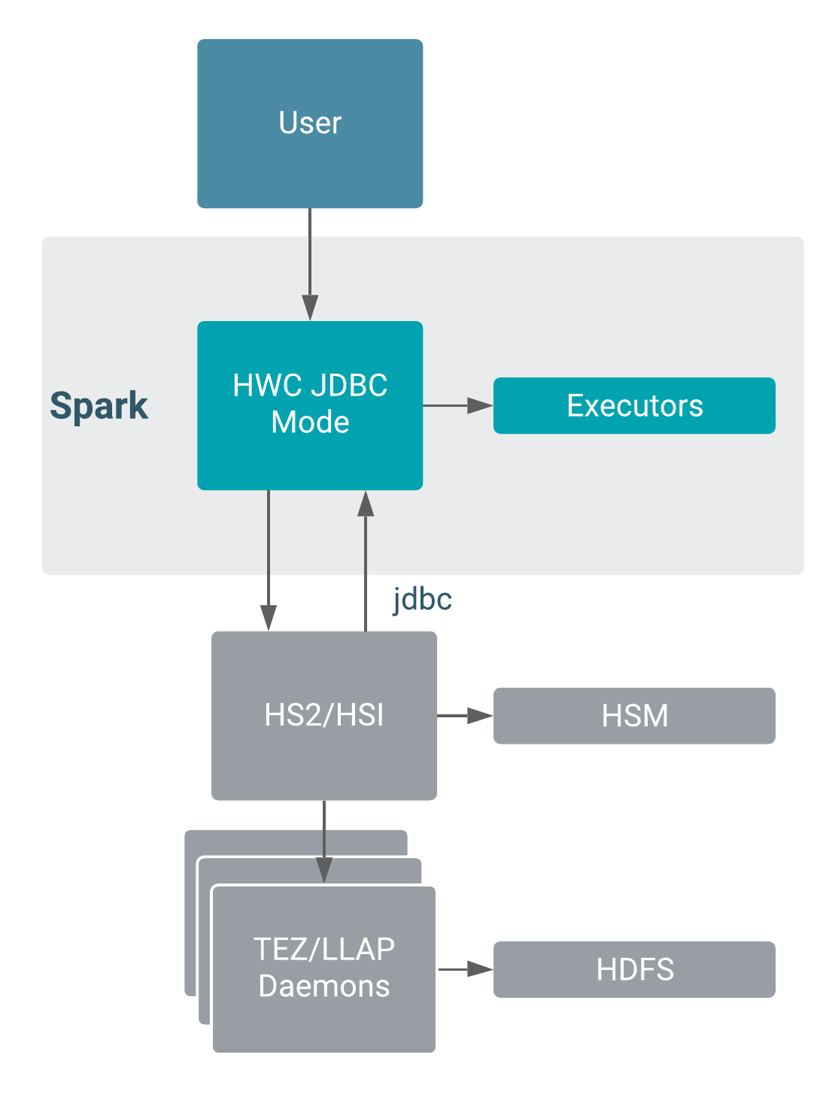
https://docs.cloudera.com/runtime/7.1.1/integrating-hive-and-bi/topics/hive-hwc-configuring-jdbc.html
1) JDBC mode creates only one JDBC connection to HiveServer (HS2) a potential bottleneck in data transfer to Spark. 2) In JDBC mode, execution takes place in these locations: Driver: Using the Hive JDBC url, connects to Hive and executes the query on the driver side. Cluster: From Spark executors, connects to Hive through JDBC and executes the query

JDBC Read Mode Limitations 1) JDBC mode, which is used for reads only, recommended for production workloads having a data size of 1 GB or less. In larger workloads, bottlenecks develop in data transfer to Spark

JDBC Write Mode HWC does not use JDBC mode during a write. HWC writes to an intermediate location from Spark, and then executes a LOAD DATA query to write the data. Using HWC to write data is recommended for production

