screenshots
loading index list tickets page
http://localhost:8080/serviceDesk/tickets

Click "Add New Ticket", redirect to new modal window
and then click Submit button

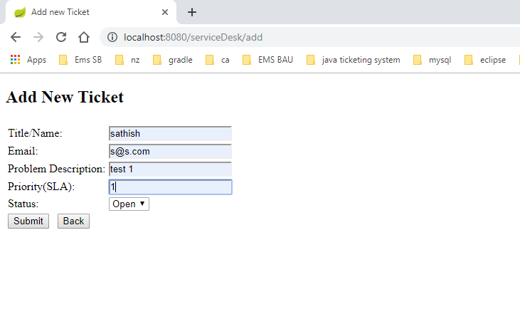

Added tickets are displaying in list page

Again click "Add New Ticket" and add 1 more item

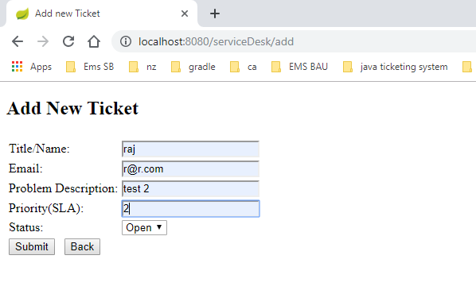

Click "Edit" button for Edit ticket
Change priority = 5 & status -= InProgress

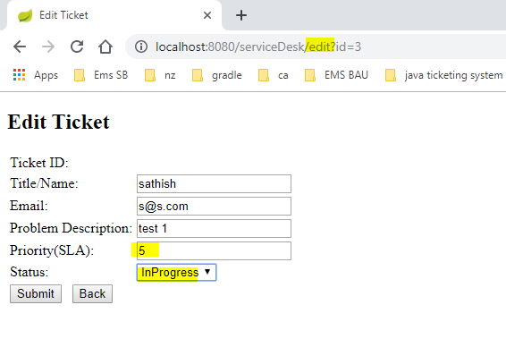

Sorting Table(tickets) by any header.
Click/Double click on Headers, it will be sort data.

SortBy Status (see arrow icon)

SortBy Priority

SortBy Date

Search Tickets

If click "Search Button" again (double click), will show all default original tickets.

Delete/Remove ticket from list (whien closing ticket)

click "Edit" ticket
Change Status into "Close" from drop down
And then submit
It will redirect to List tickets page
Now see, that closed tickets are removed from list. Not displaying

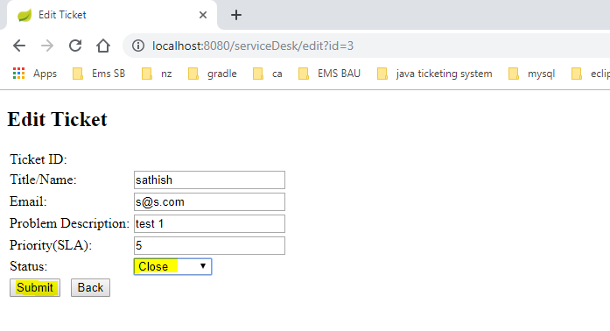

This below delete option, I have disabled now. ReadOnly label. Not required to click now. If required, we can enable later.

autoCreate db and table
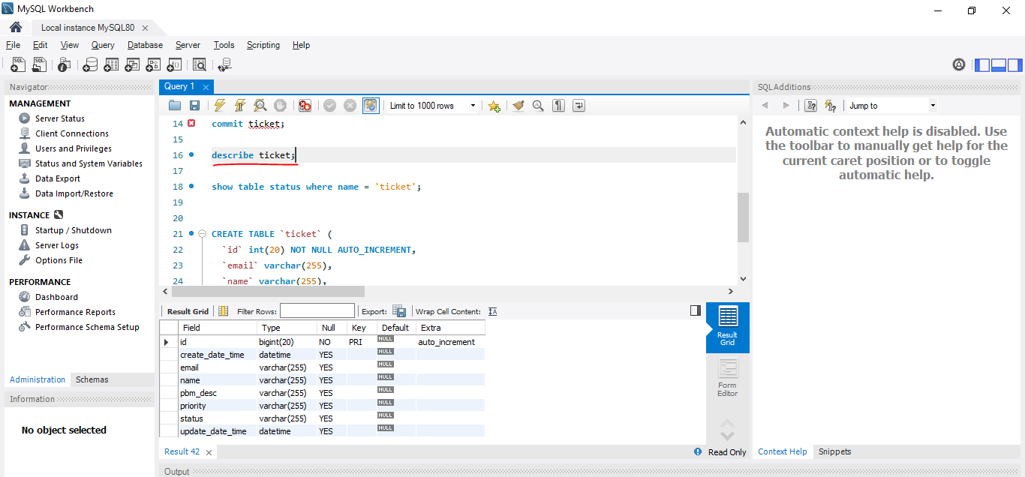
table creation (see below screenshot and query)

CREATE TABLE `ticket` (
`id` int(20) NOT NULL AUTO_INCREMENT,
`email` varchar(255),
`name` varchar(255),
`pbm_desc` varchar(255),
`priority` varchar(255),
PRIMARY KEY (`id`)
)

Listing persisted data (see below screenshot and query)

select * from serviceDesk.ticket;

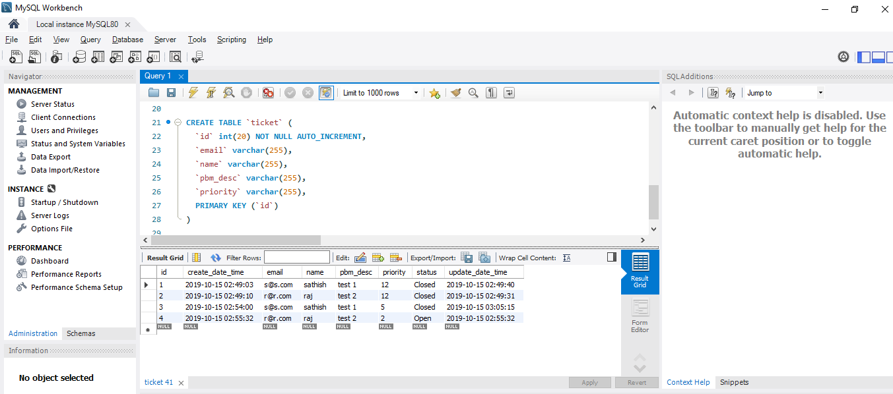

Show table structure (see below query and screenshot)

describe ticket;

