Cover Page
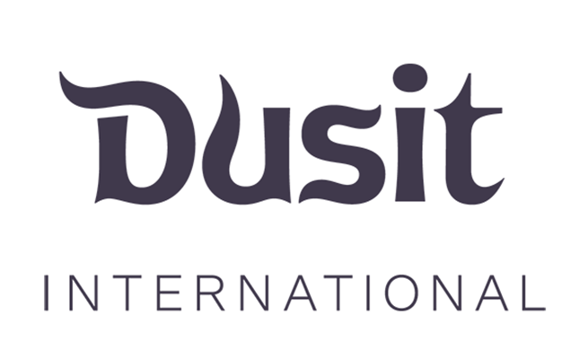

Third-party Questionnaire

 | Version 1.0
 | Effective: xx October 2022

2. Requested documents
Document | Vendor Response | Explanation
Information Security Policy | Yes | https://www.thelivingos.com/wp-content/uploads/2023/06/%E0%B8%AB%E0%B8%99%E0%B8%B1%E0%B8%87%E0%B8%AA%E0%B8%B7%E0%B8%AD%E0%B9%81%E0%B8%88%E0%B9%89%E0%B8%87%E0%B9%80%E0%B8%A3%E0%B8%B7%E0%B9%88%E0%B8%AD%E0%B8%87%E0%B8%9B%E0%B9%89%E0%B8%AD%E0%B8%87%E0%B8%81%E0%B8%B1%E0%B8%99%E0%B8%81%E0%B8%A3%E0%B8%93%E0%B8%B5%E0%B8%82%E0%B9%89%E0%B8%AD%E0%B8%A1%E0%B8%B9%E0%B8%A5%E0%B8%A5%E0%B8%B9%E0%B8%81%E0%B8%84%E0%B9%89.pdf
Acceptable Use Policy | Yes | https://urbanice.app/policy/terms
Access Control Policy | Yes | Access Control จัดการโดยการที่ The LivingOS เป็นผู้สร้าง UserID/Password ให้ผู้ใช้งานในฐานะ การใช้งาน แบบ ผู้จัดการนิติ, บัญชีส่วนกลาง, พนักงานนิติ และอื่นๆ โดยที่ ฐานะผู้ใช้งานข้างต้น สามารถเปิดให้ ลูกบ้าน/เจ้าของร่วม เข้ามาใช้งานได้ด้วยการจัดการของผู้ใช้งานเอง โดยข้อมูลที่จะนำมาใส่ เพื่อประมวลผล สามารถให้ทาง The LivingOS เป็นผู้นำเข้าให้ได้ หรือทางผู้ใช้งาน สามารถจัดการได้ด้วยตัวเอง
Asset Management Policy | No | If yes, please provide a copy of the document.
Incident Response Plan | Yes | 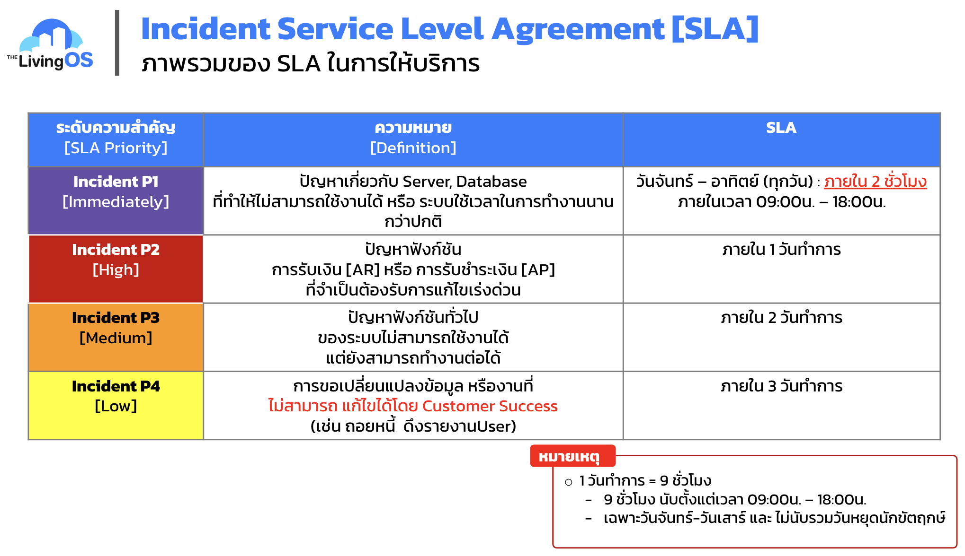
Business Continuity Plan | No | ไม่มี แต่ว่าใช้บริการของ AWS และ CGP ซึ่งเป็น Cloud ที่การันตี Uptime มากกว่า 99% https://aws.amazon.com/legal/service-level-agreements/?aws-sla-cards.sort-by=item.additionalFields.serviceNameLower&aws-sla-cards.sort-order=asc&awsf.tech-category-filter=*all https://cloud.google.com/terms/sla?hl=en
Password Policy | Yes | ต้องประกอบไปด้วย ตัวหนังสือภาษาอังกฤษ ตัวเล็ก และตัวใหญ่ และต้องมีตัวเลข รวมตัวอักษรขั้นต่ำ 8 ตัวอักษร
Physical Security Policy | Yes | พนักงานบริษัทจะเข้าออฟฟิสได้ต้องมีบัตรจึงจะเข้าอาคารสำนักงานได้ และต้องสแกนนิ้วหรือหน้าเข้าสำนักงาน
Change Management Policy | No | If yes, please provide a copy of the document.
System Development Lifecycle (SDLC) Policy | Yes | https://drive.google.com/file/d/1wuDyuvfnVSs217vQjg8FzbL1s5wf1oN9/view?usp=sharing
Patch Management Policy | No | ไม่ได้มีทุก Services แต่หลาย Service มี Auto Patch จาก Providers
Encryption Policy | No | ไม่ได้มีเป็นนโยบายที่ตายตัว แต่มีการ Encryption ทั้งในส่วนของ Network, Data และ Application ตาม Best Pratice
Recent Vulnerability Scan or Penetration Test Results | No | If yes, please provide a copy of the document.
Recent Application Security Scan Results | No | ตรวจสอบคุณภาพของ Code ด้วย SonarQube
Implemented encryption types | Yes | SSL, RSA, AES, ...
Information Security Certifications (e.g. ISO 27001, SOC, PCI) | No | If yes, please provide a copy of the document.

