Sheet1
Bug ID | Description | Steps to Reproduce | Attachments | Expected Result | Actual Result | Priority | Severity | Status | Resolution Type | Dev.Comment | QA Comment | Target Date | Reported Date | Reported By
Bug-01 | The warning message is not displayed correctly | 1- Open Register portal 2- Fill with only invalid email 3- Click Register | https://drive.google.com/file/d/18Cv3sFM5nIqg9atYzIwhRFBDNI4azIOX/view?usp=sharing | The warning message should be displayed correctly | FAIL | Medium | Major | Fixed | Duplicate |  |  | N/A | 2024-04-19 | shanu
Bug-02 | Not display correct error message | 1- Open Register portal 2-Fill with valid details and unmatch Re-type password 3-Click Register | 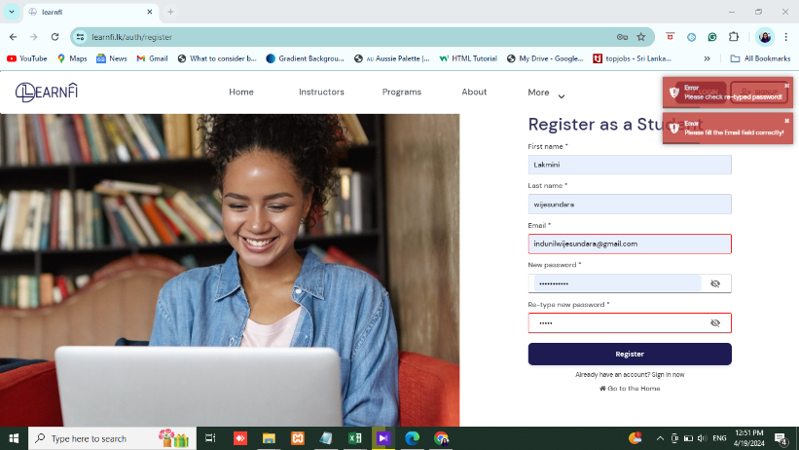 | The warning message should be displayed correctly | FAIL | Medium | Major | New | need more infotmation |  |  |  | 2024-04-19 | kasun
Bug-03 | wrong warning message is displayed | 1- Open Login portal 2-Click sign in | 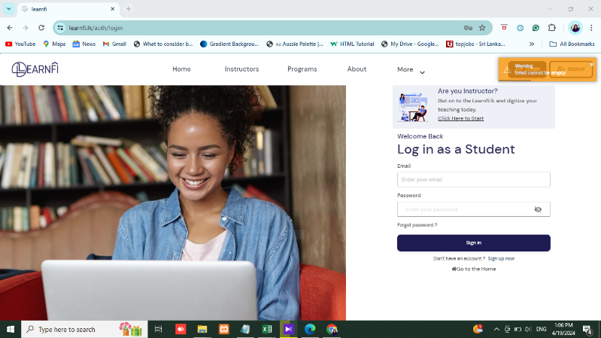 | The warning message should be displayed correctly | FAIL | High | Critical | New |  |  |  | 2024-05-04
Bug-04 | Page loading | 1-Click LOGIN portal 2-Fill valid email and unmatch password 3-click sign in button |  | Can't load page | FAIL | High | Critical | Open
Bug-05 | Can't update details and display wrong message | 1-1-Navigate to the profile setting page. 2-Locate the option to change profile details & chage details. 3-.Click save changes button | 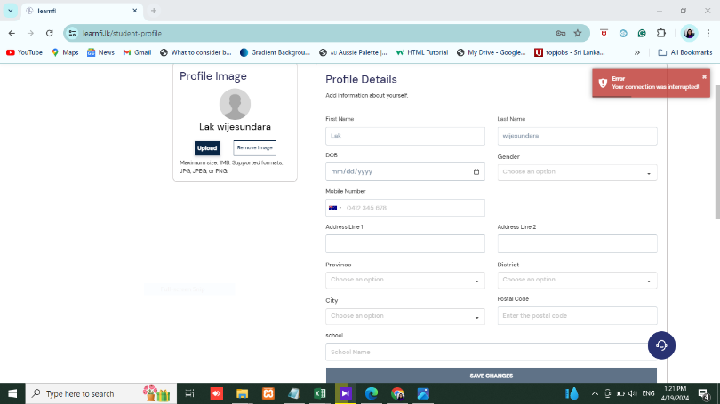 | Can successfully update details | FAIL | Medium | Major | Inprogress

