Sheet1
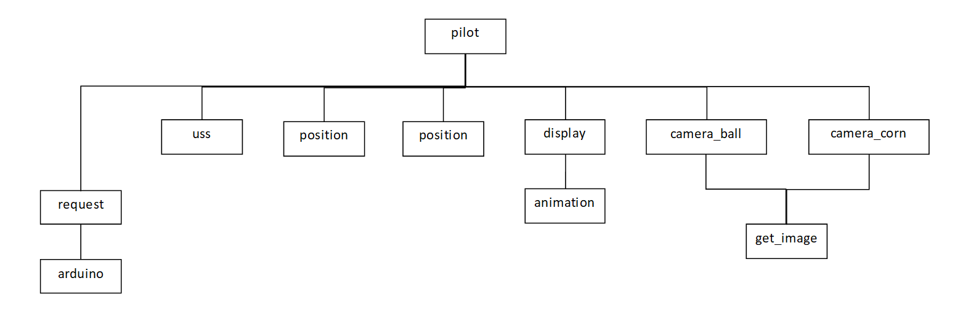
pilot

uss
display
camera_ball
camera_corn
position
position

animation
request
get_image

arduino

