Sheet1
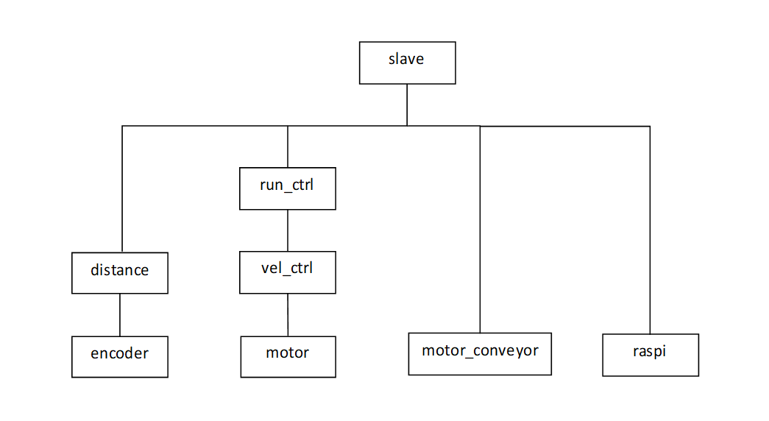
slave

run_ctrl

distance
vel_ctrl

motor_conveyor
raspi
encoder
motor

