Sheet1
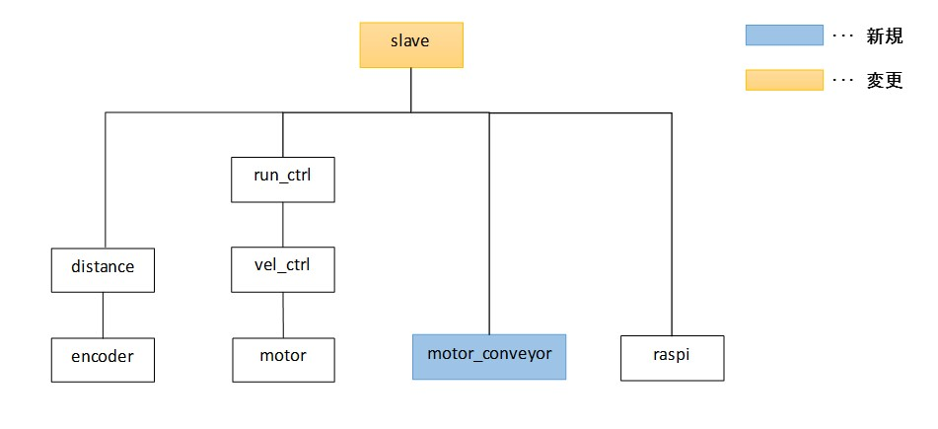
slave
･･･ | 新規

･･･ | 変更

run_ctrl

distance
vel_ctrl

motor_conveyor
raspi
encoder
motor

