P-12-4
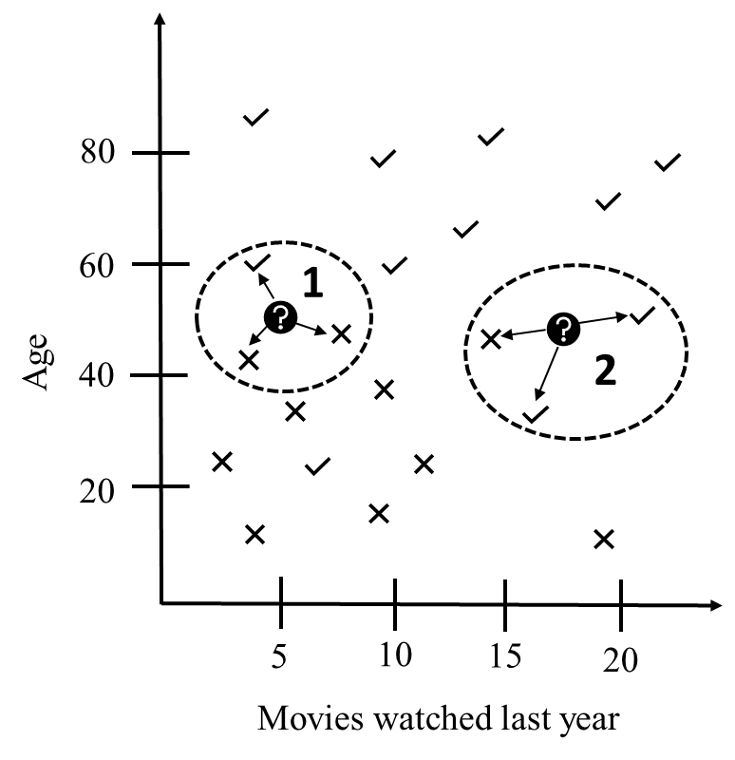
EUCLIDEAN DISTANCE

d(C_1,C_y) refers to the Euclidian distance between customer 1 (C_1) as indicated with the question mark in the figure, and the nearest customer who had previously accepted a similar offer (C_y), as indicated with a check mark within the dashed circle in the same figure. M_1 and M_y is the number of movies watched by customer 1 and the nearest (check mark) neighbor over the last year and A_1 and A_y is the age of the same two customers. Hence, in this simple example, the Euclidean distance is the length of a straight line between customer 1 and the neighbor of interest. This length is equal to the hypothenus and is found by taking the square root of the sum of the squared sides (Pythagoras' theorem).

