1.1
1 | インストール手順の確認 |  | https://nuxtjs.org/ja/docs/get-started/installation

2 | NUXTのインストール
 | npx create-nuxt-app frontend

 | uiはvuetifyを選択

import colors from 'vuetify/es5/util/colors'
export default {
// Global page headers: https://go.nuxtjs.dev/config-head
head: {
titleTemplate: '%s - 開発',
title: '○○管理',
htmlAttrs: {
lang: 'ja'
},
meta: [
{ charset: 'utf-8' },
{ name: 'viewport', content: 'width=device-width, initial-scale=1' },
{ hid: 'description', name: 'description', content: '' },
{ name: 'format-detection', content: 'telephone=no' }
],
link: [
{ rel: 'icon', type: 'image/x-icon', href: '/favicon.ico' }
]
},
// Global CSS: https://go.nuxtjs.dev/config-css
css: [
],
// Plugins to run before rendering page: https://go.nuxtjs.dev/config-plugins
plugins: [
],
// Auto import components: https://go.nuxtjs.dev/config-components
components: true,
// Modules for dev and build (recommended): https://go.nuxtjs.dev/config-modules
buildModules: [
// https://go.nuxtjs.dev/eslint
'@nuxtjs/eslint-module',
// https://go.nuxtjs.dev/vuetify
'@nuxtjs/vuetify'
],
// Modules: https://go.nuxtjs.dev/config-modules
modules: [
// https://go.nuxtjs.dev/axios
'@nuxtjs/axios',
'@nuxtjs/auth' //認証用
],
// Axios module configuration: https://go.nuxtjs.dev/config-axios
axios: {
proxy: true,
baseURL: process.env.API_URL
},
proxy: {
'/backend': {
// target: process.env.API_URL,
target: 'http://localhost:5000',
pathRewrite: { '^/backend': '/' }
}
},
// Vuetify module configuration: https://go.nuxtjs.dev/config-vuetify
vuetify: {
customVariables: ['~/assets/variables.scss'],
treeShake: true,
theme: {
dark: false,
themes: {
dark: {
primary: colors.blue.darken2,
accent: colors.grey.darken3,
secondary: colors.amber.darken3,
info: colors.teal.lighten1,
warning: colors.amber.base,
error: colors.deepOrange.accent4,
success: colors.green.accent3
}
}
}
},
// Build Configuration: https://go.nuxtjs.dev/config-build
build: {
},
target: 'static', // デフォルトは 'server' ※認証でログインできるようなる。
}
3 | nuxt.jsの修正
 | デザインの設定
 | 必要なプラグインの設定

4 | ユーリティリティモジュールの追加
 | mix/common.jsの追加

 |  |  |  |  |  | { src: '~/plugins/vue-handsontable', ssr: false }

 |  |  |  |  | vendor: ['handsontable']

4 | 認証モジュールのインストール

 | npm install @nuxtjs/auth
 | npm install jsonwebtoken

5 | storeのローカル化モジュール
 | npm install vuex-persistedstate

 | pluginフォルダ作成
 | localStorage.jsを作成
import createPersistedState from 'vuex-persistedstate'
export default ({ store }) => {
window.onNuxtReady(() => {
createPersistedState({})(store)
})
}

6 | フォーマット関連
 | npm install prettier

7 | storeに空ファイルを作成
 | store/index.js

8 | loginページを追加 |  |  | login.vue
<template>
<div class="app">
<loading v-if="!show" />
<section v-if="show" class="content">
<v-container>
<v-form ref="form" v-model="form" lazy-validation>
<v-card>
<v-alert
type="error"
:value="error!=null"
>
{{ error }}
</v-alert>
<v-card-title primary-title>
<h3 class="headline mb-0">
ログイン
</h3>
</v-card-title>
<v-card-text>
<v-text-field
v-model="row.username"
label="ログインID"
required
autofocus
/>
<v-text-field
v-model="row.password"
label="パスワード"
:append-icon="show1 ? 'mdi-eye' : 'mdi-eye-off'"
:type="show1 ? 'text' : 'password'"
required
@click:append="show1 = !show1"
@keyup.enter="loginUser"
/>
</v-card-text>
<v-card-actions>
<v-btn color="white" style="margin:20px" @click.stop.prevent="loginUser">
ログイン
</v-btn>
<v-spacer />
</v-card-actions>
<!-- <v-btn dark style="margin:20px" @click.stop.prevent="loginWithGitHub">
Github
</v-btn> -->
</v-card>
</v-form>
</v-container>
</section>
</div>
</template>
<script>
import common from '~/mixin/common.js'
export default {
mixins: [common],
layout: 'base',
data () {
return {
show: false,
error: null,
show1: false,
form: false,
row: {
username: '',
password: ''
}
}
},
// computed: {
// loggedInUser () {
// return this.$auth.user == null ? '' : this.$auth.user.name ?? ''
// // return false
// }
// },
methods: {
load () {
this.show = true
return true
},
async loginUser () {
this.error = null
const self = this
const ret = self.validate()
if (!ret) { return false }
await self.$auth
.loginWith('local', { data: self.row })
.then((res) => {
// console.log('ログイン')
// self.$router.push('/')
location.href = '/'
// setTimeout(location.reload(), 1000)
// self.$router.push('/')
// self.$nextTick(() => { self.show = true })
})
.catch((e) => {
console.log('login error')
console.log(e)
console.log('ログインエラー')
self.error = 'IDまたはパスワードが正しくありません。'
})
}
}
}
</script>
<style scoped>
.container{
max-width:500px;
margin-top: calc( 100vh / 2 - 200px )
}
</style>

9 | layoutファイルに認証を追加

 | 10 | login用のレイアウトを追加
 |  | layouts/base.vue
<template>
<v-app>
<Nuxt />
</v-app>
</template>
<script>

1.2
1 | インストール手順の確認 |  | https://docs.microsoft.com/ja-jp/dotnet/core/install/linux-ubuntu#2004-

2 | dotnet sdkのインストール

 | 2.1 リポジトリ登録
wget https://packages.microsoft.com/config/ubuntu/20.04/packages-microsoft-prod.deb -O packages-microsoft-prod.deb
sudo dpkg -i packages-microsoft-prod.deb
rm packages-microsoft-prod.deb

 | 2.2 SDKのインストール |  |  |  |  | ランタイム版の場合
sudo apt-get update; \
sudo apt-get install -y apt-transport-https && \
sudo apt-get update && \
sudo apt-get install -y dotnet-sdk-5.0
sudo apt-get install -y dotnet-runtime-5.0

3 | プロジェクトの作成
 | dotnet new webapi -o backend

 |  | cd backend
 |  | dotnet run

 |  | 表示されることを確認する
 |  | https://localhost:5001/swagger/index.html

4 | 認証用のJWTモジュールのインストール
 | dotnet add package Microsoft.AspNetCore.Authentication.JwtBearer --version 5.0.7 |  |  | dotnet 5の場合 | ※dotnet6の場合は version6

5 | エンティティフレームのインストール
 | dotnet add package Microsoft.AspNetCore.Identity.EntityFrameworkCore --version 5.0.7
 | dotnet add package Npgsql.EntityFrameworkCore.PostgreSQL --version 5.0.7
 | dotnet add package Microsoft.EntityFrameworkCore.Design --version 5.0.7
 | dotnet add package Microsoft.AspNetCore.Identity.UI --version 5.0.7
 | dotnet add package Microsoft.EntityFrameworkCore --version 5.0.7
 | dotnet add package Microsoft.AspNetCore.Diagnostics.EntityFrameworkCore --version 5.0.7
 | dotnet add package Microsoft.Extensions.Logging.Console --version 5.0.0

6 | エクセルファイルを扱うためのモジュール
 | dotnet add package DotNetCore.NPOI
 | dotnet add package ClosedXML

7 | データベースにテーブルを作成するためのコマンド
 | dotnet ef migrations add Migration_20211123
 | dotnet ef database update

1.3
 |  | 1 |  | 認証の考え方 |  |  | https://docs.microsoft.com/ja-jp/aspnet/core/security/authentication/identity?view=aspnetcore-5.0&tabs=netcore-cli
 |  |  |  | 参考 |  |  | https://qiita.com/itouuuuuuuuu/items/1dc6401022e0d771c757

 |  | 2 |  | クライアントサイド側
 |  |  |  |  |  |  |  |  | frontend/pages/login.vue
 |  |  |  | 2.1 |  | ログインモジュール |  | 追加
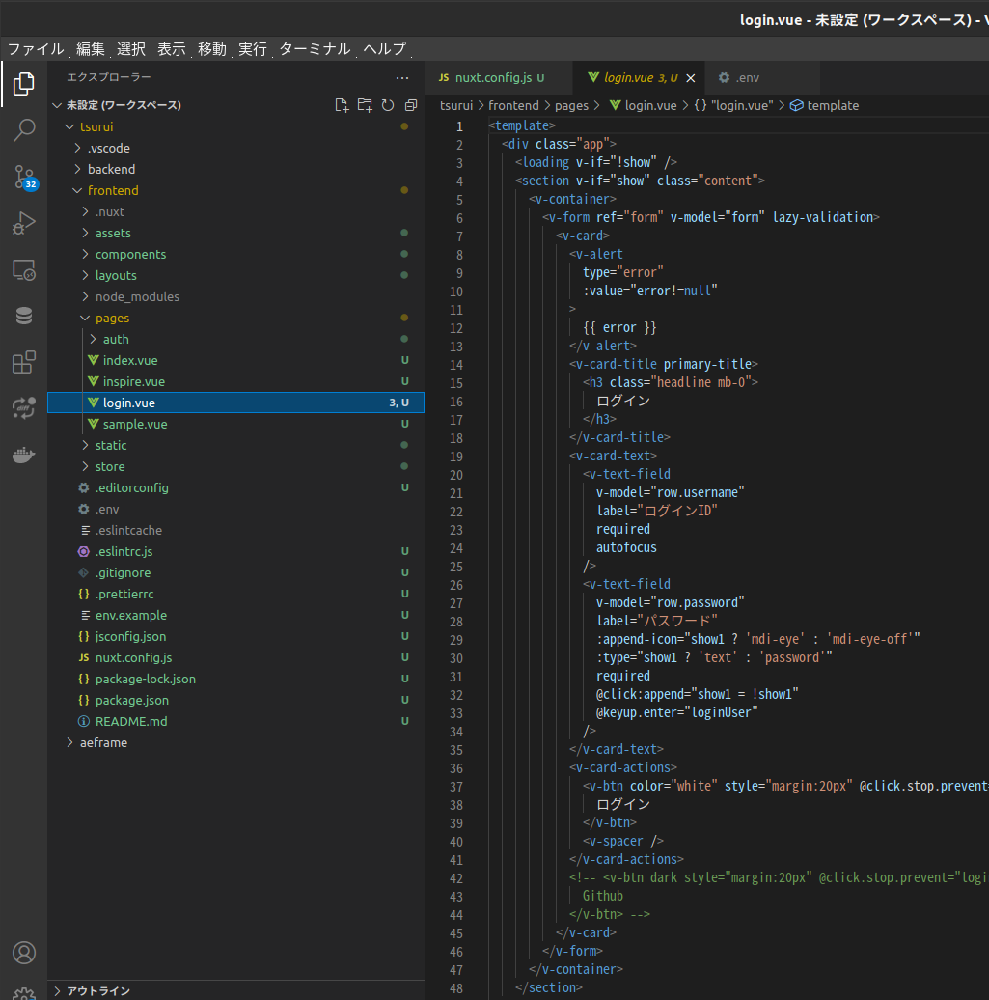

<template>
<div class="app">
<loading v-if="!show" />
<section v-if="show" class="content">
<v-container>
<v-form ref="form" v-model="form" lazy-validation>
<v-card>
<v-alert
type="error"
:value="error!=null"
>
{{ error }}
</v-alert>
<v-card-title primary-title>
<h3 class="headline mb-0">
ログイン
</h3>
</v-card-title>
<v-card-text>
<v-text-field
v-model="row.username"
label="ログインID"
required
autofocus
/>
<v-text-field
v-model="row.password"
label="パスワード"
:append-icon="show1 ? 'mdi-eye' : 'mdi-eye-off'"
:type="show1 ? 'text' : 'password'"
required
@click:append="show1 = !show1"
@keyup.enter="loginUser"
/>
</v-card-text>
<v-card-actions>
<v-btn color="white" style="margin:20px" @click.stop.prevent="loginUser">
ログイン
</v-btn>
<v-spacer />
</v-card-actions>
</v-card>
</v-form>
</v-container>
</section>
</div>
</template>
<script>
import common from '~/mixin/common.js'
export default {
mixins: [common],
layout: 'base',
data () {
return {
show: false,
error: null,
show1: false,
form: false,
row: {
username: '',
password: ''
}
}
},
methods: {
load () {
this.show = true
return true
},
async loginUser () {
this.error = null
const self = this
const ret = self.validate()
if (!ret) { return false }
await self.$auth
.loginWith('local', { data: self.row })
.then((res) => {
location.href = '/'
})
.catch((e) => {
console.log('login error')
console.log(e)
console.log('ログインエラー')
self.error = 'IDまたはパスワードが正しくありません。'
})
}
}
}
</script>
<style scoped>
.container{
max-width:500px;
margin-top: calc( 100vh / 2 - 200px )
}
</style>

 |  |  | 2.2 |  | アバターの準備
 |  |  |  |  | /frontend/components/Avater.vue
<template>
<v-menu
bottom
min-width="200px"
rounded
offset-y
>
<template v-slot:activator="{ on }">
<v-btn
icon
x-large
v-on="on"
>
<v-avatar
:color="color"
size="34"
style="line-height:34px !important;"
>
<span class="white--text text-h6" style="font-size:1rem !important;">{{ firstChar }}</span>
</v-avatar>
</v-btn>
</template>
<v-card>
<v-list-item-content class="justify-center">
<div class="mx-auto text-center">
<v-avatar
:color="color"
size="60"
style="line-height:60px !important;"
>
<span class="white--text text-h6" style="font-size:1.7rem !important;">{{ firstChar }}</span>
</v-avatar>
<h3 style="margin-top:5px;">{{ userName }}</h3>
<p class="text-caption mt-1">
{{ email }}
</p>
<v-divider class="my-3"></v-divider>
<v-btn
outlined
rounded
text
to="/auth/profile"
>
プロファイル
</v-btn>
<v-divider class="my-3"></v-divider>
<v-btn
outlined
text
@click="logout"
>
ログアウト
</v-btn>
</div>
</v-list-item-content>
</v-card>
</v-menu>
</template>
<script>
import common from '~/mixin/common.js'
export default {
mixins: [common],
data: () => ({
}),
computed: {
userName () {
return this.$auth.user ? this.$auth.user.userName : 'guest'
},
firstChar () {
return this.$auth.user && this.$auth.user.firstChar ? this.$auth.user.firstChar : this.$auth.user.userName.substr(0, 1).toUpperCase()
},
email () {
return this.$auth.user ? this.$auth.user.email : ''
},
color () {
return this.$auth.user && this.$auth.user.color ? this.$auth.user.color : 'blue'
}
},
methods: {
load (page) {
return false
},
async logout () {
// await this.$auth.logout(/* .... */)
await this.$auth
.logout({})
.then(() => {
// this.$auth.logout('local', {})
// location.reload()
// this.$router.push('/')
// this.show = false
setTimeout(location.reload(), 200)
// this.$forceUpdate()
// this.show = false
// this.$nextTick(() => (this.show = true))
// this.$router.push('/')
})
.catch(e => (this.error = e.response.data))
}
}
}
</script>

<template>
<v-app dark>
<v-navigation-drawer
v-model="drawer"
:mini-variant="miniVariant"
:clipped="clipped"
fixed
app
>
<!-- <v-list>
<v-list-item
v-for="(item, i) in items"
:key="i"
:to="item.to"
router
exact
>
<v-list-item-action>
<v-icon>{{ item.icon }}</v-icon>
</v-list-item-action>
<v-list-item-content>
<v-list-item-title v-text="item.title" />
</v-list-item-content>
</v-list-item>
</v-list> -->
<v-list>
<v-subheader
><nuxt-link
to="/"
><v-img
style="max-width: 200px; background-color: white"
src="logo.png" /></nuxt-link
></v-subheader>
<v-list-group :value="true" prepend-icon="mdi-kodi">
<template v-slot:activator>
<v-list-item-title>営業管理</v-list-item-title>
</template>
<v-list-group :value="false" no-action sub-group>
<template v-slot:activator>
<v-list-item-content>
<v-list-item-title>受注管理</v-list-item-title>
</v-list-item-content>
</template>
<v-list-item
v-for="([title, icon, to], i) in sales"
:key="i"
:to="to"
link
>
<v-list-item-title
v-text="title"
:title="title"
></v-list-item-title>
<v-list-item-icon>
<v-icon v-text="icon"></v-icon>
</v-list-item-icon>
</v-list-item>
</v-list-group>
<v-list-group no-action sub-group>
<template v-slot:activator>
<v-list-item-content>
<v-list-item-title>出荷管理</v-list-item-title>
</v-list-item-content>
</template>
<v-list-item
v-for="([title, icon, to], i) in shippings"
:key="i"
:to="to"
link
>
<v-list-item-title
v-text="title"
:title="title"
></v-list-item-title>
<v-list-item-icon>
<v-icon v-text="icon"></v-icon>
</v-list-item-icon>
</v-list-item>
</v-list-group>
</v-list-group>
<v-list-group :value="true" prepend-icon="mdi-warehouse">
<template v-slot:activator>
<v-list-item-title>倉庫管理</v-list-item-title>
</template>
<v-list-group :value="false" no-action sub-group>
<template v-slot:activator>
<v-list-item-content>
<v-list-item-title>在庫照会</v-list-item-title>
</v-list-item-content>
</template>
<v-list-item
v-for="([title, icon, to], i) in inventories"
:key="i"
:to="to"
link
>
<v-list-item-title
v-text="title"
:title="title"
></v-list-item-title>
<v-list-item-icon>
<v-icon v-text="icon"></v-icon>
</v-list-item-icon>
</v-list-item>
</v-list-group>
</v-list-group>
</v-list>
</v-navigation-drawer>
<v-app-bar :clipped-left="clipped" fixed flat dense app>
<v-app-bar-nav-icon @click.stop="drawer = !drawer" />
<v-toolbar-title>
<span style="font-size: 1rem">2021年11月10日&emsp;13:45</span>
</v-toolbar-title>
<!-- <v-btn
icon
@click.stop="miniVariant = !miniVariant"
>
<v-icon>mdi-{{ `chevron-${miniVariant ? 'right' : 'left'}` }}</v-icon>
</v-btn>
<v-btn
icon
@click.stop="clipped = !clipped"
>
<v-icon>mdi-application</v-icon>
</v-btn> -->
<!-- <v-btn
icon
@click.stop="fixed = !fixed"
>
<v-icon>mdi-minus</v-icon>
</v-btn> -->
<!-- <v-toolbar-title v-text="title" /> -->
<v-spacer />
<avater />
<!-- <v-btn
icon
@click.stop="rightDrawer = !rightDrawer"
>
<v-icon>mdi-menu</v-icon>
</v-btn> -->
<!-- <v-menu bottom min-width="200px" rounded offset-y>
<template v-slot:activator="{ on }">
<v-btn icon x-large v-on="on">
<v-avatar color="primary" size="37">
<span class="white--text text-h5">{{ user.initials }}</span>
</v-avatar>
</v-btn>
</template>
<v-card>
<v-list-item-content class="justify-center">
<div class="mx-auto text-center">
<v-avatar color="primary">
<span class="white--text text-h5">{{ user.initials }}</span>
</v-avatar>
<h3>{{ user.fullName }}</h3>
<p class="text-caption mt-1">
{{ user.email }}
</p>
<v-divider class="my-3"></v-divider>
<v-btn depressed rounded text> プロファイル </v-btn>
<v-divider class="my-3"></v-divider>
<v-btn depressed rounded text> ログアウト </v-btn>
</div>
</v-list-item-content>
</v-card>
</v-menu> -->
</v-app-bar>
<v-main>
<Nuxt />
</v-main>
<v-navigation-drawer v-model="rightDrawer" :right="right" temporary fixed>
<v-list>
<v-list-item @click.native="right = !right">
<v-list-item-action>
<v-icon light> mdi-repeat </v-icon>
</v-list-item-action>
<v-list-item-title>Switch drawer (click me)</v-list-item-title>
</v-list-item>
</v-list>
</v-navigation-drawer>
<v-footer :absolute="!fixed" app>
<v-spacer />
<button @click="returnTop">先頭へ戻る</button>
</v-footer>
</v-app>
</template>
<script>
export default {
middleware: ['auth'],
data() {
return {
clipped: false,
drawer: false,
fixed: true,
user: {
initials: 'N',
fullName: 'NTTDATA SHINETSU',
email: 'info@nttdata-shinetsu.com'
},
items: [
{
icon: 'mdi-apps',
title: '',
to: '/'
},
{
icon: 'mdi-chart-bubble',
title: 'Inspire',
to: '/inspire'
}
],
sales: [
['SAMPLE', 'mdi-flask-outline', 'sample'],
['EXCEL', 'mdi-flask-outline', 'excel'],
['TEST', 'mdi-flask-outline', 'partstest'],
['A受注伝票入力', 'mdi-file-edit', 'efhj103a'],
['B受注伝票入力', 'mdi-file-edit', 'efhj103b'],
['受注伝票入力', 'mdi-file-edit', 'efhj1030'],
['受注伝票照会', 'mdi-file-search', 'efhj1010'],
['受注一括確定指示', 'mdi-file-document-edit'],
['契約条件検索', 'mdi-file-search', 'efhj1050'],
['受注・移動照会', 'mdi-file-search'],
['取引先登録', 'mdi-file-cog'],
['出荷先登録', 'mdi-file-cog'],
['単価登録', 'mdi-file-cog'],
['取引先出荷先属性登録', 'mdi-file-cog']
],
shippings: [
['出荷予定表', 'mdi-file-eye-outline'],
['出荷予定入力', 'mdi-file-search'],
['輸送伝票出力', 'mdi-file-eye-outline'],
['荷札出力', 'mdi-file-search'],
['基幹用出荷伝票CSV', 'mdi-file-search'],
['出荷確定一括指示', 'mdi-file-settings'],
['出荷実績表出力', 'mdi-file-eye-outline'],
['返品明細表出力', 'mdi-file-eye-outline'],
['運賃入力', 'mdi-file-settings'],
['運賃日計表', 'mdi-file-settings'],
['運賃未払管理月報', 'mdi-file-settings'],
['ピッキングリスト出力指示', 'mdi-file-settings'],
['ピッキング状況照会', 'mdi-file-settings']
],
inventories: [
['入出荷予定CSV作成', 'mdi-file-delimited'],
['在庫照会', 'mdi-file-search'],
['在庫振替', 'mdi-file-edit'],
['在庫移動', 'mdi-file-edit'],
['在庫移動（預）', 'mdi-file-edit'],
['在庫表', 'mdi-file-edit'],
['旬報出力', 'mdi-file-delimited'],
['品目在庫表CSV', 'mdi-file-delimited'],
['棚卸集計表（即時）', 'mdi-file-eye-outline'],
['棚卸集計表（月次）', 'mdi-file-eye-outline'],
['預り品受払データ', 'mdi-file-delimited'],
['現品データ作成', 'mdi-file-delimited'],
['テキスト送信状況', 'mdi-file-eye-outline'],
['出荷履歴照会', 'mdi-file-search'],
['ロット別在庫照会', 'mdi-file-search']
],
miniVariant: false,
right: true,
rightDrawer: false,
title: 'Vuetify.js'
}
},
methods: {
returnTop() {
window.scrollTo({
top: 0,
behavior: 'smooth'
})
}
}
}
</script>
<style>
label {
line-height: 40px;
}
</style>
<style scoped>
.theme--light.v-application {
/* background: #e0e0e0; */
background: #F5F5F5;
color: rgba(0, 0, 0, 0.87);
}
</style>

 |  | 2.3 |  | レイアウトの準備
 |  |  |  |  | frontend/layouts/default.vue
 |  |  |  |  | frontend/layouts/base.vue

using backend.Data;
using backend.Models;
using Microsoft.AspNetCore.Mvc;
using Microsoft.EntityFrameworkCore;
using Microsoft.Extensions.Configuration;
using Microsoft.Extensions.Localization;
using Microsoft.Extensions.Logging;
using Microsoft.IdentityModel.Tokens;
using System;
using System.Collections.Generic;
using System.Dynamic;
using System.IdentityModel.Tokens.Jwt;
using System.IO;
using System.Linq;
using System.Security.Claims;
using System.Text;
using System.Threading.Tasks;
namespace backend.Controllers
{
public abstract class ControllerPageBase<T> : ControllerBase
{
protected readonly ILogger<T> _logger;
protected ApplicationDbContext _context;
// protected IStringLocalizer<T> _localizer;
public ControllerPageBase(ApplicationDbContext context, ILogger<T> logger)
{
//共通コントローラ内で処理
_logger = logger;
_context = context;
// _localizer = localizer;
// Console.WriteLine("SharedMethodController constractor");
// Console.WriteLine(_localizer["test"]);
}
}
}
 | 3 | サーバーサイドのモジュールの準備
 |  |  |  |  |  |  |  |  |  | backend/Controllers/Common/ControllerPageBase.cs
 |  | 3.1 |  | コントローラー

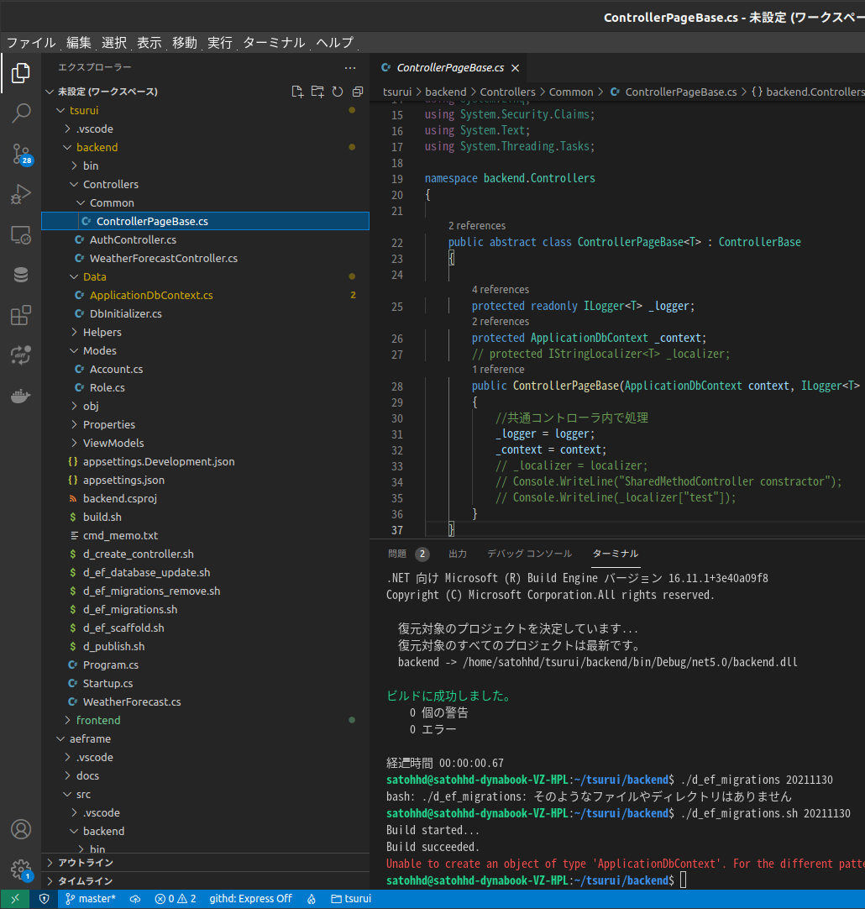

 |  |  |  |  |  |  |  |  |  | backend/Controllers/AuthController.cs
using System;
using System.Collections.Generic;
using System.ComponentModel.DataAnnotations;
using System.IdentityModel.Tokens.Jwt;
using System.Linq;
using System.Security.Claims;
using System.Text;
using System.Threading.Tasks;
using backend.Data;
using backend.Models;
using backend.ViewModels;
using Microsoft.AspNetCore.Authorization;
using Microsoft.AspNetCore.Http;
using Microsoft.AspNetCore.Identity;
using Microsoft.AspNetCore.Identity.EntityFrameworkCore;
using Microsoft.AspNetCore.Mvc;
using Microsoft.Extensions.Logging;
using Microsoft.IdentityModel.Tokens;
namespace backend.Controllers
{
[Route("api/[controller]")]
[ApiController]
public class AuthController : ControllerPageBase<AuthController>
{
private readonly UserManager<Account> _userManager;
public AuthController(ApplicationDbContext context ,ILogger<AuthController> logger,UserManager<Account> userManager) : base(context, logger)
{
//共通コントロール内で処理
_userManager = userManager;
}
/**
* ログイン
* 認証に成功したら、トークンを返却する
*
* @return \Illuminate\Http\JsonResponse
*/
[AllowAnonymous]
[HttpGet]
public ActionResult GetInfo()
{
_logger.LogInformation("getInfo");
return Ok();
}
[AllowAnonymous]
// [Authorize]
[HttpPost("register")]
public async Task<IActionResult> Register([FromBody] LoginParam param)
{
string id = param.Username;
string pw = param.Password;
// IActionResult response = Unauthorized();
// var user = await _userManager.FindByNameAsync(id);
// if (user != null &&
// await _userManager.CheckPasswordAsync(user, pw))
// {
// var tokenString = BuildToken();
// response = Ok(new { token = tokenString });
// }
// ユーザを追加
var user = new Account { UserName =id, Email = id };
await _userManager.CreateAsync(user, pw);
// _context.SaveChanges();
// ユーザもAdmin権限を追加
// var admin = _userManager.FindByEmailAsync("admin");
// await _userManager.AddToRoleAsync(user,"admin");
return Ok(param);
}
[AllowAnonymous]
[HttpPost("login")]
public async Task<IActionResult> Login([FromBody] LoginParam param)
{
string id = param.Username;
string pw = param.Password;
IActionResult response = Unauthorized();
Account user = null;
try{
user = await _userManager.FindByEmailAsync(id);
}catch(Exception ex){
Console.WriteLine(ex.Message);
_logger.LogError("DB接続でエラー:" + ex.Message);
}
// if (user == null){
// // user = await _userManager.FindByEmailAsync(id);
// }
if (user != null &&
await _userManager.CheckPasswordAsync(user, pw))
{
// var tokenString = BuildToken(user, pw);
// response = Ok(new { token = tokenString });
var token = CreateJwtSecurityToken(user);
return Ok(new {
Token = new JwtSecurityTokenHandler().WriteToken(token),
Expiration = token.ValidTo,
});
}
return response;
}
/**
* ユーザ情報の取得
* 認証されたユーザの情報を返却する
*/
[Authorize]
[HttpGet("me")]
public IActionResult Me()
{
IActionResult response = Ok();
try {
Console.WriteLine(User.Identity.IsAuthenticated);
Console.WriteLine(User.Identity.Name);
//Console.WriteLine(System.Security.Principal.WindowsIdentity.GetCurrent().Name);
var id = User.Claims.First(c => c.Type == ClaimTypes.Sid).Value;
var user = _context.Users.First(u => u.Id == id);
Console.WriteLine(user);
// return Ok(user);
return Ok(
new {
user.Id,
user.UserName,
user.Email,
user.Color,
user.FirstChar,
_Message = "接続検証"
});
}catch(Exception ex){
_logger.LogError(ex.Message);
}
return response;
}
//token生成関数
private string BuildToken(Account user, string password)
{
// authentication successful so generate jwt token
// var tokenHandler = new JwtSecurityTokenHandler();
// var key = Encoding.ASCII.GetBytes("12345678901234567890");
// var tokenDescriptor = new SecurityTokenDescriptor
// {
// Subject = new ClaimsIdentity(new Claim[]
// {
// new Claim(ClaimTypes.Name, user.Id)
// }),
// Expires = DateTime.UtcNow.AddDays(7),
// SigningCredentials = new SigningCredentials(new SymmetricSecurityKey(key), SecurityAlgorithms.HmacSha256Signature)
// };
// var token = tokenHandler.CreateToken(tokenDescriptor);
//user.Token = tokenHandler.WriteToken(token);
// remove password before returning
// user.Password = null;
var key = new SymmetricSecurityKey(Encoding.UTF8.GetBytes("12345678901234567890"));
var creds = new SigningCredentials(key, SecurityAlgorithms.HmacSha256);
var token = new JwtSecurityToken(
issuer: "hoge",
audience: "hoge",
expires: DateTime.Now.AddMinutes(360),
signingCredentials: creds
);
return new JwtSecurityTokenHandler().WriteToken(token);
}
JwtSecurityToken CreateJwtSecurityToken(Account user)
{
// JWT に含めるクレーム
var claims = new List<Claim>()
{
// JwtBeaerAuthentication 用
new Claim(JwtRegisteredClaimNames.Jti, user.Id),
new Claim(JwtRegisteredClaimNames.Sub, user.UserName),
// User.Identity プロパティ用
new Claim(ClaimTypes.Sid, user.Id),
new Claim(ClaimTypes.Name, user.UserName),
};
var token = new JwtSecurityToken(
issuer: "http://localhost:5000",
audience: "http://localhost:5000",
claims: claims,
expires: DateTime.UtcNow.AddDays(7),
signingCredentials: new SigningCredentials(
new SymmetricSecurityKey(Encoding.UTF8.GetBytes("12345678901234567890")),
SecurityAlgorithms.HmacSha256
)
);
return token;
}
}
}

 | 4 | DB接続情報

{
"AppSettings": {
"SiteUrl": "http://localhost:5000",
"Secret": "12345678901234567890",
"CorsUrl": "http://localhost:3000"
},
"ConnectionStrings": {
"DefaultConnection": "Host=localhost;Database=nikkokudb6;Username=tiockdb;Password=5970"
},
"urls": "http://0.0.0.0:5000;https://0.0.0.0:5001",
"Logging": {
"LogLevel": {
"Default": "Information",
"Microsoft": "Warning",
"Microsoft.Hosting.Lifetime": "Information",
"Microsoft.EntityFrameworkCore": "Warning"
}
}
}

6 | src/backend/Program.cs

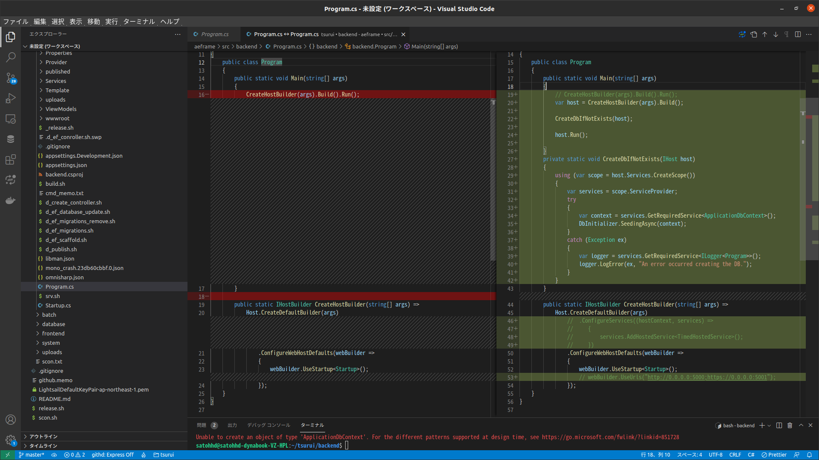

using System;
using System.Collections.Generic;
using System.Linq;
using System.Threading.Tasks;
using backend.Data;
using backend.Services;
using Microsoft.AspNetCore.Hosting;
using Microsoft.Extensions.Configuration;
using Microsoft.Extensions.DependencyInjection;
using Microsoft.Extensions.Hosting;
using Microsoft.Extensions.Logging;
namespace backend
{
public class Program
{
public static void Main(string[] args)
{
// CreateHostBuilder(args).Build().Run();
var host = CreateHostBuilder(args).Build();
CreateDbIfNotExists(host);
host.Run();
}
private static void CreateDbIfNotExists(IHost host)
{
using (var scope = host.Services.CreateScope())
{
var services = scope.ServiceProvider;
try
{
var context = services.GetRequiredService<ApplicationDbContext>();
DbInitializer.SeedingAsync(context);
}
catch (Exception ex)
{
var logger = services.GetRequiredService<ILogger<Program>>();
logger.LogError(ex, "An error occurred creating the DB.");
}
}
}
public static IHostBuilder CreateHostBuilder(string[] args) =>
Host.CreateDefaultBuilder(args)
// .ConfigureServices((hostContext, services) =>
// {
// services.AddHostedService<TimedHostedService>();
// })
.ConfigureWebHostDefaults(webBuilder =>
{
webBuilder.UseStartup<Startup>();
// webBuilder.UseUrls("http://0.0.0.0:5000;https://0.0.0.0:5001");
});
}
}

7 | src/backend/Startup.cs

using System;
using System.Collections.Generic;
using System.Linq;
using System.Text;
using System.Threading.Tasks;
using backend.Data;
using backend.Helpers;
using backend.Hubs;
using backend.Models;
using backend.Provider;
using backend.Services;
using Microsoft.AspNetCore.Authentication.JwtBearer;
using Microsoft.AspNetCore.Builder;
using Microsoft.AspNetCore.Hosting;
using Microsoft.AspNetCore.HttpsPolicy;
using Microsoft.AspNetCore.Identity;
using Microsoft.AspNetCore.Mvc;
using Microsoft.EntityFrameworkCore;
using Microsoft.Extensions.Configuration;
using Microsoft.Extensions.DependencyInjection;
using Microsoft.Extensions.Hosting;
using Microsoft.Extensions.Logging;
using Microsoft.Extensions.Logging.Console;
using Microsoft.IdentityModel.Tokens;
using Microsoft.OpenApi.Models;
namespace backend
{
public class Startup
{
// readonly string MyAllowSpecificOrigins = "_myAllowSpecificOrigins";
public Startup(IConfiguration configuration)
{
Configuration = configuration;
}
public IConfiguration Configuration { get; }
// This method gets called by the runtime. Use this method to add services to the container.
public void ConfigureServices(IServiceCollection services)
{
services.Configure<IdentityOptions>(options =>
{
// Default Lockout settings.
options.Lockout.DefaultLockoutTimeSpan = TimeSpan.FromMinutes(5);
options.Lockout.MaxFailedAccessAttempts = 10;
options.Lockout.AllowedForNewUsers = true;
});
services.Configure<IdentityOptions>(options =>
{
// Default Password settings.
options.Password.RequireDigit = true;
options.Password.RequireLowercase = true;
options.Password.RequireNonAlphanumeric = false;
options.Password.RequireUppercase = false;
options.Password.RequiredLength = 8;
options.Password.RequiredUniqueChars = 1;
});
services.Configure<IdentityOptions>(options =>
{
// Default SignIn settings.
options.SignIn.RequireConfirmedEmail = false;
options.SignIn.RequireConfirmedPhoneNumber = false;
});
//ユーザ名に日本語を許可する
services.Configure<IdentityOptions>(options =>
{
// Default User settings.
options.User.AllowedUserNameCharacters = null;
// "abcdefghijklmnopqrstuvwxyzABCDEFGHIJKLMNOPQRSTUVWXYZ0123456789-._@+";
options.User.RequireUniqueEmail = false;
});
services.AddDbContext<ApplicationDbContext>(options =>
{
options.EnableSensitiveDataLogging();
options.UseNpgsql(Configuration.GetConnectionString("DefaultConnection"));
});
services.AddDatabaseDeveloperPageExceptionFilter();
services.AddDefaultIdentity<Account>(options => options.SignIn.RequireConfirmedAccount = false)
.AddEntityFrameworkStores<ApplicationDbContext>();
var appSettingsSection = Configuration.GetSection("AppSettings");
var appSettings = appSettingsSection.Get<AppSettings>();
services.AddAuthentication(JwtBearerDefaults.AuthenticationScheme)
.AddJwtBearer(options =>
{
options.TokenValidationParameters =
new TokenValidationParameters
{
ValidateIssuer = true,
ValidateAudience = true,
ValidateLifetime = true,
ValidateIssuerSigningKey = true,
ValidIssuer = appSettings.SiteUrl,
ValidAudience = appSettings.SiteUrl,
IssuerSigningKey = new SymmetricSecurityKey(Encoding.UTF8.GetBytes(appSettings.Secret))
};
});
Console.WriteLine(appSettings.CorsUrl);
services.AddCors(options =>
{
options.AddDefaultPolicy(
builder => builder
.AllowAnyMethod()
.AllowAnyHeader()
.AllowAnyOrigin()
.WithOrigins(new string[] { appSettings.CorsUrl })
);
});
services.AddControllers();
services.AddSwaggerGen(c =>
{
c.SwaggerDoc("v1", new OpenApiInfo { Title = "backend", Version = "v1" });
c.CustomSchemaIds(type => type.ToString());
});
services.AddSingleton<IHostedService, DataRefreshService>();
}
// This method gets called by the runtime. Use this method to configure the HTTP request pipeline.
public void Configure(IApplicationBuilder app, IWebHostEnvironment env)
{
if (env.IsDevelopment())
{
app.UseDeveloperExceptionPage();
app.UseSwagger();
app.UseSwaggerUI(c => c.SwaggerEndpoint("/swagger/v1/swagger.json", "backend v1"));
}
//https only
//app.UseHttpsRedirection();
app.UseRouting();
// app.UseResponseCaching();
// app.UseCors("default");
app.UseCors();
// app.UseCors(config => config.AllowAnyHeader().AllowAnyMethod().AllowAnyOrigin().AllowCredentials());
// app.UseCors(config => config.WithOrigins("https://example.com"));
// app.UseCors(MyAllowSpecificOrigins);
//vapp.UseCors("CorsPolicy");
app.UseAuthentication();
app.UseAuthorization();
app.UseEndpoints(endpoints =>
{
// endpoints.MapHub<ChatHub>("/chatHub");
endpoints.MapControllers();
// endpoints.MapHub<TodayAndWeatherHub>("/todayAndWeather");
});
}
}
}

 | 10 | ビルド
 |  | dotnet build

 | 11 | データベースの作成
 |  | dotnet ef migrations add Migration_xxxxxx
 |  | dotnet ef database update

