Sheet1
Ground truth |  | PSD |  |  | Roundness |  |  | Aspect_ratio |  |  | Porosity |  | EMD
 |  | D10 | D50 | D90 | R10 | R50 | R90 | A10 | A50 | A90 | #1 | #2
 | 1 | 10.80831755 | 26.96920633 | 58.77326353 | 0.08143495 | 0.45520938 | 0.73982902 | 1.04208661 | 1.39399836 | 2.46938776 | 0.73561767578 | 0.71927526855 | N.A
 | 2 | 7.1306957 | 9.78604357 | 31.7250459 | 0.13831462 | 0.34281014 | 0.67650063 | 1.10805686 | 1.62560552 | 2.59168618 | 0.55866210937 | 0.93769262695 | N.A
 | 3(slow) | 3.08452306 | 7.02047739 | 15.62257078 | 0.37114709 | 0.64393379 | 0.85823563 | 1.14 | 1.71251053 | 2.68328157 | 0.62224194336 | 0.85262634277 | N.A
 | 4(fast) | 4.60566725 | 9.40404358 | 25.07593438 | 0.25221131 | 0.51594657 | 0.73589488 | 1.125 | 1.69230769 | 2.72409428 | 0.70555664062 | 0.94314257813 | N.A
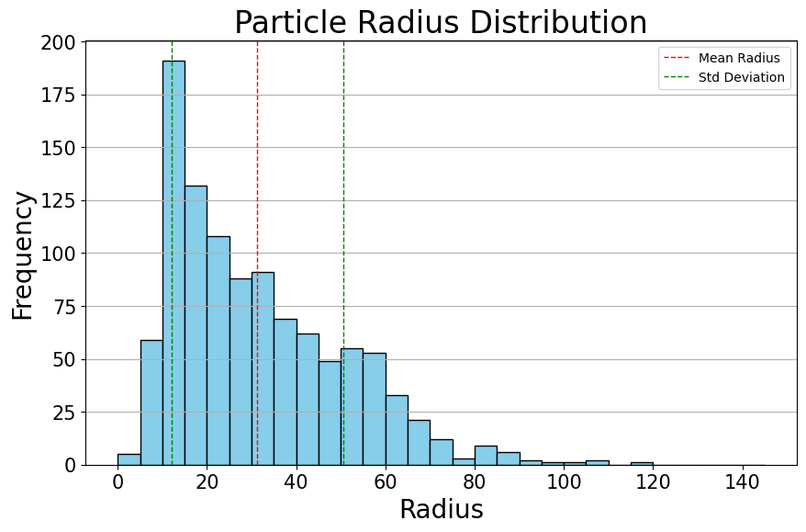
#1
average_radius=31.32280428491157 std_dev_radius=19.203032855950873
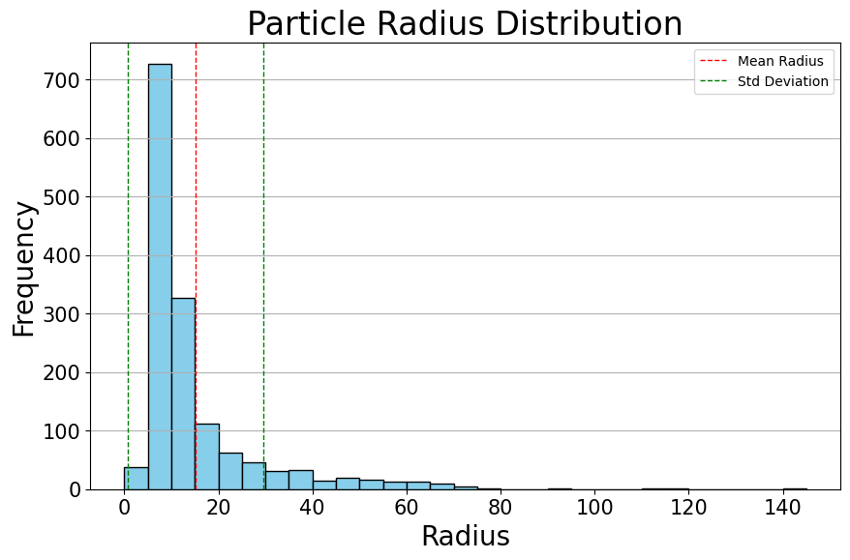
#2
average_radius=15.188955098385046 std_dev_radius=14.389690669454474
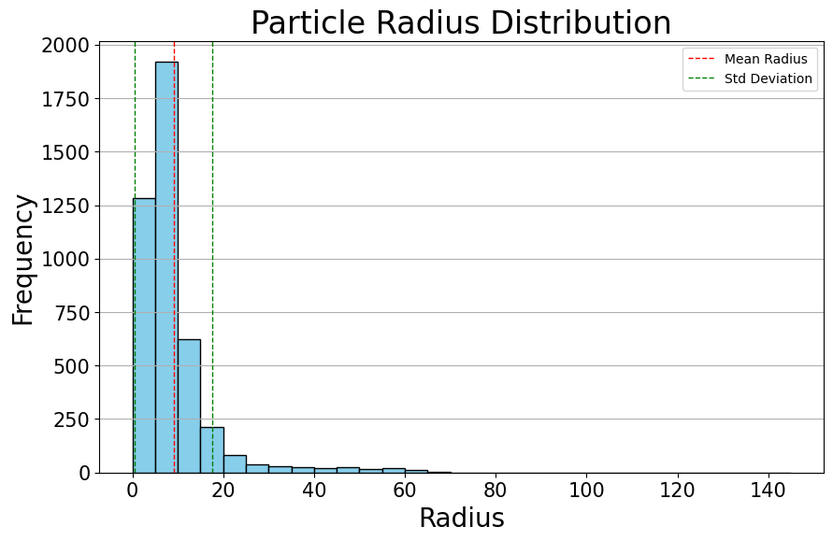
#3
average_radius=9.094203841176025 std_dev_radius=8.5486335175629
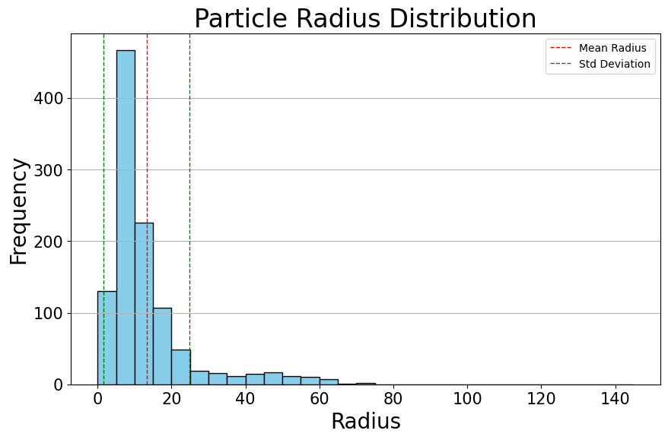
#4
average_radius=13.222639554929762 std_dev_radius=11.600904453748276

Generated_1 |  | PSD |  |  | Roundness |  |  | Aspect_ratio |  |  | Porosity |  | EMD
 |  | D10 | D50 | D90 | D10 | D50 | D90 | A10 | A50 | A90 | #1(gray) | #2(yellow)
 | 1 | 9.64087583 | 25.6069863 | 59.01433811 | 0.08056054 | 0.40669531 | 0.75538217 | 1.11927667 | 1.67654729 | 3 | 0.72372033844 | 0.73192695056 | 0.00091174066177
 | 2 | 5.58519193 | 9.34581365 | 29.012908 | 0.15566293 | 0.46317476 | 0.80233429 | 1.11111111 | 1.66666667 | 2.75 | 0.51252749719 | 0.94104893643 | 0.0031451932892
 | 3(slow) | 3.35111516 | 7.06477106 | 18.11531839 | 0.30441792 | 0.62935807 | 0.91017334 | 1.13043478 | 1.6903032 | 2.78102724 | 0.64399062183 | 0.84083538349 | 0.0010185280677
 | 4(fast) | 4.53743137 | 9.17740682 | 28.1617714 | 0.27356347 | 0.53904714 | 0.83042418 | 1.16247639 | 1.83803656 | 3.07176166 | 0.70092936506 | 0.95374076003 | 0.001764333478
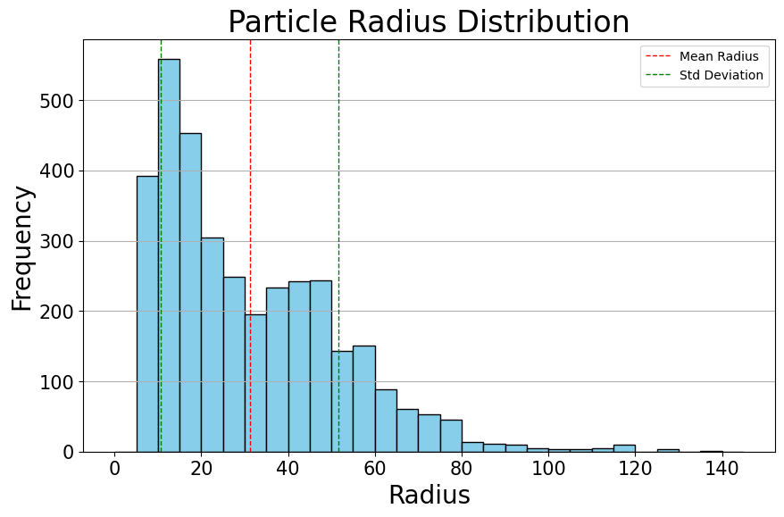
#1
average_radius=31.13207632739969 std_dev_radius=20.423810552056956
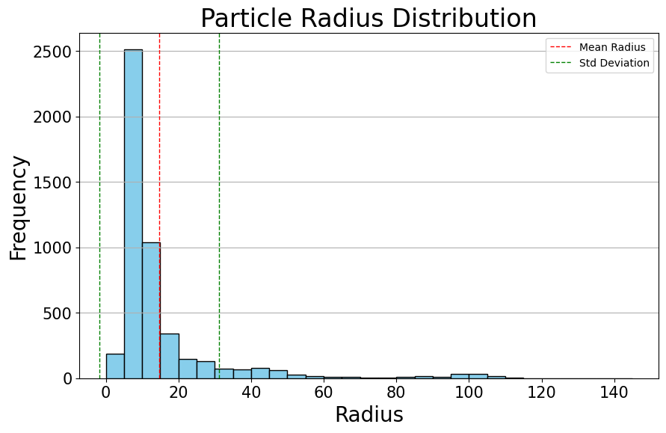
#2
average_radius=14.711881639204424 std_dev_radius=16.52606856890146
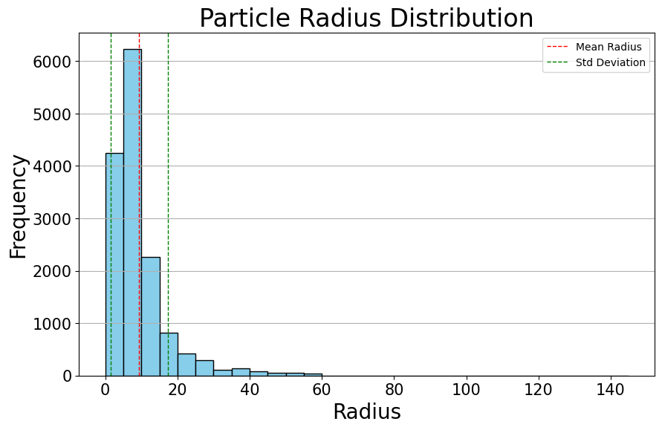
#3
average_radius=9.434579196655296 std_dev_radius=7.922233765570821
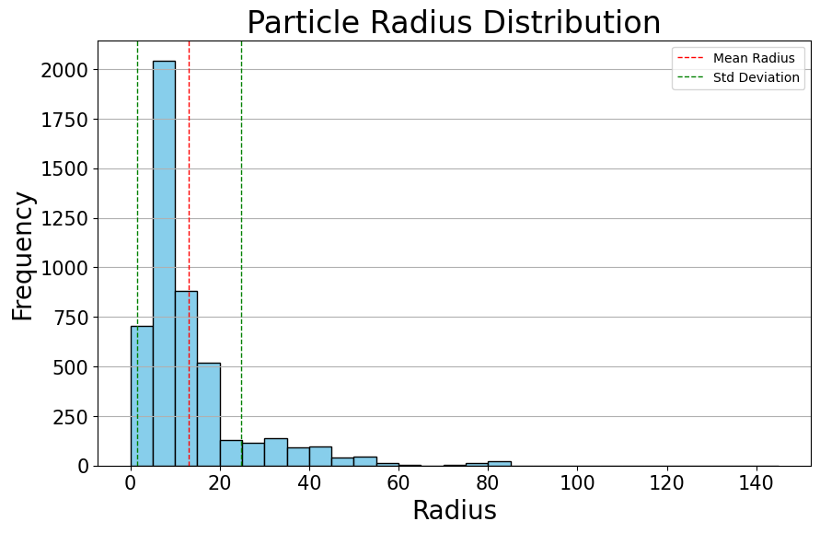
#4
average_radius=13.112713964396262 std_dev_radius=11.672266746275424

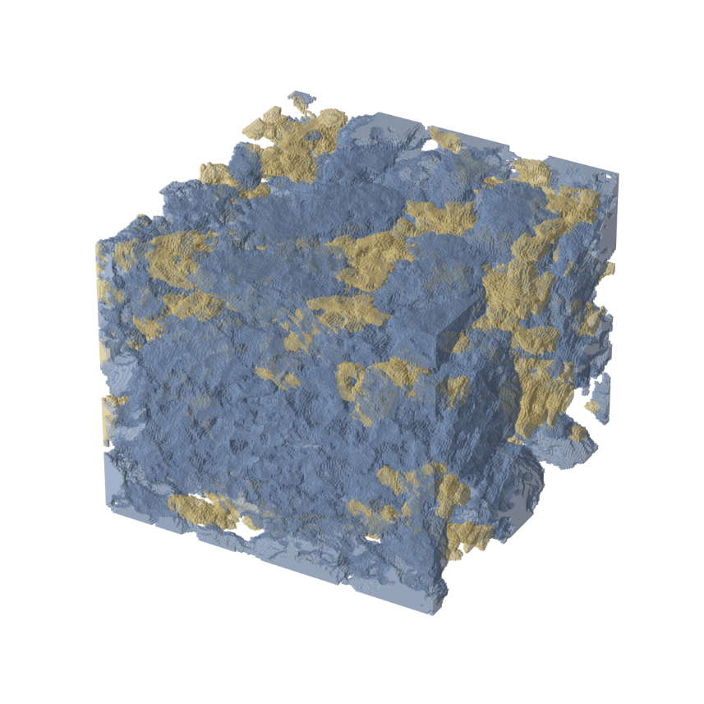
#2
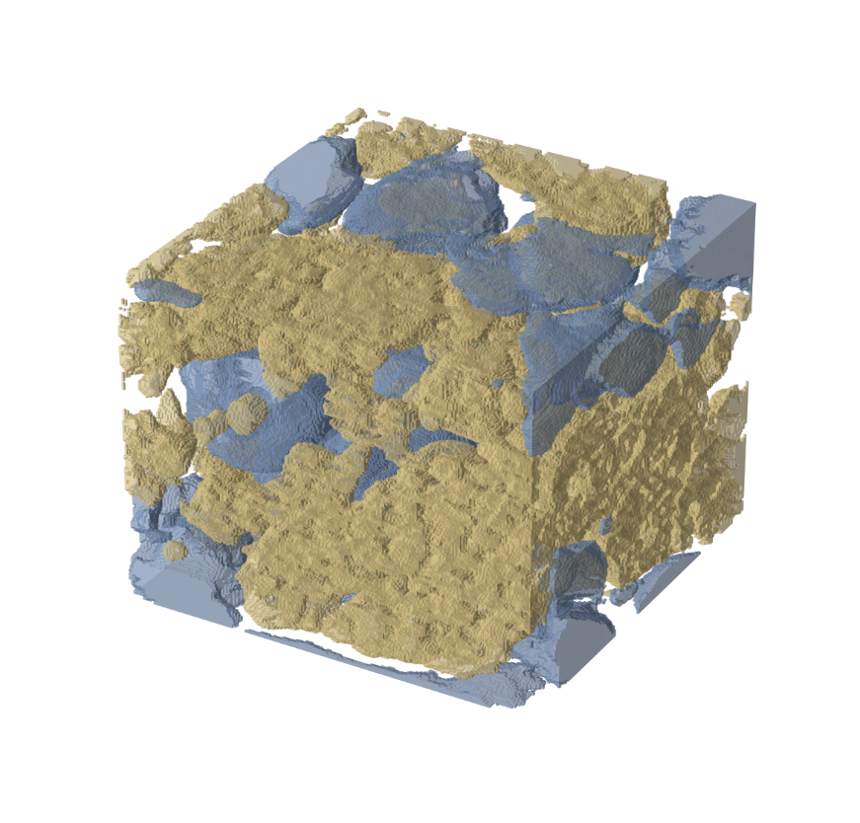
#1
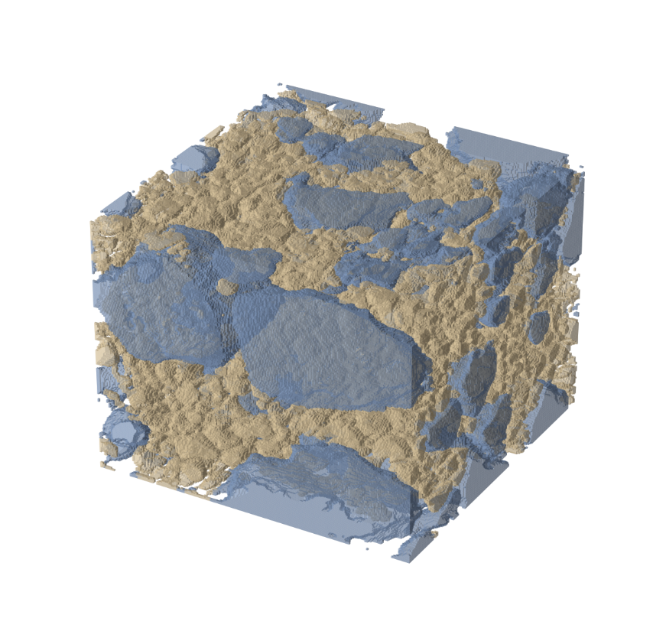
#3
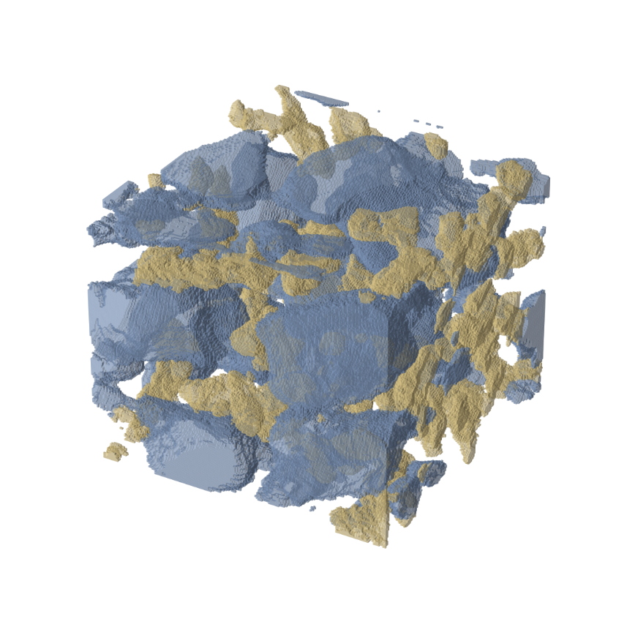
#4

