Anki cards .csv upload format
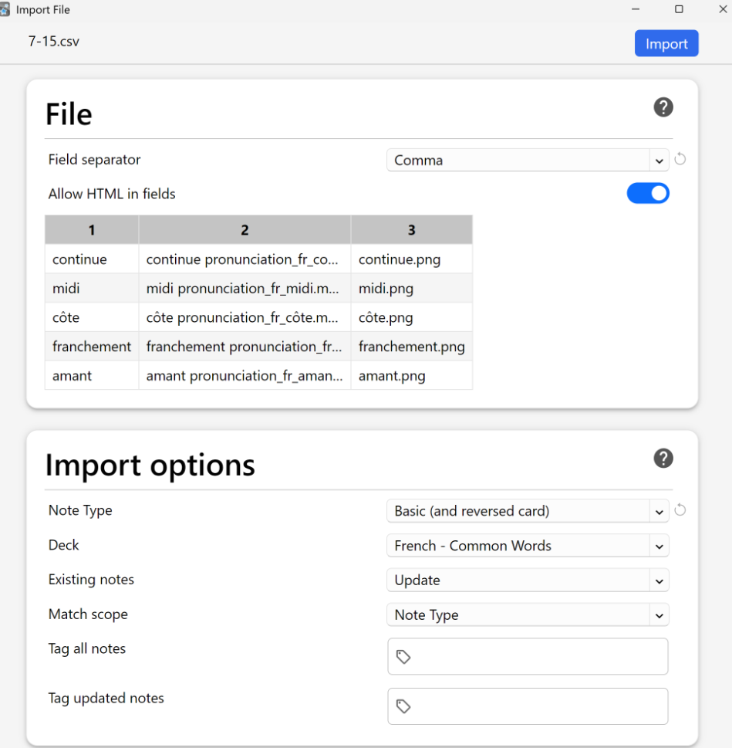 
How to bulk create Anki cards in the style of Gabriel Wyner's Fluent Forever method outlined in his original book (No definition is key, the dictionary and context links are there if you need a reminder, but using a personal image you picked, ideally linked to a memmory will create a stronger connection in your brain and prevent direct translation)
View-Only: Please Make a Copy to Edit |  |  | Go to File > Make a copy and save it to your own Google Drive |  |  | The formula below can be used to bulk create anki cards for studying. If you have a question ask GPT first, then email me shannobrien925@gmail and I will try to anser
midi | <h2 style='color:black;'>Read me midi</h2> [sound:pronunciation_fr_midi.mp3]<br><br><center><a href='https://context.reverso.net/translation/french-english/midi' style='font-size:10px;'>Reverso</a></center><br><center><a href='https://www.collinsdictionary.com/dictionary/french-english/midi' style='font-size:10px;'>Collins</a></center> | <img src='midi.png'/> |  | Read me | 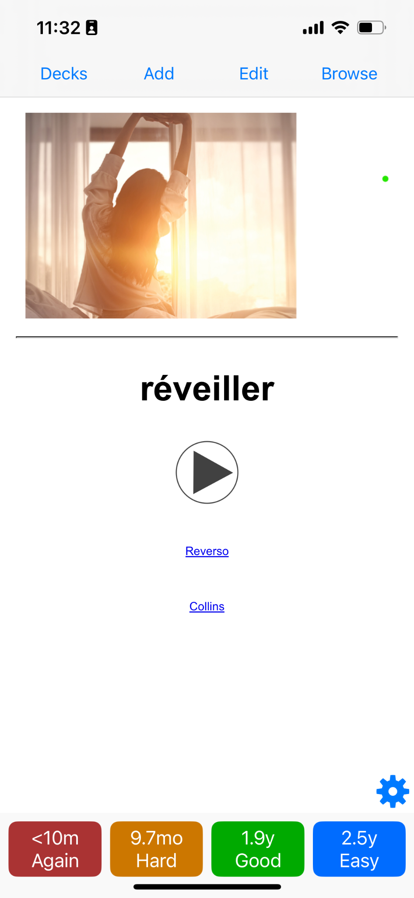 
côte | <h2 style='color:black;'> côte</h2> [sound:pronunciation_fr_côte.mp3]<br><br><center><a href='https://context.reverso.net/translation/french-english/côte' style='font-size:10px;'>Reverso</a></center><br><center><a href='https://www.collinsdictionary.com/dictionary/french-english/côte' style='font-size:10px;'>Collins</a></center> | <img src='côte.png'/>
franchement | <h2 style='color:black;'> franchement</h2> [sound:pronunciation_fr_franchement.mp3]<br><br><center><a href='https://context.reverso.net/translation/french-english/franchement' style='font-size:10px;'>Reverso</a></center><br><center><a href='https://www.collinsdictionary.com/dictionary/french-english/franchement' style='font-size:10px;'>Collins</a></center> | <img src='franchement.png'/>
amant | <h2 style='color:black;'> amant</h2> [sound:pronunciation_fr_amant.mp3]<br><br><center><a href='https://context.reverso.net/translation/french-english/amant' style='font-size:10px;'>Reverso</a></center><br><center><a href='https://www.collinsdictionary.com/dictionary/french-english/amant' style='font-size:10px;'>Collins</a></center> | <img src='amant.png'/>
champion | <h2 style='color:black;'> champion</h2> [sound:pronunciation_fr_champion.mp3]<br><br><center><a href='https://context.reverso.net/translation/french-english/champion' style='font-size:10px;'>Reverso</a></center><br><center><a href='https://www.collinsdictionary.com/dictionary/french-english/champion' style='font-size:10px;'>Collins</a></center> | <img src='champion.png'/>
affreux | <h2 style='color:black;'> affreux</h2> [sound:pronunciation_fr_affreux.mp3]<br><br><center><a href='https://context.reverso.net/translation/french-english/affreux' style='font-size:10px;'>Reverso</a></center><br><center><a href='https://www.collinsdictionary.com/dictionary/french-english/affreux' style='font-size:10px;'>Collins</a></center> | <img src='affreux.png'/>
exiger | <h2 style='color:black;'> exiger</h2> [sound:pronunciation_fr_exiger.mp3]<br><br><center><a href='https://context.reverso.net/translation/french-english/exiger' style='font-size:10px;'>Reverso</a></center><br><center><a href='https://www.collinsdictionary.com/dictionary/french-english/exiger' style='font-size:10px;'>Collins</a></center> | <img src='exiger.png'/>
inquiet | <h2 style='color:black;'> inquiet</h2> [sound:pronunciation_fr_inquiet.mp3]<br><br><center><a href='https://context.reverso.net/translation/french-english/inquiet' style='font-size:10px;'>Reverso</a></center><br><center><a href='https://www.collinsdictionary.com/dictionary/french-english/inquiet' style='font-size:10px;'>Collins</a></center> | <img src='inquiet.png'/>
victoire | <h2 style='color:black;'> victoire</h2> [sound:pronunciation_fr_victoire.mp3]<br><br><center><a href='https://context.reverso.net/translation/french-english/victoire' style='font-size:10px;'>Reverso</a></center><br><center><a href='https://www.collinsdictionary.com/dictionary/french-english/victoire' style='font-size:10px;'>Collins</a></center> | <img src='victoire.png'/>
forêt | <h2 style='color:black;'> forêt</h2> [sound:pronunciation_fr_forêt.mp3]<br><br><center><a href='https://context.reverso.net/translation/french-english/forêt' style='font-size:10px;'>Reverso</a></center><br><center><a href='https://www.collinsdictionary.com/dictionary/french-english/forêt' style='font-size:10px;'>Collins</a></center> | <img src='forêt.png'/>
chasseur | <h2 style='color:black;'> chasseur</h2> [sound:pronunciation_fr_chasseur.mp3]<br><br><center><a href='https://context.reverso.net/translation/french-english/chasseur' style='font-size:10px;'>Reverso</a></center><br><center><a href='https://www.collinsdictionary.com/dictionary/french-english/chasseur' style='font-size:10px;'>Collins</a></center> | <img src='chasseur.png'/>
pistolet | <h2 style='color:black;'> pistolet</h2> [sound:pronunciation_fr_pistolet.mp3]<br><br><center><a href='https://context.reverso.net/translation/french-english/pistolet' style='font-size:10px;'>Reverso</a></center><br><center><a href='https://www.collinsdictionary.com/dictionary/french-english/pistolet' style='font-size:10px;'>Collins</a></center> | <img src='pistolet.png'/>
visiter | <h2 style='color:black;'> visiter</h2> [sound:pronunciation_fr_visiter.mp3]<br><br><center><a href='https://context.reverso.net/translation/french-english/visiter' style='font-size:10px;'>Reverso</a></center><br><center><a href='https://www.collinsdictionary.com/dictionary/french-english/visiter' style='font-size:10px;'>Collins</a></center> | <img src='visiter.png'/>
saigner | <h2 style='color:black;'> saigner</h2> [sound:pronunciation_fr_saigner.mp3]<br><br><center><a href='https://context.reverso.net/translation/french-english/saigner' style='font-size:10px;'>Reverso</a></center><br><center><a href='https://www.collinsdictionary.com/dictionary/french-english/saigner' style='font-size:10px;'>Collins</a></center> | <img src='saigner.png'/>
herbe | <h2 style='color:black;'> herbe</h2> [sound:pronunciation_fr_herbe.mp3]<br><br><center><a href='https://context.reverso.net/translation/french-english/herbe' style='font-size:10px;'>Reverso</a></center><br><center><a href='https://www.collinsdictionary.com/dictionary/french-english/herbe' style='font-size:10px;'>Collins</a></center> | <img src='herbe.png'/>
bouge | <h2 style='color:black;'> bouge</h2> [sound:pronunciation_fr_bouge.mp3]<br><br><center><a href='https://context.reverso.net/translation/french-english/bouge' style='font-size:10px;'>Reverso</a></center><br><center><a href='https://www.collinsdictionary.com/dictionary/french-english/bouge' style='font-size:10px;'>Collins</a></center> | <img src='bouge.png'/>
identité | <h2 style='color:black;'> identité</h2> [sound:pronunciation_fr_identité.mp3]<br><br><center><a href='https://context.reverso.net/translation/french-english/identité' style='font-size:10px;'>Reverso</a></center><br><center><a href='https://www.collinsdictionary.com/dictionary/french-english/identité' style='font-size:10px;'>Collins</a></center> | <img src='identité.png'/>
glisser | <h2 style='color:black;'> glisser</h2> [sound:pronunciation_fr_glisser.mp3]<br><br><center><a href='https://context.reverso.net/translation/french-english/glisser' style='font-size:10px;'>Reverso</a></center><br><center><a href='https://www.collinsdictionary.com/dictionary/french-english/glisser' style='font-size:10px;'>Collins</a></center> | <img src='glisser.png'/>
vieil | <h2 style='color:black;'> vieil</h2> [sound:pronunciation_fr_vieil.mp3]<br><br><center><a href='https://context.reverso.net/translation/french-english/vieil' style='font-size:10px;'>Reverso</a></center><br><center><a href='https://www.collinsdictionary.com/dictionary/french-english/vieil' style='font-size:10px;'>Collins</a></center> | <img src='vieil.png'/>
gaffe | <h2 style='color:black;'> gaffe</h2> [sound:pronunciation_fr_gaffe.mp3]<br><br><center><a href='https://context.reverso.net/translation/french-english/gaffe' style='font-size:10px;'>Reverso</a></center><br><center><a href='https://www.collinsdictionary.com/dictionary/french-english/gaffe' style='font-size:10px;'>Collins</a></center> | <img src='gaffe.png'/>

How to use:

Step 1: Set Up Media Files
Place all audio/image files in your Anki collection.media folder. See below and ask gpt for help finding if you have trouble Make sure the photo file names match exactly what’s in the sheet (e.g., midi.png, forêt.mp3) saving screenshots is fast There is no need to rename audio file names as the code is set to use the default file name from forvo
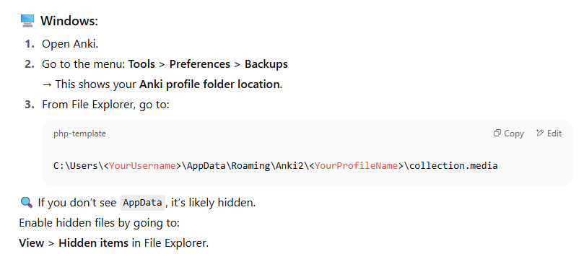

Step 2: Copy and Check the code
Copy the code in cell B3 and C3 to your new sheet. From there you can click and drag to fill the rest of the sheet If you click on cell B or C the row it refrences should match the rwo it is in ( see image) The code will always use the value in comumn A for the audio and the photo file name
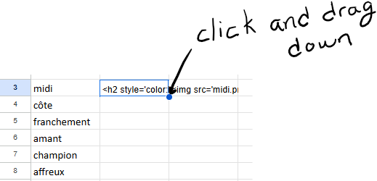 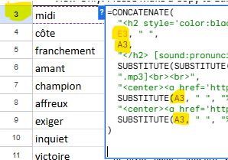 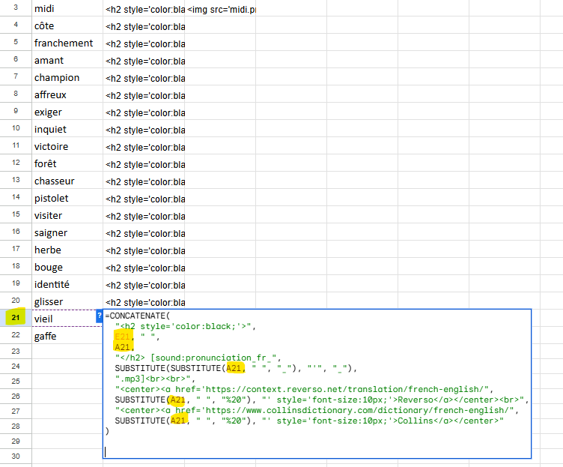

Step 3: Download as CSV
Dowload the sheet as a .csv file (from your personal google drive copy) Upload into Anki and make sure the anki settings match the photo below

