Key photos
Preview | Finding / material | Assessment | Place | Caption | Courtesy / rights holder named | Scattered Legacy page | Image URL | Local research copy | Download status | Rights note
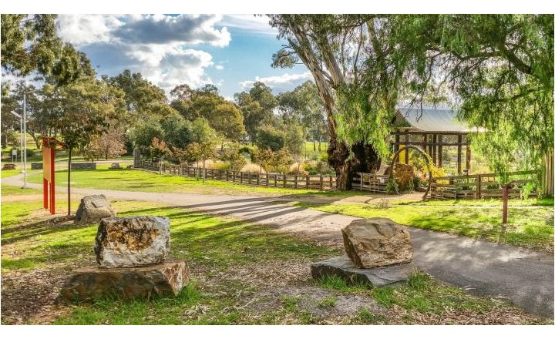 | Avoca Chinese Garden | Missing candidate — investigate/add | Avoca | Avoca Chinese Garden | Goldfields Guide | https://www.scatteredlegacy.org.au/posts/avoca-chinese-garden | https://www.goldfieldsguide.com.au/places/avoca/avoca-chinese-garden-10678-718w.webp | scattered_legacy_key_photos/avoca-chinese-garden.jpg | Downloaded and embedded for research reference | Research-reference copy only. Confirm reuse permission with the named rights holder/institution.
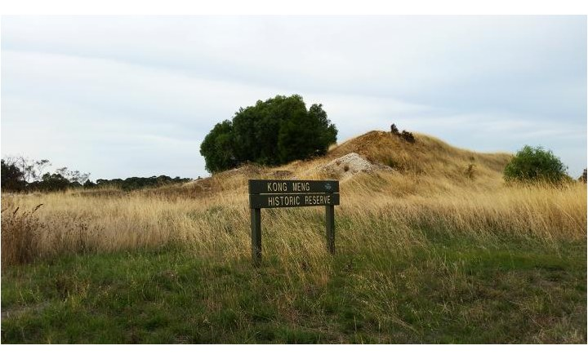 | Kong Meng Historic Reserve | Missing candidate — investigate/add | Majorcia | Kong Meng Historic Reserve | Goldfields Guide | https://www.scatteredlegacy.org.au/posts/kong-meng-historic-reserve | https://www.goldfieldsguide.com.au/places/majorca/kong-meng-historic-reserve-939-718w.webp | scattered_legacy_key_photos/kong-meng-historic-reserve.jpg | Downloaded and embedded for research reference | Research-reference copy only. Confirm reuse permission with the named rights holder/institution.
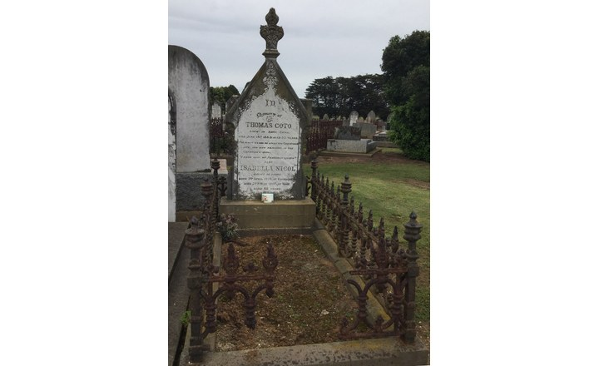 | Thomas Coto, Gravestone | Missing candidate — investigate/add | Sale | Thomas Coto 2 | Linda Barraclough | https://www.scatteredlegacy.org.au/posts/thomas-coto-gravestone | https://scatteredlegacy.s3.ap-southeast-2.amazonaws.com/api/media/file/ulf_860_Thomas%20Coto%202.jpeg | scattered_legacy_key_photos/thomas-coto-gravestone.jpg | Downloaded and embedded for research reference | Research-reference copy only. Confirm reuse permission with the named rights holder/institution.
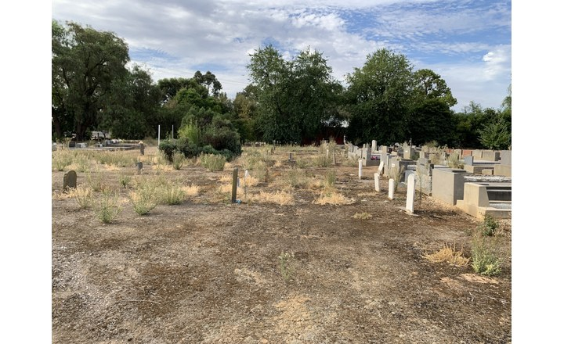 | Chinese Section, Wangaratta Cemetery | Missing candidate — investigate/add | Wangaratta | Chinese Section, Wangaratta Cemetery | CAHS | https://www.scatteredlegacy.org.au/posts/chinese-section-wangaratta-cemetery | https://scatteredlegacy.s3.ap-southeast-2.amazonaws.com/api/media/file/ulf_799_IMG_3477.jpeg | scattered_legacy_key_photos/chinese-section-wangaratta-cemetery.jpg | Downloaded and embedded for research reference | Research-reference copy only. Confirm reuse permission with the named rights holder/institution.
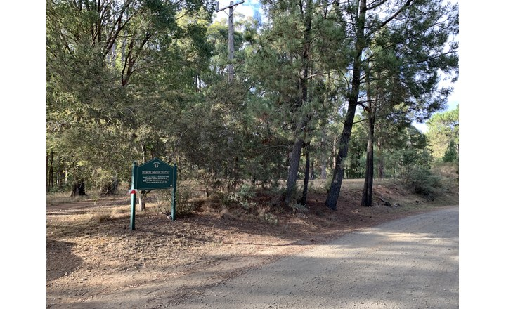 | Pioneer Cemetery, Stanley | Missing candidate — investigate/add | Stanley |  |  | https://www.scatteredlegacy.org.au/posts/pioneer-cemetery-stanley- | https://scatteredlegacy.s3.ap-southeast-2.amazonaws.com/api/media/file/ulf_800_Photo%2012-3-2024%2C%208%2054%2031%E2%80%AFam.jpg | scattered_legacy_key_photos/pioneer-cemetery-stanley-.jpg | Downloaded and embedded for research reference | Research-reference copy only. Confirm reuse permission with the named rights holder/institution.
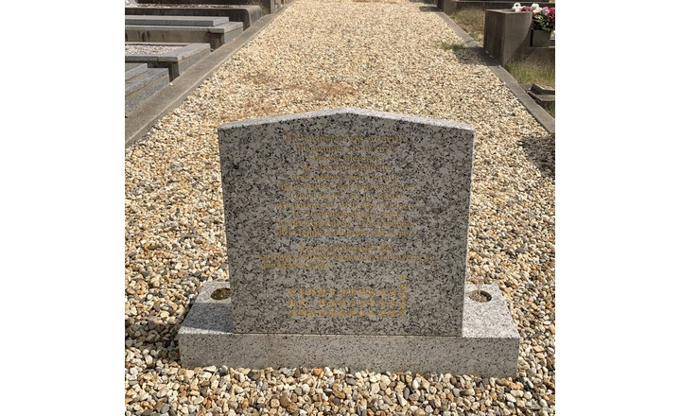 | Myrtleford Cemetery | Missing candidate — investigate/add | Myrtleford | Memorial Chinese section, Myrtleford cemetery. | CAHS | https://www.scatteredlegacy.org.au/posts/myrtleford-cemetery | https://scatteredlegacy.s3.ap-southeast-2.amazonaws.com/api/media/file/ulf_864_memorial%20back.jpg | scattered_legacy_key_photos/myrtleford-cemetery.jpg | Downloaded and embedded for research reference | Research-reference copy only. Confirm reuse permission with the named rights holder/institution.
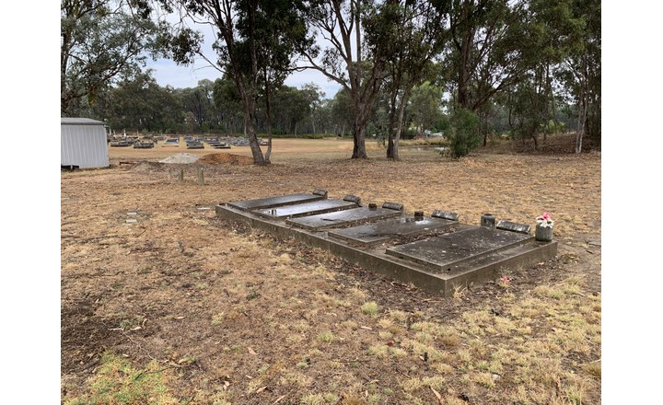 | Chiltern Cemetery | Missing candidate — investigate/add | Chiltern | Chiltern Cemetery | CAHS | https://www.scatteredlegacy.org.au/posts/chiltern-cemetery | https://scatteredlegacy.s3.ap-southeast-2.amazonaws.com/api/media/file/ulf_834_Photo%2014-3-2024%2C%2011%2005%2009%E2%80%AFam.jpg | scattered_legacy_key_photos/chiltern-cemetery.jpg | Downloaded and embedded for research reference | Research-reference copy only. Confirm reuse permission with the named rights holder/institution.
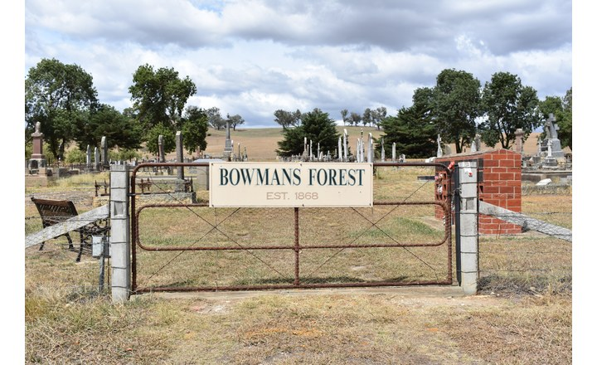 | Bowmans Forest Cemetery | Missing candidate — investigate/add | Bowmans Forest | Bowmans Forest Cemetery | Ren Raven | https://www.scatteredlegacy.org.au/posts/bowmans-forest-cemetery | https://scatteredlegacy.s3.ap-southeast-2.amazonaws.com/api/media/file/ulf_495_BowmansForest_gates_RR.JPG | scattered_legacy_key_photos/bowmans-forest-cemetery.jpg | Downloaded and embedded for research reference | Research-reference copy only. Confirm reuse permission with the named rights holder/institution.
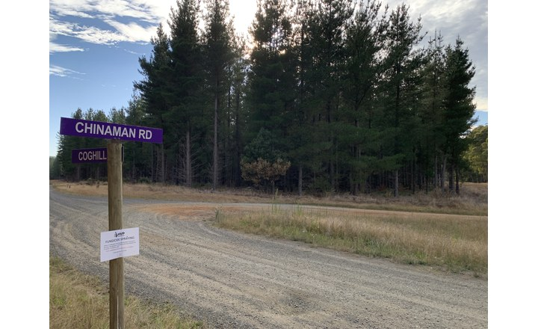 | Alluvial goldfields, Stanley | Missing candidate — investigate/add | Stanley |  |  | https://www.scatteredlegacy.org.au/posts/alluvial-goldfields-stanley | https://scatteredlegacy.s3.ap-southeast-2.amazonaws.com/api/media/file/ulf_816_Photo%2012-3-2024%2C%208%2058%2018%E2%80%AFam.jpg | scattered_legacy_key_photos/alluvial-goldfields-stanley.jpg | Downloaded and embedded for research reference | Research-reference copy only. Confirm reuse permission with the named rights holder/institution.
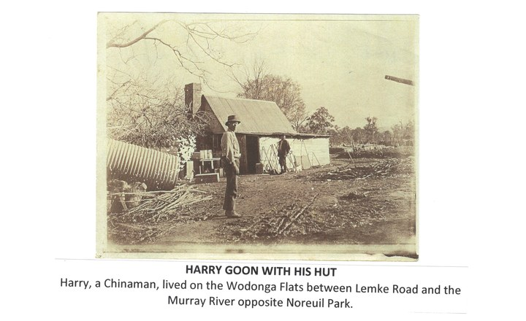 | Harry Goon's Hut, Wodonga | Missing candidate — investigate/add | Wodonga | Harry Goon's Hut | Wodonga & District Historical Society | https://www.scatteredlegacy.org.au/posts/harry-goons-hut-wodonga | https://scatteredlegacy.s3.ap-southeast-2.amazonaws.com/api/media/file/ulf_839_Photo%2017-3-2024%2C%2010%2051%2029%E2%80%AFam%20%281%29%20%281%29.jpg | scattered_legacy_key_photos/harry-goons-hut-wodonga.jpg | Downloaded and embedded for research reference | Research-reference copy only. Confirm reuse permission with the named rights holder/institution.
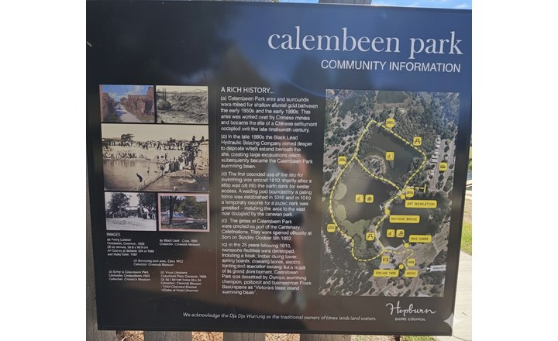 | Creswick Chinese Camp | Missing candidate — investigate/add | Creswick | Chinese camp, Creswick | Hepburn Shire Council | https://www.scatteredlegacy.org.au/posts/creswick-chinese-camp | https://scatteredlegacy.s3.ap-southeast-2.amazonaws.com/api/media/file/Chinese%20camp.png | scattered_legacy_key_photos/creswick-chinese-camp.jpg | Downloaded and embedded for research reference | Research-reference copy only. Confirm reuse permission with the named rights holder/institution.
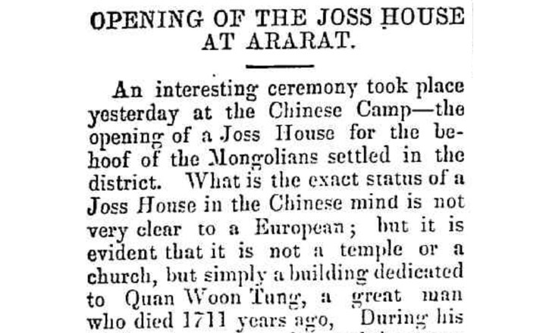 | Ararat Joss House | Missing documentary lead — verify before mapping | Ararat | Ararat Joss House | Ovens and Murray Advertiser (Beechworth, Vic. : 1855; 1857 - 1890; 1892 - 1955) Sat 29 Mar 1873 Page 8 | https://www.scatteredlegacy.org.au/posts/ararat-joss-house | https://scatteredlegacy.s3.ap-southeast-2.amazonaws.com/api/media/file/Screenshot%202025-10-10%20at%2010.17.41%E2%80%AFAM.png | scattered_legacy_key_photos/ararat-joss-house.jpg | Downloaded and embedded for research reference | Research-reference copy only. Confirm reuse permission with the named rights holder/institution.
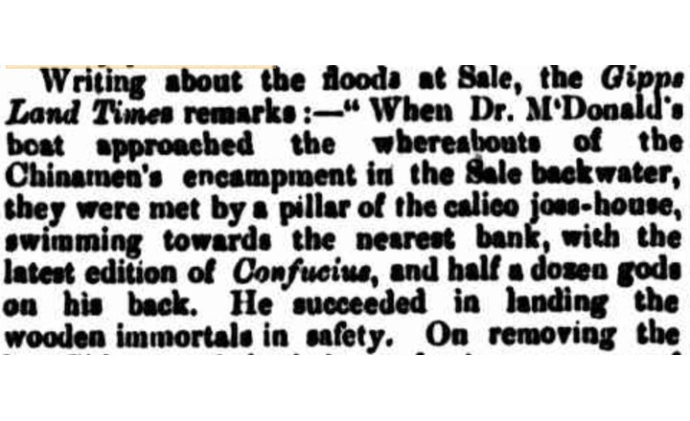 | Sale Joss House | Missing documentary lead — verify before mapping | Sale | Sale | The Mercury, 18 October 1866, p.3. | https://www.scatteredlegacy.org.au/posts/sale-joss-house | https://scatteredlegacy.s3.ap-southeast-2.amazonaws.com/api/media/file/Screenshot%202025-10-16%20at%205.40.59%E2%80%AFPM.png | scattered_legacy_key_photos/sale-joss-house.jpg | Downloaded and embedded for research reference | Research-reference copy only. Confirm reuse permission with the named rights holder/institution.
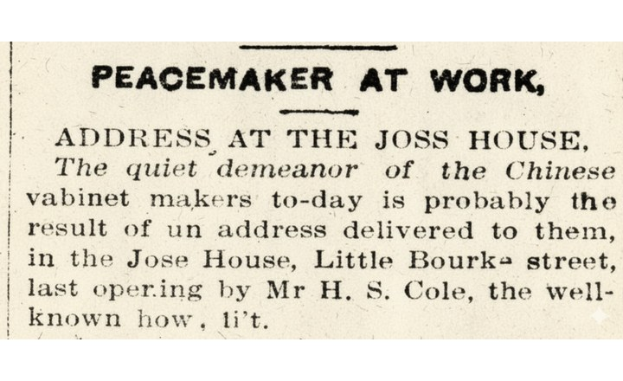 | Little Bourke street, Joss House | Missing documentary lead — verify before mapping | Melbourne | Little Bourke street, Joss House | Illustrated Australian News for Home Readers, 13 August 1872, p.168. | https://www.scatteredlegacy.org.au/posts/little-bourke-street-joss-house | https://scatteredlegacy.s3.ap-southeast-2.amazonaws.com/api/media/file/Gemini_Generated_Image_deo9t8deo9t8deo9.png | scattered_legacy_key_photos/little-bourke-street-joss-house.jpg | Downloaded and embedded for research reference | Research-reference copy only. Confirm reuse permission with the named rights holder/institution.
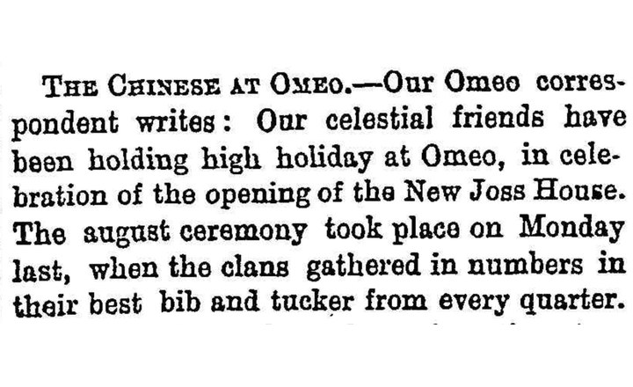 | Omeo Joss House | Missing documentary lead — verify before mapping | Omeo | Omeo Joss House | Ovens and Murray Advertiser, 5 December 1872, p.1. | https://www.scatteredlegacy.org.au/posts/omeo-joss-house | https://scatteredlegacy.s3.ap-southeast-2.amazonaws.com/api/media/file/Screenshot%202025-10-20%20at%2010.31.16%E2%80%AFAM.png | scattered_legacy_key_photos/omeo-joss-house.jpg | Downloaded and embedded for research reference | Research-reference copy only. Confirm reuse permission with the named rights holder/institution.
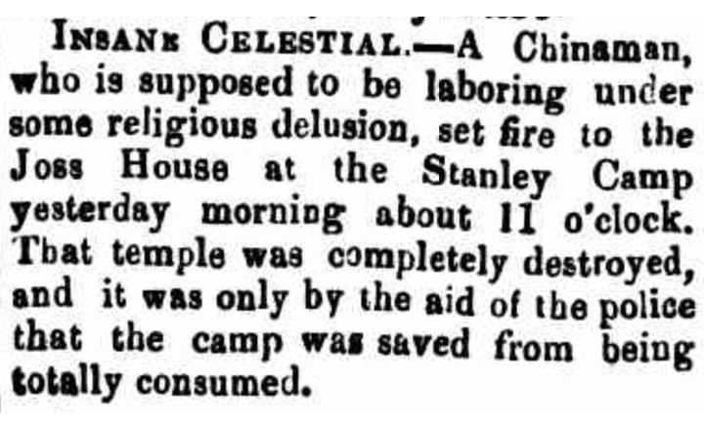 | Stanley Joss House | Missing documentary lead — verify before mapping | Stanley | Stanley Joss House | Ovens and Murray Advertiser, 1 January 1863, p.2. | https://www.scatteredlegacy.org.au/posts/stanley-joss-house | https://scatteredlegacy.s3.ap-southeast-2.amazonaws.com/api/media/file/Screenshot%202025-10-21%20at%201.31.17%E2%80%AFPM.png | scattered_legacy_key_photos/stanley-joss-house.jpg | Downloaded and embedded for research reference | Research-reference copy only. Confirm reuse permission with the named rights holder/institution.

