Test
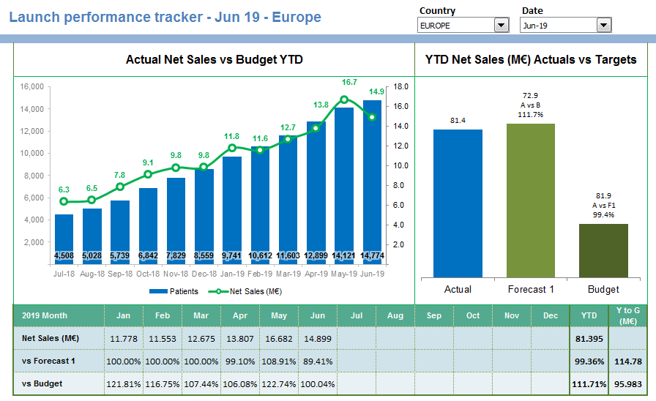

Create a Power BI Report as shown in the Picture
Report should be a dymanic one where the numbers in table and chart should change based on selection
Source data is available in 'Source Data' sheet having 4 tables
Format should as shown in the picture
Dropdown selection and changes expected
Country: Numbers in both charts and bottom table to take correct numbers based on country selection

Data:
Chart 1 (Actual Net Sales vs Budget YTD) - Based on date selection the bar chart should consider previous 12 months YTD budget sales and the line chart should consider net sales
Chart 2 (YTD Net Sales - Actuals vs. Target) - Based on date selection the bar chart should show the current month YTD comparison sales figures
Table 1: Should show the numbers as per the headers

Clues:
1) Formula for Actual sales vs budget YTD : Total Actual Sales(Sum) / Total Budget till selected date(Sum)
2) Create as many KPIs and charts possible from the datasets available for better understanding.
3) YTD: Year to date, YTG: Year To Go(full year - YTD), KPI: Key Performance Indicators

