VPN Gateway 1
Virtual Network 10.1.0.0/16 |  |  |  |  |  |  | Virtual Network 172.16.18.0/17

 | Dev Subnet 10.1.0.0/24 |  | Gateway Subnet 10.1.1.0/24 |  |  |  |  | Gateway Subnet 172.16.130.0/24 |  |  |  | Dev Subnet 172.16.129.0/24

 |  | VM01 |  | VPN |  | Add Connection 1->2 |  |  | VPN |  | NSG |  | VM01
 |  | 10.1.0.100 |  |  |  |  |  |  |  |  |  |  | 172.16.129.128
 |  |  |  |  | Public IP |  |  | Public IP
 |  | Dev |  | Gateway |  |  |  |  |  | Gateway |  |  | Web

 |  |  |  |  |  | Add Connection 2 -> 1

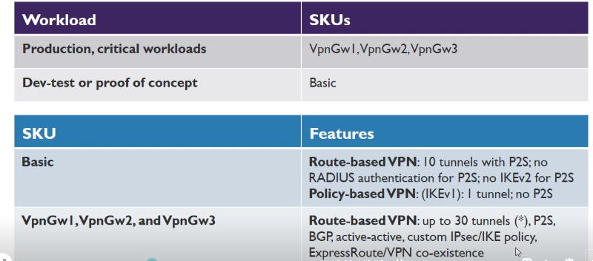

 |  |  |  | Public IP
 |  |  | Gateway

 |  |  |  | Active | Passive

 |  |  |  | Gateway | Gateway

 | 1. Create a virtual network

 | 2. Add a gateway subnet

 | 3. Specify a DNS server (optional)

 | 4. Create a virtual network gateway

 | 5. Generate certificates

 | 6. Add the client address pool

 | 7. Configure the tunnel type

 | 8. Configure the authentication type

 | 9. Upload the root certificate public certificate data

 | 10. Install an exported client certificate

 | 11. Generate and install the VPN client configuration package

 | 12. Connect to Azure

