Title
Structural Calculations

Project No:
Project Address: |  |  | 54 Buchan Street, Christchurch (Building A)

Date: |  |  | 08/02/2022
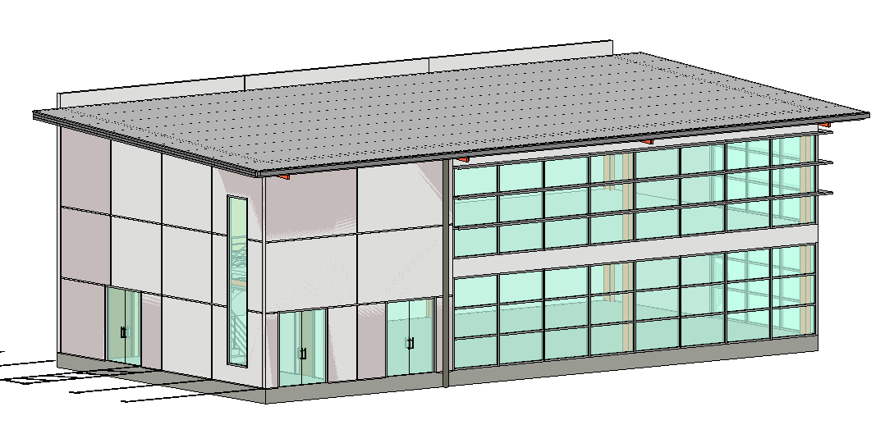

Change Tracking:
Issue | Description |  |  | Date | Prep. by | Checked by

1 | For building consent |  |  | 26/05/2020 | DC

Table of Contents
1 | – | #REF!
2 | – | #REF!
3 | – | #REF!
4 | – | #REF!
5 | – | #REF!
6 | – | #REF!
7 | – | #REF!
8 | – | #REF!
9 | – | #REF!
10 | – | #REF!
11 | – | #REF!
12 | – | #REF!
13 | – | #REF!
14 | – | #REF!
15 | – | #REF!
16 | – | #REF!
17 | – | #REF!

