Sheet1
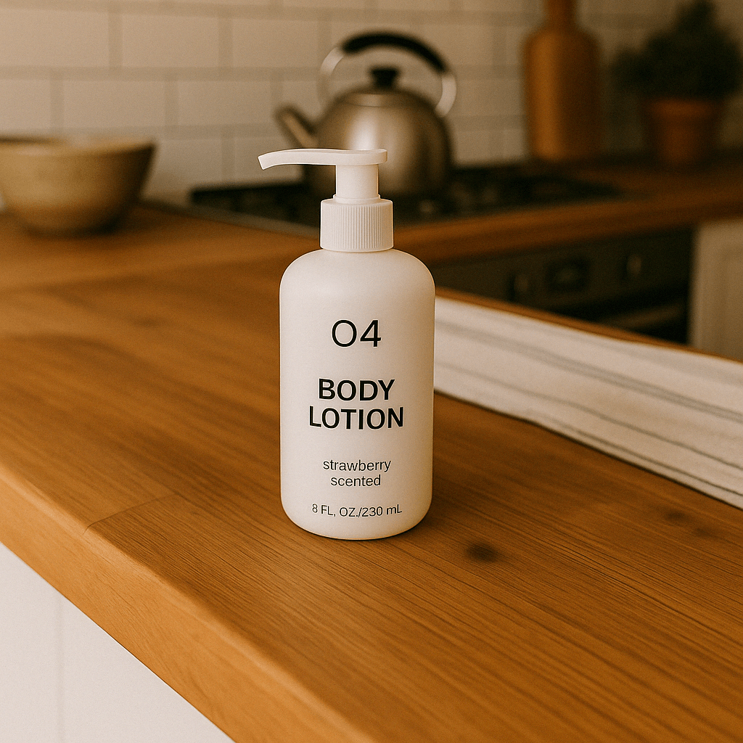

Texttint

Saumya

