Data Entry
Data Entry, Simple Calculations & Hidden Feature
Learn how to input, edit and format data
Our aim is to get the data looking like this
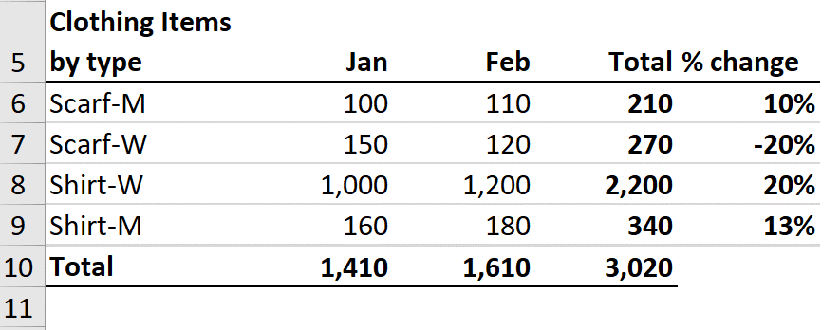
Clothing Items
by type | Jan | Feb | Total | % change
Scarf-M | 100 | 110 | 210 | 10%
Scarf-W | 150 | 120 | 270 | -20%
Scarf-W | 1,000 | 1,200 | 2,200 | 20%
Scarf-M | 160 | 180 | 340 | 13%
Total | 1,410 | 1,610 | 3,020

Dates
Inputting Dates & Time Stamps

Input Date | 4-Dec-12

Become Pro - Select the cell and press Ctrl + # to convert the date to DD-MMM-YY format (this makes it easier to read).
Time Stamp (Date) | 4-Dec-12

Time Stamp (Date & Time) | 6/23/23
To insert a time stamp for date and time: Press Ctrl + ; then space and then Ctrl + Shift + ;
If Ctrl + Shift + ; doesn't work for you, try Ctrl + shift + :

For inputting year:
0 to 29 = this century
30-99 = last century
To type a date before 1/1/1930, you need to type the 4-digit year.

AutoFill
AutoFill to Save Time

TRY THIS - Click on cell A4 and pull down the fill handle until cell A16.
Repeat for Cells B4 to E4. What do you notice?
Text | Number | Months | Weekday | Date
Scarf | 1 | Jan | Monday | 2019-07-20
Scarf | 2 | Feb | Tuesday | 2019-07-21
Scarf | 3 | Mar | Wednesday | 2019-07-22
Scarf | 4 | Apr | Thursday | 2019-07-23
Scarf | 5 | May | Friday | 2019-07-24
Scarf | 6 | Jun | Saturday | 2019-07-25
Scarf | 7 | Jul | Sunday | 2019-07-26
Scarf | 8 | Aug | Monday | 2019-07-27
Scarf | 9 | Sep | Tuesday | 2019-07-28
Scarf | 10 | Oct | Wednesday | 2019-07-29
Scarf | 11 | Nov | Thursday | 2019-07-30
Scarf | 12 | Dec | Friday | 2019-07-31
Scarf | 13 | Jan | Saturday | 2019-08-01

FlashFill
Flash Fill - Speedup Data Entry
Use Flashfill instead of manual entry

TRY THIS - Input the first line, mark the cell and press Control + E (or pull down the fill handle and from the selection box at the bottom, select flash fill)
Name | First Name | Last Name | Name | Email | Name | Proper Case | Name | Initials
Gary Miller | Gary | Miller | Gary Miller | gary.miller@gmail.com | gary miller | Gary Miller | Gary Miller | GM
James Willard | James | Willard | James Willard | james.willard@gmail.com | James willard | James Willard | James Willard | JW
Richard Elliot | Richard | Elliot | Richard Elliot | richard.elliot@gmail.com | Richard elliot | Richard Elliot | Richard Elliot | RE
Robert Spear | Robert | Spear | Robert Spear | robert.spear@gmail.com | Robert Spear | Robert Spear | Robert Junior Spear | RJS
Roger Mun | Roger | Mun | Roger Mun | roger.mun@gmail.com | Roger Mun | Roger Mun | Roger Mun | RM
Paul Garza | Paul | Garza | Paul Garza | paul.garza@gmail.com | paul Garza | Paul Garza | Paul Garza | PG
Robert Marquez | Robert | Marquez | Robert Marquez | robert.marquez@gmail.com | Robert marquez | Robert Marquez | Robert Marquez | RM
Natalie Porter | Natalie | Porter | Natalie Porter | natalie.porter@gmail.com | natalie porter | Natalie Porter | Natalie Porter | NP
Kim West | Kim | West | Kim West | kim.west@gmail.com | Kim west | Kim West | Kim Sophie West | KSW

First Name | Last Name | Name | Product | Woman / Man | Date | Year
Gary | Miller | Gary Miller | Watch-W | W | 2019-02-23 | 2019
James | Willard | James Willard | Scarf-M | M | 2019-04-12 | 2019
Richard | Elliot | Richard Elliot | Shirt-M | M | 2019-08-23 | 2019
Robert | Spear | Robert Spear | Shirt-M | M | 2020-05-06 | 2020
Roger | Mun | Roger Mun | Scarf-W | W | 2020-03-04 | 2020
Paul | Garza | Paul Garza | Watch-M | M | 2019-03-24 | 2019
Robert | Marquez | Robert Marquez | Scarf-W | W | 2021-02-08 | 2021
Natalie | Porter | Natalie Porter | Shirt-W | W | 2020-07-21 | 2020
Sometimes for flash fill to recognize a pattern, you need to give it more info by inputting data for more than 1 cell.
Kim | West | Kim West | Scarf-W | W | 2020-10-28 | 2120

Custom List
Custom Lists with Autofill

TRY THIS - Add the region list to a custom list:
Go to File / Options / Advanced / Edit Custom Lists. Click in the Import box and reference the cells under Region.
Open a new workbook (press Control + N). Input North America in the first cell and pull down the fill handle. What do you notice?
Region
North America
South America
Asia
Europe
Australia

Good to Know: Custom lists are stored in your computer registry.

Comments
Inputting & Editing Comments & Notes

Good to Know: Excel Notes in Office 365 are called Excel Comments in stand-alone versions of Excel.
Excel Notes
Region | Sales
North America | 2500
South America | 2300
Asia | 6200
Europe | 9600
Australia | 1800

Excel Comments - If you have Excel for Office 365 you can follow along with the video tutorial

Region | Sales
North America | 2500
South America | 2300
Asia | 6200
Europe | 9600
Australia | 1800

FormulaCells
Recognizing Formula & Input Cells

App by Segment / Revenue $

To quickly highlight formula cells, go to Home, Find & Select, Formulas.
Games segment |  | 2020 |  | 2021 |  | 2022 |  | 2023
 | Pes | 41,722 |  | 46,358 |  | 45,316 |  | 46,222
 | Baden | 37,023 |  | 35,260 |  | 35,980 |  | 34,901
 | Twistrr | 26,626 |  | 28,027 |  | 27,211 |  | 27,483
 | Games Other | 96,101 |  | 104,458 |  | 102,109 |  | 103,641
 | Total | 201,473 | 0 | 214,104 | 0 | 210,616 | 0 | 212,247

Shortcut for Go-to Special is Control + G - then click on "Special" or Alt + S
Productivity segment
 | Blend | 18,206 |  | 16,551 |  | 17,990 |  | 18,170
 | Pet Feed | 18,255 |  | 18,074 |  | 16,735 |  | 16,735
 | Mirrrr | 15,008 |  | 15,314 |  | 15,627 |  | 14,689
 | Productivity Other | 115,682 |  | 113,414 |  | 112,291 |  | 110,045
 | Total | 167,151 | 0 | 163,353 | 0 | 162,643 | 0 | 159,639

TRY THIS - Highlight D6 to J17. Go to Home, Find & Select, Constants. What do you notice?

DataValidation
Basic Data Validation

Please input the following information for your team

TRY THIS - Apply data validation to this section.
Name | Employee ID | Segment | Start Date
Kim West | 250 | Productivity | 2015-10-18
Stevie Bridge | 365 | Game | 2018-08-08
Roger Mun | 985 | Productivity | 2018-08-16
Paul Hill | 158 | Utility | 2017-12-03

Version with Data Validation

Data validation ensures users don't make mistakes when filling out templates or inputting data.
Name | Employee ID | Segment | Start Date
Kim West | 250 | Productivity | 2015-10-18
Stevie Bridge | 365 | Game | 2018-08-08
Roger Mun | 985 | Productivity | 2018-08-16
Paul Hill | 158 | Game | 2017-12-03

