Sheet1
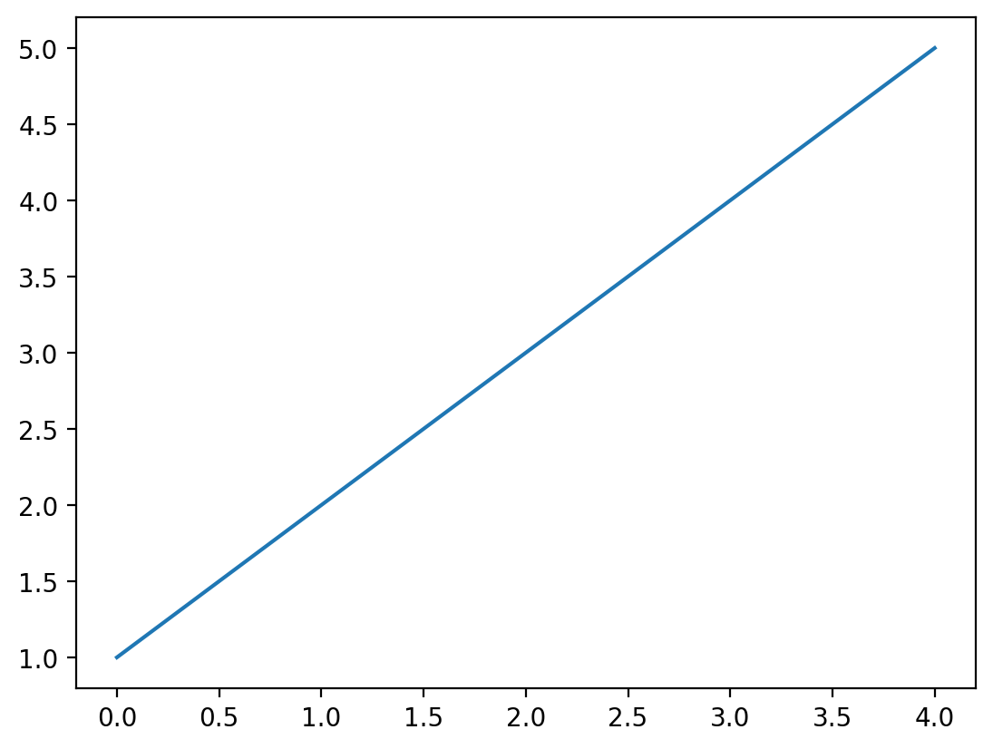
 | a | b
0 | 1 | 2
1 | 3 | 4

