Sheet 3
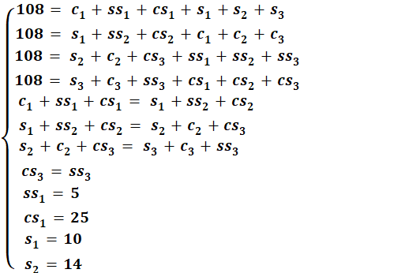
 | variable | Train | Test
Scalpel nº4 | - | 315 | 135
+ Straight Dissection Clamp | c­1 | 46 | 24
+ Straight Mayo Scissor | ss1 | 44 | 5
+ Curved Mayo Scissor | cs1 | 36 | 25
Straight Dissection Clamp | - | 315 | 135
+ Scalpel nº4 | s1 | 54 | 10
+ Straight Mayo Scissor | ss2 | 32 | 32
+ Curved Mayo Scissor | cs2 | 40 | 12
Straight Mayo Scissor | - | 315 | 135
+ Scalpel nº4 | s2 | 46 | 14
+ Straight Dissection Clamp | c­2 | 30 | 23
+ Curved Mayo Scissor | cs3 | 50 | 17
Curved Mayo Scissor | - | 315 | 135
+ Scalpel nº4 | s3 | 26 | 30
+ Straight Dissection Clamp | c­3 | 50 | 7
+ Straight Mayo Scissor | ss3 | 50 | 17 | As previously explained, the initial amount of images with combined instruments to split is 360 of which 108 (30%) will go to the test group and the rest (252) to the train group. In order to simplify the calculations, the initial focus was on finding the test group.
All 4 classes present |  | 70 | 30
Total |  | 1834 | 786

 |  |  |  | The first 4 equations translate that the sum of all images with a determined instrument must be equal to 108 and the following 3 equations are meant to balance the amount of times a determined tool is occluded (on the bottom) which is important for the training of the networks handling occlusion. The last parameters were necessary so that the equation system would be solvable and their values were a mixture between intuition and trial and error to achieve the best results.

 |  |  |  | The values for the train group are obtained by subtracting the same variables of the test group to the values presented in Sheet 1

