Formula
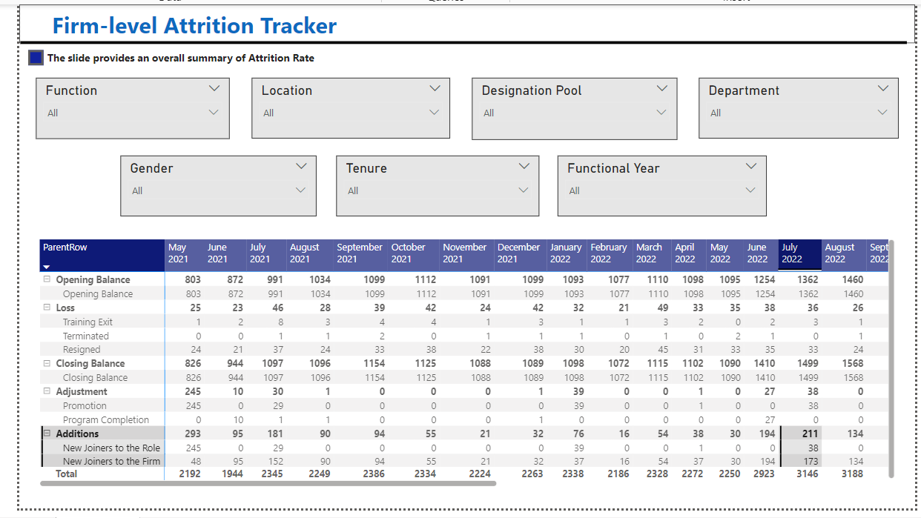
Opening Balance | Closing balance of last month = Opening Balance of Current Month
Closing Balance | Opening Balance - Loss + New Joiner to Firm
Loss | Resign + Terminated + Training Exit

