Dashboard
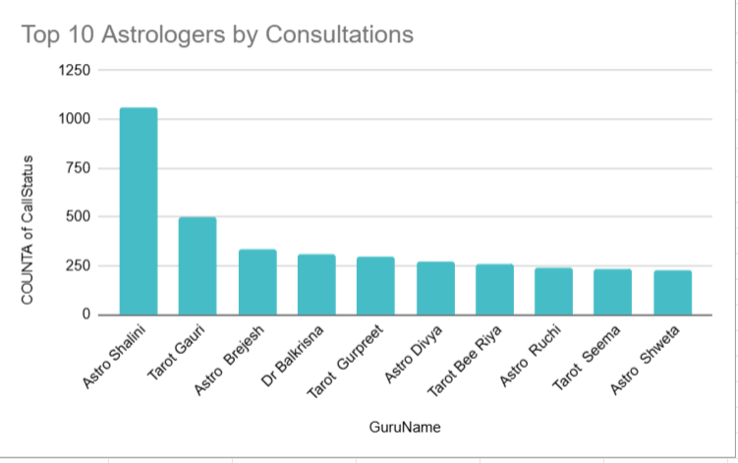
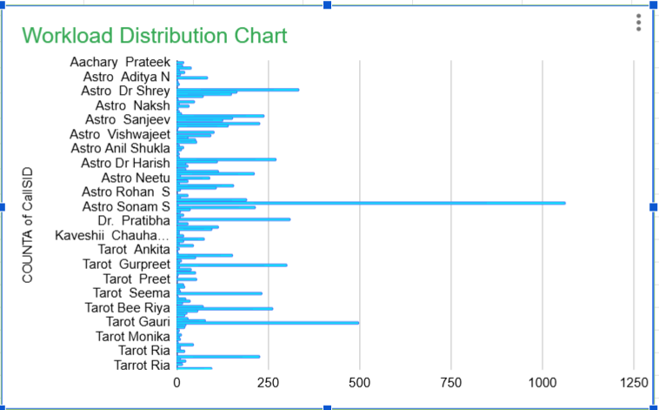
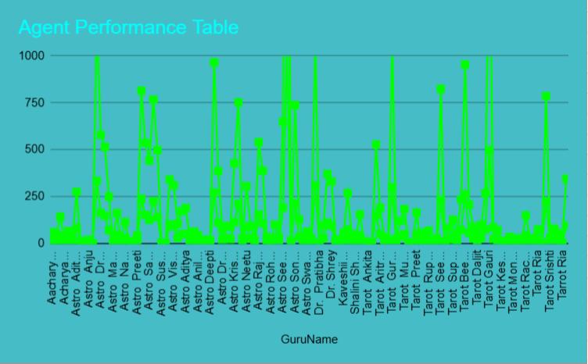
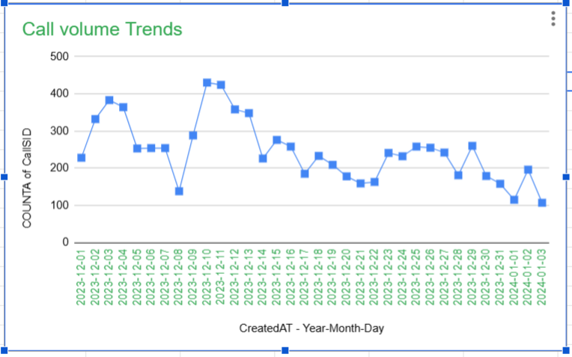
Astrosage PlatForm Analysis
A comprehansive Anslysis of online Astrology Consultation Platform

28,027
Total Sessions
↑ 12% from last month
10,344
Unique Users
↑ 8% from last month
149
Active Astrologers
↑ 5% from last month
₹665,387
Total Revenue
↑ 15% from last month
2.93
Avg Rating
↑ 0.2 from last month
246
Daily Volume
↑ 3% from last mont

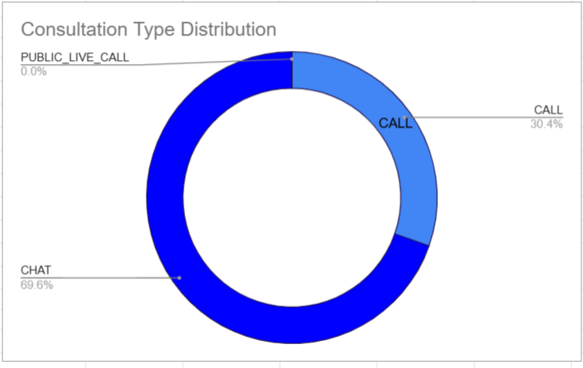
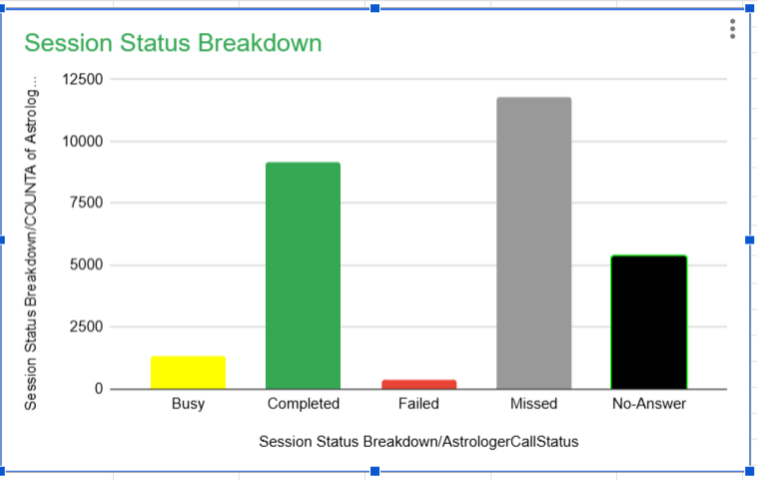

total call count-8508 percentage- 30.4%
Total chat count-19514 percenatge-69.6
Busy-4.9%
Completed-32.73%
Failed- 1.35%
Missed-41.99%
No Answer-19.15%

