VPC Fundamentals
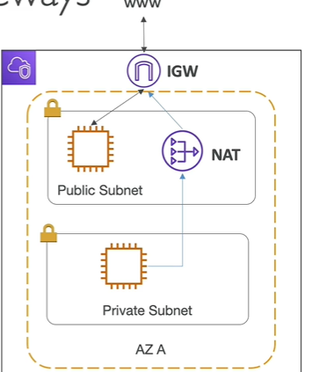
Terms | Full Form | Definition | NOTE
VPC | Virtual Private Cloud | private network to deploy resources( regional resource) | one default VPC per AWS region
Subnet |  | allow to partition nwtwork inside VPC (AZ resource) | launching ec2 instance, tied to AZ
 |  | public subnet | accessible from the internet
 |  | private subnet | not accessible from the internet
IGW | Internet Gateway | help VPC instance connect with the internet | at VPC level, provide internet access
NAT | Network address translation | private subnet will access by NAT and it connect to IGW
NACL | Netwok Access Control List | a firewall which control traffic from and to subnet | attached at subnet level
 |  |  | can have allow and deny rules
 |  |  | support allow and deny rules
 |  | security group | operate at instance level
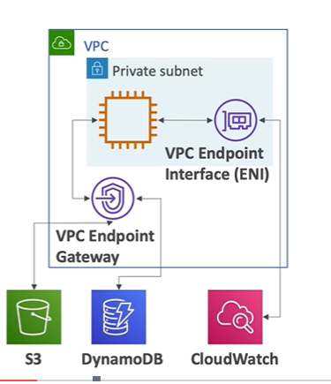
 |  |  | support allow rules only
VPC Peering |  | connect two VPC privately using AWS network with non overlapping ip ranges
VPC Endpoint |  | provide private access to aws service(privately) within VPC | ex:) s3 and dynamo db
 |  |  | used within VPC
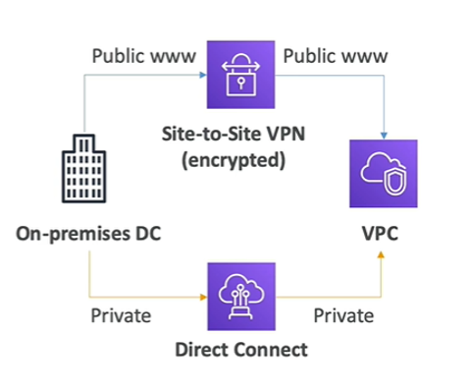
On premises DC |  | is a group of server that privately own and control

 |  | lamp stack on ec2: linux -os for ec2 instance, apache : web server that run on linux(ec2), mysql: database on RDS,php :---application logic( runing on ec2)

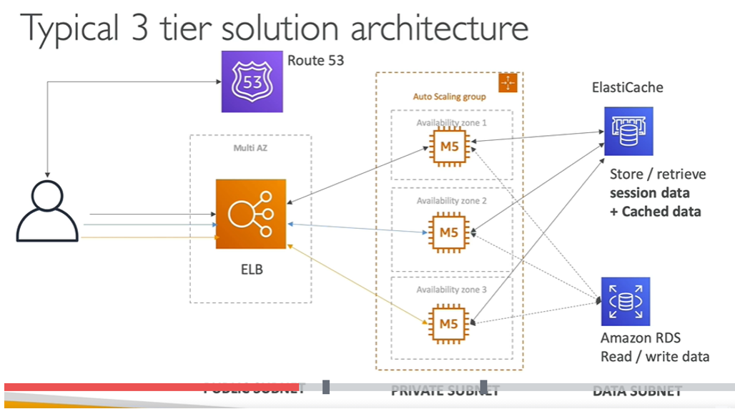
 |  |  | three tier architecture

aws elastic beanstalk
Terms | Full Form | Definition | NOTE
Elastic Beanstalk |  | AWS Elastic Beanstalk is an easy-to-use service for deploying and scaling web applications and services developed with Java, .NET, PHP, Node.js, Python, Ruby, Go, and Docker on familiar servers such as Apache |  | 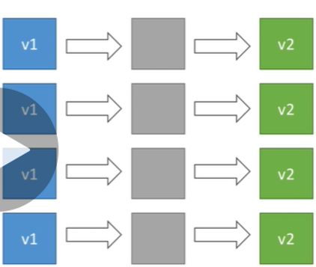 | 1
 |  | Elastic Beanstalk Deployment
 |  | 1) All at once | Fastest deployment
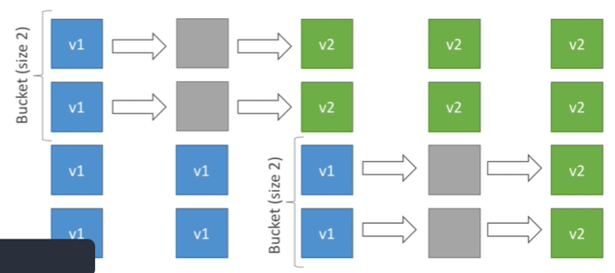
 |  |  | Application has downtime |  | 2
 |  |  | Great for quick iterations in development environment
 |  |  | No additional cost
 |  | 2)Rolling | Application is running below capacity
 |  |  | Can set the bucket size
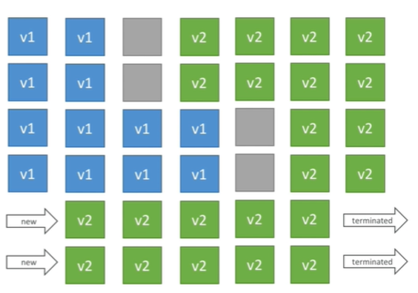
 |  |  | Application is running both versions simultaneously
 |  |  | No additional cost |  | 3
 |  |  | Long deployment
 |  | 3) Rolling with additional batches | Application is running at capacity
 |  |  | Can set the bucket size
 |  |  | Application is running both versions simultaneously
 |  |  | Small additional cost
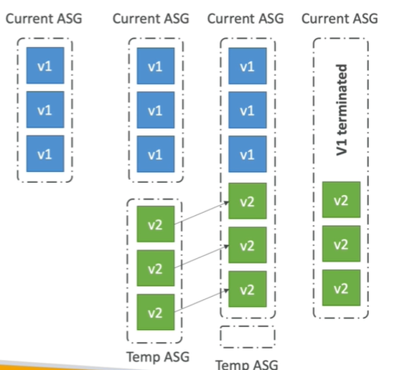
 |  |  | Additional batch is removed at the end of the deployment |  | 4
 |  |  | Longer deployment
 |  |  | Good for prod
 |  | 4) Immutable | Zero downtime
 |  |  | New Code is deployed to new instances on a temporary ASG
 |  |  | High cost, double capacity
 |  |  | Longest deployment
 |  |  | Quick rollback in case of failures (just terminate new ASG)
 |  |  | Great for prod
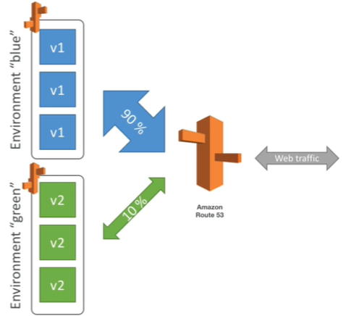
 |  | Blue / Green | Not a “direct feature” of Elastic Beanstalk |  | 5
 |  |  | Zero downtime and release facility
 |  |  | Create a new “stage” environment and deploy v2 there
 |  |  | The new environment (green) can be validated independently and roll back if issues
 |  |  | Route 53 can be setup using weighted policies to redirect a little bit of traffic to the stage environment
 |  |  | Using Beanstalk, “swap URLs” when done with the environment test
 |  | Elastic Beanstalk Deployment Process | Elastic Beanstalk will deploy the zip on each EC2 instance, resolve dependencies and start the application
 |  | Beanstalk Lifecycle Policy | Elastic Beanstalk can store at most 1000 application versions
 |  | To phase out old application versions, use a lifecycle policy | Based on time (old versions are removed) • Based on space (when you have too many versions)
 |  | Elastic Beanstalk Extensions | A zip file containing our code must be deployed to Elastic Beanstalk
 |  | Requirements: | • in the .ebextensions/ directory in the root of source code
 |  |  | YAML / JSON format
 |  |  | .config extensions (example: logging.config)
 |  |  | Ability to add resources such as RDS, ElastiCache, DynamoDB, etc…
 |  |  | Resources managed by .ebextensions get deleted if the environment goes away
 |  | use case ( good to know) | you can define CloudFormation resources in your .ebextensions to provision ElastiCache, an S3 bucket, anything you want
 |  | Elastic Beanstalk Cloning | Clone an environment with the exact same configuration
 |  |  | Useful for deploying a “test” version of your application
 |  |  | After cloning an environment, you can change settings
 |  | Elastic Beanstalk Migration: Load Balancer | After creating an Elastic Beanstalk environment, you cannot change the Elastic Load Balancer type (only the configuration)
 |  | Elastic Beanstalk – Single Docker | Run your application as a single docker container
 |  |  | Beanstalk in Single Docker Container does not use ECS
 |  | Elastic Beanstalk – Multi Docker Container | • Multi Docker helps run multiple containers per EC2 instance in EB
 |  | This will create for you: | ECS Cluster
 |  |  | EC2 instances, configured to use the ECS Cluster
 |  |  | Load Balancer (in high availability mode)
 |  |  | Task definitions and execution
 |  |  | Requires a config Dockerrun.aws.json (v2) at the root of source code
 |  |  | • Dockerrun.aws.json is used to generate the ECS task definition
 |  | Beanstalk with HTTPS | • Idea: Load the SSL certificate onto the Load Balancer
 |  |  | •.ebextensions/securelistener-alb.config •
 |  |  | Can be done from the code: .ebextensions/securelistener-alb.config
 |  |  | SSL Certificate can be provisioned using ACM (AWS Certificate Manager) or CLI
 |  |  | • Must configure a security group rule to allow incoming port 443 (HTTPS port)
 |  | Custom Image | is to tweak an existing Beanstalk Platform (Python, Node.js, Java…)
 |  | Custom Platform | is to create an entirely new Beanstalk Platform
question
1 |  | I would like to customize the runtime of Elastic Beanstalk and include some of my company wide security software. I should | custom platform
 |  | What service does Elastic Beanstalk use under the hood? | aws clouformation
 |  | How can you remove older versions that are not used by Elastic Beanstalk so that new versions can be created for your applications? | lifecycle policy
 |  | You have created a test environment in Elastic Beanstalk and as part of that environment, you have created an RDS database. How can you make sure the database can be explored after the environment is destroyed? | make a snapshot of db before it get deleted
 |  | You can define periodic tasks in a file cron.yaml

