output
contract_id | cname | fdate | ftype | cik | link | inCIKsampl
1 | NICHOLAS FINANCIAL INC | 20170209 | 10-Q | 1000045 | go | NICHOLAS FINANCIAL INC
1 | MEDALLION FINANCIAL CORP | 20170314 | 10-K | 1000209 | go | MEDALLION FINANCIAL CORP | Column CB is the link to the SEC (runs a search on filing type, cik, and date)
1 | HENRY SCHEIN INC | 20170221 | 10-K | 1000228 | go | HENRY SCHEIN INC
2 | HENRY SCHEIN INC | 20170221 | 10-K | 1000228 | go | HENRY SCHEIN INC | Column W is how many exhibit 10.'s
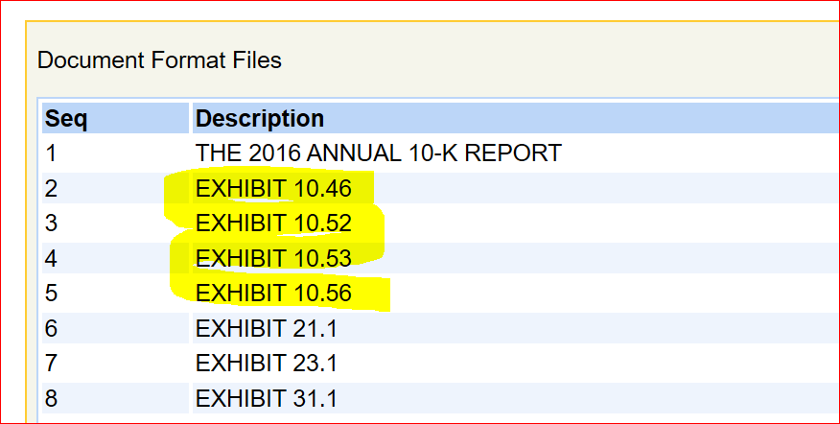
3 | HENRY SCHEIN INC | 20170221 | 10-K | 1000228 | go | HENRY SCHEIN INC
4 | HENRY SCHEIN INC | 20170221 | 10-K | 1000228 | go | HENRY SCHEIN INC
1 | SCHWEITZER MAUDUIT INTERNATIONAL INC | 20170224 | 10-K | 1000623 | go | SCHWEITZER-MAUDUIT INTL INC
1 | NOVAVAX INC | 20170227 | 10-K | 1000694 | go | NOVAVAX INC
2 | NOVAVAX INC | 20170227 | 10-K | 1000694 | go | NOVAVAX INC
3 | NOVAVAX INC | 20170227 | 10-K | 1000694 | go | NOVAVAX INC
1 | WATERS CORP /DE/ | 20170224 | 10-K | 1000697 | go | WATERS CORP
2 | WATERS CORP /DE/ | 20170224 | 10-K | 1000697 | go | WATERS CORP
1 | INSPERITY, INC. | 20170213 | 10-K | 1000753 | go | INSPERITY INC
1 | DISH Network CORP | 20170222 | 10-K | 1001082 | go | DISH NETWORK CORP
2 | DISH Network CORP | 20170222 | 10-K | 1001082 | go | DISH NETWORK CORP
1 | BROADWAY FINANCIAL CORP \DE\ | 20170327 | 10-K | 1001171 | go | BROADWAY FINANCIAL CORP/DE
2 | BROADWAY FINANCIAL CORP \DE\ | 20170327 | 10-K | 1001171 | go | BROADWAY FINANCIAL CORP/DE | column CC is filtered on the CIK sample mailed to me
3 | BROADWAY FINANCIAL CORP \DE\ | 20170327 | 10-K | 1001171 | go | BROADWAY FINANCIAL CORP/DE
4 | BROADWAY FINANCIAL CORP \DE\ | 20170327 | 10-K | 1001171 | go | BROADWAY FINANCIAL CORP/DE
5 | BROADWAY FINANCIAL CORP \DE\ | 20170327 | 10-K | 1001171 | go | BROADWAY FINANCIAL CORP/DE
6 | BROADWAY FINANCIAL CORP \DE\ | 20170327 | 10-K | 1001171 | go | BROADWAY FINANCIAL CORP/DE
1 | OPEN TEXT CORP | 20170202 | 10-Q | 1002638 | go | OPEN TEXT CORP
1 | AFFILIATED MANAGERS GROUP, INC. | 20170224 | 10-K | 1004434 | go | AFFILIATED MANAGERS GRP INC
1 | TYSON FOODS INC | 20170206 | 10-Q | 100493 | go | TYSON FOODS INC -CL A
2 | TYSON FOODS INC | 20170206 | 10-Q | 100493 | go | TYSON FOODS INC -CL A
3 | TYSON FOODS INC | 20170206 | 10-Q | 100493 | go | TYSON FOODS INC -CL A
4 | TYSON FOODS INC | 20170206 | 10-Q | 100493 | go | TYSON FOODS INC -CL A
5 | TYSON FOODS INC | 20170206 | 10-Q | 100493 | go | TYSON FOODS INC -CL A
6 | TYSON FOODS INC | 20170206 | 10-Q | 100493 | go | TYSON FOODS INC -CL A
7 | TYSON FOODS INC | 20170206 | 10-Q | 100493 | go | TYSON FOODS INC -CL A
1 | COLUMBUS MCKINNON CORP | 20170126 | 10-Q | 1005229 | go | COLUMBUS MCKINNON CORP
1 | DIME COMMUNITY BANCSHARES INC | 20170315 | 10-K | 1005409 | go | DIME COMMUNITY BANCSHARES
2 | DIME COMMUNITY BANCSHARES INC | 20170315 | 10-K | 1005409 | go | DIME COMMUNITY BANCSHARES
3 | DIME COMMUNITY BANCSHARES INC | 20170315 | 10-K | 1005409 | go | DIME COMMUNITY BANCSHARES
4 | DIME COMMUNITY BANCSHARES INC | 20170315 | 10-K | 1005409 | go | DIME COMMUNITY BANCSHARES
1 | CSG SYSTEMS INTERNATIONAL INC | 20170224 | 10-K | 1005757 | go | CSG SYSTEMS INTL INC
2 | CSG SYSTEMS INTERNATIONAL INC | 20170224 | 10-K | 1005757 | go | CSG SYSTEMS INTL INC
3 | CSG SYSTEMS INTERNATIONAL INC | 20170224 | 10-K | 1005757 | go | CSG SYSTEMS INTL INC
4 | CSG SYSTEMS INTERNATIONAL INC | 20170224 | 10-K | 1005757 | go | CSG SYSTEMS INTL INC
5 | CSG SYSTEMS INTERNATIONAL INC | 20170224 | 10-K | 1005757 | go | CSG SYSTEMS INTL INC
6 | CSG SYSTEMS INTERNATIONAL INC | 20170224 | 10-K | 1005757 | go | CSG SYSTEMS INTL INC
7 | CSG SYSTEMS INTERNATIONAL INC | 20170224 | 10-K | 1005757 | go | CSG SYSTEMS INTL INC
8 | CSG SYSTEMS INTERNATIONAL INC | 20170224 | 10-K | 1005757 | go | CSG SYSTEMS INTL INC
9 | CSG SYSTEMS INTERNATIONAL INC | 20170224 | 10-K | 1005757 | go | CSG SYSTEMS INTL INC
1 | EVOLUTION PETROLEUM CORP | 20170208 | 10-Q | 1006655 | go | EVOLUTION PETROLEUM CORP
1 | HC2 HOLDINGS, INC. | 20170309 | 10-K | 1006837 | go | HC2 HOLDINGS INC
2 | HC2 HOLDINGS, INC. | 20170309 | 10-K | 1006837 | go | HC2 HOLDINGS INC
1 | UNICO AMERICAN CORP | 20170331 | 10-K | 100716 | go | UNICO AMERICAN CORP
1 | BANK OF SOUTH CAROLINA CORP | 20170303 | 10-K | 1007273 | go | BANK SOUTH CAROLINA CORP
1 | PRGX GLOBAL, INC. | 20170316 | 10-K | 1007330 | go | PRGX GLOBAL INC
2 | PRGX GLOBAL, INC. | 20170316 | 10-K | 1007330 | go | PRGX GLOBAL INC
1 | KVH INDUSTRIES INC \DE\ | 20170309 | 10-K | 1007587 | go | KVH INDUSTRIES INC
2 | KVH INDUSTRIES INC \DE\ | 20170309 | 10-K | 1007587 | go | KVH INDUSTRIES INC
3 | KVH INDUSTRIES INC \DE\ | 20170309 | 10-K | 1007587 | go | KVH INDUSTRIES INC
1 | TUPPERWARE BRANDS CORP | 20170228 | 10-K | 1008654 | go | TUPPERWARE BRANDS CORP
2 | TUPPERWARE BRANDS CORP | 20170228 | 10-K | 1008654 | go | TUPPERWARE BRANDS CORP
1 | UNION PACIFIC CORP | 20170203 | 10-K | 100885 | go | UNION PACIFIC CORP
2 | UNION PACIFIC CORP | 20170203 | 10-K | 100885 | go | UNION PACIFIC CORP
3 | UNION PACIFIC CORP | 20170203 | 10-K | 100885 | go | UNION PACIFIC CORP
1 | CARBO CERAMICS INC | 20170301 | 10-K | 1009672 | go | CARBO CERAMICS INC
1 | CAPSTONE TURBINE Corp | 20170209 | 10-Q | 1009759 | go | CAPSTONE TURBINE CORP
1 | SYKES ENTERPRISES INC | 20170301 | 10-K | 1010612 | go | SYKES ENTERPRISES INC
2 | SYKES ENTERPRISES INC | 20170301 | 10-K | 1010612 | go | SYKES ENTERPRISES INC
3 | SYKES ENTERPRISES INC | 20170301 | 10-K | 1010612 | go | SYKES ENTERPRISES INC
4 | SYKES ENTERPRISES INC | 20170301 | 10-K | 1010612 | go | SYKES ENTERPRISES INC
1 | KNOLL INC | 20170301 | 10-K | 1011570 | go | KNOLL INC
2 | KNOLL INC | 20170301 | 10-K | 1011570 | go | KNOLL INC
3 | KNOLL INC | 20170301 | 10-K | 1011570 | go | KNOLL INC
4 | KNOLL INC | 20170301 | 10-K | 1011570 | go | KNOLL INC
1 | RUSH ENTERPRISES INC \TX\ | 20170301 | 10-K | 1012019 | go | RUSH ENTERPRISES INC
1 | SEALED AIR CORP/DE | 20170215 | 10-K | 1012100 | go | SEALED AIR CORP
1 | ANSYS INC | 20170223 | 10-K | 1013462 | go | ANSYS INC
2 | ANSYS INC | 20170223 | 10-K | 1013462 | go | ANSYS INC
3 | ANSYS INC | 20170223 | 10-K | 1013462 | go | ANSYS INC
4 | ANSYS INC | 20170223 | 10-K | 1013462 | go | ANSYS INC
1 | BJs RESTAURANTS INC | 20170228 | 10-K | 1013488 | go | BJ'S RESTAURANTS INC

