Lubrication
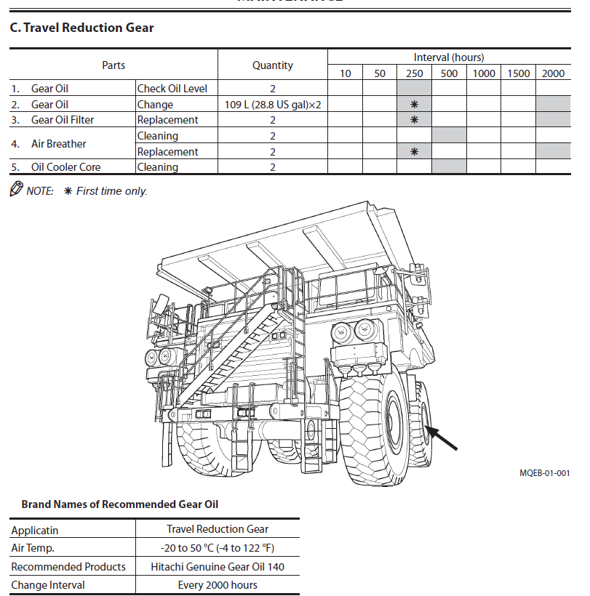
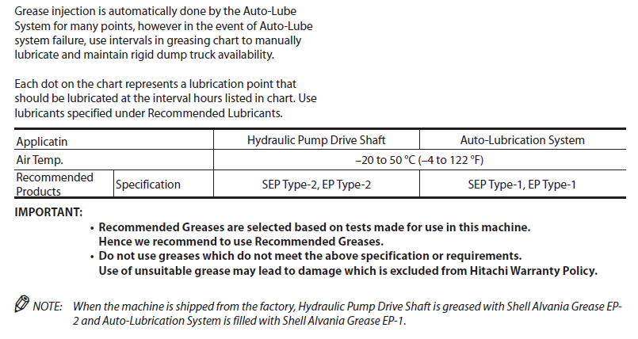

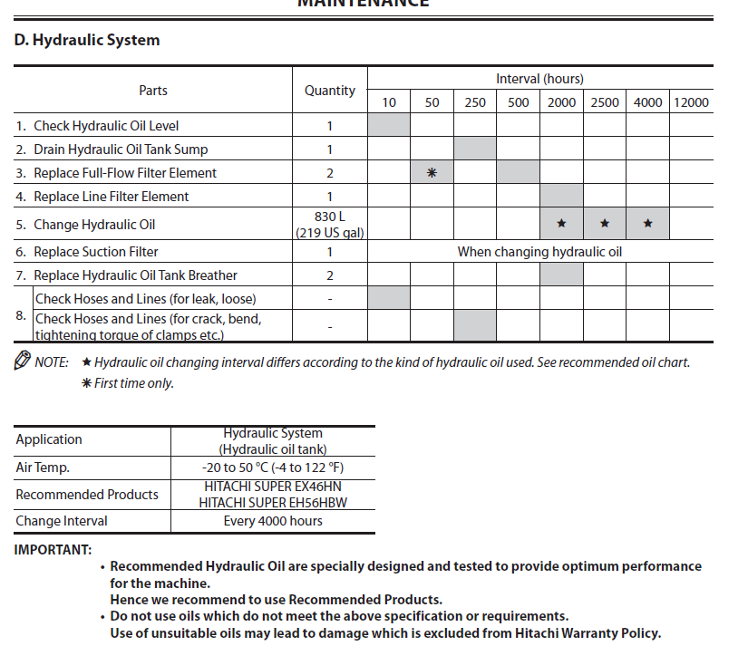

Machine | Series | Oil Grade | Oil type | Alcoa code | Compartment | Interval (hrs) | Compartments | Quantity
OHT | 789D | SAE 15W40 | Engine oil | AML 503 | Engine Oil with Filter | 500 | 1 | 273L
 |  | ISO 46 | Hydraulic oil | AML 676 | Steering System | 2000 | 1 | 188L
 |  | ISO 46 | Hydraulic oil | AML 676 | Steering tank | 2000 | 1 | 130L
 |  | SAE 30 | Drive train oil | AML 530 | Transmission system | 1000 | 1 | 224L
 |  | SAE 30 | Drive train oil | AML 530 | Transmission tank | 1000 | 1 | 78L
 |  | SAE 30 | Drive train oil | AML 530 | Hoist, Torque Converter and Brake System | Condition based | 1 | 909L
 |  | SAE 30 | Drive train oil | AML 530 | Tank for Hoist, Converter, and Brakes | Condition based | 1 | 531L
 |  | SAE 60 | Gear oil | AML 540 | Front HUB | 500 | 2 | 22L
 |  | SAE 60 | Gear oil | AML 540 | Differential & Final Drives | Condition based | 1 | 610L
 |  | PG Long Drain |  |  | Cooling System | 12000 | 1 | 679L
 |  | NLGI1 ISO460 Mineral with Moly EP |  | AML 780 | Lubrication System |  | 1 | Top Up/PM

Machine | Series | Oil Grade | Oil type | Alcoa code | Compartment | Interval (hrs) | Compartments | Quantity
OHT | EH3500 | SAE 15W40 | Engine oil | AML 503 | Engine Oil with Filter | 500 | 1 | 200L
 |  | ISO 46 (Hitachi Super EX 46HN) | Hydraulic oil | TBA | Steering,Brake System and Hoist System | 2000 | 1 | 830L
 |  | SAE80W90 |  |  | Front HUB ??? | 500 | 2 | ??
 |  | SAE85W140 | Gear oil | AML 513 | Final Drives | 2000 | 2 | 109L
 |  | PG Long Drain |  |  | Cooling System | 12000 | 1 | 531L
 |  | NLGI2 EP | Grease | AML754 | Hydraulic pump drive shaft |  | 1 | Top Up/PM
 |  | NLGI1 ISO460 Mineral with Moly EP | Grease | AML 780 | Lubrication System |  | 1 | Top Up/PM

