new_cuts
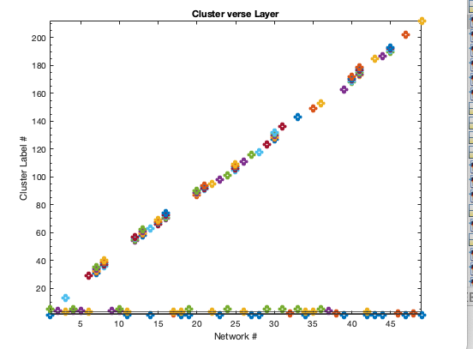
1 | AUD | 1 | 2,3 |  | 5
2 | BG | 1 | 1,2,3 | kc=3 | 4
4 | CB | 1 | 1,2,3 |  | 5
10 | MOT | 6 | 1,3,4,5 |  | 5 | cut 100
19 | VIS | 3 |  |  | 5 | cut 50
24 | DMN | 4 |  |  | 5 | cut 30
29 | DMN | 4 |  |  | 5
31 | DMN | 4 |  |  | 5
33 | DMN | 4 |  |  | 5
36 | ATTN | 5 |  |  | 5
5 | MOT | 1 | 1 | kc=5 | 4
9 | MOT | 5 | 2,3,4 |  | 4
37 | ATTN | 5 |  |  | 4
3 | CB | 1 | 2 |  | 3
6 | MOT | 2 | 2,4 |  | 3
11 | MOT | 7 | 1,3,4 |  | 3
17 | VIS | 3 |  |  | 3
18 | VIS | 3 |  |  | 3
22 | VIS | 3 |  |  | 3
26 | DMN | 4 |  |  | 3
34 | ATTN | 5 |  |  | 3
35 | ATTN | 5 |  |  | 3
42 | FRONT | 6 |  |  | 3
32 | DMN | 4 |  |  | 2
38 | ATTN | 5 |  |  | 2
46 | FRONT | 6 |  |  | 2
48 | FRONT | 6 |  |  | 2
14 | VIS | 3 |  |  | 1
23 | DMN | 4 |  |  | 1
27 | DMN | 4 |  |  | 1
28 | DMN | 4 |  |  | 1
39 | ATTN | 5 |  |  | 1
43 | FRONT | 6 |  |  | 1
44 | FRONT | 6 |  |  | 1 |  | private communities are more impotant
47 | FRONT | 6 |  |  | 1
49 | FRONT | 6 |  |  | 1
7 | MOT | 3 | 3,5
8 | MOT | 4 | 1,4,5
12 | MOT | 8 | 5
13 | VIS | 3
15 | VIS | 3
16 | VIS | 3
20 | VIS | 3
21 | VIS | 3
25 | DMN | 4
30 | DMN | 4
40 | ATTN | 5
41 | ATTN | 5
45 | FRONT | 6

old_b4_cut
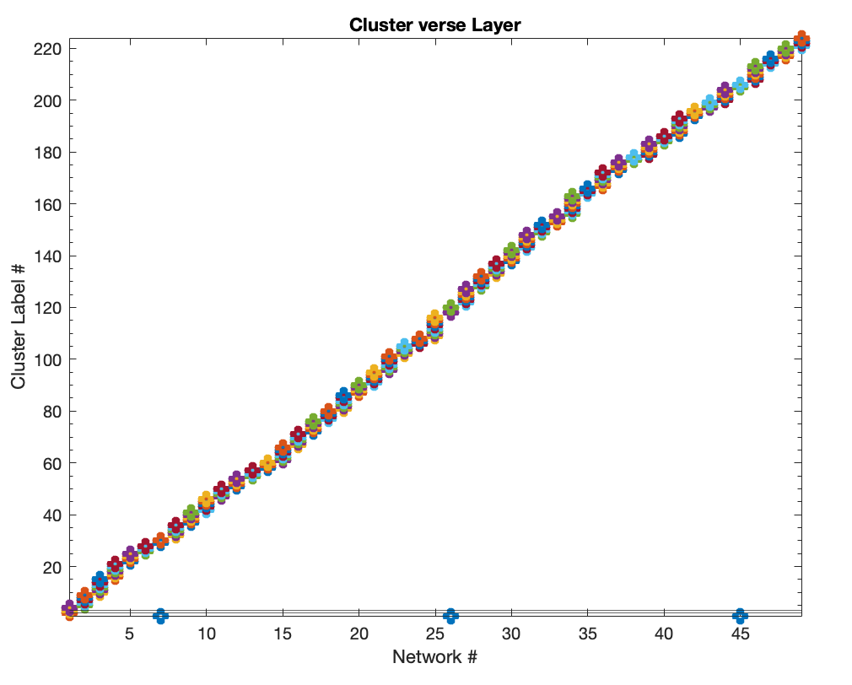
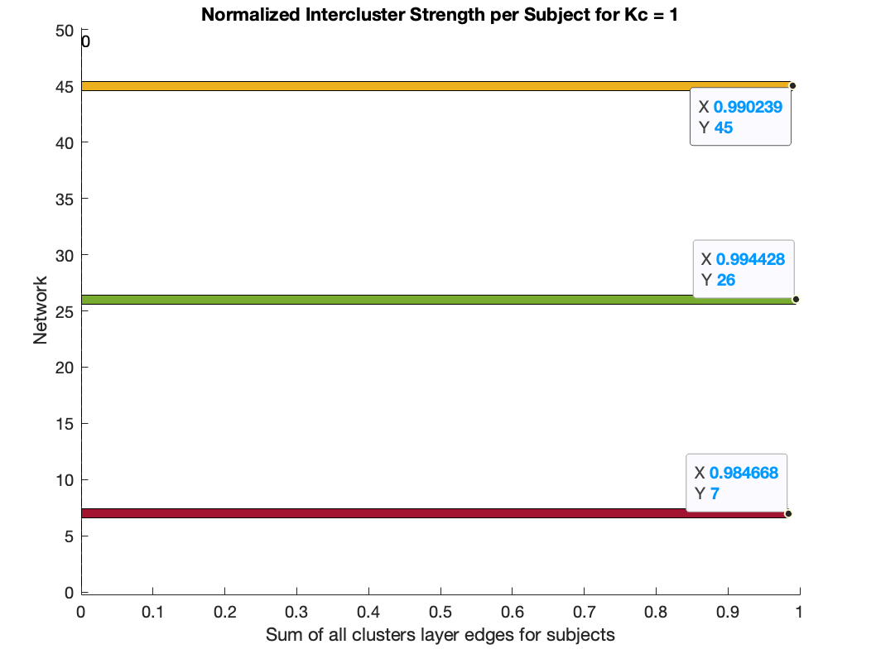
1 | AUD | 1 | Nothing
2 | BG | 1 | Nothing
3 | CB | 1 | Nothing
4 | CB | 1 | Nothing | Big Data analysis
5 | MOT | 2 | 1 | Small data analysis
6 | MOT | 2 | 2
7 | MOT | 2 | 3
8 | MOT | 2 | 4
9 | MOT | 2 | 5
10 | MOT | 2 | 6
11 | MOT | 2 | 7
12 | MOT | 2 | 8
13 | VIS | 3 | Nothing
14 | VIS | 3 | Nothing
15 | VIS | 3 | Nothing
16 | VIS | 3 | Nothing
17 | VIS | 3 | Nothing
18 | VIS | 3 | Nothing | eta=0.5
19 | VIS | 3 | Nothing | create fixed Kc
20 | VIS | 3 | Nothing | abs data
21 | VIS | 3 | Nothing
22 | VIS | 3 | Nothing
23 | DMN | 4 | Nothing
24 | DMN | 4 | Nothing
25 | DMN | 4 | Nothing
26 | DMN | 4 | Nothing
27 | DMN | 4 | Nothing
28 | DMN | 4 | Nothing
29 | DMN | 4 | Nothing
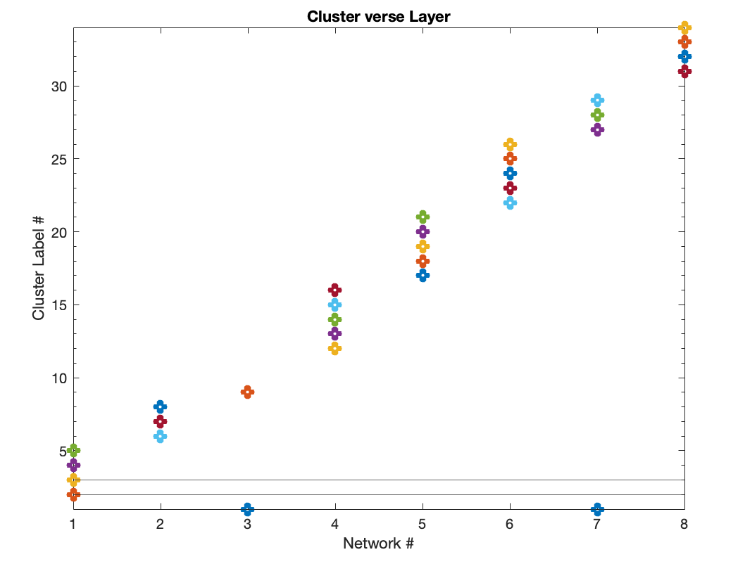
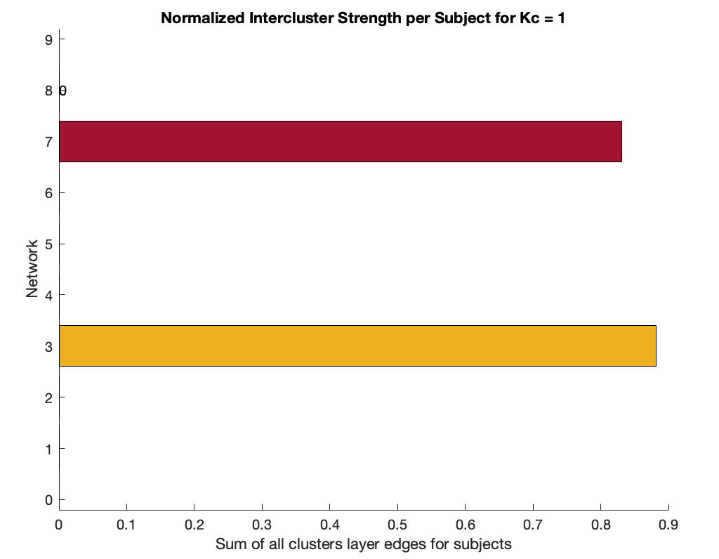
30 | DMN | 4 | Nothing
31 | DMN | 4 | Nothing
32 | DMN | 4 | Nothing
33 | DMN | 4 | Nothing
34 | ATTN | 5 | Nothing
35 | ATTN | 5 | Nothing
36 | ATTN | 5 | Nothing
37 | ATTN | 5 | Nothing
38 | ATTN | 5 | Nothing
39 | ATTN | 5 | Nothing
40 | ATTN | 5 | Nothing
41 | ATTN | 5 | Nothing
42 | FRONT | 6 | Nothing
43 | FRONT | 6 | Nothing
44 | FRONT | 6 | Nothing
45 | FRONT | 6 | Nothing
46 | FRONT | 6 | Nothing
47 | FRONT | 6 | Nothing
48 | FRONT | 6 | Nothing
49 | FRONT | 6 | Nothing

