Sheet1
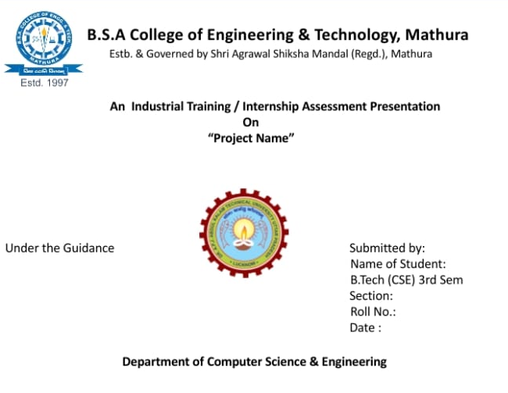

Deepansh Saxena

A
2100650100027

15/12/22

