Scale(A)
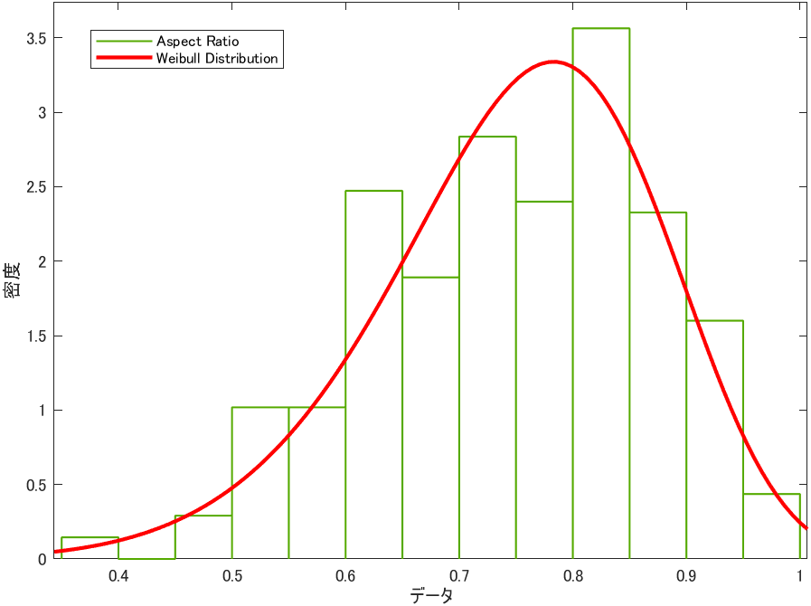
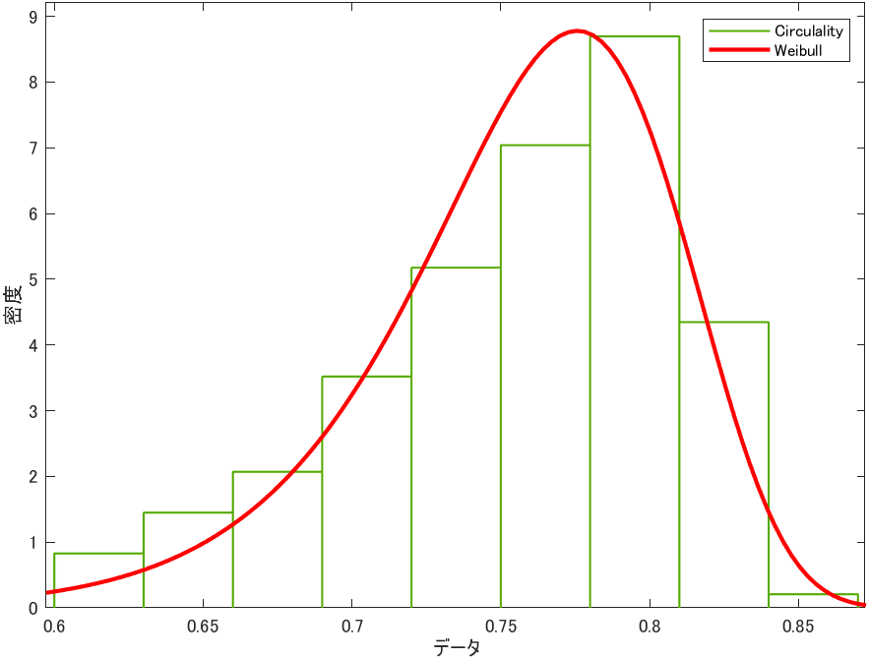
name | Area | Circulality | Equal_Diameter | Shortest_Length | Longest_Length | Perimeter | Aspect_Ratio
6046 | 40372.600 | 0.741 | 226.724 | 197.348 | 278.003 | 869.836 | 0.803
6047 | 12057.300 | 0.758 | 123.903 | 110.030 | 149.188 | 461.454 | 0.812
6048 | 3522.730 | 0.761 | 66.972 | 58.073 | 83.506 | 252.789 | 0.779
6050 | 59405.400 | 0.746 | 275.022 | 248.089 | 320.504 | 1017.880 | 0.830
6051 | 12144.600 | 0.760 | 124.350 | 111.353 | 147.793 | 454.662 | 0.807
6052 | 3531.640 | 0.772 | 67.057 | 57.889 | 83.044 | 247.556 | 0.782
6054 | 78767.600 | 0.730 | 316.686 | 282.727 | 379.297 | 1188.120 | 0.815
6055 | 13801.200 | 0.770 | 132.560 | 118.693 | 155.899 | 481.096 | 0.821
6057 | 38705.600 | 0.744 | 221.994 | 198.680 | 261.894 | 826.884 | 0.824
6058 | 15580.500 | 0.756 | 140.847 | 121.569 | 172.448 | 520.967 | 0.774
6060 | 39179.200 | 0.741 | 223.348 | 197.420 | 265.775 | 832.556 | 0.797
6061 | 17404.600 | 0.726 | 148.863 | 127.933 | 184.475 | 559.564 | 0.769
6063 | 37208.700 | 0.740 | 217.659 | 198.789 | 254.284 | 813.359 | 0.823
6064 | 12562.800 | 0.756 | 126.473 | 112.114 | 152.212 | 467.947 | 0.801
6065 | 3655.660 | 0.776 | 68.224 | 59.532 | 84.544 | 253.565 | 0.790
6067 | 34480.900 | 0.726 | 209.529 | 182.099 | 257.607 | 789.284 | 0.778
6068 | 11482.600 | 0.753 | 120.914 | 107.166 | 145.373 | 447.664 | 0.808
6069 | 3837.250 | 0.748 | 69.898 | 60.047 | 88.414 | 268.813 | 0.767
6071 | 33080.200 | 0.754 | 205.229 | 181.409 | 245.249 | 756.465 | 0.799
6073 | 14425.200 | 0.754 | 135.524 | 119.289 | 164.433 | 502.340 | 0.800
6074 | 4039.220 | 0.758 | 71.714 | 61.217 | 90.217 | 267.755 | 0.755
6076 | 52540.400 | 0.742 | 258.644 | 228.910 | 308.545 | 959.208 | 0.798
6077 | 13473.000 | 0.742 | 130.978 | 113.885 | 160.892 | 488.135 | 0.767
6078 | 2928.440 | 0.773 | 61.062 | 54.001 | 74.146 | 222.218 | 0.800
6080 | 34079.300 | 0.755 | 208.305 | 196.671 | 232.475 | 764.559 | 0.876
6081 | 11963.300 | 0.754 | 123.418 | 108.835 | 148.266 | 455.711 | 0.792
6082 | 3830.130 | 0.761 | 69.833 | 59.403 | 89.369 | 263.351 | 0.761
6084 | 42674.100 | 0.729 | 233.097 | 208.173 | 273.079 | 878.255 | 0.824
6085 | 12754.300 | 0.748 | 127.434 | 112.232 | 153.459 | 470.938 | 0.793
6086 | 2583.980 | 0.778 | 57.359 | 50.607 | 69.399 | 208.727 | 0.812

