Sheet2
Date | Company Name | Product | Qty | Unit | Rate | Revenue
2019-04-01 | ANNAPURNA ASSOCIATES | Reel | 817 | Kg | 24 | 19608
2019-04-06 | ANNAPURNA ASSOCIATES | Reel | 672 | Kg | 25.75 | 17304 | Sum of Revenue | Column Labels
2019-04-09 | ANNAPURNA ASSOCIATES | Reel | 1006 | Kg | 27.25 | 27413.5 | Row Labels | Box | Core | Corrogated Roll & Sheet | Reel | Grand Total | Box | Core | Corrogated Roll & Sheet | Reel
2019-04-18 | ANNAPURNA ASSOCIATES | Reel | 348 | Kg | 29 | 10092 | HARIOM POLYPACKS LIMITED | 1723514 | 976187.95 |  |  | 2699701.95 | 30% | 26% | 11% | 33%
2019-04-18 | ANNAPURNA ASSOCIATES | Reel | 494 | Kg | 24.5 | 12103 | ABABEEL ENTERPRISE |  |  |  | 438090 | 438090
2019-04-18 | ANNAPURNA ASSOCIATES | Reel | 675 | Kg | 29 | 19575 | ANNAPURNA ASSOCIATES |  |  | 71820 | 7438661.1 | 7510481.1
2019-04-19 | ANNAPURNA ASSOCIATES | Reel | 870 | Kg | 24.5 | 21315 | BHARAT PLASTIC INDUSTRIES | 621364.7 | 401227.5 |  |  | 1022592.2
% Revenue generated from Products
2019-04-19 | ANNAPURNA ASSOCIATES | Reel | 425 | Kg | 24 | 10200 | BOTHRA POLY FILMS PVT. LTD. | 171535 | 769230.5 |  |  | 940765.5
2019-04-22 | ANNAPURNA ASSOCIATES | Reel | 334 | Kg | 29 | 9686 | CENTURY EXTRUSIONS LIMITED |  |  | 525763.85 | 1134970.25 | 1660734.1
2019-04-22 | ANNAPURNA ASSOCIATES | Reel | 668 | Kg | 27.5 | 18370 | COGNATE SYSTOPACK SOLUTION | 493548.15 | 21765 |  |  | 515313.15
2019-04-23 | ANNAPURNA ASSOCIATES | Reel | 338 | Kg | 27.5 | 9295 | DAS SUPPLIERS | 30000 |  |  | 1768693.25 | 1798693.25
2019-04-23 | ANNAPURNA ASSOCIATES | Reel | 335 | Kg | 27.5 | 9212.5 | ESSTEE KLEIN CHEMICAL CO. | 434610 | 332213 |  |  | 766823
2019-04-24 | ANNAPURNA ASSOCIATES | Reel | 352 | Kg | 26 | 9152 | EXODUS FUTURA PVT. LTD. | 527318.75 | 857453.2 | 60141.5 | 74019.5 | 1518932.95
2019-04-24 | ANNAPURNA ASSOCIATES | Reel | 348 | Kg | 27.5 | 9570 | FLEX-O-CUT | 133321.5 |  | 865357.5 |  | 998679
2019-04-24 | ANNAPURNA ASSOCIATES | Reel | 890 | Kg | 24.5 | 21805 | FUJI INDUSTRIES | 90413 | 1540842.05 |  |  | 1631255.05
2019-04-26 | ANNAPURNA ASSOCIATES | Reel | 1379 | Kg | 29 | 39991 | GANPATI PACKAGING | 1748596.2 |  |  |  | 1748596.2
2019-04-27 | ANNAPURNA ASSOCIATES | Reel | 1007 | Kg | 27.5 | 27692.5 | GREEN PACKAGING INDUSTRIES PVT.LTD. | 857875 | 327987.2 |  |  | 1185862.2
2019-04-27 | ANNAPURNA ASSOCIATES | Reel | 353 | Kg | 25.5 | 9001.5 | HARIOM POLYPACKS LIMITED | 366392.25 | 147393.5 |  |  | 513785.75
2019-04-30 | ANNAPURNA ASSOCIATES | Reel | 1484 | Kg | 25.5 | 37842 | HINDUSTAN ADHESIVES LIMITED. | 260612.5 | 581027.5 |  |  | 841640
2019-04-30 | ANNAPURNA ASSOCIATES | Reel | 1715 | Kg | 25.75 | 44161.25 | JAI KISHAN DASS MALL JUTE PRODUCTS (P) LTD. | 1569554.5 | 191444.2 |  |  | 1760998.7
2019-04-30 | ANNAPURNA ASSOCIATES | Reel | 357 | Kg | 31 | 11067 | JKE TAPES PRIVATE LIMITED | 416961.5 | 2404948.25 |  |  | 2821909.75
2019-04-30 | ANNAPURNA ASSOCIATES | Reel | 360 | Kg | 29.5 | 10620 | LOKENATH PRINT & PACKERS |  | 1360441 |  |  | 1360441
2019-05-06 | ANNAPURNA ASSOCIATES | Reel | 2130 | Kg | 31 | 66030 | M.G PACKAGING |  |  |  | 944739.75 | 944739.75
2019-05-07 | ANNAPURNA ASSOCIATES | Reel | 779 | Kg | 30.5 | 23759.5 | MARUTI POLY FILMS | 130811.5 | 383876.5 |  |  | 514688
2019-05-08 | ANNAPURNA ASSOCIATES | Reel | 325 | Kg | 29 | 9425 | MOHAN BOARDS PVT LTD | 5420446.25 |  |  |  | 5420446.25
2019-05-09 | ANNAPURNA ASSOCIATES | Reel | 973 | Kg | 29 | 28217 | N.F TRADING |  |  | 377887.5 | 2851996.75 | 3229884.25
2019-05-09 | ANNAPURNA ASSOCIATES | Reel | 321 | Kg | 29 | 9309 | NATIONAL PAPER TUBE INDUSTRIES. | 118535.5 | 15647.5 |  | 1678315.25 | 1812498.25
2019-05-11 | ANNAPURNA ASSOCIATES | Reel | 472 | Kg | 31 | 14632 | OM SAI POLYMER | 1304042 | 918340 |  |  | 2222382
2019-05-11 | ANNAPURNA ASSOCIATES | Reel | 1206 | Kg | 24.5 | 29547 | OM TRADING CO. |  | 643443.3 |  |  | 643443.3
2019-05-11 | ANNAPURNA ASSOCIATES | Reel | 517 | Kg | 32.5 | 16802.5 | RAHUL ENTERPRISES | 58476 |  | 1661390.4 | 134914.5 | 1854780.9
2019-05-13 | ANNAPURNA ASSOCIATES | Reel | 1339 | Kg | 29.5 | 39500.5 | RS ENTERPRISE |  |  |  | 1290982.75 | 1290982.75
2019-05-13 | ANNAPURNA ASSOCIATES | Reel | 1068 | Kg | 30 | 32040 | SHREE BALAJI ENTERPRISE | 228261.5 | 1924743.5 |  |  | 2153005
2019-05-14 | ANNAPURNA ASSOCIATES | Reel | 713 | Kg | 27 | 19251 | SM PACKAGING |  |  |  | 2427248.5 | 2427248.5
2019-05-14 | ANNAPURNA ASSOCIATES | Reel | 416 | Kg | 28 | 11648 | SRI VISHNU INDUSTRIES |  |  |  | 962542 | 962542
2019-05-14 | ANNAPURNA ASSOCIATES | Reel | 755 | Kg | 24 | 18120 | STARWAY PAPER PACK | 431710 |  |  | 546589 | 978299
2019-05-16 | ANNAPURNA ASSOCIATES | Reel | 323 | Kg | 29.5 | 9528.5 | SUJOY ENTERPRISE |  |  | 1370826 | 372662.75 | 1743488.75
2019-05-16 | ANNAPURNA ASSOCIATES | Reel | 296 | Kg | 30 | 8880 | SUMAN INTERNATIONAL | 1177475 | 2784473 |  |  | 3961948
2019-05-16 | ANNAPURNA ASSOCIATES | Reel | 637 | Kg | 29.5 | 18791.5 | SUNNY ENTERPRISE | 1207307.55 |  |  |  | 1207307.55
2019-05-16 | ANNAPURNA ASSOCIATES | Reel | 440 | Kg | 25.5 | 11220 | SUPER IRON FOUNDRY PVT. LTD. (BURDWAN) |  |  | 2776160 |  | 2776160
2019-05-16 | ANNAPURNA ASSOCIATES | Reel | 391 | Kg | 24 | 9384 | TENTY MARKETING COMPANY (P) LTD | 1195139.7 |  |  |  | 1195139.7
2019-05-18 | ANNAPURNA ASSOCIATES | Reel | 749 | Kg | 24 | 17976 | UNIWORTH PAPER & ALLIED PRODUCTS |  |  | 5588 | 732748.1 | 738336.1
2019-05-22 | ANNAPURNA ASSOCIATES | Reel | 1064 | Kg | 27.5 | 29260 | VERVE OVERSEAS | 97875 | 1789855.377 |  | 78491.4 | 1966221.777
2019-05-22 | ANNAPURNA ASSOCIATES | Reel | 1018 | Kg | 27.5 | 27995 | Grand Total | 20815697.05 | 18372540.027 | 7714934.75 | 22875664.85 | 69778836.677
2019-05-24 | ANNAPURNA ASSOCIATES | Reel | 528 | Kg | 24.5 | 12936 |  | 30% | 26% | 11% | 33%
2019-05-24 | ANNAPURNA ASSOCIATES | Reel | 680 | Kg | 27.5 | 18700
2019-05-25 | ANNAPURNA ASSOCIATES | Reel | 1053 | Kg | 27.5 | 28957.5
2019-05-25 | ANNAPURNA ASSOCIATES | Reel | 1063 | Kg | 27.5 | 29232.5
2019-05-25 | ANNAPURNA ASSOCIATES | Reel | 2161 | Kg | 30 | 64830
2019-05-25 | ANNAPURNA ASSOCIATES | Reel | 1053 | Kg | 27.5 | 28957.5
2019-05-25 | ANNAPURNA ASSOCIATES | Reel | 1063 | Kg | 27.5 | 29232.5
2019-05-25 | ANNAPURNA ASSOCIATES | Reel | 2161 | Kg | 30 | 64830
2019-05-27 | ANNAPURNA ASSOCIATES | Reel | 610 | Kg | 25.5 | 15555
2019-05-27 | ANNAPURNA ASSOCIATES | Reel | 329 | Kg | 27.5 | 9047.5
2019-05-27 | ANNAPURNA ASSOCIATES | Reel | 428 | Kg | 29 | 12412
2019-05-27 | ANNAPURNA ASSOCIATES | Reel | 217 | Kg | 30 | 6510
2019-05-29 | ANNAPURNA ASSOCIATES | Reel | 1310 | Kg | 27.5 | 36025
2019-05-29 | ANNAPURNA ASSOCIATES | Reel | 1078 | Kg | 27.5 | 29645
2019-06-04 | ANNAPURNA ASSOCIATES | Reel | 325 | Kg | 29 | 9425
2019-06-04 | ANNAPURNA ASSOCIATES | Reel | 330 | Kg | 29 | 9570
2019-06-04 | ANNAPURNA ASSOCIATES | Reel | 994 | Kg | 27 | 26838
2019-06-10 | ANNAPURNA ASSOCIATES | Reel | 2125 | Kg | 27 | 57375
2019-06-10 | ANNAPURNA ASSOCIATES | Reel | 324 | Kg | 29 | 9396
2019-06-10 | ANNAPURNA ASSOCIATES | Reel | 1469 | Kg | 27 | 39663
2019-06-11 | ANNAPURNA ASSOCIATES | Reel | 1711 | Kg | 24 | 41064
2019-06-11 | ANNAPURNA ASSOCIATES | Reel | 1870 | Kg | 24 | 44880
2019-06-11 | ANNAPURNA ASSOCIATES | Reel | 2367 | Kg | 24 | 56808
2019-06-14 | ANNAPURNA ASSOCIATES | Reel | 1268 | Kg | 25 | 31700
2019-06-18 | ANNAPURNA ASSOCIATES | Reel | 883 | Kg | 24 | 21192
2019-07-08 | ANNAPURNA ASSOCIATES | Reel | 1536 | Kg | 29.5 | 45312
2019-07-10 | ANNAPURNA ASSOCIATES | Reel | 715 | Kg | 27.5 | 19662.5
2019-07-10 | ANNAPURNA ASSOCIATES | Reel | 730 | Kg | 23 | 16790
2019-07-11 | ANNAPURNA ASSOCIATES | Reel | 453 | Kg | 27.5 | 12457.5
2019-07-11 | ANNAPURNA ASSOCIATES | Reel | 430 | Kg | 29.5 | 12685
2019-07-11 | ANNAPURNA ASSOCIATES | Reel | 795 | Kg | 27.5 | 21862.5
2019-07-16 | ANNAPURNA ASSOCIATES | Reel | 1077 | Kg | 23.5 | 25309.5
2019-07-22 | ANNAPURNA ASSOCIATES | Reel | 461 | Kg | 23.5 | 10833.5
2019-07-22 | ANNAPURNA ASSOCIATES | Reel | 466 | Kg | 23.5 | 10951
2019-07-22 | ANNAPURNA ASSOCIATES | Reel | 677 | Kg | 29.5 | 19971.5
2019-07-23 | ANNAPURNA ASSOCIATES | Reel | 890 | Kg | 27.25 | 24252.5
2019-07-23 | ANNAPURNA ASSOCIATES | Reel | 754 | Kg | 23.5 | 17719
2019-07-24 | ANNAPURNA ASSOCIATES | Reel | 460 | Kg | 24.75 | 11385
2019-07-24 | ANNAPURNA ASSOCIATES | Reel | 1196 | Kg | 23.25 | 27807
2019-07-25 | ANNAPURNA ASSOCIATES | Reel | 433 | Kg | 29.5 | 12773.5
2019-07-25 | ANNAPURNA ASSOCIATES | Reel | 1086 | Kg | 23.25 | 25249.5
2019-07-27 | ANNAPURNA ASSOCIATES | Reel | 442 | Kg | 26 | 11492
2019-07-27 | ANNAPURNA ASSOCIATES | Reel | 945 | Kg | 30 | 28350
2019-07-27 | ANNAPURNA ASSOCIATES | Reel | 619 | Kg | 22.5 | 13927.5
2019-07-27 | ANNAPURNA ASSOCIATES | Reel | 1121 | Kg | 22.5 | 25222.5
2019-07-29 | ANNAPURNA ASSOCIATES | Reel | 957 | Kg | 22.5 | 21532.5
2019-07-29 | ANNAPURNA ASSOCIATES | Reel | 506 | Kg | 23.25 | 11764.5
2019-07-29 | ANNAPURNA ASSOCIATES | Reel | 1018 | Kg | 23.25 | 23668.5
2019-07-29 | ANNAPURNA ASSOCIATES | Reel | 480 | Kg | 30 | 14400
2019-08-06 | ANNAPURNA ASSOCIATES | Reel | 846 | Kg | 27 | 22842
2019-08-14 | ANNAPURNA ASSOCIATES | Reel | 936 | Kg | 30 | 28080
2019-08-16 | ANNAPURNA ASSOCIATES | Reel | 424 | Kg | 28.5 | 12084
2019-08-19 | ANNAPURNA ASSOCIATES | Reel | 791 | Kg | 24 | 18984
2019-08-21 | ANNAPURNA ASSOCIATES | Reel | 869 | Kg | 22 | 19118
2019-08-23 | ANNAPURNA ASSOCIATES | Reel | 957 | Kg | 24 | 22968
2019-08-23 | ANNAPURNA ASSOCIATES | Reel | 621 | Kg | 22.5 | 13972.5
2019-08-24 | ANNAPURNA ASSOCIATES | Reel | 996 | Kg | 22.5 | 22410
2019-08-24 | ANNAPURNA ASSOCIATES | Reel | 652 | Kg | 26.75 | 17441
2019-08-26 | ANNAPURNA ASSOCIATES | Reel | 663 | Kg | 22 | 14586
2019-08-26 | ANNAPURNA ASSOCIATES | Reel | 625 | Kg | 22 | 13750
2019-08-27 | ANNAPURNA ASSOCIATES | Reel | 502 | Kg | 22 | 11044
2019-08-27 | ANNAPURNA ASSOCIATES | Reel | 1754 | Kg | 22.5 | 39465
2019-08-27 | ANNAPURNA ASSOCIATES | Reel | 947 | Kg | 22 | 20834
2019-08-27 | ANNAPURNA ASSOCIATES | Reel | 1026 | Kg | 23.5 | 24111
2019-08-27 | ANNAPURNA ASSOCIATES | Reel | 901 | Kg | 22 | 19822
2019-08-28 | ANNAPURNA ASSOCIATES | Reel | 936 | Kg | 28 | 26208
2019-09-02 | ANNAPURNA ASSOCIATES | Reel | 1093 | Kg | 22 | 24046
2019-09-02 | ANNAPURNA ASSOCIATES | Reel | 1024 | Kg | 23.5 | 24064
2019-09-02 | ANNAPURNA ASSOCIATES | Reel | 447 | Kg | 29.5 | 13186.5
2019-09-02 | ANNAPURNA ASSOCIATES | Reel | 1457 | Kg | 22 | 32054
2019-09-13 | ANNAPURNA ASSOCIATES | Reel | 355 | Kg | 28 | 9940
2019-09-14 | ANNAPURNA ASSOCIATES | Reel | 521 | Kg | 22 | 11462
2019-09-14 | ANNAPURNA ASSOCIATES | Reel | 1129 | Kg | 22 | 24838
2019-09-28 | ANNAPURNA ASSOCIATES | Reel | 2149 | Kg | 26 | 55874
2019-10-01 | ANNAPURNA ASSOCIATES | Reel | 1105 | Kg | 21.5 | 23757.5
2019-10-14 | ANNAPURNA ASSOCIATES | Reel | 782 | Kg | 26 | 20332
2019-10-14 | ANNAPURNA ASSOCIATES | Reel | 1536 | Kg | 26 | 39936
2019-10-16 | ANNAPURNA ASSOCIATES | Reel | 2154 | Kg | 21 | 45234
2019-10-16 | ANNAPURNA ASSOCIATES | Reel | 582 | Kg | 26 | 15132
2019-10-18 | ANNAPURNA ASSOCIATES | Reel | 1027 | Kg | 21.5 | 22080.5
2019-10-18 | ANNAPURNA ASSOCIATES | Reel | 1225 | Kg | 26.5 | 32462.5
2019-10-18 | ANNAPURNA ASSOCIATES | Reel | 243 | Kg | 26 | 6318
2019-10-18 | ANNAPURNA ASSOCIATES | Reel | 646 | Kg | 21.5 | 13889
2019-10-18 | ANNAPURNA ASSOCIATES | Reel | 781 | Kg | 27.5 | 21477.5
2019-10-22 | ANNAPURNA ASSOCIATES | Reel | 467 | Kg | 27.5 | 12842.5
2019-10-22 | ANNAPURNA ASSOCIATES | Reel | 1259 | Kg | 26.5 | 33363.5
2019-10-24 | ANNAPURNA ASSOCIATES | Reel | 399 | Kg | 20.5 | 8179.5
2019-10-24 | ANNAPURNA ASSOCIATES | Reel | 395 | Kg | 22.25 | 8788.75
2019-10-24 | ANNAPURNA ASSOCIATES | Reel | 1156 | Kg | 21 | 24276
2019-10-25 | ANNAPURNA ASSOCIATES | Reel | 1064 | Kg | 21 | 22344
2019-10-25 | ANNAPURNA ASSOCIATES | Reel | 1243 | Kg | 21 | 26103
2019-10-25 | ANNAPURNA ASSOCIATES | Reel | 1067 | Kg | 21 | 22407
2019-10-26 | ANNAPURNA ASSOCIATES | Reel | 939 | Kg | 26 | 24414
2019-10-26 | ANNAPURNA ASSOCIATES | Reel | 944 | Kg | 27.5 | 25960
2019-11-06 | ANNAPURNA ASSOCIATES | Reel | 890 | Kg | 26 | 23140
2019-11-06 | ANNAPURNA ASSOCIATES | Reel | 1293 | Kg | 22.5 | 29092.5
2019-11-08 | ANNAPURNA ASSOCIATES | Reel | 923 | Kg | 21 | 19383
2019-11-08 | ANNAPURNA ASSOCIATES | Reel | 366 | Kg | 29.5 | 10797
2019-11-11 | ANNAPURNA ASSOCIATES | Reel | 1440 | Kg | 29 | 41760
2019-11-12 | ANNAPURNA ASSOCIATES | Reel | 317 | Kg | 27.5 | 8717.5
2019-11-12 | ANNAPURNA ASSOCIATES | Reel | 1725 | Kg | 21.5 | 37087.5
2019-11-12 | ANNAPURNA ASSOCIATES | Reel | 778 | Kg | 25.5 | 19839
2019-11-12 | ANNAPURNA ASSOCIATES | Reel | 1093 | Kg | 25.5 | 27871.5
2019-11-14 | ANNAPURNA ASSOCIATES | Reel | 666 | Kg | 28.5 | 18981
2019-11-14 | ANNAPURNA ASSOCIATES | Reel | 1179 | Kg | 25.5 | 30064.5
2019-11-15 | ANNAPURNA ASSOCIATES | Reel | 661 | Kg | 20.5 | 13550.5
2019-11-15 | ANNAPURNA ASSOCIATES | Reel | 426 | Kg | 27 | 11502
2019-11-18 | ANNAPURNA ASSOCIATES | Reel | 1187 | Kg | 26 | 30862
2019-11-22 | ANNAPURNA ASSOCIATES | Reel | 1636 | Kg | 25.5 | 41718
2019-11-23 | ANNAPURNA ASSOCIATES | Reel | 1577 | Kg | 25.5 | 40213.5
2019-11-23 | ANNAPURNA ASSOCIATES | Reel | 940 | Kg | 25.5 | 23970
2019-11-23 | ANNAPURNA ASSOCIATES | Reel | 1071 | Kg | 27.5 | 29452.5
2019-11-25 | ANNAPURNA ASSOCIATES | Reel | 570 | Kg | 27.25 | 15532.5
2019-11-25 | ANNAPURNA ASSOCIATES | Reel | 529 | Kg | 29 | 15341
2019-11-25 | ANNAPURNA ASSOCIATES | Reel | 1411 | Kg | 25.5 | 35980.5
2019-11-25 | ANNAPURNA ASSOCIATES | Reel | 715 | Kg | 25.5 | 18232.5
2019-11-25 | ANNAPURNA ASSOCIATES | Reel | 763 | Kg | 25.5 | 19456.5
2019-11-25 | ANNAPURNA ASSOCIATES | Reel | 967 | Kg | 27.5 | 26592.5
2019-11-27 | ANNAPURNA ASSOCIATES | Reel | 740 | Kg | 26 | 19240
2019-11-27 | ANNAPURNA ASSOCIATES | Reel | 644 | Kg | 26 | 16744
2019-11-27 | ANNAPURNA ASSOCIATES | Reel | 2138 | Kg | 27.5 | 58795
2019-11-28 | ANNAPURNA ASSOCIATES | Reel | 352 | Kg | 25 | 8800
2019-12-04 | ANNAPURNA ASSOCIATES | Reel | 991 | Kg | 21 | 20811
2019-12-04 | ANNAPURNA ASSOCIATES | Reel | 964 | Kg | 21 | 20244
2019-12-04 | ANNAPURNA ASSOCIATES | Reel | 525 | Kg | 25.5 | 13387.5
2019-12-05 | ANNAPURNA ASSOCIATES | Reel | 505 | Kg | 25.5 | 12877.5
2019-12-05 | ANNAPURNA ASSOCIATES | Reel | 892 | Kg | 21 | 18732
2019-12-09 | ANNAPURNA ASSOCIATES | Reel | 731 | Kg | 20.75 | 15168.25
2019-12-09 | ANNAPURNA ASSOCIATES | Reel | 481 | Kg | 20.75 | 9980.75
2019-12-09 | ANNAPURNA ASSOCIATES | Reel | 686 | Kg | 22 | 15092
2019-12-10 | ANNAPURNA ASSOCIATES | Reel | 896 | Kg | 21 | 18816
2019-12-10 | ANNAPURNA ASSOCIATES | Reel | 692 | Kg | 21 | 14532
2019-12-10 | ANNAPURNA ASSOCIATES | Reel | 1091 | Kg | 21 | 22911
2019-12-11 | ANNAPURNA ASSOCIATES | Reel | 679 | Kg | 29.5 | 20030.5
2019-12-11 | ANNAPURNA ASSOCIATES | Reel | 343 | Kg | 25.5 | 8746.5
2019-12-13 | ANNAPURNA ASSOCIATES | Reel | 1153 | Kg | 21 | 24213
2019-12-14 | ANNAPURNA ASSOCIATES | Reel | 996 | Kg | 20.5 | 20418
2019-12-14 | ANNAPURNA ASSOCIATES | Reel | 940 | Kg | 20.5 | 19270
2019-12-14 | ANNAPURNA ASSOCIATES | Reel | 1003 | Kg | 21 | 21063
2019-12-14 | ANNAPURNA ASSOCIATES | Reel | 554 | Kg | 28 | 15512
2019-12-14 | ANNAPURNA ASSOCIATES | Reel | 1104 | Kg | 20.5 | 22632
2019-12-16 | ANNAPURNA ASSOCIATES | Reel | 1452 | Kg | 29 | 42108
2019-12-16 | ANNAPURNA ASSOCIATES | Reel | 2020 | Kg | 29 | 58580
2019-12-16 | ANNAPURNA ASSOCIATES | Reel | 1049 | Kg | 30.5 | 31994.5
2019-12-18 | ANNAPURNA ASSOCIATES | Reel | 589 | Kg | 25.5 | 15019.5
2019-12-18 | ANNAPURNA ASSOCIATES | Reel | 1631 | Kg | 21 | 34251
2019-12-18 | ANNAPURNA ASSOCIATES | Reel | 644 | Kg | 21 | 13524
2019-12-18 | ANNAPURNA ASSOCIATES | Reel | 740 | Kg | 21 | 15540
2019-12-18 | ANNAPURNA ASSOCIATES | Reel | 655 | Kg | 22.5 | 14737.5
2019-12-20 | ANNAPURNA ASSOCIATES | Reel | 958 | Kg | 21 | 20118
2019-12-20 | ANNAPURNA ASSOCIATES | Reel | 1124 | Kg | 20.5 | 23042
2019-12-20 | ANNAPURNA ASSOCIATES | Reel | 469 | Kg | 21 | 9849
2019-12-21 | ANNAPURNA ASSOCIATES | Reel | 1411 | Kg | 22.5 | 31747.5
2019-12-31 | ANNAPURNA ASSOCIATES | Reel | 879 | Kg | 21 | 18459
2019-12-31 | ANNAPURNA ASSOCIATES | Reel | 1071 | Kg | 21 | 22491
2020-01-03 | ANNAPURNA ASSOCIATES | Reel | 1146 | Kg | 25.5 | 29223
2020-01-08 | ANNAPURNA ASSOCIATES | Reel | 1794 | Kg | 20.5 | 36777
2020-01-17 | ANNAPURNA ASSOCIATES | Reel | 1158 | Kg | 20.5 | 23739
2020-01-25 | ANNAPURNA ASSOCIATES | Reel | 1739 | Kg | 22.5 | 39127.5
2020-02-01 | ANNAPURNA ASSOCIATES | Reel | 526 | Kg | 23 | 12098
2020-02-01 | ANNAPURNA ASSOCIATES | Reel | 601 | Kg | 24 | 14424
2020-02-01 | ANNAPURNA ASSOCIATES | Reel | 1206 | Kg | 23 | 27738
2020-02-03 | ANNAPURNA ASSOCIATES | Reel | 1111 | Kg | 23 | 25553
2020-02-03 | ANNAPURNA ASSOCIATES | Reel | 915 | Kg | 23 | 21045
2020-02-03 | ANNAPURNA ASSOCIATES | Reel | 559 | Kg | 23 | 12857
2020-02-04 | ANNAPURNA ASSOCIATES | Reel | 1160 | Kg | 22 | 25520
2020-02-15 | ANNAPURNA ASSOCIATES | Reel | 932 | Kg | 22 | 20504
2020-02-24 | ANNAPURNA ASSOCIATES | Reel | 711 | Kg | 26 | 18486
2020-02-25 | ANNAPURNA ASSOCIATES | Reel | 928 | Kg | 22 | 20416
2020-02-26 | ANNAPURNA ASSOCIATES | Reel | 1173 | Kg | 23.25 | 27272.25
2020-02-26 | ANNAPURNA ASSOCIATES | Reel | 95 | Kg | 26.5 | 2517.5
2020-02-29 | ANNAPURNA ASSOCIATES | Reel | 369 | Kg | 22 | 8118
2020-03-05 | ANNAPURNA ASSOCIATES | Reel | 672 | Kg | 26 | 17472
2020-03-12 | ANNAPURNA ASSOCIATES | Reel | 1078 | Kg | 24.5 | 26411
2020-03-13 | ANNAPURNA ASSOCIATES | Reel | 1037 | Kg | 24 | 24888
2020-03-19 | ANNAPURNA ASSOCIATES | Reel | 1114 | Kg | 23.5 | 26179
2020-03-19 | ANNAPURNA ASSOCIATES | Reel | 1048 | Kg | 23.5 | 24628
2020-06-20 | ANNAPURNA ASSOCIATES | Corrogated Roll & Sheet | 2394 | Kg | 30 | 71820
2020-08-22 | ANNAPURNA ASSOCIATES | Reel | 736 | Kg | 26 | 19136
2020-08-24 | ANNAPURNA ASSOCIATES | Reel | 1294 | Kg | 26 | 33644
2020-10-05 | ANNAPURNA ASSOCIATES | Reel | 1099 | Kg | 26.5 | 29123.5
2020-10-05 | ANNAPURNA ASSOCIATES | Reel | 1206 | Kg | 25.5 | 30753
2020-10-06 | ANNAPURNA ASSOCIATES | Reel | 861 | Kg | 23.75 | 20448.75
2020-10-06 | ANNAPURNA ASSOCIATES | Reel | 1543 | Kg | 23.75 | 36646.25
2020-10-06 | ANNAPURNA ASSOCIATES | Reel | 1201 | Kg | 23.75 | 28523.75
2020-10-21 | ANNAPURNA ASSOCIATES | Reel | 818 | Kg | 23.75 | 19427.5
2020-10-21 | ANNAPURNA ASSOCIATES | Reel | 868 | Kg | 23.75 | 20615
2020-10-21 | ANNAPURNA ASSOCIATES | Reel | 1170 | Kg | 23.75 | 27787.5
2020-10-21 | ANNAPURNA ASSOCIATES | Reel | 591 | Kg | 23.75 | 14036.25
2020-10-21 | ANNAPURNA ASSOCIATES | Reel | 560 | Kg | 27 | 15120
2020-11-04 | ANNAPURNA ASSOCIATES | Reel | 1106 | Kg | 23.75 | 26267.5
2021-02-24 | ANNAPURNA ASSOCIATES | Reel | 841 | Kg | 32.25 | 27122.25
2021-02-25 | ANNAPURNA ASSOCIATES | Reel | 1129 | Kg | 31 | 34999
2021-02-27 | ANNAPURNA ASSOCIATES | Reel | 669 | Kg | 34 | 22746
2021-03-01 | ANNAPURNA ASSOCIATES | Reel | 538 | Kg | 31.25 | 16812.5
2021-03-24 | ANNAPURNA ASSOCIATES | Reel | 329 | Kg | 42.5 | 13982.5
2021-04-16 | ANNAPURNA ASSOCIATES | Reel | 1367 | Kg | 41 | 56047
2021-04-24 | ANNAPURNA ASSOCIATES | Reel | 967 | Kg | 36.5 | 35295.5
2021-04-26 | ANNAPURNA ASSOCIATES | Reel | 856 | Kg | 36.5 | 31244
2021-04-30 | ANNAPURNA ASSOCIATES | Reel | 642 | Kg | 35.75 | 22951.5
2021-04-30 | ANNAPURNA ASSOCIATES | Reel | 1357 | Kg | 35.25 | 47834.25
2021-04-30 | ANNAPURNA ASSOCIATES | Reel | 894 | Kg | 35.25 | 31513.5
2021-04-30 | ANNAPURNA ASSOCIATES | Reel | 823 | Kg | 35.75 | 29422.25
2021-05-10 | ANNAPURNA ASSOCIATES | Reel | 1673 | Kg | 35.5 | 59391.5
2021-05-10 | ANNAPURNA ASSOCIATES | Reel | 729 | Kg | 38.5 | 28066.5
2021-05-10 | ANNAPURNA ASSOCIATES | Reel | 225 | Kg | 39.5 | 8887.5
2021-05-10 | ANNAPURNA ASSOCIATES | Reel | 579 | Kg | 35.5 | 20554.5
2021-05-10 | ANNAPURNA ASSOCIATES | Reel | 1218 | Kg | 38.5 | 46893
2021-05-10 | ANNAPURNA ASSOCIATES | Reel | 744 | Kg | 35.5 | 26412
2021-05-12 | ANNAPURNA ASSOCIATES | Reel | 1229 | Kg | 38.5 | 47316.5
2021-05-12 | ANNAPURNA ASSOCIATES | Reel | 905 | Kg | 38.5 | 34842.5
2021-05-15 | ANNAPURNA ASSOCIATES | Reel | 1314 | Kg | 35.5 | 46647
2021-05-15 | ANNAPURNA ASSOCIATES | Reel | 1396 | Kg | 35.5 | 49558
2021-05-22 | ANNAPURNA ASSOCIATES | Reel | 702 | Kg | 36 | 25272
2021-05-24 | ANNAPURNA ASSOCIATES | Reel | 718 | Kg | 34.5 | 24771
2021-05-24 | ANNAPURNA ASSOCIATES | Reel | 652 | Kg | 34.5 | 22494
2021-05-29 | ANNAPURNA ASSOCIATES | Reel | 1012 | Kg | 35 | 35420
2021-06-01 | ANNAPURNA ASSOCIATES | Reel | 1470 | Kg | 38.5 | 56595
2021-06-02 | ANNAPURNA ASSOCIATES | Reel | 534 | Kg | 35 | 18690
2021-06-02 | ANNAPURNA ASSOCIATES | Reel | 556 | Kg | 34.5 | 19182
2021-06-02 | ANNAPURNA ASSOCIATES | Reel | 1183 | Kg | 35 | 41405
2021-06-02 | ANNAPURNA ASSOCIATES | Reel | 1047 | Kg | 34.55 | 36173.85
2021-06-02 | ANNAPURNA ASSOCIATES | Reel | 558 | Kg | 36 | 20088
2021-06-07 | ANNAPURNA ASSOCIATES | Reel | 1568 | Kg | 38 | 59584
2021-06-08 | ANNAPURNA ASSOCIATES | Reel | 765 | Kg | 42.5 | 32512.5
2021-06-08 | ANNAPURNA ASSOCIATES | Reel | 677 | Kg | 42.5 | 28772.5
2021-06-09 | ANNAPURNA ASSOCIATES | Reel | 645 | Kg | 40.5 | 26122.5
2021-06-11 | ANNAPURNA ASSOCIATES | Reel | 375 | Kg | 34.5 | 12937.5
2021-06-18 | ANNAPURNA ASSOCIATES | Reel | 660 | Kg | 41.5 | 27390
2021-06-18 | ANNAPURNA ASSOCIATES | Reel | 1074 | Kg | 39 | 41886
2021-06-21 | ANNAPURNA ASSOCIATES | Reel | 1084 | Kg | 33 | 35772
2021-07-10 | ANNAPURNA ASSOCIATES | Reel | 943 | Kg | 33.5 | 31590.5
2021-07-10 | ANNAPURNA ASSOCIATES | Reel | 1303 | Kg | 35.5 | 46256.5
2021-07-12 | ANNAPURNA ASSOCIATES | Reel | 347 | Kg | 36.5 | 12665.5
2021-08-20 | ANNAPURNA ASSOCIATES | Reel | 342 | Kg | 37 | 12654
2021-08-20 | ANNAPURNA ASSOCIATES | Reel | 388 | Kg | 38 | 14744
2021-08-21 | ANNAPURNA ASSOCIATES | Reel | 819 | Kg | 33 | 27027
2021-08-21 | ANNAPURNA ASSOCIATES | Reel | 1011 | Kg | 33.5 | 33868.5
2021-08-23 | ANNAPURNA ASSOCIATES | Reel | 333 | Kg | 36 | 11988
2021-08-23 | ANNAPURNA ASSOCIATES | Reel | 634 | Kg | 37.5 | 23775
2021-08-24 | ANNAPURNA ASSOCIATES | Reel | 526 | Kg | 36 | 18936
2021-08-24 | ANNAPURNA ASSOCIATES | Reel | 491 | Kg | 36 | 17676
2021-08-24 | ANNAPURNA ASSOCIATES | Reel | 1175 | Kg | 36 | 42300
2021-08-30 | ANNAPURNA ASSOCIATES | Reel | 1010 | Kg | 32.5 | 32825
2021-08-30 | ANNAPURNA ASSOCIATES | Reel | 543 | Kg | 34.25 | 18597.75
2021-08-31 | ANNAPURNA ASSOCIATES | Reel | 527 | Kg | 32.5 | 17127.5
2021-08-31 | ANNAPURNA ASSOCIATES | Reel | 1274 | Kg | 33.5 | 42679
2021-09-01 | ANNAPURNA ASSOCIATES | Reel | 519 | Kg | 34.75 | 18035.25
2021-09-01 | ANNAPURNA ASSOCIATES | Reel | 596 | Kg | 33 | 19668
2021-09-01 | ANNAPURNA ASSOCIATES | Reel | 526 | Kg | 36 | 18936
2021-09-04 | ANNAPURNA ASSOCIATES | Reel | 1092 | Kg | 35.5 | 38766
2021-09-04 | ANNAPURNA ASSOCIATES | Reel | 1074 | Kg | 35.5 | 38127
2021-09-06 | ANNAPURNA ASSOCIATES | Reel | 940 | Kg | 33.25 | 31255
2021-09-06 | ANNAPURNA ASSOCIATES | Reel | 466 | Kg | 37.75 | 17591.5
2021-09-06 | ANNAPURNA ASSOCIATES | Reel | 1088 | Kg | 33.25 | 36176
2021-09-11 | ANNAPURNA ASSOCIATES | Reel | 956 | Kg | 34 | 32504
2021-09-16 | ANNAPURNA ASSOCIATES | Reel | 814 | Kg | 34.25 | 27879.5
2021-09-22 | ANNAPURNA ASSOCIATES | Reel | 1262 | Kg | 34.25 | 43223.5
2021-09-22 | ANNAPURNA ASSOCIATES | Reel | 978 | Kg | 34.25 | 33496.5
2021-09-24 | ANNAPURNA ASSOCIATES | Reel | 996 | Kg | 34 | 33864
2021-09-28 | ANNAPURNA ASSOCIATES | Reel | 861 | Kg | 36.75 | 31641.75
2021-09-30 | ANNAPURNA ASSOCIATES | Reel | 1003 | Kg | 34 | 34102
2021-10-08 | ANNAPURNA ASSOCIATES | Reel | 683 | Kg | 35.5 | 24246.5
2021-12-24 | ANNAPURNA ASSOCIATES | Reel | 392 | kg | 42.5 | 16660
2019-04-26 | SUPER IRON FOUNDRY PVT. LTD. (BURDWAN) | Corrogated Roll & Sheet | 1407 | Kg | 31 | 43617
2019-04-26 | SUPER IRON FOUNDRY PVT. LTD. (BURDWAN) | Corrogated Roll & Sheet | 1322 | Kg | 31 | 40982
2019-04-29 | SUPER IRON FOUNDRY PVT. LTD. (BURDWAN) | Corrogated Roll & Sheet | 2536 | Kg | 31 | 78616
2019-05-02 | SUPER IRON FOUNDRY PVT. LTD. (BURDWAN) | Corrogated Roll & Sheet | 2438 | Kg | 31 | 75578
2019-05-13 | SUPER IRON FOUNDRY PVT. LTD. (BURDWAN) | Corrogated Roll & Sheet | 2597 | Kg | 31 | 80507
2019-05-16 | SUPER IRON FOUNDRY PVT. LTD. (BURDWAN) | Corrogated Roll & Sheet | 1625 | Kg | 31 | 50375
2019-05-16 | SUPER IRON FOUNDRY PVT. LTD. (BURDWAN) | Corrogated Roll & Sheet | 1025 | Kg | 31 | 31775
2019-05-16 | SUPER IRON FOUNDRY PVT. LTD. (BURDWAN) | Corrogated Roll & Sheet | 2474 | Kg | 31 | 76694
2019-05-16 | SUPER IRON FOUNDRY PVT. LTD. (BURDWAN) | Corrogated Roll & Sheet | 2406 | Kg | 31 | 74586
2019-05-16 | SUPER IRON FOUNDRY PVT. LTD. (BURDWAN) | Corrogated Roll & Sheet | 2688 | Kg | 31 | 83328
2019-05-16 | SUPER IRON FOUNDRY PVT. LTD. (BURDWAN) | Corrogated Roll & Sheet | 2536 | Kg | 31 | 78616
2019-05-30 | SUPER IRON FOUNDRY PVT. LTD. (BURDWAN) | Corrogated Roll & Sheet | 2877 | Kg | 31 | 89187
2019-05-30 | SUPER IRON FOUNDRY PVT. LTD. (BURDWAN) | Corrogated Roll & Sheet | 2338 | Kg | 31 | 72478
2019-05-30 | SUPER IRON FOUNDRY PVT. LTD. (BURDWAN) | Corrogated Roll & Sheet | 2220 | Kg | 31 | 68820
2019-05-30 | SUPER IRON FOUNDRY PVT. LTD. (BURDWAN) | Corrogated Roll & Sheet | 3125 | Kg | 31 | 96875
2019-05-31 | SUPER IRON FOUNDRY PVT. LTD. (BURDWAN) | Corrogated Roll & Sheet | 2766 | Kg | 31 | 85746
2019-05-31 | SUPER IRON FOUNDRY PVT. LTD. (BURDWAN) | Corrogated Roll & Sheet | 1536 | Kg | 31 | 47616
2019-05-31 | SUPER IRON FOUNDRY PVT. LTD. (BURDWAN) | Corrogated Roll & Sheet | 2936 | Kg | 31 | 91016
2019-06-14 | SUPER IRON FOUNDRY PVT. LTD. (BURDWAN) | Corrogated Roll & Sheet | 2897 | Kg | 31 | 89807
2019-06-17 | SUPER IRON FOUNDRY PVT. LTD. (BURDWAN) | Corrogated Roll & Sheet | 3156 | Kg | 31 | 97836
2019-06-17 | SUPER IRON FOUNDRY PVT. LTD. (BURDWAN) | Corrogated Roll & Sheet | 3125 | Kg | 31 | 96875
2019-07-27 | SUPER IRON FOUNDRY PVT. LTD. (BURDWAN) | Corrogated Roll & Sheet | 3625 | Kg | 31 | 112375
2019-07-27 | SUPER IRON FOUNDRY PVT. LTD. (BURDWAN) | Corrogated Roll & Sheet | 3191 | Kg | 31 | 98921
2019-07-27 | SUPER IRON FOUNDRY PVT. LTD. (BURDWAN) | Corrogated Roll & Sheet | 2865 | Kg | 31 | 88815
2019-07-29 | SUPER IRON FOUNDRY PVT. LTD. (BURDWAN) | Corrogated Roll & Sheet | 2470 | Kg | 31 | 76570
2019-07-29 | SUPER IRON FOUNDRY PVT. LTD. (BURDWAN) | Corrogated Roll & Sheet | 1565 | Kg | 31 | 48515
2019-08-29 | SUPER IRON FOUNDRY PVT. LTD. (BURDWAN) | Corrogated Roll & Sheet | 2478 | Kg | 29 | 71862
2019-08-29 | SUPER IRON FOUNDRY PVT. LTD. (BURDWAN) | Corrogated Roll & Sheet | 2975 | Kg | 29 | 86275
2019-08-29 | SUPER IRON FOUNDRY PVT. LTD. (BURDWAN) | Corrogated Roll & Sheet | 3641 | Kg | 29 | 105589
2019-08-30 | SUPER IRON FOUNDRY PVT. LTD. (BURDWAN) | Corrogated Roll & Sheet | 3208 | Kg | 29 | 93032
2019-08-30 | SUPER IRON FOUNDRY PVT. LTD. (BURDWAN) | Corrogated Roll & Sheet | 2752 | Kg | 29 | 79808
2021-12-30 | SUPER IRON FOUNDRY PVT. LTD. (BURDWAN) | Corrogated Roll & Sheet | 2302 | Kg | 42 | 96684
2021-12-30 | SUPER IRON FOUNDRY PVT. LTD. (BURDWAN) | Corrogated Roll & Sheet | 2683 | Kg | 42 | 112686
2021-12-30 | SUPER IRON FOUNDRY PVT. LTD. (BURDWAN) | Corrogated Roll & Sheet | 1247 | Kg | 42 | 52374
2021-12-30 | SUPER IRON FOUNDRY PVT. LTD. (BURDWAN) | Corrogated Roll & Sheet | 2422 | Kg | 42 | 101724
2019-07-08 | SM PACKAGING | Reel | 300 | Kg | 23 | 6900
2019-07-08 | SM PACKAGING | Reel | 583 | Kg | 23 | 13409
2019-07-08 | SM PACKAGING | Reel | 636 | Kg | 24.25 | 15423
2019-07-08 | SM PACKAGING | Reel | 301 | Kg | 23 | 6923
2019-07-09 | SM PACKAGING | Reel | 412 | Kg | 29.5 | 12154
2019-07-09 | SM PACKAGING | Reel | 299 | Kg | 29.5 | 8820.5
2019-07-09 | SM PACKAGING | Reel | 481 | Kg | 24.25 | 11664.25
2019-07-09 | SM PACKAGING | Reel | 360 | Kg | 29.5 | 10620
2019-07-15 | SM PACKAGING | Reel | 357 | Kg | 23.25 | 8300.25
2019-07-15 | SM PACKAGING | Reel | 364 | Kg | 22.5 | 8190
2019-07-19 | SM PACKAGING | Reel | 302 | Kg | 29.5 | 8909
2019-07-19 | SM PACKAGING | Reel | 302 | Kg | 27.5 | 8305
2019-07-22 | SM PACKAGING | Reel | 520 | Kg | 23 | 11960
2019-07-22 | SM PACKAGING | Reel | 582 | Kg | 24.5 | 14259
2019-07-22 | SM PACKAGING | Reel | 614 | Kg | 23 | 14122
2019-07-26 | SM PACKAGING | Reel | 393 | Kg | 24.5 | 9628.5
2019-07-26 | SM PACKAGING | Reel | 628 | Kg | 29.25 | 18369
2019-07-26 | SM PACKAGING | Reel | 626 | Kg | 24.5 | 15337
2019-07-27 | SM PACKAGING | Reel | 683 | Kg | 23.25 | 15879.75
2019-07-27 | SM PACKAGING | Reel | 680 | Kg | 23.25 | 15810
2019-07-27 | SM PACKAGING | Reel | 607 | Kg | 23.25 | 14112.75
2019-07-27 | SM PACKAGING | Reel | 1251 | Kg | 23 | 28773
2019-08-01 | SM PACKAGING | Reel | 480 | Kg | 23 | 11040
2019-08-01 | SM PACKAGING | Reel | 604 | Kg | 23 | 13892
2019-08-06 | SM PACKAGING | Reel | 573 | Kg | 23.5 | 13465.5
2019-08-06 | SM PACKAGING | Reel | 631 | Kg | 22 | 13882
2019-08-06 | SM PACKAGING | Reel | 631 | Kg | 23.5 | 14828.5
2019-08-06 | SM PACKAGING | Reel | 559 | Kg | 23 | 12857
2019-08-06 | SM PACKAGING | Reel | 593 | Kg | 23 | 13639
2019-08-06 | SM PACKAGING | Reel | 526 | Kg | 23 | 12098
2019-08-07 | SM PACKAGING | Reel | 619 | Kg | 24 | 14856
2019-08-07 | SM PACKAGING | Reel | 308 | Kg | 22.5 | 6930
2019-08-07 | SM PACKAGING | Reel | 506 | Kg | 24 | 12144
2019-08-13 | SM PACKAGING | Reel | 332 | Kg | 23 | 7636
2019-08-13 | SM PACKAGING | Reel | 396 | Kg | 29.5 | 11682
2019-08-13 | SM PACKAGING | Reel | 562 | Kg | 23 | 12926
2019-08-20 | SM PACKAGING | Reel | 426 | Kg | 22.25 | 9478.5
2019-08-20 | SM PACKAGING | Reel | 499 | Kg | 22.25 | 11102.75
2019-08-20 | SM PACKAGING | Reel | 637 | Kg | 22.5 | 14332.5
2019-08-20 | SM PACKAGING | Reel | 639 | Kg | 22.5 | 14377.5
2019-08-20 | SM PACKAGING | Reel | 512 | Kg | 22.25 | 11392
2019-08-20 | SM PACKAGING | Reel | 657 | Kg | 22.25 | 14618.25
2019-08-20 | SM PACKAGING | Reel | 553 | Kg | 22.25 | 12304.25
2019-08-20 | SM PACKAGING | Reel | 564 | Kg | 23.75 | 13395
2019-08-26 | SM PACKAGING | Reel | 1058 | Kg | 22 | 23276
2019-08-31 | SM PACKAGING | Reel | 566 | Kg | 23.5 | 13301
2019-08-31 | SM PACKAGING | Reel | 548 | Kg | 23.5 | 12878
2019-08-31 | SM PACKAGING | Reel | 490 | Kg | 23.5 | 11515
2019-09-03 | SM PACKAGING | Reel | 696 | Kg | 23.5 | 16356
2019-09-03 | SM PACKAGING | Reel | 643 | Kg | 22 | 14146
2019-09-03 | SM PACKAGING | Reel | 736 | Kg | 23.5 | 17296
2019-09-04 | SM PACKAGING | Reel | 425 | Kg | 28 | 11900
2019-09-04 | SM PACKAGING | Reel | 570 | Kg | 23.5 | 13395
2019-09-04 | SM PACKAGING | Reel | 272 | Kg | 28 | 7616
2019-09-06 | SM PACKAGING | Reel | 477 | Kg | 22 | 10494
2019-09-06 | SM PACKAGING | Reel | 539 | Kg | 22 | 11858
2019-09-06 | SM PACKAGING | Reel | 571 | Kg | 22 | 12562
2019-09-06 | SM PACKAGING | Reel | 679 | Kg | 22 | 14938
2019-09-11 | SM PACKAGING | Reel | 586 | Kg | 22 | 12892
2019-09-11 | SM PACKAGING | Reel | 670 | Kg | 22 | 14740
2019-09-11 | SM PACKAGING | Reel | 635 | Kg | 28.5 | 18097.5
2019-09-11 | SM PACKAGING | Reel | 596 | Kg | 21.5 | 12814
2019-09-12 | SM PACKAGING | Reel | 707 | Kg | 21.5 | 15200.5
2019-09-12 | SM PACKAGING | Reel | 604 | Kg | 21.5 | 12986
2019-09-12 | SM PACKAGING | Reel | 549 | Kg | 21.5 | 11803.5
2019-09-12 | SM PACKAGING | Reel | 948 | Kg | 27 | 25596
2019-09-13 | SM PACKAGING | Reel | 604 | Kg | 21.5 | 12986
2019-09-13 | SM PACKAGING | Reel | 553 | Kg | 23.5 | 12995.5
2019-09-13 | SM PACKAGING | Reel | 716 | Kg | 21.5 | 15394
2019-09-16 | SM PACKAGING | Reel | 570 | Kg | 23.5 | 13395
2019-09-17 | SM PACKAGING | Reel | 321 | Kg | 27.5 | 8827.5
2019-09-17 | SM PACKAGING | Reel | 550 | Kg | 21.5 | 11825
2019-09-23 | SM PACKAGING | Reel | 669 | Kg | 23 | 15387
2019-09-23 | SM PACKAGING | Reel | 585 | Kg | 23 | 13455
2019-09-24 | SM PACKAGING | Reel | 576 | Kg | 21 | 12096
2019-09-26 | SM PACKAGING | Reel | 650 | Kg | 27.75 | 18037.5
2019-09-26 | SM PACKAGING | Reel | 264 | Kg | 21 | 5544
2019-09-27 | SM PACKAGING | Reel | 767 | Kg | 27 | 20709
2019-09-27 | SM PACKAGING | Reel | 612 | Kg | 22.5 | 13770
2019-09-27 | SM PACKAGING | Reel | 315 | Kg | 28.5 | 8977.5
2019-09-27 | SM PACKAGING | Reel | 614 | Kg | 21 | 12894
2019-09-27 | SM PACKAGING | Reel | 380 | Kg | 27.5 | 10450
2019-09-28 | SM PACKAGING | Reel | 604 | Kg | 27.5 | 16610
2019-09-30 | SM PACKAGING | Reel | 583 | Kg | 21.25 | 12388.75
2019-09-30 | SM PACKAGING | Reel | 523 | Kg | 22.5 | 11767.5
2019-09-30 | SM PACKAGING | Reel | 231 | Kg | 21.25 | 4908.75
2019-10-01 | SM PACKAGING | Reel | 646 | Kg | 21.5 | 13889
2019-10-01 | SM PACKAGING | Reel | 324 | Kg | 28 | 9072
2019-10-01 | SM PACKAGING | Reel | 511 | Kg | 22.5 | 11497.5
2019-10-04 | SM PACKAGING | Reel | 576 | Kg | 21.5 | 12384
2019-10-04 | SM PACKAGING | Reel | 608 | Kg | 21.5 | 13072
2019-10-14 | SM PACKAGING | Reel | 477 | Kg | 21 | 10017
2019-10-14 | SM PACKAGING | Reel | 867 | Kg | 21 | 18207
2019-10-14 | SM PACKAGING | Reel | 1277 | Kg | 22.5 | 28732.5
2019-10-14 | SM PACKAGING | Reel | 843 | Kg | 22.5 | 18967.5
2019-10-14 | SM PACKAGING | Reel | 194 | Kg | 22.5 | 4365
2019-10-14 | SM PACKAGING | Reel | 1429 | Kg | 21 | 30009
2019-10-16 | SM PACKAGING | Reel | 925 | Kg | 21 | 19425
2019-10-22 | SM PACKAGING | Reel | 531 | Kg | 21.5 | 11416.5
2019-10-22 | SM PACKAGING | Reel | 663 | Kg | 26.5 | 17569.5
2019-10-22 | SM PACKAGING | Reel | 523 | Kg | 20.25 | 10590.75
2019-10-22 | SM PACKAGING | Reel | 1066 | Kg | 20.5 | 21853
2019-11-16 | SM PACKAGING | Reel | 603 | Kg | 22.5 | 13567.5
2019-11-16 | SM PACKAGING | Reel | 631 | Kg | 21 | 13251
2019-11-18 | SM PACKAGING | Reel | 523 | Kg | 27.5 | 14382.5
2019-11-18 | SM PACKAGING | Reel | 425 | Kg | 20 | 8500
2019-12-02 | SM PACKAGING | Reel | 501 | Kg | 21 | 10521
2019-12-02 | SM PACKAGING | Reel | 541 | Kg | 22.25 | 12037.25
2019-12-02 | SM PACKAGING | Reel | 514 | Kg | 21.5 | 11051
2019-12-02 | SM PACKAGING | Reel | 499 | Kg | 21.5 | 10728.5
2019-12-05 | SM PACKAGING | Reel | 461 | Kg | 20.5 | 9450.5
2019-12-05 | SM PACKAGING | Reel | 456 | Kg | 20.5 | 9348
2019-12-05 | SM PACKAGING | Reel | 490 | Kg | 22 | 10780
2019-12-05 | SM PACKAGING | Reel | 511 | Kg | 22 | 11242
2019-12-05 | SM PACKAGING | Reel | 957 | Kg | 20.5 | 19618.5
2019-12-07 | SM PACKAGING | Reel | 1039 | Kg | 20.5 | 21299.5
2019-12-12 | SM PACKAGING | Reel | 532 | Kg | 22.25 | 11837
2019-12-13 | SM PACKAGING | Reel | 647 | Kg | 22 | 14234
2019-12-13 | SM PACKAGING | Reel | 580 | Kg | 22 | 12760
2019-12-13 | SM PACKAGING | Reel | 523 | Kg | 22 | 11506
2019-12-16 | SM PACKAGING | Reel | 463 | Kg | 21.5 | 9954.5
2019-12-17 | SM PACKAGING | Reel | 482 | Kg | 22 | 10604
2019-12-17 | SM PACKAGING | Reel | 262 | Kg | 27 | 7074
2019-12-25 | SM PACKAGING | Reel | 314 | Kg | 27 | 8478
2020-01-02 | SM PACKAGING | Reel | 597 | Kg | 22 | 13134
2020-01-03 | SM PACKAGING | Reel | 598 | Kg | 21 | 12558
2020-01-04 | SM PACKAGING | Reel | 577 | Kg | 22 | 12694
2020-01-04 | SM PACKAGING | Reel | 492 | Kg | 22 | 10824
2020-01-10 | SM PACKAGING | Reel | 549 | Kg | 22 | 12078
2020-01-10 | SM PACKAGING | Reel | 510 | Kg | 22 | 11220
2020-01-10 | SM PACKAGING | Reel | 646 | Kg | 22 | 14212
2020-01-13 | SM PACKAGING | Reel | 470 | Kg | 22 | 10340
2020-01-13 | SM PACKAGING | Reel | 673 | Kg | 20.5 | 13796.5
2020-01-14 | SM PACKAGING | Reel | 355 | Kg | 21 | 7455
2020-01-14 | SM PACKAGING | Reel | 610 | Kg | 21 | 12810
2020-01-14 | SM PACKAGING | Reel | 614 | Kg | 21 | 12894
2020-01-15 | SM PACKAGING | Reel | 260 | Kg | 22.25 | 5785
2020-01-15 | SM PACKAGING | Reel | 550 | Kg | 22.25 | 12237.5
2020-01-15 | SM PACKAGING | Reel | 611 | Kg | 21 | 12831
2020-01-22 | SM PACKAGING | Reel | 498 | Kg | 24 | 11952
2020-01-22 | SM PACKAGING | Reel | 636 | Kg | 24 | 15264
2020-01-22 | SM PACKAGING | Reel | 527 | Kg | 24 | 12648
2020-01-22 | SM PACKAGING | Reel | 583 | Kg | 23 | 13409
2020-01-22 | SM PACKAGING | Reel | 509 | Kg | 24.25 | 12343.25
2020-01-22 | SM PACKAGING | Reel | 262 | Kg | 23 | 6026
2020-01-27 | SM PACKAGING | Reel | 477 | Kg | 24 | 11448
2020-01-27 | SM PACKAGING | Reel | 505 | Kg | 24 | 12120
2020-01-27 | SM PACKAGING | Reel | 505 | Kg | 24 | 12120
2020-01-29 | SM PACKAGING | Reel | 297 | Kg | 26 | 7722
2020-01-29 | SM PACKAGING | Reel | 505 | Kg | 24 | 12120
2020-01-31 | SM PACKAGING | Reel | 1118 | Kg | 24 | 26832
2020-01-31 | SM PACKAGING | Reel | 498 | Kg | 24 | 11952
2020-01-31 | SM PACKAGING | Reel | 1079 | Kg | 24 | 25896
2020-02-04 | SM PACKAGING | Reel | 504 | Kg | 22.5 | 11340
2020-02-04 | SM PACKAGING | Reel | 557 | Kg | 22.5 | 12532.5
2020-02-04 | SM PACKAGING | Reel | 393 | Kg | 22.5 | 8842.5
2020-02-08 | SM PACKAGING | Reel | 592 | Kg | 23 | 13616
2020-02-08 | SM PACKAGING | Reel | 664 | Kg | 22.5 | 14940
2020-02-11 | SM PACKAGING | Reel | 294 | Kg | 28.5 | 8379
2020-02-11 | SM PACKAGING | Reel | 504 | Kg | 27.5 | 13860
2020-02-13 | SM PACKAGING | Reel | 316 | Kg | 29.5 | 9322
2020-02-13 | SM PACKAGING | Reel | 670 | Kg | 21.5 | 14405
2020-02-14 | SM PACKAGING | Reel | 612 | Kg | 22.75 | 13923
2020-02-14 | SM PACKAGING | Reel | 507 | Kg | 21.5 | 10900.5
2020-02-18 | SM PACKAGING | Reel | 960 | Kg | 21.5 | 20640
2020-02-18 | SM PACKAGING | Reel | 486 | Kg | 23 | 11178
2020-02-18 | SM PACKAGING | Reel | 383 | Kg | 23 | 8809
2020-02-18 | SM PACKAGING | Reel | 516 | Kg | 23 | 11868
2020-02-18 | SM PACKAGING | Reel | 595 | Kg | 21.5 | 12792.5
2020-02-19 | SM PACKAGING | Reel | 542 | Kg | 22 | 11924
2020-02-20 | SM PACKAGING | Reel | 623 | Kg | 22 | 13706
2020-02-21 | SM PACKAGING | Reel | 861 | Kg | 24 | 20664
2020-02-21 | SM PACKAGING | Reel | 375 | Kg | 24 | 9000
2020-02-22 | SM PACKAGING | Reel | 895 | Kg | 22.75 | 20361.25
2020-02-28 | SM PACKAGING | Reel | 500 | Kg | 23.25 | 11625
2020-02-28 | SM PACKAGING | Reel | 475 | Kg | 23.25 | 11043.75
2020-02-29 | SM PACKAGING | Reel | 670 | Kg | 22 | 14740
2020-02-29 | SM PACKAGING | Reel | 448 | Kg | 23.25 | 10416
2020-03-05 | SM PACKAGING | Reel | 550 | Kg | 24.25 | 13337.5
2020-03-05 | SM PACKAGING | Reel | 566 | Kg | 24.25 | 13725.5
2020-03-06 | SM PACKAGING | Reel | 488 | Kg | 24.25 | 11834
2020-03-11 | SM PACKAGING | Reel | 500 | Kg | 24 | 12000
2020-03-11 | SM PACKAGING | Reel | 242 | Kg | 27 | 6534
2020-03-11 | SM PACKAGING | Reel | 500 | Kg | 24 | 12000
2020-03-17 | SM PACKAGING | Reel | 493 | Kg | 24.5 | 12078.5
2020-03-17 | SM PACKAGING | Reel | 529 | Kg | 24.5 | 12960.5
2020-03-17 | SM PACKAGING | Reel | 564 | Kg | 23.25 | 13113
2019-04-05 | SUJOY ENTERPRISE | Corrogated Roll & Sheet | 734 | Kg | 30.5 | 22387
2019-04-08 | SUJOY ENTERPRISE | Corrogated Roll & Sheet | 734 | Kg | 30.5 | 22387
2019-04-19 | SUJOY ENTERPRISE | Corrogated Roll & Sheet | 638 | Kg | 30.5 | 19459
2019-04-19 | SUJOY ENTERPRISE | Reel | 336 | Kg | 30 | 10080
2019-04-26 | SUJOY ENTERPRISE | Corrogated Roll & Sheet | 740 | Kg | 30.5 | 22570
2019-04-27 | SUJOY ENTERPRISE | Corrogated Roll & Sheet | 756 | Kg | 30.5 | 23058
2019-05-09 | SUJOY ENTERPRISE | Corrogated Roll & Sheet | 756 | Kg | 30.5 | 23058
2019-05-11 | SUJOY ENTERPRISE | Corrogated Roll & Sheet | 478 | Kg | 30.5 | 14579
2019-05-11 | SUJOY ENTERPRISE | Reel | 475 | Kg | 24.5 | 11637.5
2019-05-14 | SUJOY ENTERPRISE | Corrogated Roll & Sheet | 672 | Kg | 30.5 | 20496
2019-05-25 | SUJOY ENTERPRISE | Corrogated Roll & Sheet | 554 | Kg | 30.5 | 16897
2019-05-27 | SUJOY ENTERPRISE | Corrogated Roll & Sheet | 728 | Kg | 30.5 | 22204
2019-06-03 | SUJOY ENTERPRISE | Corrogated Roll & Sheet | 604 | Kg | 30.5 | 18422
2019-06-03 | SUJOY ENTERPRISE | Corrogated Roll & Sheet | 462 | Kg | 30.5 | 14091
2019-06-03 | SUJOY ENTERPRISE | Reel | 524 | Kg | 24.5 | 12838
2019-06-12 | SUJOY ENTERPRISE | Corrogated Roll & Sheet | 650 | Kg | 30.5 | 19825
2019-06-12 | SUJOY ENTERPRISE | Corrogated Roll & Sheet | 251 | Kg | 30.5 | 7655.5
2019-06-14 | SUJOY ENTERPRISE | Corrogated Roll & Sheet | 306 | Kg | 30.5 | 9333
2019-06-14 | SUJOY ENTERPRISE | Reel | 533 | Kg | 24 | 12792
2019-06-17 | SUJOY ENTERPRISE | Corrogated Roll & Sheet | 604 | Kg | 30.5 | 18422
2019-06-24 | SUJOY ENTERPRISE | Corrogated Roll & Sheet | 1140 | Kg | 30.5 | 34770
2019-06-24 | SUJOY ENTERPRISE | Corrogated Roll & Sheet | 448 | Kg | 30.5 | 13664
2019-07-08 | SUJOY ENTERPRISE | Corrogated Roll & Sheet | 702 | Kg | 30.5 | 21411
2019-07-18 | SUJOY ENTERPRISE | Corrogated Roll & Sheet | 638 | Kg | 28.5 | 18183
2019-07-20 | SUJOY ENTERPRISE | Corrogated Roll & Sheet | 592 | Kg | 28.5 | 16872
2019-07-23 | SUJOY ENTERPRISE | Reel | 525 | Kg | 23.5 | 12337.5
2019-07-25 | SUJOY ENTERPRISE | Corrogated Roll & Sheet | 618 | Kg | 28.5 | 17613
2019-07-27 | SUJOY ENTERPRISE | Corrogated Roll & Sheet | 754 | Kg | 29.5 | 22243
2019-07-27 | SUJOY ENTERPRISE | Corrogated Roll & Sheet | 1176 | Kg | 28.5 | 33516
2019-07-27 | SUJOY ENTERPRISE | Reel | 400 | Kg | 24 | 9600
2019-07-27 | SUJOY ENTERPRISE | Reel | 537 | Kg | 23.5 | 12619.5
2019-07-31 | SUJOY ENTERPRISE | Corrogated Roll & Sheet | 644 | Kg | 28.5 | 18354
2019-08-01 | SUJOY ENTERPRISE | Corrogated Roll & Sheet | 694 | Kg | 28.5 | 19779
2019-08-06 | SUJOY ENTERPRISE | Corrogated Roll & Sheet | 684 | Kg | 28.5 | 19494
2019-08-06 | SUJOY ENTERPRISE | Corrogated Roll & Sheet | 602 | Kg | 28.5 | 17157
2019-08-09 | SUJOY ENTERPRISE | Reel | 492 | Kg | 23.75 | 11685
2019-08-13 | SUJOY ENTERPRISE | Corrogated Roll & Sheet | 858 | Kg | 28.5 | 24453
2019-08-20 | SUJOY ENTERPRISE | Reel | 492 | Kg | 23.75 | 11685
2019-08-20 | SUJOY ENTERPRISE | Corrogated Roll & Sheet | 442 | Kg | 28.5 | 12597
2019-08-20 | SUJOY ENTERPRISE | Corrogated Roll & Sheet | 740 | Kg | 28.5 | 21090
2019-08-23 | SUJOY ENTERPRISE | Corrogated Roll & Sheet | 726 | Kg | 26.5 | 19239
2019-09-05 | SUJOY ENTERPRISE | Corrogated Roll & Sheet | 308 | Kg | 27 | 8316
2019-09-05 | SUJOY ENTERPRISE | Reel | 547 | Kg | 22.5 | 12307.5
2019-09-05 | SUJOY ENTERPRISE | Corrogated Roll & Sheet | 666 | Kg | 27 | 17982
2019-09-11 | SUJOY ENTERPRISE | Corrogated Roll & Sheet | 538 | Kg | 27 | 14526
2019-09-11 | SUJOY ENTERPRISE | Corrogated Roll & Sheet | 542 | Kg | 27 | 14634
2019-09-17 | SUJOY ENTERPRISE | Corrogated Roll & Sheet | 1388 | Kg | 26.5 | 36782
2019-09-23 | SUJOY ENTERPRISE | Corrogated Roll & Sheet | 640 | Kg | 26.5 | 16960
2019-09-23 | SUJOY ENTERPRISE | Reel | 467 | Kg | 22.5 | 10507.5
2019-09-24 | SUJOY ENTERPRISE | Corrogated Roll & Sheet | 1052 | Kg | 26.5 | 27878
2019-10-04 | SUJOY ENTERPRISE | Corrogated Roll & Sheet | 682 | Kg | 26.5 | 18073
2019-10-04 | SUJOY ENTERPRISE | Reel | 142 | Kg | 22.5 | 3195
2019-10-04 | SUJOY ENTERPRISE | Corrogated Roll & Sheet | 190 | Kg | 26.5 | 5035
2019-10-22 | SUJOY ENTERPRISE | Reel | 523 | Kg | 21 | 10983
2019-10-22 | SUJOY ENTERPRISE | Reel | 335 | Kg | 22.5 | 7537.5
2019-10-22 | SUJOY ENTERPRISE | Corrogated Roll & Sheet | 630 | Kg | 26.5 | 16695
2019-10-24 | SUJOY ENTERPRISE | Corrogated Roll & Sheet | 596 | Kg | 26.5 | 15794
2019-10-25 | SUJOY ENTERPRISE | Corrogated Roll & Sheet | 558 | Kg | 26.5 | 14787
2019-11-01 | SUJOY ENTERPRISE | Corrogated Roll & Sheet | 582 | Kg | 26.5 | 15423
2019-11-05 | SUJOY ENTERPRISE | Corrogated Roll & Sheet | 466 | Kg | 26.5 | 12349
2019-11-05 | SUJOY ENTERPRISE | Reel | 505 | Kg | 21 | 10605
2019-11-08 | SUJOY ENTERPRISE | Corrogated Roll & Sheet | 658 | Kg | 27 | 17766
2019-11-14 | SUJOY ENTERPRISE | Corrogated Roll & Sheet | 638 | Kg | 26.5 | 16907
2019-11-14 | SUJOY ENTERPRISE | Corrogated Roll & Sheet | 500 | Kg | 26.5 | 13250
2019-11-18 | SUJOY ENTERPRISE | Corrogated Roll & Sheet | 660 | Kg | 26.5 | 17490
2019-11-19 | SUJOY ENTERPRISE | Corrogated Roll & Sheet | 414 | Kg | 26.5 | 10971
2019-11-19 | SUJOY ENTERPRISE | Reel | 523 | Kg | 21.5 | 11244.5
2019-11-20 | SUJOY ENTERPRISE | Corrogated Roll & Sheet | 620 | Kg | 26.5 | 16430
2019-11-21 | SUJOY ENTERPRISE | Corrogated Roll & Sheet | 718 | Kg | 26.5 | 19027
2019-11-21 | SUJOY ENTERPRISE | Corrogated Roll & Sheet | 586 | Kg | 26.5 | 15529
2019-11-29 | SUJOY ENTERPRISE | Corrogated Roll & Sheet | 616 | Kg | 26.5 | 16324
2019-11-29 | SUJOY ENTERPRISE | Corrogated Roll & Sheet | 474 | Kg | 26.5 | 12561
2019-11-30 | SUJOY ENTERPRISE | Reel | 530 | Kg | 21.5 | 11395
2019-12-06 | SUJOY ENTERPRISE | Corrogated Roll & Sheet | 680 | Kg | 26.5 | 18020
2019-12-11 | SUJOY ENTERPRISE | Corrogated Roll & Sheet | 650 | Kg | 26.5 | 17225
2019-12-11 | SUJOY ENTERPRISE | Corrogated Roll & Sheet | 725 | Kg | 26.5 | 19212.5
2019-12-13 | SUJOY ENTERPRISE | Corrogated Roll & Sheet | 712 | Kg | 26 | 18512
2019-12-13 | SUJOY ENTERPRISE | Reel | 522 | Kg | 21 | 10962
2019-12-13 | SUJOY ENTERPRISE | Corrogated Roll & Sheet | 328 | Kg | 26 | 8528
2019-12-30 | SUJOY ENTERPRISE | Corrogated Roll & Sheet | 682 | Kg | 26 | 17732
2020-01-03 | SUJOY ENTERPRISE | Reel | 460 | Kg | 21 | 9660
2020-01-03 | SUJOY ENTERPRISE | Corrogated Roll & Sheet | 540 | Kg | 26 | 14040
2020-01-07 | SUJOY ENTERPRISE | Corrogated Roll & Sheet | 638 | Kg | 26 | 16588
2020-01-15 | SUJOY ENTERPRISE | Corrogated Roll & Sheet | 690 | Kg | 26 | 17940
2020-01-15 | SUJOY ENTERPRISE | Corrogated Roll & Sheet | 682 | Kg | 26 | 17732
2020-01-28 | SUJOY ENTERPRISE | Reel | 1049 | Kg | 22 | 23078
2020-01-31 | SUJOY ENTERPRISE | Corrogated Roll & Sheet | 754 | Kg | 26 | 19604
2020-02-04 | SUJOY ENTERPRISE | Corrogated Roll & Sheet | 570 | Kg | 26 | 14820
2020-02-04 | SUJOY ENTERPRISE | Corrogated Roll & Sheet | 536 | Kg | 26 | 13936
2020-02-13 | SUJOY ENTERPRISE | Corrogated Roll & Sheet | 662 | Kg | 26 | 17212
2020-02-13 | SUJOY ENTERPRISE | Corrogated Roll & Sheet | 636 | Kg | 26 | 16536
2020-02-20 | SUJOY ENTERPRISE | Corrogated Roll & Sheet | 560 | Kg | 26 | 14560
2020-02-20 | SUJOY ENTERPRISE | Reel | 332 | Kg | 29.5 | 9794
2020-02-20 | SUJOY ENTERPRISE | Corrogated Roll & Sheet | 614 | Kg | 26 | 15964
2020-02-20 | SUJOY ENTERPRISE | Reel | 531 | Kg | 23.5 | 12478.5
2020-02-20 | SUJOY ENTERPRISE | Reel | 330 | Kg | 23.5 | 7755
2020-02-26 | SUJOY ENTERPRISE | Corrogated Roll & Sheet | 634 | Kg | 26 | 16484
2020-06-30 | SUJOY ENTERPRISE | Corrogated Roll & Sheet | 570 | Kg | 26.5 | 15105
2020-07-01 | SUJOY ENTERPRISE | Corrogated Roll & Sheet | 408 | Kg | 26.5 | 10812
2020-07-08 | SUJOY ENTERPRISE | Corrogated Roll & Sheet | 694 | Kg | 26.5 | 18391
2020-07-24 | SUJOY ENTERPRISE | Corrogated Roll & Sheet | 570 | Kg | 26.5 | 15105
2021-12-09 | SUJOY ENTERPRISE | Reel | 1371 | Kg | 41.25 | 56553.75
2021-12-09 | SUJOY ENTERPRISE | Reel | 1304 | Kg | 45.5 | 59332
2019-04-02 | M.G PACKAGING | Reel | 748 | Kg | 25.5 | 19074
2019-04-02 | M.G PACKAGING | Reel | 528 | Kg | 25.5 | 13464
2019-04-03 | M.G PACKAGING | Reel | 615 | Kg | 25.5 | 15682.5
2019-04-03 | M.G PACKAGING | Reel | 505 | Kg | 25.5 | 12877.5
2019-04-08 | M.G PACKAGING | Reel | 601 | Kg | 24 | 14424
2019-04-08 | M.G PACKAGING | Reel | 906 | Kg | 24 | 21744
2019-04-09 | M.G PACKAGING | Reel | 469 | Kg | 31 | 14539
2019-04-09 | M.G PACKAGING | Reel | 522 | Kg | 24.5 | 12789
2019-04-12 | M.G PACKAGING | Reel | 621 | Kg | 24.5 | 15214.5
2019-04-12 | M.G PACKAGING | Reel | 1229 | Kg | 24.5 | 30110.5
2019-04-18 | M.G PACKAGING | Reel | 593 | Kg | 25.5 | 15121.5
2019-04-18 | M.G PACKAGING | Reel | 541 | Kg | 25.5 | 13795.5
2019-04-19 | M.G PACKAGING | Reel | 600 | Kg | 25.5 | 15300
2019-04-19 | M.G PACKAGING | Reel | 567 | Kg | 25.5 | 14458.5
2019-04-19 | M.G PACKAGING | Reel | 728 | Kg | 24.25 | 17654
2019-04-26 | M.G PACKAGING | Reel | 629 | Kg | 24.5 | 15410.5
2019-04-26 | M.G PACKAGING | Reel | 573 | Kg | 26 | 14898
2019-04-26 | M.G PACKAGING | Reel | 625 | Kg | 24.5 | 15312.5
2019-05-02 | M.G PACKAGING | Reel | 629 | Kg | 24.5 | 15410.5
2019-05-02 | M.G PACKAGING | Reel | 573 | Kg | 26 | 14898
2019-05-02 | M.G PACKAGING | Reel | 625 | Kg | 24.5 | 15312.5
2019-05-03 | M.G PACKAGING | Reel | 589 | Kg | 26 | 15314
2019-05-03 | M.G PACKAGING | Reel | 661 | Kg | 24.5 | 16194.5
2019-05-06 | M.G PACKAGING | Reel | 487 | Kg | 26 | 12662
2019-05-06 | M.G PACKAGING | Reel | 368 | Kg | 30.5 | 11224
2019-05-06 | M.G PACKAGING | Reel | 1269 | Kg | 24.5 | 31090.5
2019-05-07 | M.G PACKAGING | Reel | 375 | Kg | 30.5 | 11437.5
2019-05-07 | M.G PACKAGING | Reel | 554 | Kg | 26 | 14404
2019-05-13 | M.G PACKAGING | Reel | 393 | Kg | 30 | 11790
2019-05-13 | M.G PACKAGING | Reel | 521 | Kg | 30 | 15630
2019-05-15 | M.G PACKAGING | Reel | 1223 | Kg | 24.5 | 29963.5
2019-05-16 | M.G PACKAGING | Reel | 577 | Kg | 24.5 | 14136.5
2019-05-16 | M.G PACKAGING | Reel | 254 | Kg | 26 | 6604
2019-05-16 | M.G PACKAGING | Reel | 660 | Kg | 24.5 | 16170
2019-05-18 | M.G PACKAGING | Reel | 662 | Kg | 26 | 17212
2019-05-21 | M.G PACKAGING | Reel | 647 | Kg | 26 | 16822
2019-05-21 | M.G PACKAGING | Reel | 992 | Kg | 26 | 25792
2019-05-21 | M.G PACKAGING | Reel | 629 | Kg | 26 | 16354
2019-05-21 | M.G PACKAGING | Reel | 629 | Kg | 26 | 16354
2019-05-27 | M.G PACKAGING | Reel | 340 | Kg | 24.5 | 8330
2019-05-28 | M.G PACKAGING | Reel | 599 | Kg | 24.5 | 14675.5
2019-05-29 | M.G PACKAGING | Reel | 780 | Kg | 24.5 | 19110
2019-05-30 | M.G PACKAGING | Reel | 1025 | Kg | 26 | 26650
2019-05-30 | M.G PACKAGING | Reel | 625 | Kg | 26 | 16250
2019-05-30 | M.G PACKAGING | Reel | 983 | Kg | 24.5 | 24083.5
2019-05-30 | M.G PACKAGING | Reel | 592 | Kg | 26 | 15392
2019-06-01 | M.G PACKAGING | Reel | 334 | Kg | 30 | 10020
2019-06-01 | M.G PACKAGING | Reel | 435 | Kg | 30 | 13050
2019-06-03 | M.G PACKAGING | Reel | 300 | Kg | 29.5 | 8850
2019-06-04 | M.G PACKAGING | Reel | 592 | Kg | 26.5 | 15688
2019-06-04 | M.G PACKAGING | Reel | 357 | Kg | 29.5 | 10531.5
2019-06-21 | M.G PACKAGING | Reel | 1049 | Kg | 24.75 | 25962.75
2019-06-28 | M.G PACKAGING | Reel | 604 | Kg | 24.5 | 14798
2019-06-28 | M.G PACKAGING | Reel | 643 | Kg | 24.5 | 15753.5
2019-06-28 | M.G PACKAGING | Reel | 529 | Kg | 24.5 | 12960.5
2019-07-02 | M.G PACKAGING | Reel | 565 | Kg | 24.5 | 13842.5
2019-07-02 | M.G PACKAGING | Reel | 827 | Kg | 24.5 | 20261.5
2019-07-05 | M.G PACKAGING | Reel | 962 | Kg | 22.75 | 21885.5
2019-05-11 | GREEN PACKAGING INDUSTRIES PVT.LTD. | Box | 2000 | Pcs | 37.5 | 75000
2019-05-13 | GREEN PACKAGING INDUSTRIES PVT.LTD. | Box | 667 | Pcs | 43 | 28681
2019-06-13 | GREEN PACKAGING INDUSTRIES PVT.LTD. | Box | 2015 | Pcs | 37.5 | 75562.5
2019-06-13 | GREEN PACKAGING INDUSTRIES PVT.LTD. | Box | 915 | Pcs | 43 | 39345
2019-06-13 | GREEN PACKAGING INDUSTRIES PVT.LTD. | Box | 755 | Pcs | 47.5 | 35862.5
2019-07-12 | GREEN PACKAGING INDUSTRIES PVT.LTD. | Box | 1705 | Pcs | 43 | 73315
2019-07-12 | GREEN PACKAGING INDUSTRIES PVT.LTD. | Box | 1857 | Pcs | 37.5 | 69637.5
2019-07-12 | GREEN PACKAGING INDUSTRIES PVT.LTD. | Box | 1256 | Pcs | 47.5 | 59660
2019-07-12 | GREEN PACKAGING INDUSTRIES PVT.LTD. | Box | 1510 | Pcs | 43 | 64930
2019-08-03 | GREEN PACKAGING INDUSTRIES PVT.LTD. | Box | 750 | Pcs | 43 | 32250
2019-08-03 | GREEN PACKAGING INDUSTRIES PVT.LTD. | Box | 950 | Pcs | 47.5 | 45125
2019-08-03 | GREEN PACKAGING INDUSTRIES PVT.LTD. | Box | 805 | Pcs | 37.5 | 30187.5
2019-08-03 | GREEN PACKAGING INDUSTRIES PVT.LTD. | Box | 1010 | Pcs | 43 | 43430
2019-10-25 | GREEN PACKAGING INDUSTRIES PVT.LTD. | Box | 1050 | Pcs | 43 | 45150
2019-10-25 | GREEN PACKAGING INDUSTRIES PVT.LTD. | Box | 1105 | Pcs | 37.5 | 41437.5
2019-10-26 | GREEN PACKAGING INDUSTRIES PVT.LTD. | Box | 1155 | Pcs | 47.5 | 54862.5
2019-10-26 | GREEN PACKAGING INDUSTRIES PVT.LTD. | Box | 650 | Pcs | 43 | 27950
2020-09-10 | GREEN PACKAGING INDUSTRIES PVT.LTD. | Core | 250 | Pcs | 61.5 | 15375
2020-09-10 | GREEN PACKAGING INDUSTRIES PVT.LTD. | Core | 250 | Pcs | 61.5 | 15375
2020-10-05 | GREEN PACKAGING INDUSTRIES PVT.LTD. | Core | 555 | Pcs | 48.75 | 27056.25
2020-10-06 | GREEN PACKAGING INDUSTRIES PVT.LTD. | Core | 560 | Pcs | 48.75 | 27300
2020-10-17 | GREEN PACKAGING INDUSTRIES PVT.LTD. | Core | 650 | Pcs | 41.6 | 27040
2020-10-19 | GREEN PACKAGING INDUSTRIES PVT.LTD. | Core | 45 | Pcs | 52 | 2340
2020-10-19 | GREEN PACKAGING INDUSTRIES PVT.LTD. | Core | 253 | Pcs | 42 | 10626
2020-10-19 | GREEN PACKAGING INDUSTRIES PVT.LTD. | Core | 162 | Pcs | 41.6 | 6739.2
2020-10-19 | GREEN PACKAGING INDUSTRIES PVT.LTD. | Core | 61 | Pcs | 52 | 3172
2020-10-19 | GREEN PACKAGING INDUSTRIES PVT.LTD. | Box | 330 | Pcs | 43.5 | 14355
2020-10-19 | GREEN PACKAGING INDUSTRIES PVT.LTD. | Core | 350 | Pcs | 48.75 | 17062.5
2020-10-29 | GREEN PACKAGING INDUSTRIES PVT.LTD. | Core | 700 | Pcs | 48.75 | 34125
2020-11-13 | GREEN PACKAGING INDUSTRIES PVT.LTD. | Core | 700 | Pcs | 48.75 | 34125
2020-11-24 | GREEN PACKAGING INDUSTRIES PVT.LTD. | Core | 605 | Pcs | 48.75 | 29493.75
2020-11-28 | GREEN PACKAGING INDUSTRIES PVT.LTD. | Core | 700 | Pcs | 48.75 | 34125
2020-12-01 | GREEN PACKAGING INDUSTRIES PVT.LTD. | Box | 252 | Pcs | 4.5 | 1134
2020-12-01 | GREEN PACKAGING INDUSTRIES PVT.LTD. | Core | 252 | Pcs | 57.5 | 14490
2020-12-03 | GREEN PACKAGING INDUSTRIES PVT.LTD. | Core | 408 | Pcs | 48.75 | 19890
2020-12-03 | GREEN PACKAGING INDUSTRIES PVT.LTD. | Core | 198 | Pcs | 48.75 | 9652.5
2019-04-25 | UNIWORTH PAPER & ALLIED PRODUCTS | Reel | 333 | Kg | 27.5 | 9157.5
2019-04-26 | UNIWORTH PAPER & ALLIED PRODUCTS | Reel | 376 | Kg | 26 | 9776
2019-04-30 | UNIWORTH PAPER & ALLIED PRODUCTS | Reel | 504 | Kg | 28 | 14112
2019-04-30 | UNIWORTH PAPER & ALLIED PRODUCTS | Reel | 643 | Kg | 28 | 18004
2019-05-02 | UNIWORTH PAPER & ALLIED PRODUCTS | Reel | 938 | Kg | 28 | 26264
2019-05-29 | UNIWORTH PAPER & ALLIED PRODUCTS | Reel | 1127 | Kg | 24 | 27048
2019-05-29 | UNIWORTH PAPER & ALLIED PRODUCTS | Reel | 327 | Kg | 24 | 7848
2019-05-30 | UNIWORTH PAPER & ALLIED PRODUCTS | Reel | 1040 | Kg | 24.5 | 25480
2019-05-30 | UNIWORTH PAPER & ALLIED PRODUCTS | Reel | 1356 | Kg | 24 | 32544
2019-05-30 | UNIWORTH PAPER & ALLIED PRODUCTS | Reel | 583 | Kg | 25.75 | 15012.25
2019-05-30 | UNIWORTH PAPER & ALLIED PRODUCTS | Reel | 694 | Kg | 24 | 16656
2019-06-01 | UNIWORTH PAPER & ALLIED PRODUCTS | Reel | 1377 | Kg | 24.5 | 33736.5
2019-06-03 | UNIWORTH PAPER & ALLIED PRODUCTS | Reel | 1681 | Kg | 24.25 | 40764.25
2019-06-13 | UNIWORTH PAPER & ALLIED PRODUCTS | Reel | 1252 | Kg | 27.5 | 34430
2019-06-13 | UNIWORTH PAPER & ALLIED PRODUCTS | Reel | 1688 | Kg | 23.75 | 40090
2019-06-17 | UNIWORTH PAPER & ALLIED PRODUCTS | Reel | 702 | Kg | 27 | 18954
2019-06-17 | UNIWORTH PAPER & ALLIED PRODUCTS | Corrogated Roll & Sheet | 677 | Kg | 4 | 2708
2019-06-18 | UNIWORTH PAPER & ALLIED PRODUCTS | Reel | 943.3 | Kg | 29.5 | 27827.35
2019-06-18 | UNIWORTH PAPER & ALLIED PRODUCTS | Corrogated Roll & Sheet | 720 | Kg | 4 | 2880
2019-07-09 | UNIWORTH PAPER & ALLIED PRODUCTS | Reel | 542 | Kg | 29.5 | 15989
2019-07-10 | UNIWORTH PAPER & ALLIED PRODUCTS | Reel | 498 | Kg | 29 | 14442
2019-07-10 | UNIWORTH PAPER & ALLIED PRODUCTS | Reel | 547 | Kg | 29 | 15863
2019-07-23 | UNIWORTH PAPER & ALLIED PRODUCTS | Reel | 508 | Kg | 31 | 15748
2019-07-23 | UNIWORTH PAPER & ALLIED PRODUCTS | Reel | 726 | Kg | 32.5 | 23595
2019-07-26 | UNIWORTH PAPER & ALLIED PRODUCTS | Reel | 666 | Kg | 29.5 | 19647
2019-07-26 | UNIWORTH PAPER & ALLIED PRODUCTS | Reel | 538 | Kg | 29.5 | 15871
2019-07-29 | UNIWORTH PAPER & ALLIED PRODUCTS | Reel | 365 | Kg | 29 | 10585
2019-07-29 | UNIWORTH PAPER & ALLIED PRODUCTS | Reel | 395 | Kg | 27.5 | 10862.5
2019-07-31 | UNIWORTH PAPER & ALLIED PRODUCTS | Reel | 680 | Kg | 23 | 15640
2019-07-31 | UNIWORTH PAPER & ALLIED PRODUCTS | Reel | 713 | Kg | 23 | 16399
2019-07-31 | UNIWORTH PAPER & ALLIED PRODUCTS | Reel | 1095 | Kg | 23 | 25185
2019-08-01 | UNIWORTH PAPER & ALLIED PRODUCTS | Reel | 689 | Kg | 23 | 15847
2019-08-01 | UNIWORTH PAPER & ALLIED PRODUCTS | Reel | 571 | Kg | 23 | 13133
2019-08-03 | UNIWORTH PAPER & ALLIED PRODUCTS | Reel | 1093 | Kg | 23 | 25139
2019-08-05 | UNIWORTH PAPER & ALLIED PRODUCTS | Reel | 325 | Kg | 23 | 7475
2019-08-05 | UNIWORTH PAPER & ALLIED PRODUCTS | Reel | 426 | Kg | 29.5 | 12567
2019-08-05 | UNIWORTH PAPER & ALLIED PRODUCTS | Reel | 599 | Kg | 23 | 13777
2019-08-09 | UNIWORTH PAPER & ALLIED PRODUCTS | Reel | 515 | Kg | 27.25 | 14033.75
2019-08-09 | UNIWORTH PAPER & ALLIED PRODUCTS | Reel | 508 | Kg | 29.5 | 14986
2019-10-21 | UNIWORTH PAPER & ALLIED PRODUCTS | Reel | 664 | Kg | 27.5 | 18260
2019-04-03 | FLEX-O-CUT | Corrogated Roll & Sheet | 3030 | Kg | 31.5 | 95445
2019-04-03 | FLEX-O-CUT | Corrogated Roll & Sheet | 2639 | Kg | 31.5 | 83128.5
2019-05-02 | FLEX-O-CUT | Corrogated Roll & Sheet | 2587 | Kg | 32 | 82784
2019-05-08 | FLEX-O-CUT | Corrogated Roll & Sheet | 600 | Kg | 28.5 | 17100
2019-05-08 | FLEX-O-CUT | Box | 879 | Kg | 28.5 | 25051.5
2019-05-08 | FLEX-O-CUT | Box | 850 | Kg | 28.5 | 24225
2019-05-09 | FLEX-O-CUT | Corrogated Roll & Sheet | 342 | Kg | 28.5 | 9747
2019-05-11 | FLEX-O-CUT | Corrogated Roll & Sheet | 558 | Kg | 28.5 | 15903
2019-05-11 | FLEX-O-CUT | Corrogated Roll & Sheet | 416 | Kg | 28.5 | 11856
2019-06-28 | FLEX-O-CUT | Corrogated Roll & Sheet | 2970 | Kg | 28.5 | 84645
2019-07-02 | FLEX-O-CUT | Box | 1286 | Kg | 32.5 | 41795
2019-07-30 | FLEX-O-CUT | Box | 1300 | Kg | 32.5 | 42250
2020-08-29 | FLEX-O-CUT | corrogated Roll & Sheet | 2125 | Kg | 29 | 61625
2020-08-29 | FLEX-O-CUT | Corrogated Roll & Sheet | 2516 | Kg | 29 | 72964
2020-09-14 | FLEX-O-CUT | Corrogated Roll & Sheet | 1604 | Kg | 29 | 46516
2020-09-14 | FLEX-O-CUT | Corrogated Roll & Sheet | 2350 | Kg | 29 | 68150
2020-09-14 | FLEX-O-CUT | Corrogated Roll & Sheet | 2944 | Kg | 29 | 85376
2020-12-23 | FLEX-O-CUT | Corrogated Roll & Sheet | 1812 | Kg | 34 | 61608
2020-12-25 | FLEX-O-CUT | Corrogated Roll & Sheet | 2015 | Kg | 34 | 68510
2019-06-27 | COGNATE SYSTOPACK SOLUTION | Box | 1307 | Pcs | 38.5 | 50319.5
2019-09-17 | COGNATE SYSTOPACK SOLUTION | Box | 1217 | Pcs | 16.2 | 19715.4
2019-09-17 | COGNATE SYSTOPACK SOLUTION | Box | 599 | Pcs | 37.25 | 22312.75
...

Pivot - Seasonal
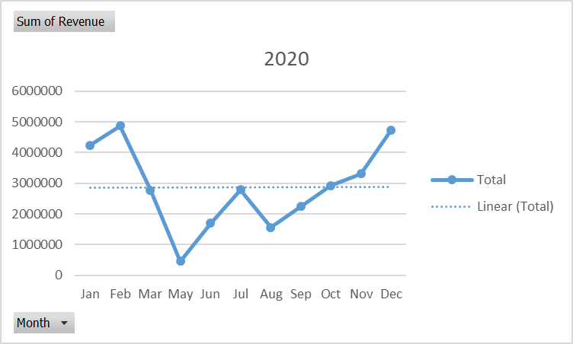
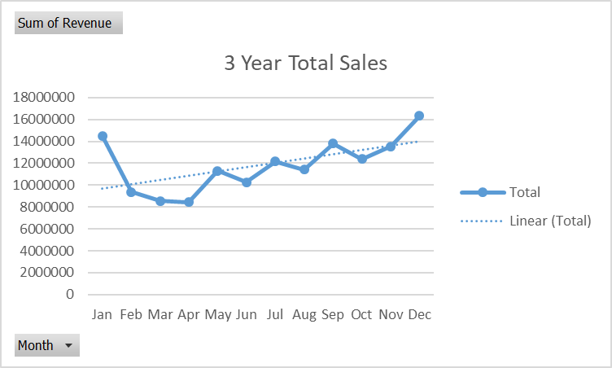
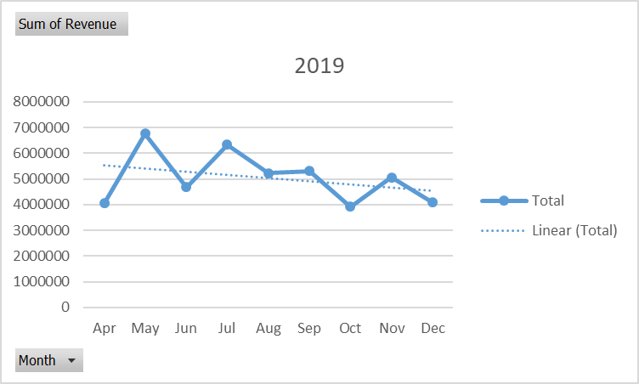
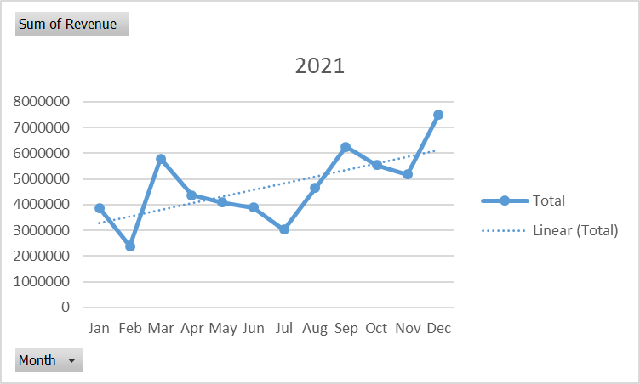
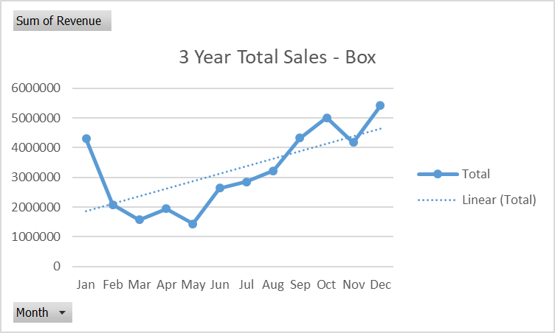
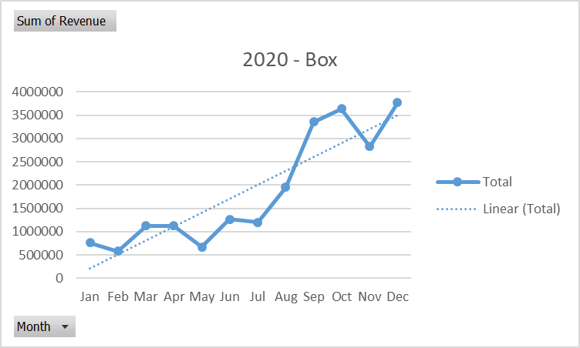
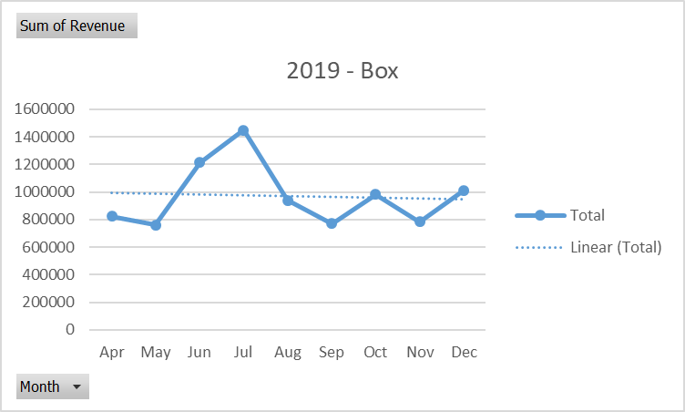
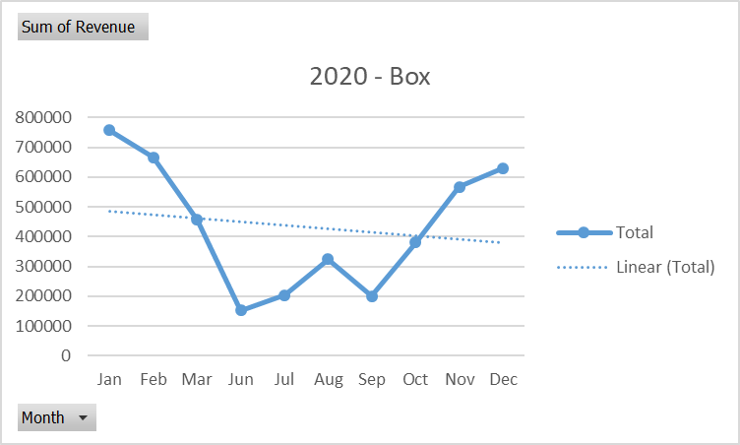
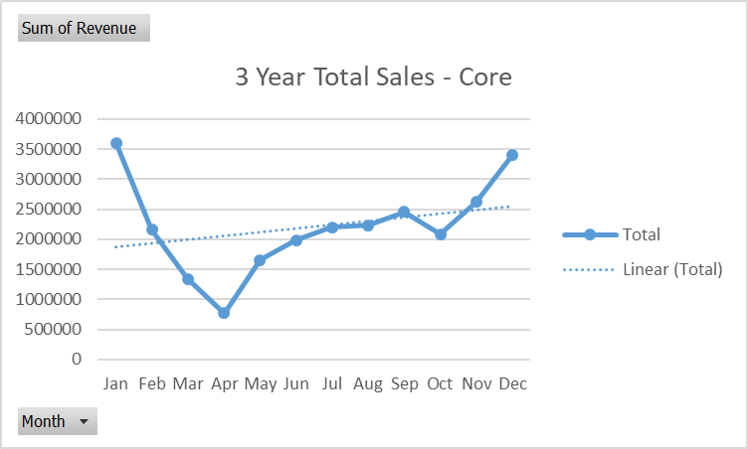
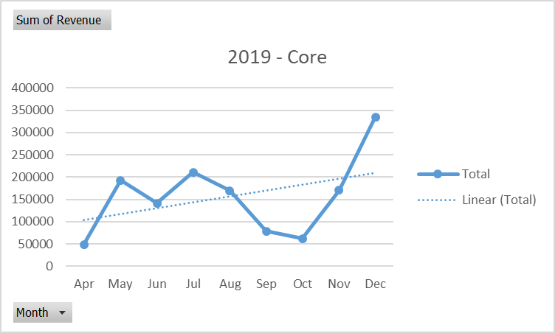
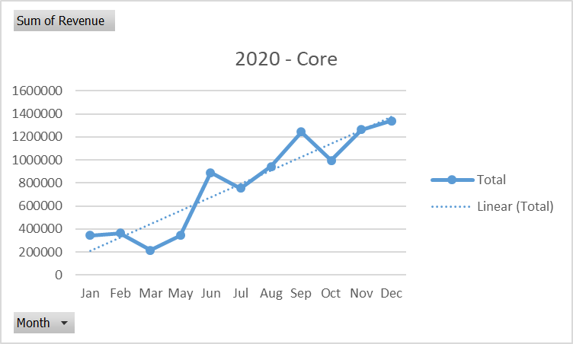
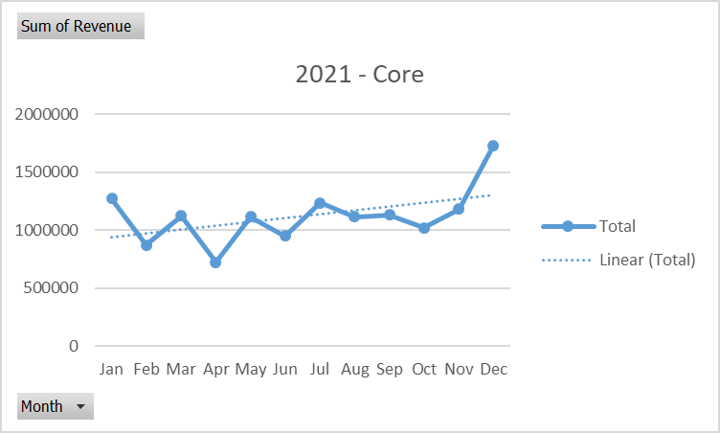
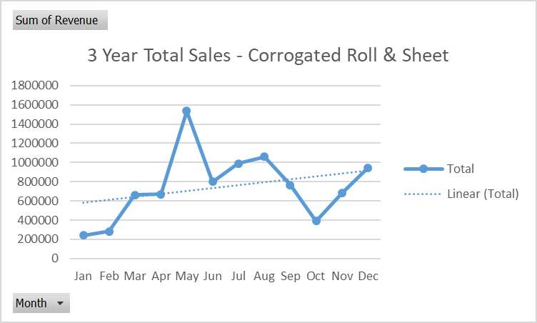
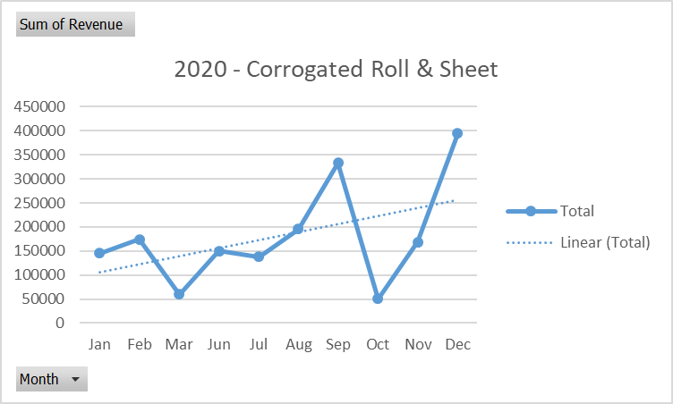
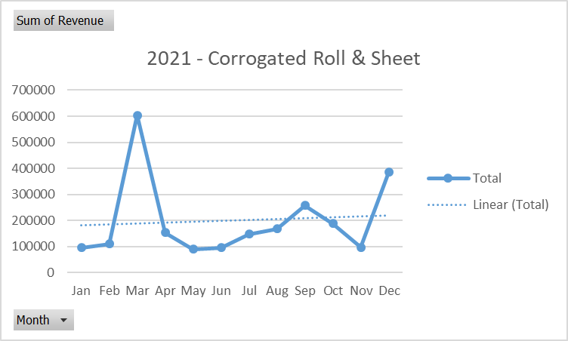
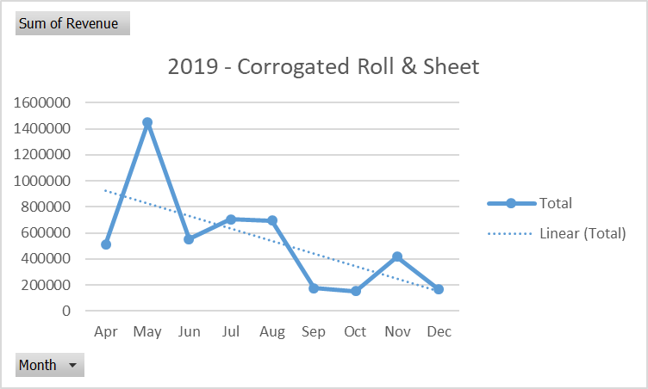
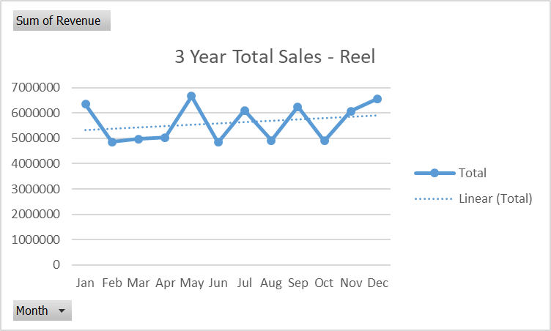
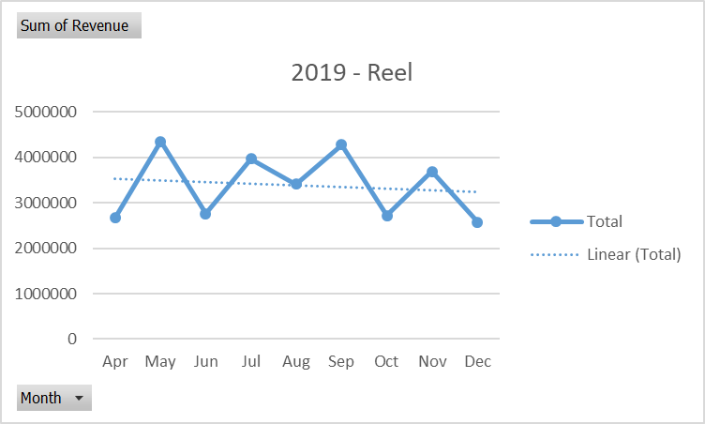
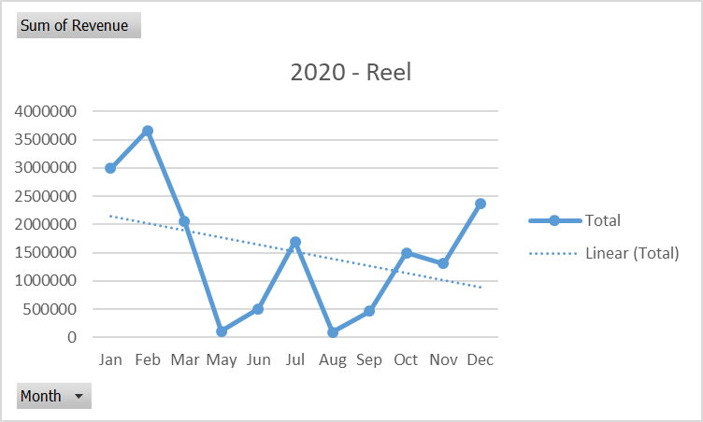
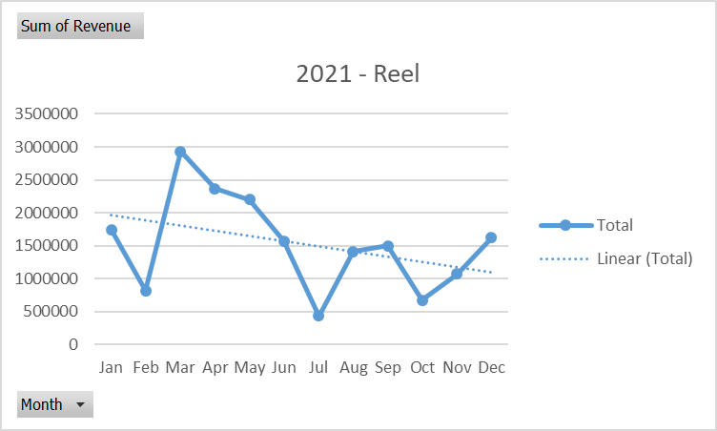
2021 - Reel

Row Labels | Sum of Revenue
Jan | 14498641.2
Feb | 9388453.7
Mar | 8561269.736
Apr | 8426490.554
May | 11293698.344
Jun | 10257956.283
Jul | 12145815.383
Aug | 11428538.23
Sep | 13795356.476
Oct | 12377478.132
Nov | 13551542.285
Dec | 16334202.66
Grand Total | 142059442.98

Composite Data - 3 Year - 1
Date | Month | Year | Company Name | Product | Qty | Unit | Rate | Revenue | Row Labels | Total Transactions Made | Sum of Revenue
2021-11-11 | Nov | 2021 | N B ENTERPRISE | Reel | 731 | Kgs | ₹ 38.5 | ₹ 28,144 | 2019 | 2125 | 45,407,420.83 | 2019 | Total Transactions Made | Sum of Revenue | 2020 | Total Transactions Made | Sum of Revenue | 2021 | Total Transactions Made | Sum of Revenue
2021-11-26 | Nov | 2021 | N B ENTERPRISE | Reel | 1281 | Kgs | ₹ 38.5 | ₹ 49,319 | Apr | 197 | 4,054,197.40 | Apr | 197 | 4,054,197.40 | Jan | 218 | 4,242,012.10 | Jan | 140 | 3,876,308.80
2021-12-17 | Dec | 2021 | N B ENTERPRISE | Reel | 857 | Kgs | ₹ 38.0 | ₹ 32,566 | May | 276 | 6,758,171.60 | May | 276 | 6,758,171.60 | Feb | 239 | 4,869,214.00 | Feb | 96 | 2,383,189.95
2021-12-17 | Dec | 2021 | N B ENTERPRISE | Reel | 129 | Kgs | ₹ 38.0 | ₹ 4,902 | Jun | 219 | 4,672,027.60 | Jun | 219 | 4,672,027.60 | Mar | 169 | 2,780,936.95 | Mar | 163 | 5,780,332.79
2022-01-05 | Jan | 2022 | N B ENTERPRISE | Reel | 909 | Kgs | ₹ 35.0 | ₹ 31,815 | Jul | 299 | 6,333,318.80 | Jul | 299 | 6,333,318.80 | May | 25 | 454,462.25 | Apr | 139 | 4,372,293.15
2022-01-20 | Jan | 2022 | N B ENTERPRISE | Reel | 1381 | Kgs | ₹ 36.5 | ₹ 50,407 | Aug | 247 | 5,216,903.50 | Aug | 247 | 5,216,903.50 | Jun | 91 | 1,698,168.38 | May | 142 | 4,081,064.49
2022-01-22 | Jan | 2022 | N B ENTERPRISE | Reel | 970 | Kgs | ₹ 40.5 | ₹ 39,285 | Sep | 254 | 5,301,859.35 | Sep | 254 | 5,301,859.35 | Jul | 137 | 2,790,119.00 | Jun | 127 | 3,887,760.30
2022-02-07 | Feb | 2022 | N B ENTERPRISE | Reel | 1116 | Kgs | ₹ 37.0 | ₹ 41,292 | Oct | 198 | 3,921,873.95 | Oct | 198 | 3,921,873.95 | Aug | 73 | 1,558,691.00 | Jul | 126 | 3,022,377.59
2020-06-03 | Jun | 2020 | SKY ENTERPRISE | Reel | 1017 | Kg | ₹ 32.0 | ₹ 32,544 | Nov | 214 | 5,060,664.85 | Nov | 214 | 5,060,664.85 | Sep | 113 | 2,245,175.80 | Aug | 150 | 4,652,943.73
2021-05-24 | May | 2021 | SKY ENTERPRISE | Reel | 1590 | Kg | ₹ 35.5 | ₹ 56,445 | Dec | 221 | 4,088,403.78 | Dec | 221 | 4,088,403.78 | Oct | 148 | 2,925,142.66 | Sep | 181 | 6,248,321.33
2022-01-21 | Jan | 2022 | STARLASTING EXIM PRIVATE LIMITED | Box | 968 | Pcs | ₹ 152.0 | ₹ 147,136 | 2020 | 1501 | 31,608,474.72 |  |  |  | Nov | 135 | 3,311,696.49 | Oct | 133 | 5,530,461.53
2022-01-21 | Jan | 2022 | STARLASTING EXIM PRIVATE LIMITED | Box | 1005 | Pcs | ₹ 134.0 | ₹ 134,670 | Jan | 218 | 4,242,012.10 |  |  |  | Dec | 153 | 4,732,856.10 | Nov | 140 | 5,179,180.95
2022-01-22 | Jan | 2022 | STARLASTING EXIM PRIVATE LIMITED | Box | 1370 | Pcs | ₹ 134.0 | ₹ 183,580 | Feb | 239 | 4,869,214.00 |  |  |  |  |  |  | Dec | 217 | 7,512,942.78
2019
2020
2021
2022-01-22 | Jan | 2022 | STARLASTING EXIM PRIVATE LIMITED | Box | 1015 | Pcs | ₹ 134.0 | ₹ 136,010 | Mar | 169 | 2,780,936.95
2022-01-24 | Jan | 2022 | STARLASTING EXIM PRIVATE LIMITED | Box | 525 | Pcs | ₹ 152.0 | ₹ 79,800 | May | 25 | 454,462.25
2022-01-24 | Jan | 2022 | STARLASTING EXIM PRIVATE LIMITED | Box | 520 | Pcs | ₹ 134.0 | ₹ 69,680 | Jun | 91 | 1,698,168.38
2022-01-25 | Jan | 2022 | STARLASTING EXIM PRIVATE LIMITED | Box | 3800 | Pcs | ₹ 20.5 | ₹ 77,900 | Jul | 137 | 2,790,119.00
2022-01-29 | Jan | 2022 | STARLASTING EXIM PRIVATE LIMITED | Box | 4600 | Pcs | ₹ 20.5 | ₹ 94,300 | Aug | 73 | 1,558,691.00
2022-01-31 | Jan | 2022 | STARLASTING EXIM PRIVATE LIMITED | Box | 4400 | Pcs | ₹ 20.5 | ₹ 90,200 | Sep | 113 | 2,245,175.80
2022-01-22 | Jan | 2022 | F A PACKAGING | Reel | 787 | Kg | ₹ 42.0 | ₹ 33,054 | Oct | 148 | 2,925,142.66
2022-01-03 | Jan | 2022 | GOUTAM THREAD CO. | Reel | 221 | Kg | ₹ 38.0 | ₹ 8,398 | Nov | 135 | 3,311,696.49
2021-12-20 | Dec | 2021 | H.S. ENTERPRISES | Box | 270 | Pcs | ₹ 88.0 | ₹ 23,760 | Dec | 153 | 4,732,856.10
2021-12-20 | Dec | 2021 | H.S. ENTERPRISES | Box | 256 | Pcs | ₹ 26.0 | ₹ 6,656 | 2021 | 1754 | 56,527,177.38
2021-12-20 | Dec | 2021 | H.S. ENTERPRISES | Box | 285 | Pcs | ₹ 185.0 | ₹ 52,725 | Jan | 140 | 3,876,308.80
2021-12-30 | Dec | 2021 | HAMIDULLAH BOXWALA | Reel | 1066 | Kg | ₹ 36.8 | ₹ 39,176 | Feb | 96 | 2,383,189.95
2021-12-30 | Dec | 2021 | HAMIDULLAH BOXWALA | Reel | 2058 | Kg | ₹ 36.8 | ₹ 75,632 | Mar | 163 | 5,780,332.79
2021-12-30 | Dec | 2021 | HAMIDULLAH BOXWALA | Reel | 1505 | Kg | ₹ 36.8 | ₹ 55,309 | Apr | 139 | 4,372,293.15
2021-12-30 | Dec | 2021 | HAMIDULLAH BOXWALA | Reel | 938 | Kg | ₹ 36.8 | ₹ 34,472 | May | 142 | 4,081,064.49
2021-12-30 | Dec | 2021 | HAMIDULLAH BOXWALA | Reel | 882 | Kg | ₹ 36.8 | ₹ 32,414 | Jun | 127 | 3,887,760.30
2021-12-30 | Dec | 2021 | HAMIDULLAH BOXWALA | Reel | 2390 | Kg | ₹ 37.0 | ₹ 88,430 | Jul | 126 | 3,022,377.59
2021-12-30 | Dec | 2021 | HAMIDULLAH BOXWALA | Reel | 832 | Kg | ₹ 36.8 | ₹ 30,576 | Aug | 150 | 4,652,943.73
2021-08-13 | Aug | 2021 | HARIOM POLYPACKS LIMITED | Core | 150 | Pcs | ₹ 39.0 | ₹ 5,850 | Sep | 181 | 6,248,321.33
2021-08-13 | Aug | 2021 | HARIOM POLYPACKS LIMITED | Core | 5080 | Pcs | ₹ 1.5 | ₹ 7,620 | Oct | 133 | 5,530,461.53
2021-08-13 | Aug | 2021 | HARIOM POLYPACKS LIMITED | Core | 2000 | Pcs | ₹ 34.3 | ₹ 68,500 | Nov | 140 | 5,179,180.95
2021-08-13 | Aug | 2021 | HARIOM POLYPACKS LIMITED | Box | 952 | Pcs | ₹ 69.5 | ₹ 66,164 | Dec | 217 | 7,512,942.78
2021-08-13 | Aug | 2021 | HARIOM POLYPACKS LIMITED | Box | 101 | Pcs | ₹ 44.0 | ₹ 4,444 | 2022 | 244 | 8,516,370.05
2021-10-07 | Oct | 2021 | HARIOM POLYPACKS LIMITED | Core | 500 | Pcs | ₹ 39.0 | ₹ 19,500 | Jan | 168 | 6,380,320.30
2021-10-07 | Oct | 2021 | HARIOM POLYPACKS LIMITED | Core | 2000 | Pcs | ₹ 1.5 | ₹ 3,000 | Feb | 76 | 2,136,049.75
2021-10-07 | Oct | 2021 | HARIOM POLYPACKS LIMITED | Core | 1150 | Pcs | ₹ 34.3 | ₹ 39,388 | Grand Total | 5624 | 142,059,442.98
2021-10-09 | Oct | 2021 | HARIOM POLYPACKS LIMITED | Core | 400 | Pcs | ₹ 39.0 | ₹ 15,600
2021-10-09 | Oct | 2021 | HARIOM POLYPACKS LIMITED | Core | 8000 | Pcs | ₹ 1.5 | ₹ 12,000
2021-10-09 | Oct | 2021 | HARIOM POLYPACKS LIMITED | Core | 1226 | Pcs | ₹ 34.3 | ₹ 41,991
2021-10-25 | Oct | 2021 | HARIOM POLYPACKS LIMITED | Box | 2000 | Pcs | ₹ 44.3 | ₹ 88,500
2021-11-08 | Nov | 2021 | HARIOM POLYPACKS LIMITED | Box | 260 | Pcs | ₹ 119.0 | ₹ 30,940
2021-11-08 | Nov | 2021 | HARIOM POLYPACKS LIMITED | Box | 1920 | Pcs | ₹ 48.5 | ₹ 93,120
2021-11-15 | Nov | 2021 | HARIOM POLYPACKS LIMITED | Box | 500 | Pcs | ₹ 6.5 | ₹ 3,250
2021-11-16 | Nov | 2021 | HARIOM POLYPACKS LIMITED | Core | 560 | Pcs | ₹ 37.3 | ₹ 20,860
2021-11-16 | Nov | 2021 | HARIOM POLYPACKS LIMITED | Core | 430 | Pcs | ₹ 43.0 | ₹ 18,490
2021-11-16 | Nov | 2021 | HARIOM POLYPACKS LIMITED | Box | 500 | Pcs | ₹ 75.3 | ₹ 37,625
2021-11-16 | Nov | 2021 | HARIOM POLYPACKS LIMITED | Box | 204 | Pcs | ₹ 120.0 | ₹ 24,480
2021-11-16 | Nov | 2021 | HARIOM POLYPACKS LIMITED | Box | 9650 | Pcs | ₹ 6.5 | ₹ 62,725
2021-11-18 | Nov | 2021 | HARIOM POLYPACKS LIMITED | Core | 2000 | Pcs | ₹ 1.8 | ₹ 3,500
2021-11-18 | Nov | 2021 | HARIOM POLYPACKS LIMITED | Core | 1005 | Pcs | ₹ 41.5 | ₹ 41,708
2021-11-18 | Nov | 2021 | HARIOM POLYPACKS LIMITED | Core | 630 | Pcs | ₹ 37.3 | ₹ 23,468
2021-11-18 | Nov | 2021 | HARIOM POLYPACKS LIMITED | Box | 498 | Pcs | ₹ 97.5 | ₹ 48,555
2021-11-20 | Nov | 2021 | HARIOM POLYPACKS LIMITED | Core | 390 | Pcs | ₹ 37.3 | ₹ 14,528
2021-11-20 | Nov | 2021 | HARIOM POLYPACKS LIMITED | Core | 3240 | Pcs | ₹ 1.8 | ₹ 5,670
2021-11-20 | Nov | 2021 | HARIOM POLYPACKS LIMITED | Core | 560 | Pcs | ₹ 43.0 | ₹ 24,080
2021-11-24 | Nov | 2021 | HARIOM POLYPACKS LIMITED | Core | 1013 | Pcs | ₹ 37.3 | ₹ 37,734
2021-11-24 | Nov | 2021 | HARIOM POLYPACKS LIMITED | Core | 505 | Pcs | ₹ 37.0 | ₹ 18,685
2021-11-24 | Nov | 2021 | HARIOM POLYPACKS LIMITED | Core | 440 | Pcs | ₹ 43.0 | ₹ 18,920
2021-11-29 | Nov | 2021 | HARIOM POLYPACKS LIMITED | Box | 300 | Pcs | ₹ 130.0 | ₹ 39,000
2021-11-29 | Nov | 2021 | HARIOM POLYPACKS LIMITED | Box | 408 | Pcs | ₹ 141.0 | ₹ 57,528
2021-11-29 | Nov | 2021 | HARIOM POLYPACKS LIMITED | Core | 5150 | Pcs | ₹ 1.8 | ₹ 9,013
2021-11-29 | Nov | 2021 | HARIOM POLYPACKS LIMITED | Box | 580 | Pcs | ₹ 48.5 | ₹ 28,130
2021-12-02 | Dec | 2021 | HARIOM POLYPACKS LIMITED | Core | 993 | Pcs | ₹ 37.3 | ₹ 36,989
2021-12-02 | Dec | 2021 | HARIOM POLYPACKS LIMITED | Core | 798 | Pcs | ₹ 43.0 | ₹ 34,314
2021-12-03 | Dec | 2021 | HARIOM POLYPACKS LIMITED | Box | 507 | Pcs | ₹ 90.0 | ₹ 45,630
2021-12-03 | Dec | 2021 | HARIOM POLYPACKS LIMITED | Box | 1420 | Pcs | ₹ 48.5 | ₹ 68,870
2021-12-03 | Dec | 2021 | HARIOM POLYPACKS LIMITED | Box | 507 | Pcs | ₹ 90.0 | ₹ 45,630
2021-12-03 | Dec | 2021 | HARIOM POLYPACKS LIMITED | Box | 1420 | Pcs | ₹ 48.5 | ₹ 68,870
2021-12-15 | Dec | 2021 | HARIOM POLYPACKS LIMITED | Core | 1008 | Pcs | ₹ 37.3 | ₹ 37,548
2021-12-15 | Dec | 2021 | HARIOM POLYPACKS LIMITED | Core | 501 | Pcs | ₹ 43.0 | ₹ 21,543
2021-12-15 | Dec | 2021 | HARIOM POLYPACKS LIMITED | Core | 501 | Pcs | ₹ 37.0 | ₹ 18,537
2021-12-24 | Dec | 2021 | HARIOM POLYPACKS LIMITED | Box | 870 | Pcs | ₹ 48.5 | ₹ 42,195
2021-12-24 | Dec | 2021 | HARIOM POLYPACKS LIMITED | Core | 1020 | Pcs | ₹ 37.3 | ₹ 37,995
2021-12-24 | Dec | 2021 | HARIOM POLYPACKS LIMITED | Core | 350 | Pcs | ₹ 43.0 | ₹ 15,050
2021-12-28 | Dec | 2021 | HARIOM POLYPACKS LIMITED | Box | 100 | Pcs | ₹ 141.0 | ₹ 14,100
2021-12-28 | Dec | 2021 | HARIOM POLYPACKS LIMITED | Box | 2420 | Pcs | ₹ 48.5 | ₹ 117,370
2021-12-31 | Dec | 2021 | HARIOM POLYPACKS LIMITED | Box | 19866 | Pcs | ₹ 6.5 | ₹ 129,129
2021-12-31 | Dec | 2021 | HARIOM POLYPACKS LIMITED | Box | 500 | Pcs | ₹ 48.5 | ₹ 24,250
2022-01-08 | Jan | 2022 | HARIOM POLYPACKS LIMITED | Box | 2830 | Pcs | ₹ 48.5 | ₹ 137,255
2022-01-11 | Jan | 2022 | HARIOM POLYPACKS LIMITED | Core | 400 | Pcs | ₹ 24.8 | ₹ 9,900
2022-01-11 | Jan | 2022 | HARIOM POLYPACKS LIMITED | Core | 726 | Pcs | ₹ 43.0 | ₹ 31,218
2022-01-11 | Jan | 2022 | HARIOM POLYPACKS LIMITED | Core | 760 | Pcs | ₹ 37.3 | ₹ 28,310
2022-01-11 | Jan | 2022 | HARIOM POLYPACKS LIMITED | Core | 102 | Pcs | ₹ 59.9 | ₹ 6,105
2022-01-15 | Jan | 2022 | HARIOM POLYPACKS LIMITED | Core | 712 | Pcs | ₹ 43.0 | ₹ 30,616
2022-01-15 | Jan | 2022 | HARIOM POLYPACKS LIMITED | Core | 1010 | Pcs | ₹ 37.0 | ₹ 37,370
2022-01-15 | Jan | 2022 | HARIOM POLYPACKS LIMITED | Core | 560 | Pcs | ₹ 37.3 | ₹ 20,860
...

Pivot- Sales
...
Company Name | % Contribution in Revenue | Cumulative %
SREE GOPAL PACKAGING INDUSTRIES | 0.01% | 99.83%
NOVOFLEX INDUSTRIES (P) LTD. | 0.01% | 99.84%
INDIAN PACKAGING INDUSTRIES | 0.01% | 99.85%
KD PRODUCTS | 0.01% | 99.86%
ROYAL FABRIC BAGS | 0.01% | 99.88%
PRACHI INDUSTRIES | 0.01% | 99.88%
SAI UDYOG | 0.01% | 99.89%
HABS ENTERPRISE | 0.01% | 99.90%
JYOTI GRAPHICS | 0.01% | 99.91%
GANESH PACKAGING | 0.01% | 99.92%
Revenue Pareto - All Years
 | Sum of Revenue | % Contribution in Revenue | Cumulative %
B.S TRADING |  | 17.25% | 17.25%
MYSHA ENTERPRISE |  | 6.70% | 23.96%
ANNAPURNA ASSOCIATES |  | 5.33% | 29.29%
MOHAN BOARDS PVT LTD |  | 3.85% | 33.13%
SUMAN INTERNATIONAL |  | 2.81% | 35.95%
RAJA UDYOG PVT. LTD. |  | 2.78% | 38.72%
TAPARIA IMPEX (P) LTD. |  | 2.78% | 41.50%
SRILAB POLYMER (P) LTD. |  | 2.50% | 44.00%
N.F TRADING |  | 2.29% | 46.30%
JKE TAPES PRIVATE LIMITED |  | 2.00% | 48.30%
SUPER IRON FOUNDRY PVT. LTD. (BURDWAN) |  | 1.97% | 50.27%
ANNAPURNA CORRUGATED BOX INDUSTRIES |  | 1.96% | 52.23%
HARIOM POLYPACKS LIMITED |  | 1.92% | 54.15%
SM PACKAGING |  | 1.72% | 55.87%
OM SAI POLYMER |  | 1.58% | 57.45%
SHREE BALAJI ENTERPRISE |  | 1.53% | 58.97%
VERVE OVERSEAS |  | 1.40% | 60.37%
RAHUL ENTERPRISES |  | 1.32% | 61.69%
NATIONAL PAPER TUBE INDUSTRIES. |  | 1.29% | 62.97%
DAS SUPPLIERS |  | 1.28% | 64.25%
JAI KISHAN DASS MALL JUTE PRODUCTS (P) LTD. |  | 1.25% | 65.50%
GANPATI PACKAGING |  | 1.24% | 66.74%
SUJOY ENTERPRISE |  | 1.24% | 67.98%
CENTURY EXTRUSIONS LIMITED |  | 1.18% | 69.16%
FUJI INDUSTRIES |  | 1.16% | 70.31%
EXODUS FUTURA PVT. LTD. |  | 1.08% | 71.39%
LOKENATH PRINT & PACKERS |  | 0.97% | 72.36%
RS ENTERPRISE |  | 0.92% | 73.27%
SUNNY ENTERPRISE |  | 0.86% | 74.13%
TENTY MARKETING COMPANY (P) LTD |  | 0.85% | 74.98%
GREEN PACKAGING INDUSTRIES PVT.LTD. |  | 0.84% | 75.82%
BHARAT PLASTIC INDUSTRIES |  | 0.73% | 76.55%
STARLASTING EXIM PRIVATE LIMITED |  | 0.72% | 77.26%
FLEX-O-CUT |  | 0.71% | 77.97%
STARWAY PAPER PACK |  | 0.69% | 78.67%
SRI VISHNU INDUSTRIES |  | 0.68% | 79.35%
M.G PACKAGING |  | 0.67% | 80.02%
BOTHRA POLY FILMS PVT. LTD. |  | 0.67% | 80.69%
KESHAB PRINTERS |  | 0.61% | 81.29%
SHANTINATH DETERGENTS (P) LTD. |  | 0.60% | 81.89%
HINDUSTAN ADHESIVES LIMITED. |  | 0.60% | 82.49%
SANYA OVERSEAS |  | 0.55% | 83.04%
ESSTEE KLEIN CHEMICAL CO. |  | 0.54% | 83.58%
ZOREX ENTERPRISE |  | 0.54% | 84.12%
UNIWORTH PAPER & ALLIED PRODUCTS |  | 0.52% | 84.65%
OM TRADING CO. |  | 0.46% | 85.10%
MS PAPER PACK |  | 0.40% | 85.50%
JYOTI COATERS PVT LTD. |  | 0.38% | 85.89%
COGNATE SYSTOPACK SOLUTION |  | 0.37% | 86.25%
MARUTI POLY FILMS |  | 0.37% | 86.62%
...
INNOMEDIA CREATIONS (P) LTD. | 0.01% | 99.92%
MOM CORROGATION | 0.01% | 99.93%
SAROJBALA PACKAGING | 0.01% | 99.94%
NEW S.M. CARD BOARD INDUSTRIES | 0.01% | 99.94%
ASOKA POLYSTEEL | 0.01% | 99.95%
SRI RANI SATI ENTERPRISE | 0.01% | 99.96%
GOUTAM THREAD CO. | 0.01% | 99.96%
SANCHETI TRADING COMPANY | 0.00% | 99.97%
CALCUTTA MARKETING | 0.00% | 99.97%
SP COMMUNICATIONS (P) LTD | 0.00% | 99.98%
CDC Printers (P) Ltd | 0.00% | 99.98%
PLASTOCHEM INDIA PVT.LTD | 0.00% | 99.99%
JAYRAJ GUPTA AND BROTHERS | 0.00% | 99.99%
RANI LAXMI DYING ANAND AGARWATI | 0.00% | 99.99%
AMAL CARDBOARD CO. | 0.00% | 100.00%
EAST BELIAGHATA PACKAGING INDUSTRIES | 0.00% | 100.00%
NINABHA DREAM | 0.00% | 100.00%
Grand Total | 100.00%
 |  | 223

Pivot- Sales YOY
...
 | 44249012.83
JYOTI COATERS PVT LTD. | 0.55% | 89.62% | LIFESTYLE YOU
BHARAT PLASTIC INDUSTRIES | 0.52% | 90.14% | PB HOLOTAPE
OM SAI POLYMER | 0.50% | 90.65% | PAPIER & PRINTING
SUNDARAM APPARELS | 0.47% | 91.12% | STARWAY PAPER PACK
NATIONAL PAPER TUBE INDUSTRIES. | 0.47% | 91.59% | DAS SUPPLIERS
TENTY MARKETING COMPANY (P) LTD | 0.44% | 92.03% | ROSHNI ENTERPRISE
JAAGRIT FASHIONS (P) LTD. | 0.41% | 92.44% | GANPATI PACKAGING
ECONOMY ENTERPRISE | 0.38% | 92.82% | HINDUSTHAN PACKAGING CO.
PAPIER & PRINTING | 0.37% | 93.19% | RAMKRISHNA PACKAGING
STITCHFAB (INDIA) PVT. LTD. | 0.35% | 93.54% | HINDUSTAN ADHESIVES LIMITED.
Revenue Pareto - 2019
 | Sum of Revenue | % Contribution | Cummulative %
B.S TRADING |  | 21.82% | 21.82%
MYSHA ENTERPRISE |  | 14.28% | 36.10%
ANNAPURNA ASSOCIATES |  | 10.01% | 46.10%
ANNAPURNA CORRUGATED BOX INDUSTRIES |  | 6.19% | 52.30%
SUPER IRON FOUNDRY PVT. LTD. (BURDWAN) |  | 5.45% | 57.75%
SM PACKAGING |  | 3.69% | 61.44%
SRILAB POLYMER (P) LTD. |  | 3.15% | 64.58%
SUJOY ENTERPRISE |  | 2.96% | 67.54%
RAJA UDYOG PVT. LTD. |  | 2.47% | 70.01%
M.G PACKAGING |  | 2.14% | 72.15%
TAPARIA IMPEX (P) LTD. |  | 2.01% | 74.16%
GREEN PACKAGING INDUSTRIES PVT.LTD. |  | 1.90% | 76.06%
UNIWORTH PAPER & ALLIED PRODUCTS |  | 1.67% | 77.73%
FLEX-O-CUT |  | 1.21% | 78.94%
COGNATE SYSTOPACK SOLUTION |  | 1.11% | 80.05%
DAS SUPPLIERS |  | 1.10% | 81.14%
CENTURY EXTRUSIONS LIMITED |  | 1.07% | 82.21%
KARIWALA HOME STYLES & FASHIONS PVT.LTD |  | 1.02% | 83.23%
SANYA OVERSEAS |  | 0.85% | 84.08%
EXODUS FUTURA PVT. LTD. |  | 0.82% | 84.91%
CANDID CASUALS INDIA (P) LTD. |  | 0.82% | 85.72%
JAHANGIR PACKAGING |  | 0.73% | 86.46%
MS PAPER PACK |  | 0.71% | 87.17%
RAHUL ENTERPRISES |  | 0.71% | 87.88%
AHNAF ENTERPRISE |  | 0.64% | 88.51%
LAMINA RESEARCH CENTRE (P) LTD. |  | 0.56% | 89.08%
JYOTI COATERS PVT LTD. |  | 0.55% | 89.62%
BHARAT PLASTIC INDUSTRIES |  | 0.52% | 90.14%
OM SAI POLYMER |  | 0.50% | 90.65%
SUNDARAM APPARELS |  | 0.47% | 91.12%
NATIONAL PAPER TUBE INDUSTRIES. |  | 0.47% | 91.59%
TENTY MARKETING COMPANY (P) LTD |  | 0.44% | 92.03%
JAAGRIT FASHIONS (P) LTD. |  | 0.41% | 92.44%
ECONOMY ENTERPRISE |  | 0.38% | 92.82%
PAPIER & PRINTING |  | 0.37% | 93.19%
STITCHFAB (INDIA) PVT. LTD. |  | 0.35% | 93.54%
DILIP APPARELS |  | 0.34% | 93.88%
BKM INDUSTRIES LIMITED. |  | 0.32% | 94.20%
ZOREX ENTERPRISE |  | 0.31% | 94.52%
LES CLASSIQUES |  | 0.31% | 94.83%
ESSTEE KLEIN CHEMICAL CO. |  | 0.30% | 95.13%
SHANTINATH DETERGENTS (P) LTD. |  | 0.28% | 95.41%
AMRIT EXPORTS (P) LTD. |  | 0.27% | 95.68%
MITTAL BIOTECH LIMITED |  | 0.27% | 95.96%
SUMAN INTERNATIONAL |  | 0.24% | 96.19%
PROKAS PACKAGING INDUSTRIES |  | 0.24% | 96.43%
SAFAK ENTERPRISE |  | 0.21% | 96.64%
STANDARD CARD BOARD BOX |  | 0.20% | 96.84%
PB HOLOTAPE |  | 0.17% | 97.01%
ADINANT GRAPHIX |  | 0.17% | 97.18%
...
DILIP APPARELS | 0.34% | 93.88% | JAI KISHAN DASS MALL JUTE PRODUCTS (P) LTD.
BKM INDUSTRIES LIMITED. | 0.32% | 94.20% | MAA GAYATRI PACKAGING
ZOREX ENTERPRISE | 0.31% | 94.52% | SHANTINATH DETERGENTS (P) LTD.
LES CLASSIQUES | 0.31% | 94.83% | SHREE HANUMAN TEXTILE
ESSTEE KLEIN CHEMICAL CO. | 0.30% | 95.13% | RS ENTERPRISE
SHANTINATH DETERGENTS (P) LTD. | 0.28% | 95.41% | JAAGRIT FASHIONS (P) LTD.
AMRIT EXPORTS (P) LTD. | 0.27% | 95.68% | Name :GANAPATI ENTERPRISE
MITTAL BIOTECH LIMITED | 0.27% | 95.96% | ZOREX ENTERPRISE
SUMAN INTERNATIONAL | 0.24% | 96.19% | BHARAT PLASTIC INDUSTRIES
PROKAS PACKAGING INDUSTRIES | 0.24% | 96.43% | SANYA OVERSEAS
SAFAK ENTERPRISE | 0.21% | 96.64% | LINTAS PACKAGING (P) LTD
STANDARD CARD BOARD BOX | 0.20% | 96.84% | HAMIDULLA BOX WALLA
PB HOLOTAPE | 0.17% | 97.01% | J.N ENTERPRISE
ADINANT GRAPHIX | 0.17% | 97.18% | PRINT ZONE
RADIANT CORPORATION | 0.17% | 97.34% | HIRAWAT TAPES
Revenue Pareto - 2020
 | Sum of Revenue | % Contribution | Cummulative %
B.S TRADING |  | 28.39% | 28.39%
MYSHA ENTERPRISE |  | 8.06% | 36.45%
SUMAN INTERNATIONAL |  | 4.30% | 40.74%
RAJA UDYOG PVT. LTD. |  | 3.76% | 44.50%
EXODUS FUTURA PVT. LTD. |  | 3.02% | 47.52%
VERVE OVERSEAS |  | 3.00% | 50.52%
TAPARIA IMPEX (P) LTD. |  | 2.93% | 53.45%
ANNAPURNA ASSOCIATES |  | 2.78% | 56.23%
SM PACKAGING |  | 2.52% | 58.74%
OM SAI POLYMER |  | 2.39% | 61.14%
SRILAB POLYMER (P) LTD. |  | 2.30% | 63.43%
CENTURY EXTRUSIONS LIMITED |  | 1.56% | 65.00%
FUJI INDUSTRIES |  | 1.52% | 66.52%
BOTHRA POLY FILMS PVT. LTD. |  | 1.49% | 68.00%
FLEX-O-CUT |  | 1.47% | 69.47%
ABABEEL ENTERPRISE |  | 1.39% | 70.86%
LOKENATH PRINT & PACKERS |  | 1.35% | 72.21%
SHREE BALAJI ENTERPRISE |  | 1.22% | 73.44%
TENTY MARKETING COMPANY (P) LTD |  | 1.19% | 74.62%
ESSTEE KLEIN CHEMICAL CO. |  | 1.18% | 75.80%
RAHUL ENTERPRISES |  | 1.14% | 76.94%
GREEN PACKAGING INDUSTRIES PVT.LTD. |  | 1.09% | 78.03%
NATIONAL PAPER TUBE INDUSTRIES. |  | 1.03% | 79.06%
SUJOY ENTERPRISE |  | 1.00% | 80.06%
JYOTI COATERS PVT LTD. |  | 0.95% | 81.01%
SRI VISHNU INDUSTRIES |  | 0.94% | 81.95%
LIFESTYLE YOU |  | 0.94% | 82.88%
PB HOLOTAPE |  | 0.86% | 83.74%
PAPIER & PRINTING |  | 0.80% | 84.55%
STARWAY PAPER PACK |  | 0.80% | 85.34%
DAS SUPPLIERS |  | 0.75% | 86.09%
ROSHNI ENTERPRISE |  | 0.72% | 86.81%
GANPATI PACKAGING |  | 0.69% | 87.50%
HINDUSTHAN PACKAGING CO. |  | 0.66% | 88.16%
RAMKRISHNA PACKAGING |  | 0.55% | 88.71%
HINDUSTAN ADHESIVES LIMITED. |  | 0.50% | 89.21%
JAI KISHAN DASS MALL JUTE PRODUCTS (P) LTD. |  | 0.50% | 89.71%
MAA GAYATRI PACKAGING |  | 0.49% | 90.21%
SHANTINATH DETERGENTS (P) LTD. |  | 0.49% | 90.70%
SHREE HANUMAN TEXTILE |  | 0.41% | 91.11%
RS ENTERPRISE |  | 0.39% | 91.49%
JAAGRIT FASHIONS (P) LTD. |  | 0.38% | 91.88%
Name :GANAPATI ENTERPRISE |  | 0.38% | 92.26%
ZOREX ENTERPRISE |  | 0.36% | 92.62%
BHARAT PLASTIC INDUSTRIES |  | 0.34% | 92.96%
SANYA OVERSEAS |  | 0.33% | 93.29%
LINTAS PACKAGING (P) LTD |  | 0.33% | 93.61%
HAMIDULLA BOX WALLA |  | 0.33% | 93.94%
J.N ENTERPRISE |  | 0.30% | 94.24%
PRINT ZONE |  | 0.26% | 94.51%
...
S T P LIMITED | 0.14% | 97.48% | SHIBANI PACKAGING
ARIYAN MARKETING | 0.14% | 97.62% | TEA CHEST INDIA
R.D TAPES | 0.14% | 97.76% | RAMKRISHNA PACKAGING
TEA CHEST INDIA | 0.13% | 97.89% | KARNANI FOILS
AA PACKAGING | 0.12% | 98.01% | INDIA TAPE MANUFACTURING COMPANY
A.R ENTERPRISE | 0.12% | 98.13% | PHOENIX ENTERPRISE
SUNFLAG INDUSTRIES | 0.11% | 98.24% | GANAPATI ENTERPRISE
VERVE OVERSEAS | 0.11% | 98.35% | DIAMOND POLYTHENE
SITRONN | 0.10% | 98.45% | B.K INDUSTRIES
LINTAS PACKAGING (P) LTD | 0.09% | 98.55% | ADINANT GRAPHIX
PACKAGING UDYOG | 0.09% | 98.64% | P.N MUKHERJEE & CO. PVT. LTD.
RST PACKAGING INDUSTRIES | 0.08% | 98.72% | MOHAMMED SABIR
SHREE BALAJI ENTERPRISE | 0.07% | 98.79% | ADI AMBE PAPERS PVT. LTD.
LOTUS PACKAGING | 0.07% | 98.86% | PAPER PLUS
KAPOOR FASHIONS | 0.07% | 98.93% | LAMINA RESEARCH CENTRE (P) LTD.
Revenue Pareto - 2021
 | Sum of Revenue | % Contribution | Cummulative %
B.S TRADING |  | 10.06% | 10.06%
MOHAN BOARDS PVT LTD |  | 9.59% | 19.64%
N.F TRADING |  | 5.71% | 25.36%
SUMAN INTERNATIONAL |  | 4.11% | 29.47%
ANNAPURNA ASSOCIATES |  | 3.90% | 33.37%
TAPARIA IMPEX (P) LTD. |  | 3.61% | 36.98%
JKE TAPES PRIVATE LIMITED |  | 3.55% | 40.53%
HARIOM POLYPACKS LIMITED |  | 3.17% | 43.70%
JAI KISHAN DASS MALL JUTE PRODUCTS (P) LTD. |  | 2.77% | 46.47%
RAJA UDYOG PVT. LTD. |  | 2.38% | 48.85%
GANPATI PACKAGING |  | 2.34% | 51.19%
SHREE BALAJI ENTERPRISE |  | 2.21% | 53.40%
SRILAB POLYMER (P) LTD. |  | 2.19% | 55.60%
SUNNY ENTERPRISE |  | 2.14% | 57.73%
RAHUL ENTERPRISES |  | 2.09% | 59.82%
NATIONAL PAPER TUBE INDUSTRIES. |  | 2.04% | 61.86%
OM SAI POLYMER |  | 1.81% | 63.67%
RS ENTERPRISE |  | 1.70% | 65.37%
DAS SUPPLIERS |  | 1.63% | 67.00%
VERVE OVERSEAS |  | 1.57% | 68.57%
FUJI INDUSTRIES |  | 1.56% | 70.13%
LOKENATH PRINT & PACKERS |  | 1.54% | 71.67%
STARWAY PAPER PACK |  | 1.29% | 72.96%
CENTURY EXTRUSIONS LIMITED |  | 1.23% | 74.19%
SRI VISHNU INDUSTRIES |  | 1.18% | 75.37%
OM TRADING CO. |  | 1.14% | 76.51%
BHARAT PLASTIC INDUSTRIES |  | 1.06% | 77.57%
MYSHA ENTERPRISE |  | 1.02% | 78.59%
HINDUSTAN ADHESIVES LIMITED. |  | 0.94% | 79.54%
MARUTI POLY FILMS |  | 0.91% | 80.45%
HARIOM POLYPACKS LIMITED |  | 0.91% | 81.36%
SHANTINATH DETERGENTS (P) LTD. |  | 0.91% | 82.26%
KESHAB PRINTERS |  | 0.90% | 83.16%
ZOREX ENTERPRISE |  | 0.82% | 83.98%
BOTHRA POLY FILMS PVT. LTD. |  | 0.79% | 84.78%
ANIL PACKAGING |  | 0.76% | 85.54%
SARKAR UDYOG |  | 0.65% | 86.18%
SUPER IRON FOUNDRY PVT. LTD. (BURDWAN) |  | 0.64% | 86.83%
HAMIDULLAH BOXWALA |  | 0.63% | 87.46%
TENTY MARKETING COMPANY (P) LTD |  | 0.62% | 88.08%
GANAPATI ENTERPRISE |  | 0.55% | 88.63%
K.N PACKAGING |  | 0.54% | 89.17%
OM SHUVAM PACKAGING CO. |  | 0.51% | 89.68%
TEA CHEST INDIA |  | 0.50% | 90.18%
SANYA OVERSEAS |  | 0.43% | 90.62%
MANOJ ENTERPRISE |  | 0.43% | 91.04%
MS PAPER PACK |  | 0.38% | 91.42%
SURAKSHA ENTERPRISE |  | 0.35% | 91.77%
EXODUS FUTURA PVT. LTD. |  | 0.35% | 92.12%
SHREE HANUMAN TEXTILE |  | 0.31% | 92.43%
...
DP FAB BENGAL SAREES (P) LTD. | 0.07% | 98.99% | PROKAS PACKAGING INDUSTRIES
APPAREL INDIA PVT. LTD. | 0.06% | 99.06% | KURZ INDIA PVT. LTD.
MAA GAYATRI PACKAGING | 0.06% | 99.11% | SRI RANISATI INDUSTRIES
SHUBHTARA PACKAGING | 0.05% | 99.17% | SKY ENTERPRISE
SR INTERNATIONAL PAPER MILLS PVT LTD | 0.05% | 99.22% | MS PAPER PACK
BOTHRA POLY FILMS PVT. LTD. | 0.05% | 99.27% | SAH STORES
UNITED TRADERS | 0.05% | 99.31% | AJS PACKAGING INDUSTRIES
EXCEL PACK | 0.05% | 99.36% | SUNFLAG INDUSTRIES
WEAVELL ENTERPRISES | 0.05% | 99.41% | SPLICE PACKAGING
ORCHID CREATIONS (P) LTD. | 0.05% | 99.45% | DILIP APPARELS
CREATIVE CASUALS INDIA (P) LTD. | 0.04% | 99.49% | RADIANT CORPORATION
JYOTI ENTERPRISE | 0.04% | 99.53% | COGNATE SYSTOPACK SOLUTION
Wizertech Informatics Pvt. Ltd. | 0.04% | 99.57% | VIKASH POTTERIES
NOVOFLEX INDUSTRIES (P) LTD. | 0.03% | 99.60% | PACK N PACK
PODDAR INDUSTRIES | 0.03% | 99.64% | EAST INDIA KINIFOAM & AIR BUBBLE LTD
ZENITH IMPEX | 0.03% | 99.67% | MANYA UDYOG
SPLICE PACKAGING | 0.03% | 99.70% | SB NINE X
SAI UDYOG | 0.03% | 99.73% | ANNAPURNA CORRUGATED BOX INDUSTRIES
GANPATI TRADING CO. | 0.03% | 99.76% | HARA KRISHNA JEWELLERY BOX
J.N ENTERPRISE | 0.03% | 99.79% | ARIHANT PRINTERS
INTERNATIONAL PAPER ART | 0.03% | 99.82% | S S PACKERS
FUJI INDUSTRIES | 0.03% | 99.84% | ORCHID CREATIONS (P) LTD.
JYOTI GRAPHICS | 0.03% | 99.87% | SDJ INTERNATIONAL
GANESH PACKAGING | 0.02% | 99.89% | GRAPHIC PACKAGING
INNOMEDIA CREATIONS (P) LTD. | 0.02% | 99.91% | GANPATI TRADING CO.
SRI RANI SATI ENTERPRISE | 0.02% | 99.93% | KD PRODUCTS
...

Pivot-Season
Monthwise Revenue - Reel
Year | 2020
Product | Reel

Row Labels | Sum of Revenue
Jan | 2995684.25
Feb | 3664651.5
Mar | 2048163.5
May | 108062.75
Jun | 505902.5
Jul | 1694163.5
Aug | 94404
Sep | 465910.5
Oct | 1499350.25
Nov | 1312282.575
Dec | 2367995.4
Grand Total | 16756570.725

Pivot A category
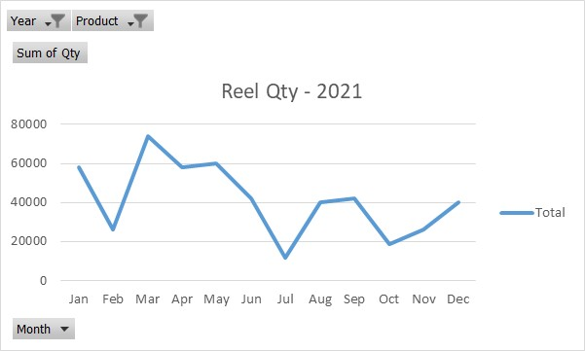
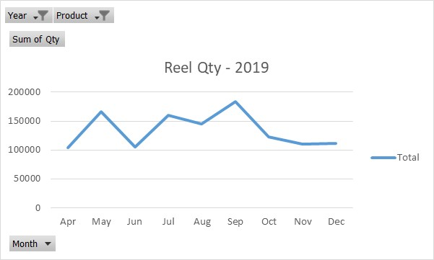
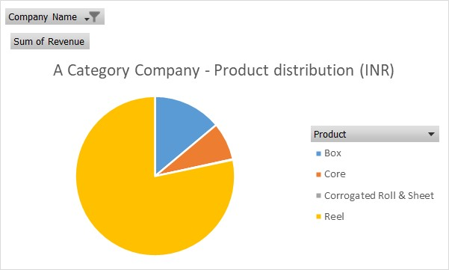
...
 |  |  |  |  | Avg.Weight (Ton) | Prod Capacity (Ton) | Utilization Factor
 |  |  |  |  | 0.5 | 2 | 25%
 |  |  | Core | 1532576 | 0.29 | 1 | 29%
 |  |  | Corrogated Roll & Sheet | 175184.5 | 0.7 | 1 | 70%
...
 |  |  | Year 2020
 |  |  | Product | Sum of Qty | Avg.Weight (Ton) | Prod Capacity (Ton) | Utilization Factor
 |  |  | Box | 138705 | 0.28 | 2 | 14%
 |  |  | Core | 2120029.47 | 0.4 | 1 | 40%
 |  |  | Corrogated Roll & Sheet | 89487.8 | 0.36 | 1 | 36%
Grand Total | 29,348,438.58 | 24.82
Reel Qty - 2021
 | Sum of Revenue | Average of Rate
Apr | 2,667,415.50 | 26.04
May | 4,355,971.10 | 26.41
Jun | 2,761,597.60 | 26.70
Jul | 3,968,063.50 | 25.32
Aug | 3,411,460.25 | 24.00
Sep | 4,277,262.75 | 24.71
Oct | 2,722,648.25 | 22.63
Nov | 2,608,941.75 | 23.92
Dec | 2,575,077.88 | 23.05
 |  |  | Year 2021
 |  |  | Product | Sum of Qty | Avg.Weight (Ton) | Prod Capacity (Ton) | Utilization Factor
 |  |  | Box | 668323 | 1.3 | 2 | 65%
 |  |  | Core | 2773577.044 | 0.52 | 1 | 52%
 |  |  | Corrogated Roll & Sheet | 68623.05 | 0.28 | 1 | 28%

 | Sum of Revenue | Average of Rate
Apr | 2,667,415.50 | 26.04
May | 4,355,971.10 | 26.41
Jun | 2,761,597.60 | 26.70
Jul | 3,968,063.50 | 25.32
Aug | 3,411,460.25 | 24.00
Sep | 4,277,262.75 | 24.71
Oct | 2,722,648.25 | 22.63
Nov | 2,608,941.75 | 23.92
Dec | 2,575,077.88 | 23.05
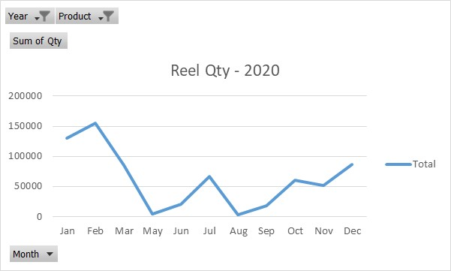
The rate and total qty ordered for
box and core have increased

Complete_data
Qty | Unit | Rate | Revenue | Product | Reel
731 | Kgs | 38.5 | 28143.5
1281 | Kgs | 38.5 | 49318.5 | Row Labels | Sum of Revenue | Average of Rate
857 | Kgs | 38 | 32566 | Jan | 6348663.2 | 27.00
129 | Kgs | 38 | 4902 | Feb | 4862639 | 25.93
909 | Kgs | 35 | 31815 | Mar | 4976585.25 | 28.66
1381 | Kgs | 36.5 | 50406.5 | Apr | 5034786 | 29.97
970 | Kgs | 40.5 | 39285 | May | 6665116.6 | 29.18
Sum of Revenue (2019-21) - Reel
1116 | Kgs | 37 | 41292 | Jun | 4840149.95 | 28.78
1017 | Kg | 32 | 32544 | Jul | 6098136 | 26.06
1590 | Kg | 35.5 | 56445 | Aug | 4917685.5 | 26.54
968 | Pcs | 152 | 147136 | Sep | 6244014 | 26.68
1005 | Pcs | 134 | 134670 | Oct | 4899488.35 | 24.29
1370 | Pcs | 134 | 183580 | Nov | 4993714.075 | 26.99
1015 | Pcs | 134 | 136010 | Dec | 6567057.73 | 27.61
525 | Pcs | 152 | 79800 | Grand Total | 66448035.655 | 27.26
520 | Pcs | 134 | 69680
3800 | Pcs | 20.5 | 77900
4600 | Pcs | 20.5 | 94300 | Row Labels | Sum of Revenue
4400 | Pcs | 20.5 | 90200 | Jan | 6348663.2
787 | Kg | 42 | 33054 | Feb | 4862639
221 | Kg | 38 | 8398 | Mar | 4976585.25
270 | Pcs | 88 | 23760 | Apr | 5034786
256 | Pcs | 26 | 6656 | May | 6665116.6
285 | Pcs | 185 | 52725 | Jun | 4840149.95
1066 | Kg | 36.75 | 39175.5 | Jul | 6098136
2058 | Kg | 36.75 | 75631.5 | Aug | 4917685.5
1505 | Kg | 36.75 | 55308.75 | Sep | 6244014
938 | Kg | 36.75 | 34471.5 | Oct | 4899488.35
882 | Kg | 36.75 | 32413.5 | Nov | 4993714.075
2390 | Kg | 37 | 88430 | Dec | 6567057.73
832 | Kg | 36.75 | 30576
150 | Pcs | 39 | 5850
...

