charts
Sum of Employee_ID | status
Department | expired | expiring soon | not expired | Grand Total
Compliance | 9925546 | 200209 | 174965 | 10300720
Finance | 9708406 | 88577 | 171672 | 9968655
HR | 9889292 | 208973 | 137968 | 10236233
IT | 10274451 | 125313 | 144148 | 10543912
Operations | 10409910 | 203450 | 200422 | 10813782
Sales | 10225309 | 104666 | 309223 | 10639198
Grand Total | 60432914 | 931188 | 1138398 | 62502500

Sum of Employee_ID | Credential_Type
Credential_Status | Compliance Certificate | ID Card | NDA | Safety Training | System Access | Grand Total
Active | 1901904 | 1881589 | 1687949 | 2096041 | 1708199 | 9275682
Expired | 10997698 | 10852622 | 10890620 | 10485350 | 10000528 | 53226818
Grand Total | 12899602 | 12734211 | 12578569 | 12581391 | 11708727 | 62502500

Total

Role | Count of status
Administrator | 1013
Analyst | 1007
Executive | 1006
Lead | 1018
Manager | 956
Grand Total | 5000

dashboard
The HR Credential Compliance Dashboard transforms raw Excel records into an automated compliance tracking system:
Automated Risk Tracking: Uses dynamic date formulas (TODAY()) and IFS functions to instantly classify credentials as Active, Expiring Soon, or Expired.
Visual Insight: Employs color-coded Pivot Charts (Stacked Column, Bar, and pie) and KPI metrics to highlight high-risk departments and credential types.
Interactive Control: Connects slicers across all charts and dynamic priority lists so HR management can quickly filter data and trigger immediate renewal actions
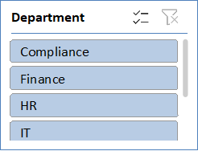 | 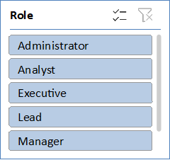 | 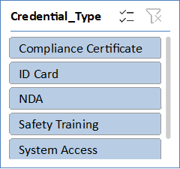
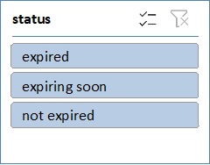

total expiring soon employees
74
Total tracked credentianls
5000
Total active employees
746
Total expired employees
4254

