Index
Mastering MS Excel
For Excellence

The Basics
TRAINING BANGLA
· Creating a New Workbook
· Navigating in Excel
· Moving the Cell Pointer
· Using Excel Menus
· Using Excel Toolbars: Hiding, Displaying, and Moving Toolbars
· Entering Values in a Worksheet and Selecting a Cell Range
· Saving a Workbook & Re-opening a saved workbook

Basic Formating
TRAINING BANGLA
· Formatting Fonts & Values
· Adjusting Row Height and Column Width
· Changing Cell Alignment
· Adding Borders
· Applying Colors and Patterns
· Using the Format Painter
· Using AutoFormat
· Merging Cells, Rotating Text, and using AutoFit
· Using AutoFill
· Hiding Columns, Rows and Sheets
SL | Discussion
1 | Introducing opening screen
2 | Ribbon grouping
3 | Backstage view
4 | Recent file handling
5 | Special ribon
6 | Paste option
7 | Formating basic
8 | Custom Formating
9 | Format Painter
10 | Sheet movement
11 | Customizing the ribon
12 | Automatically save and recover office files

Conditional Formating
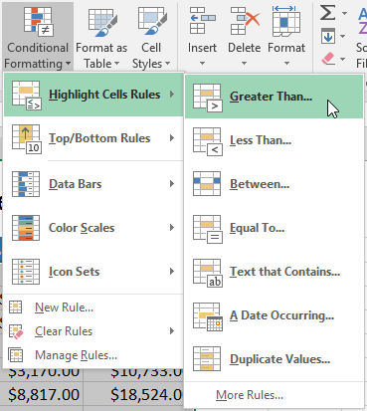
 |  |  | Conditional Formating

Type | Store | January | February | March | April | May | June | Total
Rentals | Dhaka | 14,600.00 | 13,400.00 | 15,000.00 | 13,000.00 | 13,000.00 | 12,000.00 | 81,000.00
Rentals | Chittagong | 22,000.00 | 24,000.00 | 23,000.00 | 22,000.00 | 23,000.00 | 21,000.00 | 135,000.00
Rentals | Khulna | 13,000.00 | 15,000.00 | 17,000.00 | 16,000.00 | 15,000.00 | 15,000.00 | 91,000.00
Rentals | Rajshahi | 10,000.00 | 13,000.00 | 15,000.00 | 16,000.00 | 16,000.00 | 15,000.00 | 85,000.00
Movies | Dhaka | 6,000.00 | 6,700.00 | 6,300.00 | 4,000.00 | 4,500.00 | 3,000.00 | 30,500.00
Movies | Chittagong | 4,500.00 | 4,100.00 | 3,200.00 | 2,800.00 | 2,500.00 | 2,000.00 | 19,100.00
Movies | Khulna | 3,700.00 | 3,300.00 | 2,800.00 | 2,200.00 | 1,500.00 | 1,500.00 | 15,000.00
Movies | Rajshahi | 6,900.00 | 5,500.00 | 6,000.00 | 5,500.00 | 5,500.00 | 5,000.00 | 34,400.00
Games | Dhaka | 1,000.00 | 1,500.00 | 500.00 | 500.00 | 400.00 | 600.00 | 4,500.00
Games | Chittagong | 2,000.00 | 1,500.00 | 1,000.00 | 1,000.00 | 600.00 | 400.00 | 6,500.00
Games | Khulna | 900.00 | 700.00 | 500.00 | 500.00 | 300.00 | 800.00 | 3,700.00
Games | Rajshahi | 2,200.00 | 2,300.00 | 1,500.00 | 1,600.00 | 1,300.00 | 1,700.00 | 10,600.00
Food Items | Dhaka | 3,000.00 | 3,200.00 | 2,500.00 | 2,000.00 | 1,500.00 | 1,800.00 | 14,000.00
Food Items | Chittagong | 2,800.00 | 2,200.00 | 2,000.00 | 2,000.00 | 1,800.00 | 2,200.00 | 13,000.00
Food Items | Khulna | 1,400.00 | 1,500.00 | 1,700.00 | 1,400.00 | 1,600.00 | 1,500.00 | 9,100.00
Food Items | Rajshahi | 2,000.00 | 2,100.00 | 1,000.00 | 1,500.00 | 1,500.00 | 1,500.00 | 9,600.00

